Overview
 Portolio Project | Grammy.com Web Analytics

— Your Job
Are you excited to dive into data work for an exciting project at The Recording Academy? You know, the non-profit organization behind the Grammy Awards! In this project, you'll work on real data from both websites owned by The Recording Academy, the non-profit organization behind the famous Grammy Awards. As you just learned, Ray Starck, the VP of Digital Strategy, decided to split the websites into grammy.com and recordingacademy.com to better serve the Recording Academy's various audience needs. Now, you are tasked with examining the effect of splitting up the two websites, and analyzing the data for a better understanding of trends and audience behavior on both sites. Are you ready?!?! Let's do this!

— Your Skills
For this task, you'll engage the following skills: (1) Prepare the data by transforming it. (2) Calculate business KPIs (3) Make recommendations for the organization.

— Ready to Begin? Click the next tab below to explore the data dictionary!

Complete Your Analysis!
About Your Analysis
• All of your answers should be typed or pasted into the grey boxes. • Questions with grey answer boxes expect a specific answer. If you input the correct answer, the question number box will change from blue to green. • Questions with yellow answer boxes are free response questions. There will be no change in the question number boxes (in blue), regardless of answer. • For hints for each question, hover your mouse over the blue hint box to get helpful information!

Now, it's time to analyze!

Part 1: Explore the Data
 | To begin the data exploration you will be looking at the Grammys Data sheet. The data contained there includes all the data provided by The Recording Academy, the organization behind The Grammy Awards. |  | Note!

1a | Create a line chart of the number of daily visitors to the Grammy.com website. See if you can spot the days the Grammy Awards are hosted. Use the Grammys Data sheet for this graph. The horizontal axis should be the date field. |  | Hint!

 | visitors
1/1/2017 | 9611
1/2/2017 | 10752
1/3/2017 | 11425
1/4/2017 | 13098
1/5/2017 | 12234
1/6/2017 | 11461
1/7/2017 | 11183
1/8/2017 | 16265
1/9/2017 | 17852
1/10/2017 | 14211
1/11/2017 | 13456
1/12/2017 | 13616
1/13/2017 | 11880
1/14/2017 | 11888
1/15/2017 | 12706
1/16/2017 | 12691
1/17/2017 | 13260
1/18/2017 | 14483
1/19/2017 | 13551
1/20/2017 | 13215
1/21/2017 | 12578
1/22/2017 | 16502
1/23/2017 | 14620
1/24/2017 | 17787
1/25/2017 | 15447
1/26/2017 | 15211
1/27/2017 | 14007
1/28/2017 | 12950
1/29/2017 | 16137
1/30/2017 | 18765
1/31/2017 | 35148
2/1/2017 | 28565
2/2/2017 | 27502
2/3/2017 | 22888
2/4/2017 | 25069
2/5/2017 | 30728
2/6/2017 | 34723
2/7/2017 | 47583
2/8/2017 | 52279
2/9/2017 | 73648
2/10/2017 | 91058
2/11/2017 | 133362
2/12/2017 | 1930245
2/13/2017 | 1057729
2/14/2017 | 213939
2/15/2017 | 105345
2/16/2017 | 72888
2/17/2017 | 62042
2/18/2017 | 56309
2/19/2017 | 45545
...

1b | What can you say about the visitors to the website by looking at the graph?

 | Not many people go to the Grammy's sight throughout the year until very particular times. There is also smaller spikes followed by massive spikes in the next couple months after. The first spike is usually around the end of November and beginning of December with the large spikes occuring around the end of January and beginning of Febuary.

 |  |  |  | Place the PivotTable for Task 2a below.
2a | Using the Grammys Data sheet, create a PivotTable to compare the average daily website visitors on days when an award ceremony was held to those when no awards ceremonies were held. |  | Hint! | Average of visitors | Column Labels
 |  |  |  | Row Labels | Grammy Awards | Regular Day | Grand Total
2b | What can you say about these results? Roughly how many more visitors are on the website for the Grammy Awards ceremony versus a regular day? |  |  | 2017 | 1290965 | 17080.876033 | 24061.063014
 |  |  |  | 2018 | 518616.5 | 25196.214876 | 27899.887671
 | There is a massive jump in visits on the day of the Grammys. On regular days between 2017 and 2022, the numbers fluctuated between 17000 daily visitors and around 43000 daily visits. On the days of the Grammys, visits were in the hundreds of thousands in some years to the millions in other years. On the day of the Grammy's the average daily visits hit nearly 1.7 million in 2021 versus around 43000 on a normal day. |  |  | 2019 | 1536378.5 | 34515.454545 | 42744.841096
 |  |  |  | 2020 | 1162582.5 | 42923.508242 | 49041.863388
 |  |  |  | 2021 | 1645274.5 | 43229.644628 | 52007.972603
3 | February 1st, 2022 marks the transition from when Grammy.com began to only host Grammys content instead of both Recording Academy and Grammys content. Fill in the values in the website_content column in the Grammys Data sheet. This column will have the value "Grammys" if the date occurred on or after 2/1/2022 and the value "Grammys + TRA" otherwise. |  | Hint! | 2022 | 1466222 | 27280.752066 | 35165.361644
 |  |  |  | 2023 | 2824595 | 42247.813333 | 60673.953642
Part 2: Analyze the Data |  |  |  | Grand Total | 1389590.2308 | 32388.276943 | 39921.848847
 | The Recording Academy is interested in several KPIs (Key Performance Indicators) to determine if the change from one site to two separate sites has improved these KPIs. In the section below you will calculate bounce rate, pages per session, and average time on site KPIs. |  | Note!

 | Calculate the pages_per_session metric by first finding the total pageviews and then dividing that by the total number of sessions. Pages per session is an important measure of how many unique pages a user views before leaving the site -- it's a strong indicator of user engagement.
4a | What is the pages_per_session on the Recording Academy data? | 2.78 | Hint!
4b | What is the pages_per_session on the Grammys data? | 2.25
4c | What is the pages_per_session on the Grammys + TRA data? | 1.86
 | Calculate the bounce_rate metric. You will need to first calculate the total bounced_sessions and divide by the total number of sessions. Bounce rate is an important metric that calculates the percentage of users (aka sessions) that come to your site and never interact with the page and leave. They are said to have "bounced" off your home page. It is a measure of how engaging your home page is with users.
5a | What is the bounce_rate on the Recording Academy data? | 33.7% | Hint!
5b | What is the bounce_rate on the Grammys data? | 40.2%
5c | What is the bounce_rate on the Grammys + TRA data? | 41.6%
 | Calculate the average_time_on_site metric. To do this, you only need to calculate the average of the avg_session_duration_secs column. Average Time on Site measures how engaging your website experience is for your users. The higher the number, the longer they are staying on your page and engaging with the content.
6a | What is the average_time_on_site on the Recording Academy data? | 128.50 | Hint!
6b | What is the average_time_on_site on the Grammys data? | 82.99
6c | What is the average_time_on_site on the Grammys + TRA data? | 102.85
Part 3: Device Breakdown
 | Ray and team want to know the percentage of visitors coming from mobile devices (iOS, Android, Tablets). They want to optimize the experience for mobile users but need to understand the percentage of mobile users in order to determine the impact it will have on the site.

7a | In the Grammys Data sheet, use XLOOKUP to populate the missing column in the grammys table. Search for dates within the mobile_visits table, return corresponding mobile_visitors values. If the date is not found, the function should return the numeric value 0. |  | Hint!

7b | What percentage of uses across all dates in the dataset use a mobile device to visit the website? To calculate this value, you will calculate the total number of mobile_visitors and divide by the total number of visitors | 73.7% | Hint!
Part 4: Communicate Findings
8 | Using the work you did in this project, would you recommend that the websites stay separate? Please give a 2-3 paragraph answer using details from the analysis work above explaining why or why not they should stay separate. |  | Hint!

 | Based on the analysis of the data, I would recommend keeping the sites separate into the future. The findings I found support that claim. After looking at the pages per session, I found that user engagement was highest on the Recording Academy at 2.78 pages, followed by the Grammys site at 2.25 pages. The combined site only hit 1.86 pages per session. As individual sites, user engagement was better and pages per session were higher. Bounce rate was also a contributor to my decision. I found that bounce rates were lower when the sites were seperate from each other compared to combined. When separate, the Recording Academy recorded a 33.7% bounce rate while the Grammys site recorded 40.2% bounce rate. When combined the site recorded a 41.6% bounce rate. Overall, each site performed better when running separate. Lastly, the average time per session trended better there was a small difference compared to the previous trends. The Recording Academy has the highest time at 128.5 seconds per session, but in this data the combined site had the second best time at 102.85 seconds. Last was the Grammys site at 82.99 seconds. In previous cases, the separate sites were the better performers. In this situation, the combined site performed well but not the best. The difference in this part of is that the Grammy's site had the worse stats compared to the other options

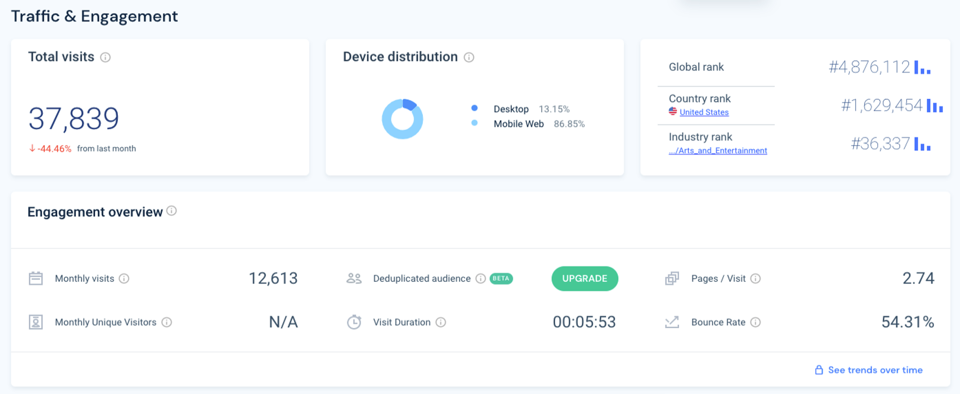
9 | Ray's team is also interested in comparing metrics of the Grammy.com website to that of their main competitor, The American Music Awards (theAMAs.com). On the right you will find a dashboard of the key metrics from The AMAs, use your findings from above to give feedback to Ray and team on which metrics are performing better / worse relative to the competition.

 | When looking at the respective data for Grammy.com and the AMAs.com, I found that each site has their ups and down. Firstly, the AMAs site only gets 12,613 visits per month while at a low point the Grammys got 17,080 vist PER DAY. The Grammys gets more visits per day then the AMAs does in once month. From "getting people on your site" standpoint. The Grammys is knocking it out of the park. I will though give the AMAs some props in the time per visit category. The AMAs is at nearly 6 minutes compared to the Grammys roughly 1.5 minute session time. AMAs is getting nearly four times the length in their session duration. I think this can be boosted by either adding more interactive content that will keep users in the site longer. At the same time this could be a good things for the Grammys if the AMAs longer time is because of slowness within the site or some other technical issue. From a pages per session standpoint. The AMAs and the Grammys are almost neck and neck. The AMAs numbers fall at 2.74 compared to the Grammys 2.25. The AMAs is still technically leading but the Grammys is close behind. Like previously mentioned, more interactive content or just more content may boost that number. Next I took a look at bounce rate, and the Grammys is doing pretty solid in that category. The bounce rate is only 40.2% compared to the AMA's 54.31% bounce rate. Lower bounce rate means more people on the site compared to the AMAs. Lastly the AMAs is getting more of a mobile web user presence at 86.85% compared to the Grammys 73.7%. While I personally wouldn't say thats a sign that the AMAs is doing "better", but it could indicated a younger audience on their site considering our generation is more of mobile device "savvy" one. If the goal is to increase the mobile device users, then I would just look and make sure your site is user friendly for mobile users and that number should go up. Overall, I think the Grammys is doing pretty well but definitely has some

LevelUp! A/B Test in Excel
 | In your calculations for Ray, you noticed that there was indeed a difference in the pages_per_session metric between the "Grammys + TRA" content and the Recording Academy Data sheet. He wants to know if that difference is statistically significant and wants you to performan an A/B Test on the results. You have been provided with the control and test numbers in the AB Testing sheet. Use those to complete the analysis below.

10a | In words, state the null hypothesis for the A/B test. |  | Hint!

 | In words, state the alternative hypothesis for the A/B test.

10b | Use the Data Analysis Toolpak to run an A/B test between the control group and test group. |  | Note!

10c | From the output of the A/B test, is there evidence at the 95% confidence level that the pages_per_session between the two websites are different? Why or Why not? Note: Pay attention to scientific notation when analyzing the results!

