USER GUIDE
MSApy Input Spreadsheet
Copyright (2020) RW
Last Updated: 2020-12-21

1.0 GETTING STARTED
 | The following spreadsheet was created to facilitate structure creation in MSApy. Each tab of this spreadsheet represent one user-input matrix.
 | Retrieve spreadsheet info by calling the excel_preprocessor function from MSApy
 |  | coord, connectivity, fixity, nodal_load, member_load, section = mp.excel_preprocessor("input.xlsx")

 | The input cells are in grey. Do not skip any lines in the "node_coord" and "connectivity" sheet
 | MSApy queries the length of data frame in these two sheets to determine size of input matrices.

 | Please note the use of this spreadsheet is completely optional. Ultimately, six user-input matrices have to be specified (refer to documentation).

2.0 ASSUMPTIONS
1.0 | Shear area of wide-flange member assumed to be area of web in major axis; 5/6 the area of flanges for minor axis
2.0 | MSApy is agnostic when it comes to units. Stay consistent for valid results
3.0 | Node ID and element ID has already been populated in column 1 as increasing integers. The user may wish to use other tags as long as the connectivity matrix
 | is entered properly. For simplicity, it is highly recommended to keep it as is.
4.0 | Global coordinate: Y correspond to elevation, X and Z correspond to plan dimension
 | Local coordinate: x is longitudinal axis. Axis z and y are major bending, and minor bending axes, respectively.
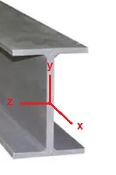

SECTION_SETS
 | This is a sheet where the user may define custom sections.
 | Set W = 0 to neglect self-weight. Alternatively, use a self-weight modifier of 0 when initializing structure
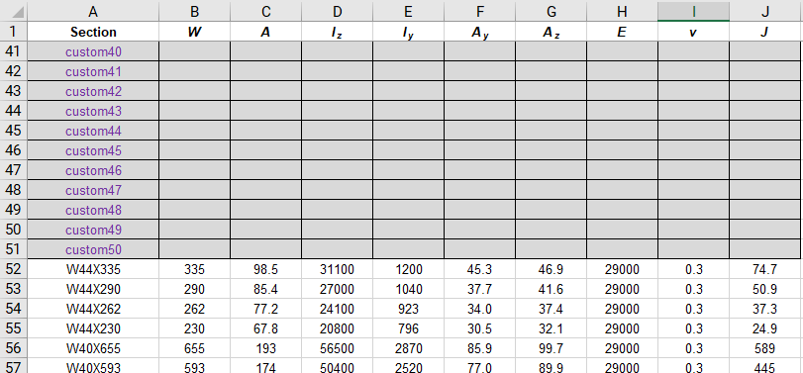

node_coord
 | Enter the x, y, z coordinate of each node
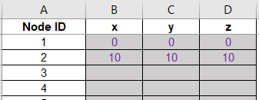

connectivity
 | Create elements.
 | i node is beginning node, j node is end node. Enter node ID in these two columns (which by default are integer values).
 | Column D and E are booleans to indicate pin or fixed ends. Input 1 for pinned, leave blank if fixed
 | Beta rotation is used to rotate the member about its longitudinal axis. Leave blank if rotation is 0. See documentation for default web-axis (y) orientation
 | Beta is entered in degrees

fixity
 | Specify boundary conditions
 | u represent displacement, θ represent rotation. Subscripts represent the global coordinate axes
 | Set = '0' for fixed, blank for free DOF, any number for prescribed displacement
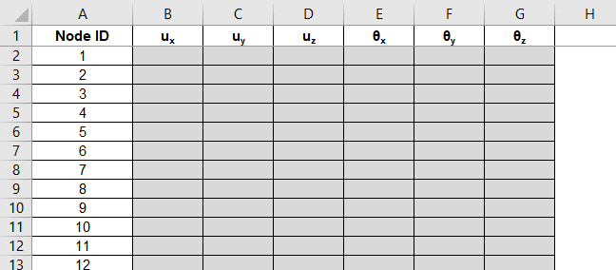

nodal_load
 | Specify concentrated loads
 | F represent a concentrated force, M represent concentrated couple. Subscript represent the global coordinate axes
 | Leave blank for no concentrated loads
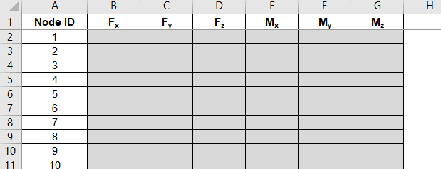

member_load
 | Specify member uniform load (body force) in force per unit length. Subscripts are in MEMBER LOCAL COORDINATE
 | wx would be distributed axial load, whereas wy, wz are distributed transverse loads causing major axis bending, and
 | minor axis bending, respectively.
 | Leave blank for no uniform loading
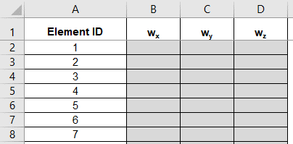

section
 | Specify which section set you would like to use for each member
 | If you've defined your custom sections properly, just change column B and the rest of the rows should automatically populate via VLOOKUP

