USER GUIDE
MSApy Input Spreadsheet
MSApy created by Robert Wang
Last Updated: 2020-10-11

1.0 GENERAL
 | This spreadsheet was created to facilitate structure creation in conjunction with MSApy. Each tab of this spreadsheet represent one user-input matrix.
 | MSApy will read tabs of this sheet that are not highlighted blue to create the structure.

 | The required input cells are highlighted grey. Please enter data line by line and do not skip any lines in the node_coord and connectivity sheet as MSApy
 | will query the data unti last line to determine size of input matrices.

 | Currently, the AISC W-shape sections are included in the "SECTION_SETS" sheet. Custom sections may be defined by the user. Replace W with 0 to
 | neglect self-weight.

 | The sheet is organized such that the user may proceed through tabs from left to right with the workflow as such:
 | 1.0 | Define custom section sets
 | 2.0 | Define nodes
 | 3.0 | Define elements
 | 4.0 | Define boundary condition
 | 5.0 | Define nodal and member loads
 | 6.0 | Assign sections to each element

 | Global coordinate: Y correspond to elevation, X and Z correspond to plan dimension

 | Local coordinate: x is longitudinal axis. Axis z and y are major bending, and minor bending axes, respectively.

2.0 ASSUMPTIONS
 | 1 | Shear area of wide-flange member assumed to be area of web in major axis; 5/6 the area of flanges for minor axis
 | 2 | MASTANpy is agnostic when it comes to units. Stay consistent for valid results. If using the built-in AISC standard shapes. Recommend using [kips,in]
 | 3 | Node ID and element ID has already been populated in column 1 as increasing integers. The user may wish to use other tags as long as the connectivity matrix
 |  | is entered properly. For simplicity, it is recommended to keep it as is.

3.0 SECTION_SETS
 | This is a sheet where the user may define custom sections
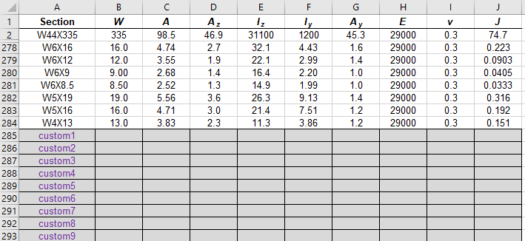

node_coord
 | Enter the x, y, z coordinate of each node
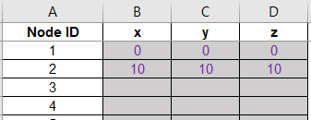

connectivity
 | Create elements
 | i node is beginning node, j node is end node. Enter node ID in these two columns (which by default are integer values)
 | Column D and E are booleans to indicate pin or fixed ends. Input 1 for pinned, leave blank if fixed
 | Beta rotation is used to rotate the member about its longitudinal axis. Leave blank if rotation is 0. See documentation for default web-axis (y) orientation
 |  | Beta is entered in degrees

fixity
 | Specify boundary conditions
 | u represent displacement, theta represent rotation. Subscripts are self-explanatory
 | set = '0' for fixed, any floating number for prescribed displacement, leave blank for free DOF
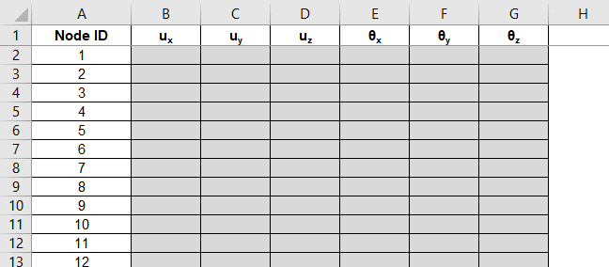

nodal_load
 | Specify nodal load
 | F represent a concentrated force, M represent concentrated couple. Subscript is self-explanatory
 | Leave blank for no loads
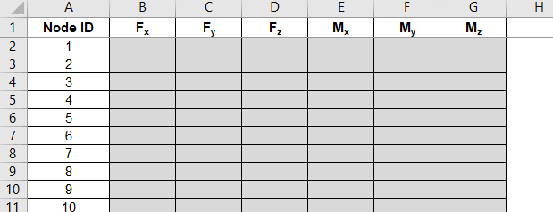

member_load
 | Specify member uniform load (body force) in force per unit length. Subscript is self-explanatory
 | wx would be distributed axial load, whereas wy, wz are distributed transverse loads causing major axis bending, and
 | minor axis bending, respectively.
 | Leave blank for no loads
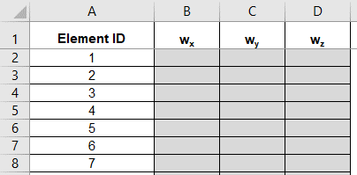

section
 | Specify which section set you would like to use for each member

Verification
