Pt 5 Data Plane Learning - F&L
r1 | r2

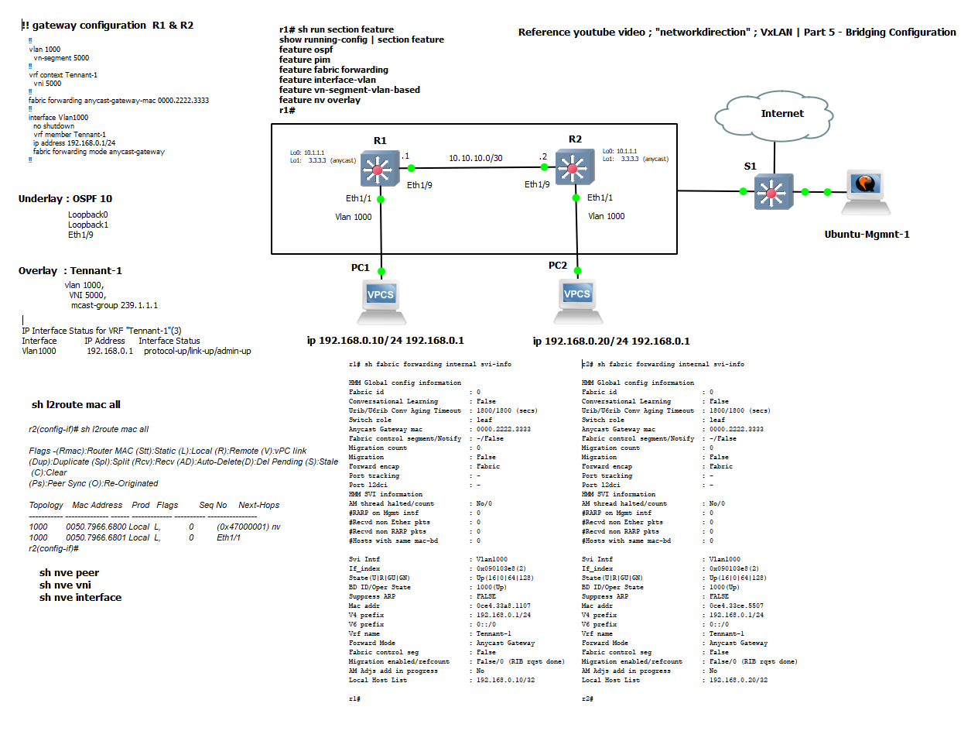
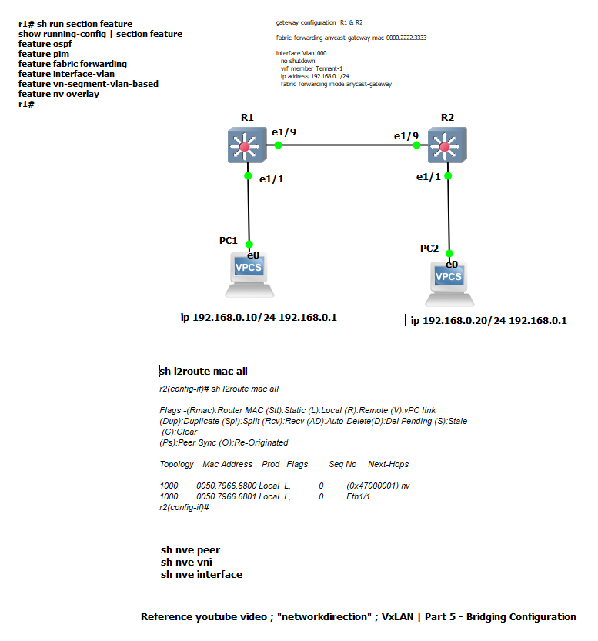
hostname r1 | hostname r2

feature ospf | feature ospf
feature pim | feature pim
feature fabric forwarding | feature fabric forwarding
feature interface-vlan | feature interface-vlan
feature vn-segment-vlan-based | feature vn-segment-vlan-based
feature nv overlay | feature nv overlay

ip domain-lookup | ip domain-lookup
ip domain-name test.net | ip domain-name test.net
crypto key param rsa label r1.test.net modulus 1024 | crypto key param rsa label r2.test.net modulus 1024

vlan 1,1000 | vlan 1,1000
fabric forwarding anycast-gateway-mac 0000.2222.3333 | fabric forwarding anycast-gateway-mac 0000.2222.3333
ip pim rp-address 3.3.3.3 group-list 224.0.0.0/4 | ip pim rp-address 3.3.3.3 group-list 224.0.0.0/4
ip pim ssm range 232.0.0.0/8 | ip pim ssm range 232.0.0.0/8
ip pim anycast-rp 3.3.3.3 10.1.1.1 | ip pim anycast-rp 3.3.3.3 10.1.1.1
ip pim anycast-rp 3.3.3.3 20.1.1.1 | ip pim anycast-rp 3.3.3.3 20.1.1.1
vlan 1000 | vlan 1000
vn-segment 5000 | vn-segment 5000

vrf context Tennant-1 | vrf context Tennant-1
vni 5000 | vni 5000
vrf context management | vrf context management

interface Vlan1 | interface Vlan1

interface Vlan1000 | interface Vlan1000
no shutdown | no shutdown
vrf member Tennant-1 | vrf member Tennant-1
ip address 192.168.0.1/24 | ip address 192.168.0.1/24
fabric forwarding mode anycast-gateway | fabric forwarding mode anycast-gateway

interface nve1 | interface nve1
no shutdown | no shutdown
source-interface loopback0 | source-interface loopback0
member vni 5000 mcast-group 239.1.1.1 | member vni 5000 mcast-group 239.1.1.1

interface Ethernet1/1 | interface Ethernet1/1
description desktop 1 | description desktop 2
switchport access vlan 1000 | switchport access vlan 1000

interface Ethernet1/9 | interface Ethernet1/9
no switchport | no switchport
ip address 10.10.10.1/30 | ip address 10.10.10.2/30
ip ospf network point-to-point | ip ospf network point-to-point
ip router ospf 10 area 0.0.0.0 | ip router ospf 10 area 0.0.0.0
ip pim sparse-mode | ip pim sparse-mode
no shutdown | no shutdown

interface mgmt0 | interface mgmt0
vrf member management | vrf member management
ip address 10.255.0.101/24 | ip address 10.255.0.102/24

interface loopback0 | interface loopback0
ip address 10.1.1.1/32 | ip address 20.1.1.1/32
ip router ospf 10 area 0.0.0.0 | ip router ospf 10 area 0.0.0.0
ip pim sparse-mode | ip pim sparse-mode

interface loopback1 | interface loopback1
ip address 3.3.3.3/32 | ip address 3.3.3.3/32
ip router ospf 10 area 0.0.0.0 | ip router ospf 10 area 0.0.0.0
ip pim sparse-mode | ip pim sparse-mode
line console | line console
line vty | line vty
boot nxos bootflash:/nxos.7.0.3.I6.1.bin | boot nxos bootflash:/nxos.7.0.3.I6.1.bin
router ospf 10 | router ospf 10

r1# sh nve int | r2# sh nve int
Interface: nve1, State: Up, encapsulation: VXLAN | Interface: nve1, State: Up, encapsulation: VXLAN
VPC Capability: VPC-VIP-Only [not-notified] | VPC Capability: VPC-VIP-Only [not-notified]
Local Router MAC: 0ce4.33a8.1107 | Local Router MAC: 0ce4.33ce.5507
Host Learning Mode: Data-Plane | Host Learning Mode: Data-Plane
Source-Interface: loopback0 (primary: 10.1.1.1, secondary: 0.0.0.0) | Source-Interface: loopback0 (primary: 20.1.1.1, secondary: 0.0.0.0)

r1# sh nve vni | r2# sh nve vni
Codes: CP - Control Plane DP - Data Plane | Codes: CP - Control Plane DP - Data Plane
UC - Unconfigured SA - Suppress ARP | UC - Unconfigured SA - Suppress ARP

Interface VNI Multicast-group State Mode Type [BD/VRF] Flags | Interface VNI Multicast-group State Mode Type [BD/VRF] Flags
--------- -------- ----------------- ----- ---- ------------------ ----- | --------- -------- ----------------- ----- ---- ------------------ -----
nve1 5000 239.1.1.1 Up DP L2 [1000] | nve1 5000 239.1.1.1 Up DP L2 [1000]

r1# sh nve peers | r2# sh nve peers
Interface Peer-IP State LearnType Uptime Router-Mac | Interface Peer-IP State LearnType Uptime Router-Mac
--------- --------------- ----- --------- -------- ----------------- | --------- --------------- ----- --------- -------- -----------------
nve1 20.1.1.1 Up DP 00:33:48 n/a | nve1 10.1.1.1 Up DP 00:35:11 n/a

r1# sh l2route mac all | r2# sh l2route mac all

Flags -(Rmac):Router MAC (Stt):Static (L):Local (R):Remote (V):vPC link | Flags -(Rmac):Router MAC (Stt):Static (L):Local (R):Remote (V):vPC link
(Dup):Duplicate (Spl):Split (Rcv):Recv (AD):Auto-Delete(D):Del Pending (S):Stale (C):Clear | (Dup):Duplicate (Spl):Split (Rcv):Recv (AD):Auto-Delete(D):Del Pending (S):Stale (C):Clear
(Ps):Peer Sync (O):Re-Originated | (Ps):Peer Sync (O):Re-Originated

Topology Mac Address Prod Flags Seq No Next-Hops | Topology Mac Address Prod Flags Seq No Next-Hops
----------- -------------- ------ ------------- ---------- ---------------- | ----------- -------------- ------ ------------- ---------- ----------------
1000 0050.7966.6800 Local L, 0 Eth1/1 | 1000 0050.7966.6800 Local L, 0 (0x47000001) nv
1000 0050.7966.6801 Local L, 0 (0x47000001) nv | 1000 0050.7966.6801 Local L, 0 Eth1/1
r1# | r2#

Draft-copy
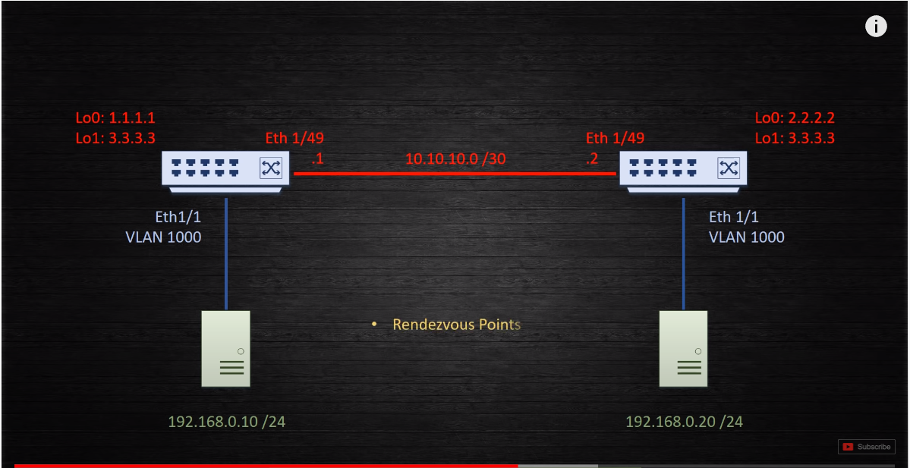
r1 | r2

!!enable Features | !!enable Features
!!set MTU | !!set MTU
!!Map VLAN to VNI | !!Map VLAN to VNI
!!routed link | !!routed link
!!host ports | !!host ports
!!loopback interfaces | !!loopback interfaces

feature ospf | feature ospf
feature pim | feature pim
feature nv overlay | feature nv overlay
feature vn-segment-vlan-based | feature vn-segment-vlan-based
feature interface-vlan | feature interface-vlan
feature fabric forwarding | feature fabric forwarding

hostname r1 | hostname r2

vrf context Tennant-1 | vrf context Tennant-1
vni 5000 | vni 5000

router ospf 10 | router ospf 10

vlan 1000 | vlan 1000
vn-segment 5000 | vn-segment 5000

system jumbomtu 9216 | system jumbomtu 9216
system routing template-vxlan-scale | system routing template-vxlan-scale

copy run start | copy run start
reload | reload

interface eth1/9 | interface eth1/9
no switchport | no switchport
ip address 10.10.10.1/30 | ip address 10.10.10.2/30
Ip router ospf 10 area 0 | Ip router ospf 10 area 0
ip pim sparse-mode | ip pim sparse-mode
ip ospf network point-to-point | ip ospf network point-to-point
no shut | no shut

int eth1/1 | int eth1/1
description desktop 1 | description desktop 2
switchport | switchport
switchport access vlan 1000 | switchport access vlan 1000
no shut | no shut

int loopback0 | int loopback0
ip address 10.1.1.1/32 | ip address 20.1.1.1/32
Ip router ospf 10 area 0 | Ip router ospf 10 area 0
ip pim sparse-mode | ip pim sparse-mode

int loopback1 | int loopback1
ip address 3.3.3.3/32 | ip address 3.3.3.3/32
Ip router ospf 10 area 0 | Ip router ospf 10 area 0
ip pim sparse-mode | ip pim sparse-mode

Rendezvous Point | Rendezvous Point
VTEP/NVE Interface | VTEP/NVE Interface

vlan 1, 1000 | vlan 1, 1000
fabric forwarding anycast-gateway-mac 0000.2222.3333 | fabric forwarding anycast-gateway-mac 0000.2222.3333

ip pim rp-address 3.3.3.3 group-list 224.0.0/4 | ip pim rp-address 3.3.3.3 group-list 224.0.0/4
ip pim anycast-rp 3.3.3.3 10.1.1.1 | ip pim anycast-rp 3.3.3.3 10.1.1.1
ip pim anycast-rp 3.3.3.3 20.1.1.1 | ip pim anycast-rp 3.3.3.3 20.1.1.1

interface nve1 | interface nve1
no shutdown | no shutdown
source-interface loopback 0 | source-interface loopback 0
member vni 5000 mcast-group 239.1.1.1 | member vni 5000 mcast-group 239.1.1.1

interface Vlan1000 | interface Vlan1000
no shutdown | no shutdown
vrf member Tennant-1 | vrf member Tennant-1
ip address 192.168.0.1/24 | ip address 192.168.0.1/24
fabric forwarding mode anycast-gateway | fabric forwarding mode anycast-gateway

!!Flood & Learn | !!Flood & Learn

show nve peers | show nve peers
sh nve vni | sh nve vni

ping loopback from desktop to populate peer table ( entires time-out | ping vrf Tennant-1 192.168.0.10 from cli to populate peer table ( entires time-out

