Pt 6 CP Learning - bgp evpn
R1 | R2 | Building configuration...
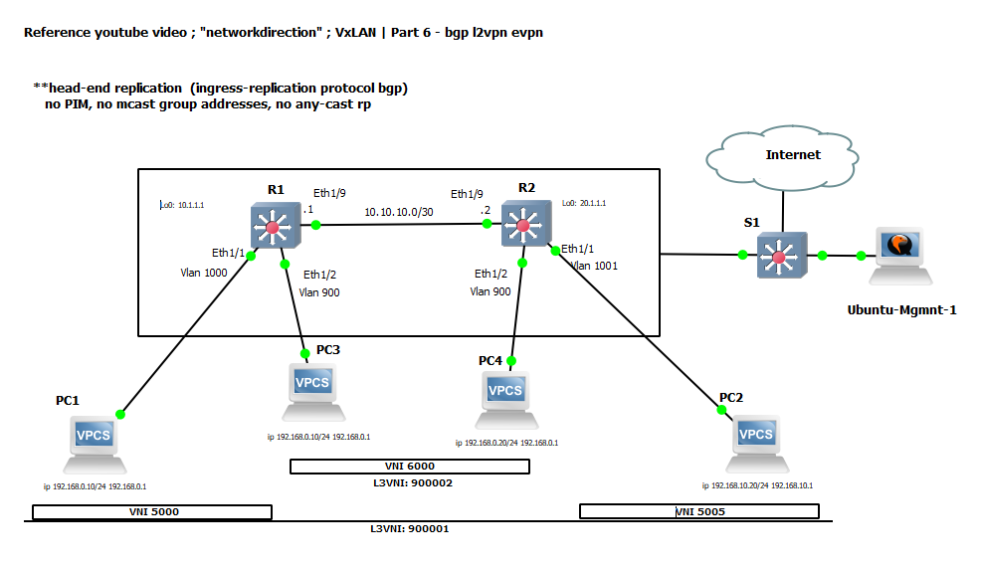
hostname r1 | hostname r2 | Current configuration : 4917 bytes
 |  | !
nv overlay evpn | nv overlay evpn | ! Last configuration change at 20:30:08 UTC Tue Feb 23 2021
feature ospf | feature ospf | !
feature bgp | feature bgp | version 15.2
feature fabric forwarding | feature fabric forwarding | service timestamps debug datetime msec
feature interface-vlan | feature interface-vlan | service timestamps log datetime msec
feature vn-segment-vlan-based | feature vn-segment-vlan-based | no service password-encryption
feature nv overlay | feature nv overlay | service compress-config
 |  | !
 |  | hostname S1
 |  | !
ip domain-lookup | ip domain-lookup | boot-start-marker
ip domain-name test.net | ip domain-name test.net | boot-end-marker
crypto key param rsa label r1.test.net modulus 1024 | crypto key param rsa label r2.test.net modulus 1024 | !
 |  | !
 |  | enable secret 5 $1$C7cG$9GtPzpRJG6v.iynKaeQ3G0
 |  | !
vlan 1,101-102,900,1000-1001 | vlan 1,101-102,900,1000-1001 | username cisco privilege 15 secret 5 $1$xE.t$CrZuQVZSnCaX8V.OyNsnW1
fabric forwarding anycast-gateway-mac 0000.2222.3333 | fabric forwarding anycast-gateway-mac 0000.2222.3333 | username admin privilege 15 secret 5 $1$cC11$4VMP1oMDER7zkvt1iJ2AI.
vlan 101 | vlan 101 | no aaa new-model
vn-segment 900001 | vn-segment 900001 | !
vlan 102 | vlan 102 | !
vn-segment 900002 | vn-segment 900002 | !
vlan 900 | vlan 900 | !
vn-segment 6000 | vn-segment 6000 | !
vlan 1000 | vlan 1000 | !
vn-segment 5000 | vn-segment 5000 | ip dhcp excluded-address 10.25.100.1
vlan 1001 | vlan 1001 | !
vn-segment 5005 | vn-segment 5005 | ip dhcp pool mgmt_segment
 |  | network 10.25.100.0 255.255.255.0
vrf context Tenant-1 | vrf context Tenant-1 | default-router 10.25.100.1
vni 900001 | vni 900001 | dns-server 1.0.0.1
rd auto | rd auto | !
address-family ipv4 unicast | address-family ipv4 unicast | !
route-target both auto | route-target both auto | ip domain-name test.net
route-target both auto evpn | route-target both auto evpn | no ip cef
vrf context Tenant-2 | vrf context Tenant-2 | no ipv6 cef
vni 900002 | vni 900002 | !
rd auto | rd auto | !
address-family ipv4 unicast | address-family ipv4 unicast | !
route-target both auto | route-target both auto | spanning-tree mode pvst
route-target both auto evpn | route-target both auto evpn | spanning-tree extend system-id
vrf context management | vrf context management | !
 |  | vlan internal allocation policy ascending
interface Vlan1 | interface Vlan1 | !
 |  | !
interface Vlan101 | interface Vlan101 | !
no shutdown | no shutdown | !
vrf member Tenant-1 | vrf member Tenant-1 | !
ip forward | ip forward | !
 |  | !
interface Vlan102 | interface Vlan102 | !
no shutdown | no shutdown | !
vrf member Tenant-2 | vrf member Tenant-2 | !
ip forward | ip forward | !
 |  | !
interface Vlan900 | interface Vlan900 | !
no shutdown | no shutdown | !
vrf member Tenant-2 | vrf member Tenant-2 | interface Loopback0
ip address 192.168.0.1/24 | ip address 192.168.0.1/24 | ip address 192.168.100.250 255.255.255.255
fabric forwarding mode anycast-gateway | fabric forwarding mode anycast-gateway | !
 |  | interface GigabitEthernet0/0
interface Vlan1000 | interface Vlan1000 | no switchport
no shutdown | no shutdown | ip address dhcp
vrf member Tenant-1 | vrf member Tenant-1 | negotiation auto
ip address 192.168.0.1/24 | ip address 192.168.0.1/24 | arp timeout 900
fabric forwarding mode anycast-gateway | fabric forwarding mode anycast-gateway | !
 |  | interface GigabitEthernet0/1
interface Vlan1001 | interface Vlan1001 | switchport access vlan 10
no shutdown | no shutdown | media-type rj45
vrf member Tenant-1 | vrf member Tenant-1 | negotiation auto
ip address 192.168.10.1/24 | ip address 192.168.10.1/24 | !
fabric forwarding mode anycast-gateway | fabric forwarding mode anycast-gateway | interface GigabitEthernet0/2
 |  | media-type rj45
interface nve1 | interface nve1 | negotiation auto
no shutdown | no shutdown | !
source-interface loopback0 | source-interface loopback0 | interface GigabitEthernet0/3
host-reachability protocol bgp | host-reachability protocol bgp | media-type rj45
member vni 5000 | member vni 5000 | negotiation auto
suppress-arp | suppress-arp | !
ingress-replication protocol bgp | ingress-replication protocol bgp | interface GigabitEthernet1/0
member vni 5005 | member vni 5005 | no switchport
suppress-arp | suppress-arp | ip address 10.255.0.1 255.255.0.0
ingress-replication protocol bgp | ingress-replication protocol bgp | ip nat outside
member vni 6000 | member vni 6000 | negotiation auto
suppress-arp | suppress-arp | !
ingress-replication protocol bgp | ingress-replication protocol bgp | interface GigabitEthernet1/1
member vni 900001 associate-vrf | member vni 900001 associate-vrf | media-type rj45
member vni 900002 associate-vrf | member vni 900002 associate-vrf | negotiation auto
 |  | !
interface Ethernet1/1 | interface Ethernet1/1 | interface GigabitEthernet1/2
description desktop 1 | description desktop 2 | media-type rj45
switchport access vlan 1000 | switchport access vlan 1001 | negotiation auto
 |  | !
interface Ethernet1/2 | interface Ethernet1/2 | interface GigabitEthernet1/3
description desktop 1 | description desktop 2 | media-type rj45
switchport access vlan 900 | switchport access vlan 900 | negotiation auto
 |  | !
interface Ethernet1/3 | interface Ethernet1/3 | interface GigabitEthernet2/0
 |  | media-type rj45
interface Ethernet1/4 | interface Ethernet1/4 | negotiation auto
 |  | !
interface Ethernet1/5 | interface Ethernet1/5 | interface GigabitEthernet2/1
 |  | media-type rj45
interface Ethernet1/6 | interface Ethernet1/6 | negotiation auto
 |  | !
interface Ethernet1/7 | interface Ethernet1/7 | interface GigabitEthernet2/2
 |  | media-type rj45
interface Ethernet1/8 | interface Ethernet1/8 | negotiation auto
 |  | !
interface Ethernet1/9 | interface Ethernet1/9 | interface GigabitEthernet2/3
no switchport | no switchport | media-type rj45
ip address 10.10.10.1/30 | ip address 10.10.10.2/30 | negotiation auto
ip ospf network point-to-point | ip ospf network point-to-point | !
ip router ospf 10 area 0.0.0.0 | ip router ospf 10 area 0.0.0.0 | interface GigabitEthernet3/0
no shutdown | no shutdown | media-type rj45
 |  | negotiation auto
 |  | !
interface mgmt0 | interface mgmt0 | interface GigabitEthernet3/1
vrf member management | vrf member management | media-type rj45
ip address 10.255.0.101/24 | ip address 10.255.0.102/24 | negotiation auto
 |  | !
interface loopback0 | interface loopback0 | interface GigabitEthernet3/2
ip address 10.1.1.1/32 | ip address 20.1.1.1/32 | media-type rj45
ip router ospf 10 area 0.0.0.0 | ip router ospf 10 area 0.0.0.0 | negotiation auto
line console | line console | !
line vty | line vty | interface GigabitEthernet3/3
boot nxos bootflash:/nxos.7.0.3.I6.1.bin | boot nxos bootflash:/nxos.7.0.3.I6.1.bin | media-type rj45
router ospf 10 | router ospf 10 | negotiation auto
log-adjacency-changes | log-adjacency-changes | !
router bgp 65535 | router bgp 65535 | interface Vlan10
router-id 10.1.1.1 | router-id 20.1.1.1 | ip address 10.25.100.1 255.255.255.0
neighbor 20.1.1.1 | neighbor 10.1.1.1 | ip nat inside
remote-as 65535 | remote-as 65535 | ip tcp adjust-mss 1360
update-source loopback0 | update-source loopback0 | arp timeout 900
address-family l2vpn evpn | address-family l2vpn evpn | !
send-community | send-community | ip nat pool mgmt_10_255 10.255.0.10 10.255.0.20 prefix-length 24
send-community extended | send-community extended | ip nat inside source list 1 pool mgmt_10_255
vrf Tenant-1 | vrf Tenant-1 | ip forward-protocol nd
address-family ipv4 unicast | address-family ipv4 unicast | !
advertise l2vpn evpn | advertise l2vpn evpn | no ip http server
evpn | evpn | no ip http secure-server
vni 5000 l2 | vni 5000 l2 | !
rd auto | rd auto | ip route 0.0.0.0 0.0.0.0 GigabitEthernet0/0 192.168.240.2
route-target import auto | route-target import auto | !
route-target export auto | route-target export auto | !
vni 5005 l2 | vni 5005 l2 | access-list 1 permit 10.25.100.0 0.0.0.255
rd auto | rd auto | access-list 1 permit any log
route-target import auto | route-target import auto | access-list 1 remark ==============================
route-target export auto | route-target export auto | access-list 1 remark IP Addressing | Nat Configuration
vni 6000 l2 | vni 6000 l2 | access-list 1 remark https://www.cisco.com/c/en/us/td/docs/ios-xml/ios/ipaddr_nat/configuration/
rd auto | rd auto | access-list 1 remark 12-4t/nat-12-4t-book/iadnat-addr-consv.html
route-target import auto | route-target import auto | access-list 1 remark ===============================
route-target export auto | route-target export auto | access-list 1 remark ===============================/
 |  | access-list 1 remark no ip cef, no ip routing
 |  | access-list 1 remark ==============================/
 |  | !
 |  | !
 |  | !
 |  | control-plane
 |  | !
 |  | banner exec ^C
 |  | **************************************************************************
 |  | * IOSv is strictly limited to use for evaluation, demonstration and IOS *
 |  | * education. IOSv is provided as-is and is not supported by Cisco's *
 |  | * Technical Advisory Center. Any use or disclosure, in whole or in part, *
 |  | * of the IOSv Software or Documentation to any third party for any *
 |  | * purposes is expressly prohibited except as otherwise authorized by *
 |  | * Cisco in writing. *
 |  | **************************************************************************^C
 |  | banner incoming ^C
 |  | **************************************************************************
 |  | * IOSv is strictly limited to use for evaluation, demonstration and IOS *
 |  | * education. IOSv is provided as-is and is not supported by Cisco's *
 |  | * Technical Advisory Center. Any use or disclosure, in whole or in part, *
 |  | * of the IOSv Software or Documentation to any third party for any *
 |  | * purposes is expressly prohibited except as otherwise authorized by *
 |  | * Cisco in writing. *
 |  | **************************************************************************^C
 |  | banner login ^C
 |  | **************************************************************************
 |  | * IOSv is strictly limited to use for evaluation, demonstration and IOS *
 |  | * education. IOSv is provided as-is and is not supported by Cisco's *
 |  | * Technical Advisory Center. Any use or disclosure, in whole or in part, *
 |  | * of the IOSv Software or Documentation to any third party for any *
 |  | * purposes is expressly prohibited except as otherwise authorized by *
 |  | * Cisco in writing. *
 |  | **************************************************************************^C
 |  | !
 |  | line con 0
 |  | line aux 0
 |  | line vty 0 4
 |  | password cisco
 |  | login local
 |  | transport input telnet ssh
 |  | !
 |  | !
 |  | end

Draft
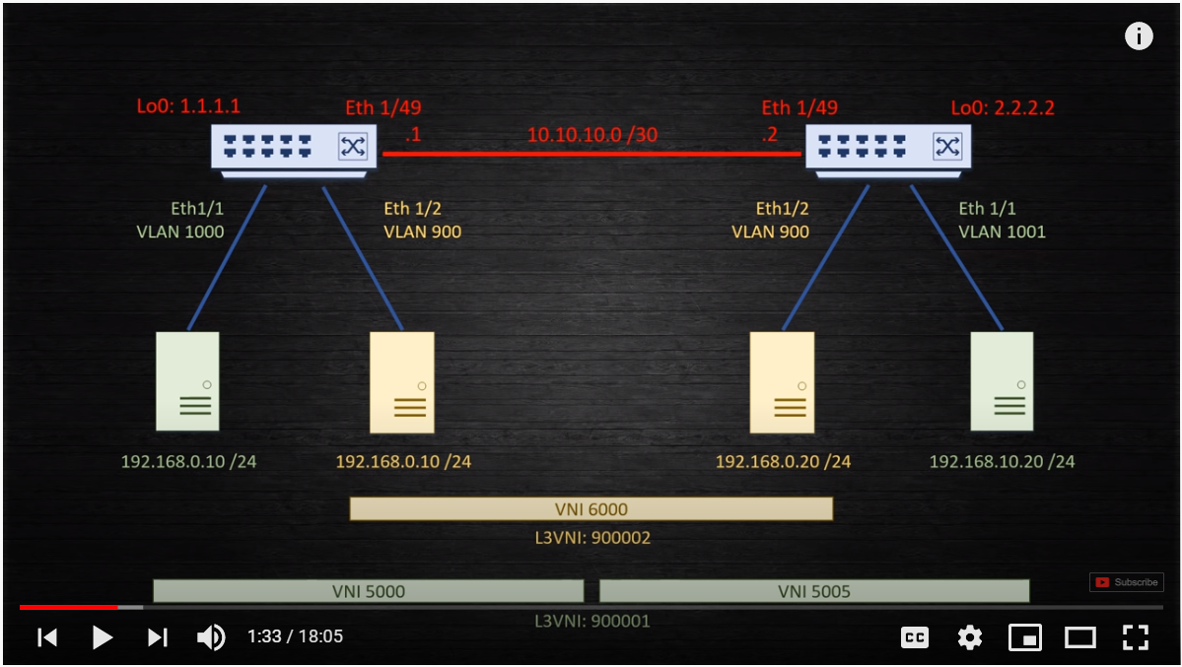
r1 | r2

hostname r1 | hostname r2

feature ospf | feature ospf
feature bgp | feature bgp
feature fabric forwarding | feature fabric forwarding
feature interface-vlan | feature interface-vlan
feature vn-segment-vlan-based | feature vn-segment-vlan-based
feature nv overlay | feature nv overlay
nv overlay evpn | nv overlay evpn

ip domain-lookup | ip domain-lookup
ip domain-name test.net | ip domain-name test.net
crypto key param rsa label r1.test.net modulus 1024 | crypto key param rsa label r2.test.net modulus 1024

vlan 1, 900, 1000, 1001 | vlan 1, 900, 1000, 1001

fabric forwarding anycast-gateway-mac 0000.2222.3333 | fabric forwarding anycast-gateway-mac 0000.2222.3333

interface nve1 | interface nve1
no shutdown | no shutdown
source-interface loopback0 | source-interface loopback0
host-reachability protocol bgp | host-reachability protocol bgp

router bgp 65535 | router bgp 65535
router-id 10.1.1.1 | router-id 20.1.1.1
neighbor 20.1.1.1 remote-as 65535 | neighbor 10.1.1.1 remote-as 65535
update-source Loopback0 | update-source Loopback0
address-family l2vpn evpn | address-family l2vpn evpn
send-community both | send-community both

interface Vlan1 | interface Vlan1

vlan 101 | vlan 101 |  | L3VNI
vn-segment 900001 | vn-segment 900001 | L3VNI, enable routing between, L2VNI's locally | VRF
 |  |  | RD & RT
vrf context Tenant-1 | vrf context Tenant-1 |  | VTEPS
vni 900001 | vni 900001 |  | ARP Suppression
rd auto | rd auto |  | Head-end Replication
address-family ipv4 unicast | address-family ipv4 unicast |  | Anycast Gateway
route-target both auto | route-target both auto |  | EVPN
route-target both auto evpn | route-target both auto evpn

vrf context management | vrf context management

interface Vlan101 | interface Vlan101
no shutdown | no shutdown
vrf member Tenant-1 | vrf member Tenant-1
ip forward | ip forward

interface nve1 | interface nve1
member vni 5000 | member vni 5000
suppress-arp | suppress-arp
ingress-replication protocol bgp | ingress-replication protocol bgp
member vni 900001 associate-vrf | member vni 900001 associate-vrf

router bgp 65535 | router bgp 65535
vrf Tenant-1 | vrf Tenant-1
address-family ipv4 unicast | address-family ipv4 unicast
advertise l2vpn evpn | advertise l2vpn evpn | !!for external routes

vlan 1000 | vlan 1000
vn-segment 5000 | vn-segment 5000

interface Vlan1000 | interface Vlan1000
no shutdown | no shutdown
vrf member Tenant-1 | vrf member Tenant-1
ip address 192.168.0.1/24 | ip address 192.168.0.1/24
fabric forwarding mode anycast-gateway | fabric forwarding mode anycast-gateway

evpn | evpn
vni 5000 l2 | vni 5000 l2
rd auto | rd auto
route-target import auto | route-target import auto
route-target export auto | route-target export auto

vlan 1001 | vlan 1001
vn-segment 5005 | vn-segment 5005

interface Vlan1001 | interface Vlan1001
no shutdown | no shutdown
vrf member Tenant-1 | vrf member Tenant-1
ip address 192.168.10.1/24 | ip address 192.168.10.1/24
fabric forwarding mode anycast-gateway | fabric forwarding mode anycast-gateway

interface nve1 | interface nve1
member vni 5005 | member vni 5005
suppress-arp | suppress-arp
ingress-replication protocol bgp | ingress-replication protocol bgp

evpn | evpn
vni 5005 l2 | vni 5005 l2
rd auto | rd auto
route-target import auto | route-target import auto
route-target export auto | route-target export auto

interface Ethernet1/1 | interface Ethernet1/1
description desktop 1 | description desktop 2
switchport access vlan 1000 | switchport access vlan 1000

interface Ethernet1/9 | interface Ethernet1/9
no switchport | no switchport
ip address 10.10.10.1/30 | ip address 10.10.10.2/30
ip ospf network point-to-point | ip ospf network point-to-point
ip router ospf 10 area 0.0.0.0 | ip router ospf 10 area 0.0.0.0

no shutdown | no shutdown

interface mgmt0 | interface mgmt0
vrf member management | vrf member management
ip address 10.255.0.101/24 | ip address 10.255.0.102/24

interface loopback0 | interface loopback0
ip address 10.1.1.1/32 | ip address 20.1.1.1/32
ip router ospf 10 area 0.0.0.0 | ip router ospf 10 area 0.0.0.0

line console | line console
line vty | line vty
boot nxos bootflash:/nxos.7.0.3.I6.1.bin | boot nxos bootflash:/nxos.7.0.3.I6.1.bin

router ospf 10 | router ospf 10
log-adjacency-changes | log-adjacency-changes

vrf context Tenant-2 | vrf context Tenant-2
vni 900002 | vni 900002
rd auto | rd auto
address-family ipv4 unicast | address-family ipv4 unicast
route-target both auto | route-target both auto
route-target both auto evpn | route-target both auto evpn

vlan 102 | vlan 102
vn-segment 900002 | vn-segment 900002

interface Vlan102 | interface Vlan102
no shutdown | no shutdown
vrf member Tenant-2 | vrf member Tenant-2
ip forward | ip forward

vlan 900 | vlan 900
vn-segment 6000 | vn-segment 6000

interface Vlan900 | interface Vlan900
no shutdown | no shutdown
vrf member Tenant-2 | vrf member Tenant-2
ip address 192.168.0.1/24 | ip address 192.168.0.1/24
fabric forwarding mode anycast-gateway | fabric forwarding mode anycast-gateway

interface Ethernet1/2 | interface Ethernet1/2
description desktop 1 | description desktop 2
switchport access vlan 900 | switchport access vlan 900

interface nve1 | interface nve1
member vni 900002 associate-vrf | member vni 900002 associate-vrf
member vni 6000 | member vni 6000
suppress-arp | suppress-arp
ingress-replication protocol bgp | ingress-replication protocol bgp

evpn | evpn
vni 6000 l2 | vni 6000 l2
rd auto | rd auto
route-target import auto | route-target import auto
route-target export auto | route-target export auto

