IOSv_IOSvL2_SSH2
MgmtNET |  | VRFNET | MPLSNET | MPLS-EDGE
Building configuration... |  |  |  |  | Before | NEXT

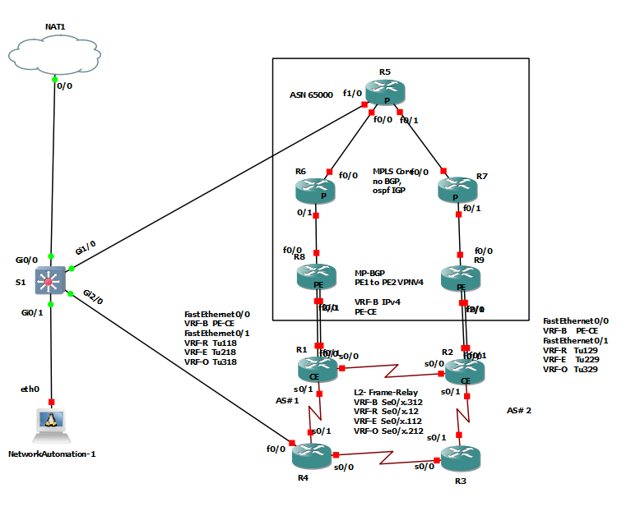
Current configuration : 315442 bytes
! |  |  |  |  |  | In Progress
! Last configuration change at 22:06:47 UTC Wed Dec 9 2020 by cisco
! |  |  |  |  |  | 1. L3 VPN
version 15.2 |  |  |  |  |  | R1, R2 add BGPtoR8,R9
service timestamps debug datetime msec |  |  |  |  |  | for IGP/ REO vrf protocols
service timestamps log datetime msec
no service password-encryption |  |  |  |  |  | or build EW tunnels in MPLSNET
service compress-config
! |  |  |  |  |  | IGPs overr the WAN ?
hostname S1
! |  |  |  |  |  | 2. L2VPN
boot-start-marker
boot-end-marker
!
!
enable secret 5 $1$WCn3$SXINwqyJnbGpcnvaAXj0E. |  |  |  |  |  | 3. MDT
!
username cisco privilege 15 secret 5 $1$CtEF$xdJoEu5OboBASNn9On3o30
no aaa new-model |  |  |  |  |  | 4.vtep
!
!
!
!
!
!
ip dhcp excluded-address 10.25.100.1
!
ip dhcp pool mgmt_segment
network 10.25.100.0 255.255.255.0
default-router 10.25.100.1
dns-server 1.0.0.1
!
!
ip domain-name gns3.ios
ip cef |  |  |  |  | After
no ipv6 cef
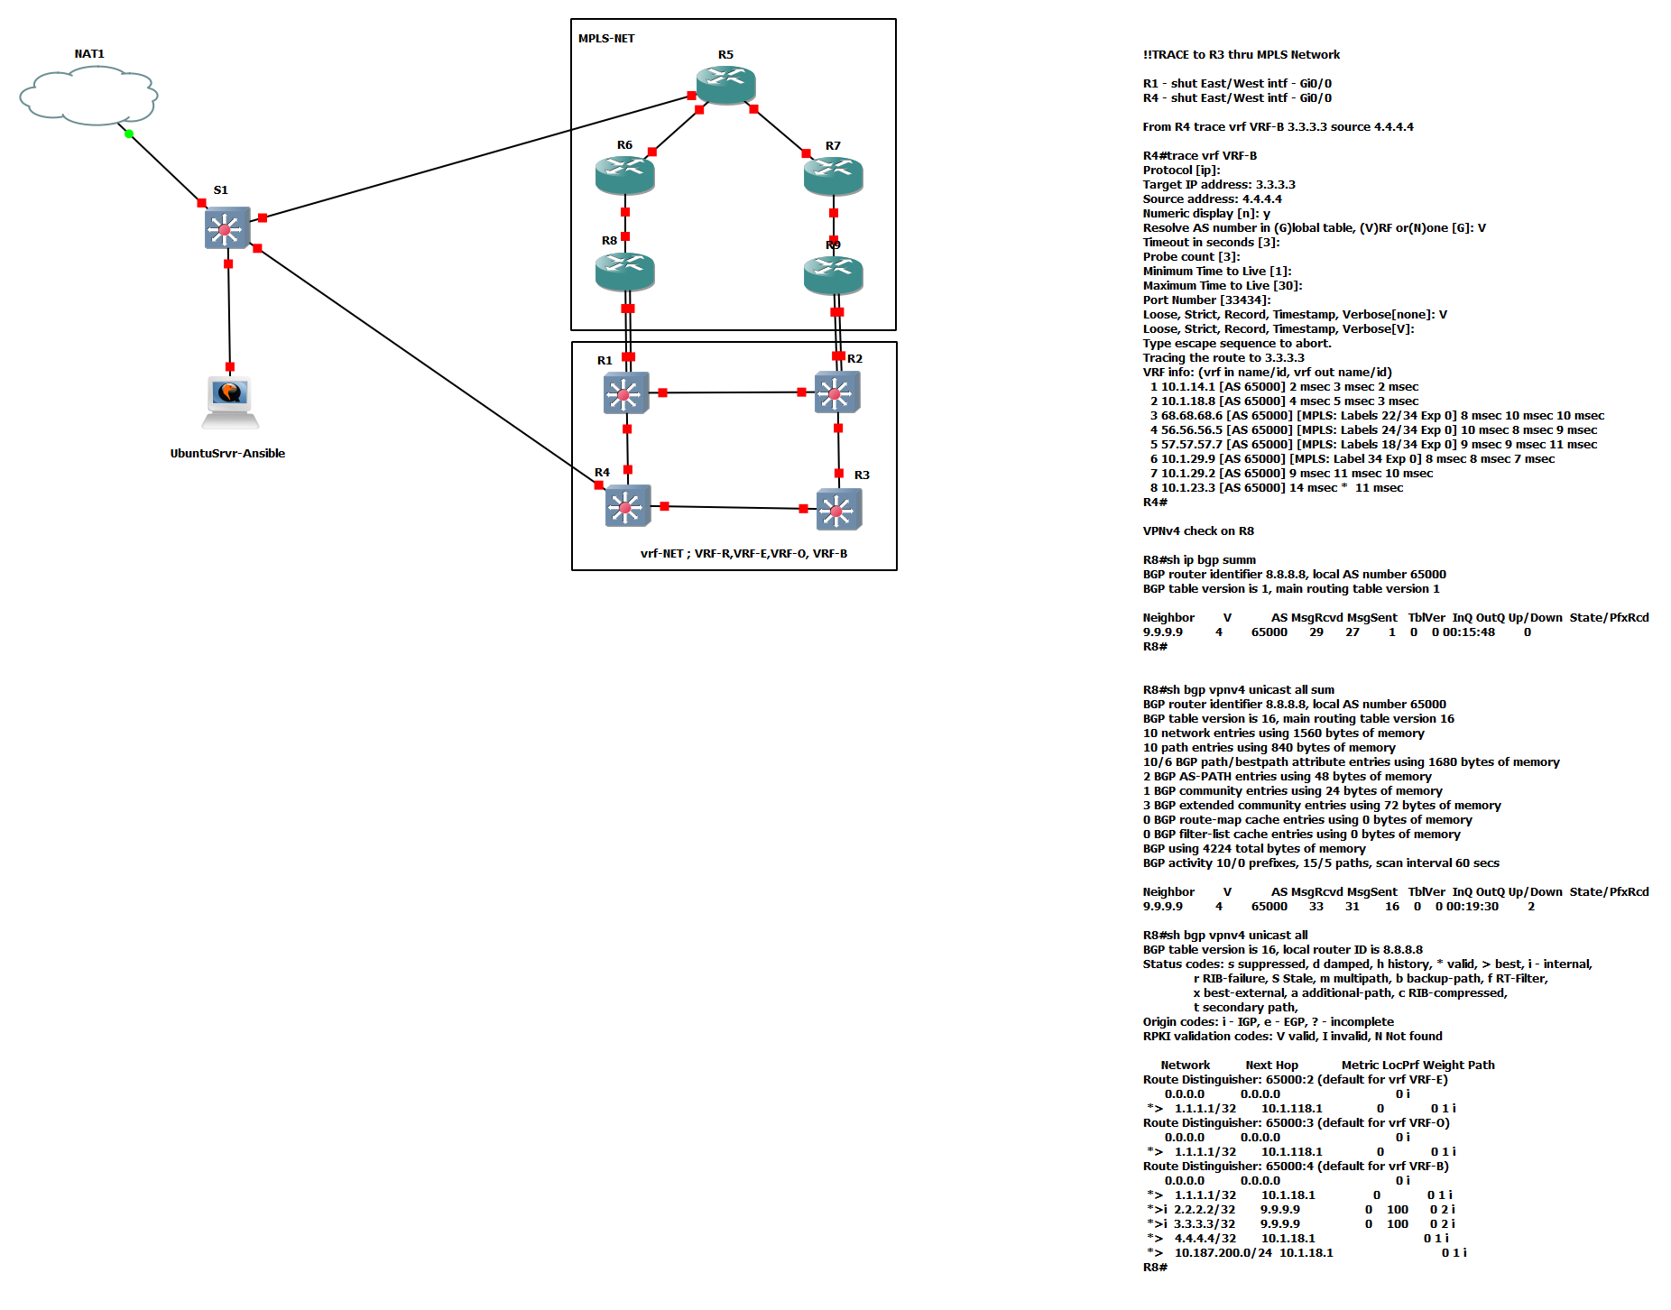
!
!
!
spanning-tree mode pvst
spanning-tree extend system-id
!
vlan internal allocation policy ascending
!
!
!
!
!
!
!
!
!
!
!
!
!
!
interface Loopback0
ip address 192.168.100.250 255.255.255.255
!
interface GigabitEthernet0/0
no switchport
ip address dhcp
negotiation auto
arp timeout 900
!
interface GigabitEthernet0/1
switchport access vlan 10 |  |  |  | mpls ip propagate-ttl
media-type rj45 |  |  |  | Syntax Description
negotiation auto |  |  |  | forwarded
! |  |  |  | local
interface GigabitEthernet0/2
media-type rj45
negotiation auto
!
interface GigabitEthernet0/3
media-type rj45
negotiation auto
!
interface GigabitEthernet1/0
no switchport
ip address 10.25.150.2 255.255.255.254
negotiation auto
!
interface GigabitEthernet1/1
media-type rj45
negotiation auto
!
interface GigabitEthernet1/2
media-type rj45
negotiation auto
!
interface GigabitEthernet1/3
media-type rj45
negotiation auto
!
interface GigabitEthernet2/0
no switchport
ip address 10.25.140.2 255.255.255.254
negotiation auto
!
interface GigabitEthernet2/1
media-type rj45
negotiation auto
!
interface GigabitEthernet2/2
media-type rj45
negotiation auto
!
interface GigabitEthernet2/3
media-type rj45
negotiation auto
!
interface GigabitEthernet3/0
media-type rj45
negotiation auto
!
interface GigabitEthernet3/1
media-type rj45
negotiation auto
!
interface GigabitEthernet3/2
media-type rj45
negotiation auto
!
interface GigabitEthernet3/3
media-type rj45
negotiation auto
!
interface Vlan10
ip address 10.25.100.1 255.255.255.0
ip tcp adjust-mss 1360
arp timeout 900
!
ip forward-protocol nd
!
no ip http server
no ip http secure-server
!
ip route 0.0.0.0 0.0.0.0 GigabitEthernet0/0 192.168.240.2
ip route 1.1.1.1 255.255.255.255 10.25.140.3 100
ip route 1.1.1.1 255.255.255.255 10.25.150.3 200
ip route 2.2.2.2 255.255.255.255 10.25.140.3 100
ip route 2.2.2.2 255.255.255.255 10.25.150.3 200
ip route 3.3.3.3 255.255.255.255 10.25.140.3 100
ip route 3.3.3.3 255.255.255.255 10.25.150.3 200
ip route 4.4.4.4 255.255.255.255 10.25.140.3 100
ip route 4.4.4.4 255.255.255.255 10.25.150.3 200
ip route 5.5.5.5 255.255.255.255 10.25.150.3 100
ip route 5.5.5.5 255.255.255.255 10.25.140.3 200
ip route 6.6.6.6 255.255.255.255 10.25.150.3 100
ip route 6.6.6.6 255.255.255.255 10.25.140.3 200
ip route 7.7.7.7 255.255.255.255 10.25.150.3 100
ip route 7.7.7.7 255.255.255.255 10.25.140.3 200
ip route 8.8.8.8 255.255.255.255 10.25.150.3 100
ip route 8.8.8.8 255.255.255.255 10.25.140.3 200
ip route 9.9.9.9 255.255.255.255 10.25.150.3 100
ip route 9.9.9.9 255.255.255.255 10.25.140.3 200
!
!
!
!
!
control-plane
!
banner exec ^C
**************************************************************************
* IOSv is strictly limited to use for evaluation, demonstration and IOS *
* education. IOSv is provided as-is and is not supported by Cisco's *
* Technical Advisory Center. Any use or disclosure, in whole or in part, *
* of the IOSv Software or Documentation to any third party for any *
* purposes is expressly prohibited except as otherwise authorized by *
* Cisco in writing. *
**************************************************************************^C
banner incoming ^C
**************************************************************************
* IOSv is strictly limited to use for evaluation, demonstration and IOS *
* education. IOSv is provided as-is and is not supported by Cisco's *
* Technical Advisory Center. Any use or disclosure, in whole or in part, *
* of the IOSv Software or Documentation to any third party for any *
* purposes is expressly prohibited except as otherwise authorized by *
* Cisco in writing. *
**************************************************************************^C
banner login ^C
**************************************************************************
* IOSv is strictly limited to use for evaluation, demonstration and IOS *
* education. IOSv is provided as-is and is not supported by Cisco's *
* Technical Advisory Center. Any use or disclosure, in whole or in part, *
* of the IOSv Software or Documentation to any third party for any *
* purposes is expressly prohibited except as otherwise authorized by *
* Cisco in writing. *
**************************************************************************^C
!
line con 0
line aux 0
line vty 0 4
password cisco
login local
!
!
end

 | quit

 | quit

 | quit

 | quit

 | quit

 | quit

 | quit

 | quit

 | quit

 | quit

 | quit

 | quit

 | quit

 | quit

 | quit

 | quit

 | quit

 | quit

 | quit

 | quit

 | quit

 | quit

 | quit

 | quit

 | quit

 | quit

 | quit

 | quit

 | quit

 | quit

 | quit

 | quit

 | quit

 | quit

 | quit

 | quit

 | quit

 | quit

 | quit

 | quit

 | quit

 | quit

 | quit

 | quit

 | quit

 | quit

 | quit

 | quit

 | quit

 | quit

 | quit

 | quit

 | quit

 | quit

 | quit

 | quit

 | quit

 | quit

 | quit

 | quit

 | quit

 | quit

 | quit

 | quit

 | quit

 | quit

 | quit

 | quit

 | quit

 | quit

 | quit

 | quit

 | quit

 | quit

 | quit

 | quit

 | quit

 | quit

 | quit

 | quit

 | quit

 | quit

 | quit

 | quit

 | quit

 | quit

 | quit

 | quit

 | quit

 | quit

 | quit

 | quit

 | quit

 | quit

 | quit

 | quit

 | quit

 | quit

 | quit

 | quit

 | quit

 | quit

 | quit

 | quit

 | quit

 | quit

 | quit

 | quit

Diagram
