vxlan -Leaf_Spine
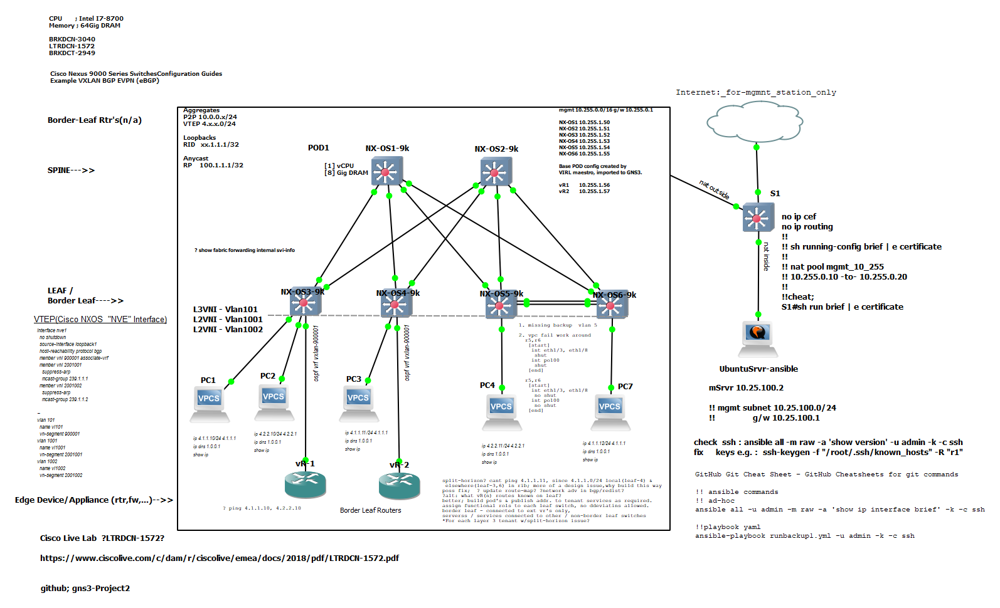
Spine | Leaf | Mgmnt | Edge-Border-Routers

Sheet1
