Overview
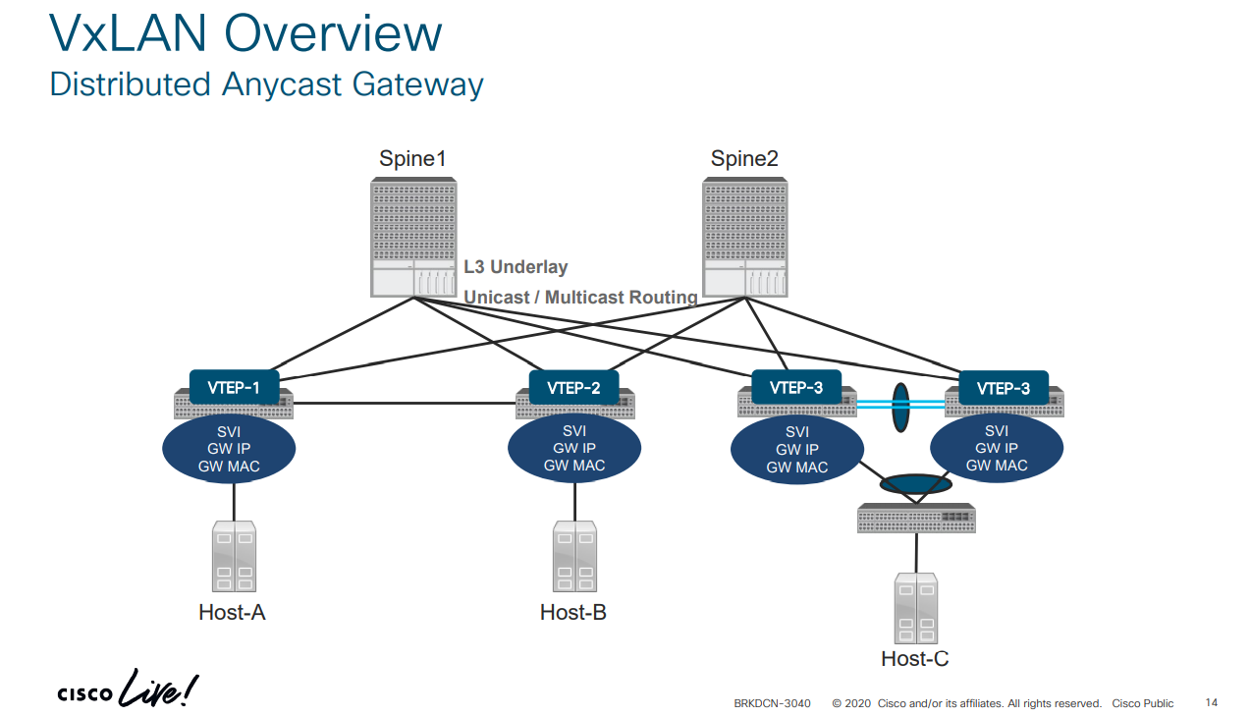
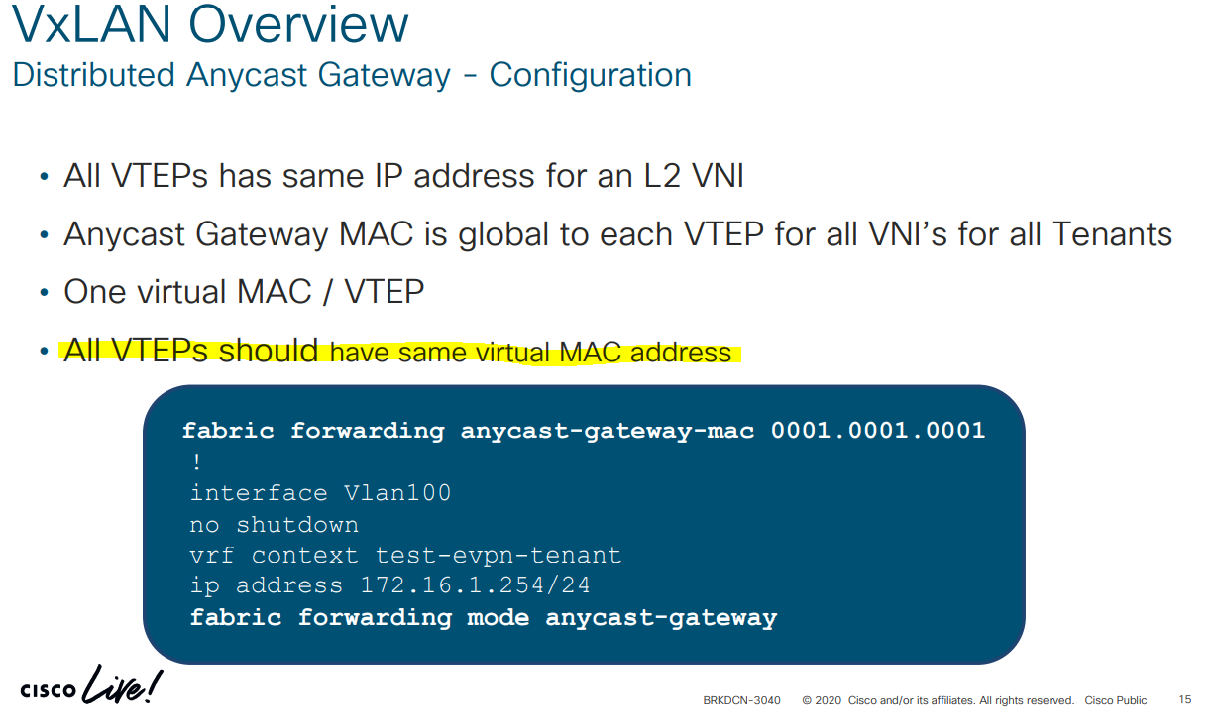

Sample Config
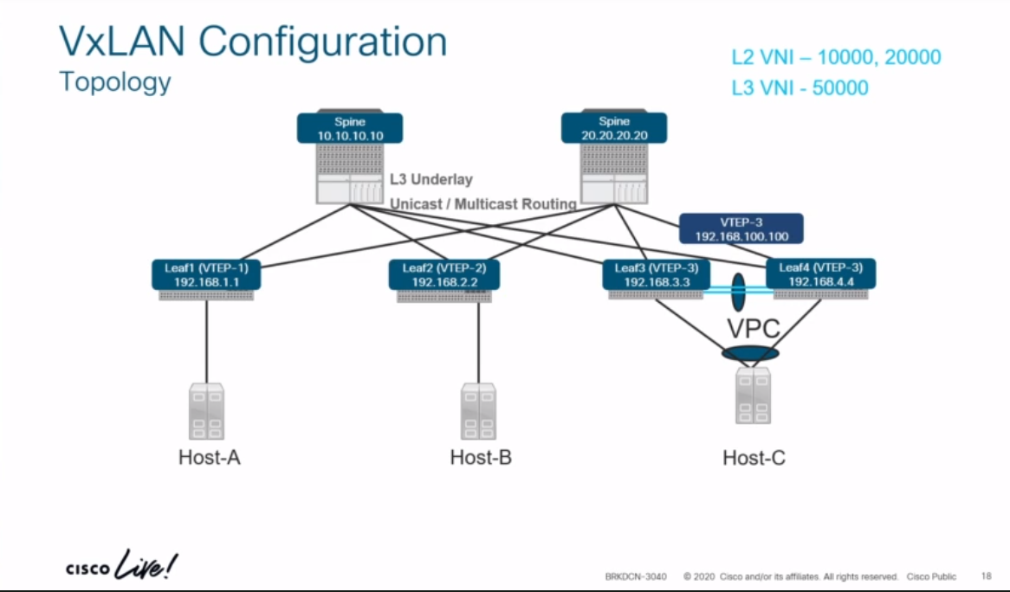
PPT (ciscolive.com) |  |  |  |  | https://www.ciscolive.com/c/dam/r/ciscolive/emea/docs/2020/pdf/BRKDCN-3040.pdf
L2 VNI |  | 10000, 20000
L3 VNI |  | 50000

 |  | feature telnet
 |  | feature ospf
BGP |  | feature bgp
PIM/Mcast Core |  | feature pim
SVI(Leaf Only) |  | feature interface-vlan | not on spine
Map VLAN to VNI (Leaf Only) |  | feature vn-segment-vlan-based | not on spine
VxLAN Overlay |  | feature nv overlay
enable EVPN AFI |  | nv overlay evpn

 |  | Leaf1 | Spine1
Underlay BGP Configuration |  | router bgp 65000 | router bgp 65001
2/3-AS Nexus POD |  | router-id 192.168.1.1 | router-id 192.168.10.10
multi-AS design eBGP
"disable-peer-as-check" |  | address-family ipv4 unicast | address-family ipv4 unicast
 |  | network 1.1.1.1/32 | network 10.10.10.10/32
VxLAN Tunnel End-point | VTEP-1 | network 192.168.1.1/32 | network 192.168.10.10/32

 |  | address-family l2vpn evpn | address-family l2vpn evpn
 |  |  | nexthop route-map permit-all
 |  |  | retain route-target-all
 |  | neighbor 10.1.101.10 | neighbor 10.1.201.1
 |  | remote-as 65001 | remote-as 65000

 |  | address-family ipv4 unicast | address-family ipv4 unicast
 |  | allowas-in 3 | allowas-in 3
 |  | disable-peer-as-check | disable-peer-as-check
 |  | neighbor 10.1.201.20 | neighbor 10.1.202.2
 |  | remote-as 65001 | remote-as 65000

 |  | address-family ipv4 unicast | address-family ipv4 unicast
 |  | allowas-in 3 | allowas-in 3
 |  | disable-peer-as-check | disable-peer-as-check

L2 VNI |  | vlan 100 | interface loopback0
 |  | vn-segment 10000 | ip address 192.168.10.10/32
 |  | ! Create L2 VNI | ip pim sparse-mode
 |  | evpn | !
 |  | vni 10000 l2 | interface loopback1
 |  | rd 10000:1 | ip address 192.168.50.50/32
 |  | route-target import 10000:1 | ip pim sparse-mode
 |  | route-target export 10000:1 | !
 |  | ! | ip pim rp-add 192.168.50.50 group-list 239.1.1.0/24
 |  | interface nve1 | ip pim anycast-rp 192.168.50.50 192.168.10.10
 |  | no shutdown | ip pim anycast-rp 192.168.50.50 192.168.20.20
 |  | source-interface loopback0 | !
non -"Flood & Learn Mode - VxLAN" |  | host-reachability protocol bgp
 |  | member vni 10000
 |  | ingress-replication protocol bgp | router bgp 65001
under every svi -->> |  | fabric forwarding anycast-gateway-mac 0001.0001.0001 | address-family l2vpn evpn
 |  | interface Vlan100 | nexthop route-map permitall
 |  | no shutdown | retain route-target all | required, default bgp behavior is dropped, retain & forward instead.
 |  | vrf member EVPN-TENANT | neighbor 1.1.1.1
 |  | ip address 100.1.1.254/24 | remote-as 65000
 |  | fabric forwarding mode anycast-gateway | update-source loopback0
 |  | ! | ebgp-multihop 3
 |  | router bgp 65000 | address-family l2vpn evpn
 |  | neighbor 10.10.10.10 | disable-peer-as-check
 |  | remote-as 65001 | send-community extended
 |  | update-source loopback0 | route-map permitall out
 |  | ebgp-multihop 3 | neighbor 2.2.2.2
 |  | address-family l2vpn evpn | remote-as 65000
 |  | allowas-in 3 | update-source loopback0
 |  | disable-peer-as-check | ebgp-multihop 3
 |  | send-community extended | address-family l2vpn evpn
 |  | vrf EVPN-TENANT | disable-peer-as-check
 |  | address-family ipv4 unicast | send-community extended
 |  | advertise l2vpn evpn | route-map permitall out
 |  |  | !
L3 VNI |  | vlan 500 | route-map permitall permit 10
 |  | vn-segment 50000 | set ip next-hop unchanged | required, original NH cannot be dropped /re-written
 |  | !
 |  | vrf context EVPN-TENANT
 |  | vni 50000
 |  | rd 50000:1
 |  | address-family ipv4 unicast
 |  | route-target import 20000:1
 |  | route-target import 20000:1 evpn
 |  | route-target export 20000:1
 |  | route-target export 20000:1 evpn
 |  | !
 |  | interface Vlan500
 |  | no shutdown
 |  | vrf member EVPN-TENANT
 |  | ip forward
 |  | interface nve1
 |  | no shutdown
 |  | source-interface loopback0
 |  | host-reachability protocol bgp
 |  | member vni 50000 associate-vrf
 |  | !
 |  | interface loopback200
 |  | vrf member EVPN-TENANT
 |  | ip address 200.1.1.1/32
 |  | !
 |  | router bgp 65000
 |  | vrf EVPN-TENANT
 |  | address-family ipv4 unicast
 |  | network 200.1.1.1/32
 |  | advertise l2vpn evpn

VTEP IP. The secondary IP is same on both Leaf3 and Leaf 4 running VPC
Pair of VTEP in VPC mode, in the same AS#
Leaf 3/4 run VPC |  | vpc domain 10
 |  | peer-switch
 |  | peer-keepalive destination 10.1.34.4 source 10.1.34.3
 |  | delay restore 60
 |  | peer-gateway
 |  | ipv6 nd synchronize
 |  | ip arp synchronize
 |  | !
 |  | interface loopback0
 |  | ip address 192.168.3.3/32
peer-gateway |  | ip address 192.168.100.100/32 secondary

also poss. To configure a back up SVI |  | Backup Routing SVI
 |  | vlan 5
 |  | interface vlan 5
 |  | ip add 10.5.1.1/24
 |  | ip pim sparse-mode

Summary
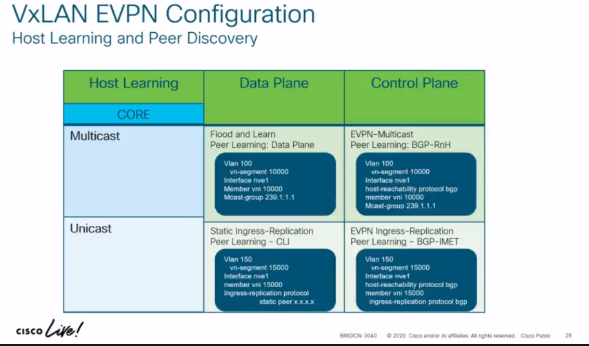
Host Learning Data Plane vs Host Learning Control Plane

TRM-Config
(2nd Hour - fo 2 hr Video)

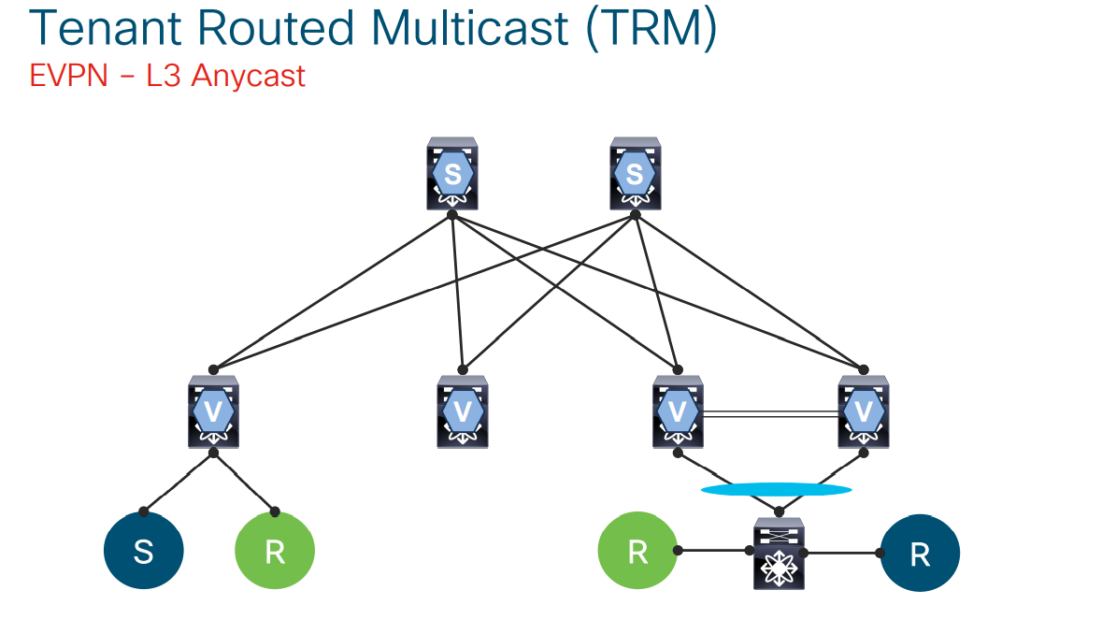
feature ngmvpn
Ip igmp snooping vxlan
ip multicast overlay-spt-only
advertise evpn multicast
interface nve1
no shutdown
source-interface loopback0
host-reachability protocol bgp
member vni 50000 associate-vrf
mcast-group 225.3.3.3
router bgp 65000
vrf EVPN-TENANT
address-family ipv4 unicast
network 200.1.1.1/32
advertise l2vpn evpn
address-family ipv4 mvp

interface loopback1000
vrf member EVPN-TENANT
ip address 209.165.200.1/32
Ip pim sparse-mode
Vrf context EVPN-TENANT
Ip pim rp-address 209.165.200.1 group-lost 224.0.0.0/4
interface Vlan500
no shutdown
vrf member EVPN-TENANT
ip forward
ip pim sparse-mode
Interface Vlan100
no shutdown
vrf member EVPN-TENANT
ip address 100.1.1.254/24
fabric forwarding mode anycast-gateway
ip pim neighbor-policy NONE*

