Overview
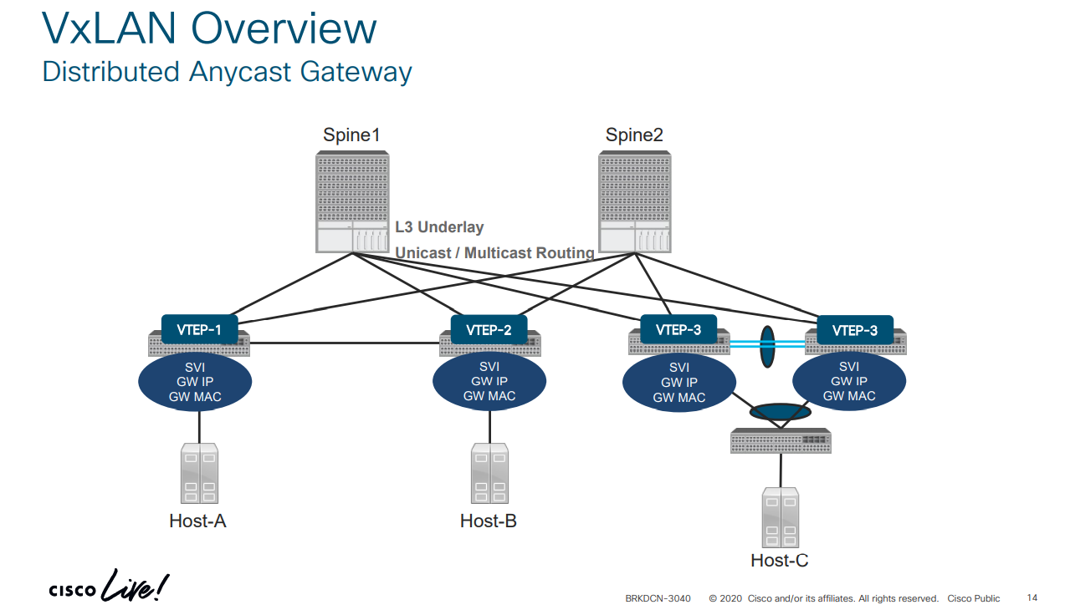
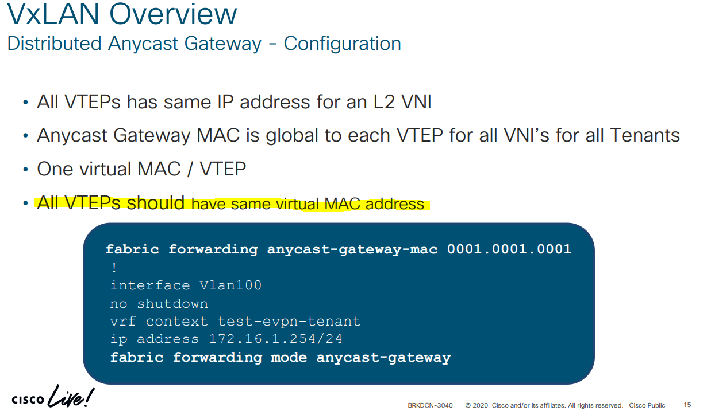

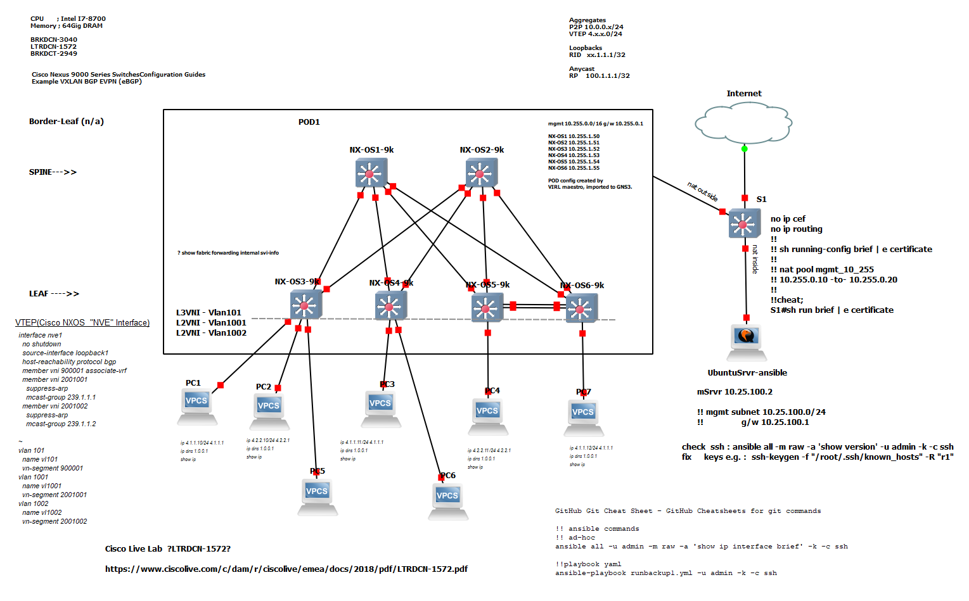

2-SpineSw x 2-LeafSw
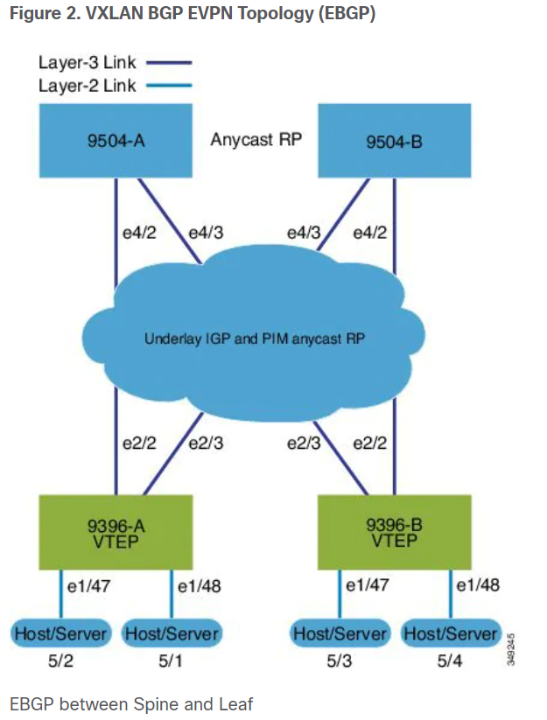
7k | L2/L3 - Reference / Template | 9k Build | Cisco Nexus 9000 Series NX-OS VXLAN Configuration Guide, Release 7.x - Configuring VXLAN BGP EVPN [Cisco Nexus 9000 Series Switches] - Cisco
 | Chapter: Configuring VXLAN BGP EVPN | VXLAN BGP EVPN (EBGP)
 | NX-OS_VXLAN_Configuration_Guide/configuring-vxlan-bgp-evpn.html | Spine |  |  | Leaf
 |  |  | Spine (9504-A) | Spine (9504-B) |  | Leaf (9396-A) | Leaf (9396-B)
7k | install feature-set fabric |  | Enable the EVPN control plane | Enable the EVPN control plane and the relevant protocols |  | Enable the EVPN control plane | Enable the EVPN control plane functionality and the relevant protocols
 | feature-set fabric |  | nv overlay evpn | nv overlay evpn |  | nv overlay evpn | nv overlay evpn
 | feature fabric forwarding |  | Enable the relevant protocols |  |  | Enable the relevant protocols
 | feature interface-vlan |  | feature bgp | feature bgp |  | feature bgp | feature bgp
 | feature ospf |  | feature pim | feature pim |  | feature pim | feature pim
 | OR |  |  |  |  | feature interface-vlan | feature interface-vlan
 | feature isis |  | Configure interfaces for Spine-leaf interconnect | Configure interfaces for Spine-leaf interconnect
 |  |  | interface Ethernet4/2 | interface Ethernet4/2 |  | Enable VXLAN with distributed anycast-gateway using BGP EVPN | Enable VXLAN with distributed anycast-gateway using BGP EVPN
 |  |  | ip address 192.168.1.42/24 | ip address 192.168.4.42/24 |  | feature vn-segment-vlan-based | feature vn-segment-vlan-based
 | feature nv overlay |  | ip pim sparse-mode | ip pim sparse-mode |  | feature nv overlay | feature nv overlay
 | feature bgp |  | no shutdown | no shutdown |  | fabric forwarding anycast-gateway-mac 0000.2222.3333 | fabric forwarding anycast-gateway-mac 0000.2222.3333
 | feature vni
 | nv overlay evpn |  | interface Ethernet4/3 | interface Ethernet4/3 |  | Enable PIM RP | Enable PIM RP
 |  |  | ip address 192.168.2.43/24 | ip address 192.168.3.43/24 |  | ip pim rp-address 100.1.1.1 group-list 224.0.0.0/4 | ip pim rp-address 100.1.1.1 group-list 224.0.0.0/4
 | fabric forwarding anycast-gateway-mac 0202.0002.0002 |  | ip pim sparse-mode | ip pim sparse-mode |  | ip pim ssm range 232.0.0.0/8 | ip pim ssm range 232.0.0.0/8
 |  |  | no shutdown | no shutdown
 |  |  |  |  |  | Create VLANs | Create VLANs
 | router bgp 100 |  | Configure Loopback for BGP | Configure Loopback for BGP |  | vlan 1-1002 | vlan 1-1002
 | neighbor 10.1.1.53 remote-as 100 |  | interface loopback0 | interface loopback0 |  | Create the VRF overlay VLAN and configure the vn-segment. | Create the VRF overlay VLAN and configure the vn-segment
 | address-family ipv4 unicast |  | ip address 10.1.1.1/32 | ip address 20.1.1.1/32 |  | vlan 101 | vlan 101
 | address-family l2vpn evpn |  | ip pim sparse-mode | ip pim sparse-mode |  | vn-segment 900001 | vn-segment 900001
 | send-community extended
 |  |  | Configure Loopback for Anycast RP | Configure Loopback for Anycast RP
 |  |  | interface loopback1 | interface loopback1
 |  |  | ip address 100.1.1.1/32 | ip address 100.1.1.1/32 |  | Configure VRF overlay VLAN/SVI for the VRF | Configure internal control VLAN/SVI for the VRF
 | vni 30000 |  | ip pim sparse-mode | ip pim sparse-mode |  | interface Vlan101 | interface Vlan101
 | system bridge-domain 200-210 |  |  |  |  | no shutdown | no shutdown
 | bridge-domain 200 |  | Configure Anycast RP | Configure Anycast RP |  | vrf member vxlan-900001 | vrf member vxlan-900001
 | member vni 30000 |  | ip pim rp-address 100.1.1.1 group-list 224.0.0.0/4 | ip pim rp-address 100.1.1.1 group-list 224.0.0.0/4 |  | ip forward | ip forward
 |  |  | ip pim ssm range 232.0.0.0/8 | ip pim ssm range 232.0.0.0/8 |  | Create VLAN and provide mapping to VXLAN | Create VLAN and provide mapping to VXLAN
 |  |  | ip pim anycast-rp 100.1.1.1 10.1.1.1 | ip pim anycast-rp 100.1.1.1 10.1.1.1 |  | vlan 1001 | vlan 1001
 | Associate a VLAN (or dot1q tag) with the Layer 2 VNI: |  | ip pim anycast-rp 100.1.1.1 20.1.1.1 | ip pim anycast-rp 100.1.1.1 20.1.1.1 |  | vn-segment 2001001 | vn-segment 2001001
 | (config) # |  |  |  |  | vlan 1002 | vlan 1002
 | encapsulation profile vni cisco |  | Configure route-map used by EBGP for Spine | Configure route-map used by EBGP for Spine |  | vn-segment 2001002 | vn-segment 2001002
 | dot1q 50 vni 30000 |  | route-map permitall permit 10 | route-map permitall permit 10 |  | Create VRF and configure VNI | Create VRF and configure VNI
 |  |  | set ip next-hop unchanged | set ip next-hop unchanged |  | vrf context vxlan-900001 | vrf context vxlan-900001
 |  |  |  |  |  | vni 900001 | vni 900001
 |  |  | Configure the BGP overlay for the EVPN address family. | Configure the BGP overlay for the EVPN address family.
 | ssociate the encapsulation profile with the server facing interface |  | router bgp 100 | router bgp 100 |  | rd auto | rd auto
 | (config) # |  | router-id 10.1.1.1 | router-id 20.1.1.1 |  | address-family ipv4 unicast | address-family ipv4 unicast
 | interface Ethernet 1/12 |  | address-family l2vpn evpn | address-family l2vpn evpn |  | route-target import 65535:101 evpn | route-target import 65535:101 evpn
 | no shutdown |  | nexthop route-map permitall | nexthop route-map permitall |  | route-target export 65535:101 evpn | route-target export 65535:101 evpn
 | no switchport |  | retain route-target all | retain route-target all |  | route-target import 65535:101 | route-target import 65535:101
 | service instance 1 vni |  | neighbor 30.1.1.1 remote-as 200 | neighbor 30.1.1.1 remote-as 200 |  | route-target export 65535:101 | route-target export 65535:101
 | encapsulation profile cisco default |  | update-source loopback0 | update-source loopback0 |  | address-family ipv6 unicast | address-family ipv6 unicast
 | no shutdown |  | ebgp-multihop 3 | ebgp-multihop 3 |  | route-target import 65535:101 evpn | route-target import 65535:101 evpn
 |  |  | address-family l2vpn evpn | address-family l2vpn evpn |  | route-target export 65535:101 evpn | route-target export 65535:101 evpn
 |  |  | disable-peer-as-check | disable-peer-as-check |  | route-target import 65535:101 | route-target import 65535:101 evpn
 | Create a loopback interface and assign an IP address to it |  | send-community extended | send-community extended |  | route-target export 65535:101 | route-target export 65535:101 evpn
 | (config) # |  | route-map permitall out | route-map permitall out
 | interface loopback 0 |  | neighbor 40.1.1.1 remote-as 200 | neighbor 40.1.1.1 remote-as 200 |  | Create server facing SVI and enable distributed anycast-gateway | Create server facing SVI and enable distributed anycast-gateway
 | ip address 10.1.1.54/32 |  | update-source loopback0 | update-source loopback0 |  | interface Vlan1001 | interface Vlan1001
 | Associate the Layer 2 VNI to the overlay and configure multicast group membership |  | ebgp-multihop 3 | ebgp-multihop 3 |  | no shutdown | no shutdown
 | (config) # |  | address-family l2vpn evpn | address-family l2vpn evpn |  | vrf member vxlan-900001 | vrf member vxlan-900001
 | interface nve 1 |  | disable-peer-as-check | disable-peer-as-check |  | ip address 4.1.1.1/24 | ip address 4.1.1.1/24
 | no shutdown |  | send-community extended | send-community extended |  | ipv6 address 4:1:0:1::1/64 | ipv6 address 4:1:0:1::1/64
 | source-interface loopback0 |  | route-map permitall out | route-map permitall out |  | fabric forwarding mode anycast-gateway | fabric forwarding mode anycast-gateway
 | host-reachability protocol bgp |  | Configure the BGP underlay. | Configure the BGP underlay.
 | member vni 30000 |  | neighbor 192.168.1.43 remote-as 200 | neighbor 192.168.1.43 remote-as 200 |  | interface Vlan1002 | interface Vlan1002
 | mcast-group 224.1.33.3 |  | address-family ipv4 unicast | address-family ipv4 unicast |  | no shutdown | no shutdown
 |  |  | allowas-in | allowas-in |  | vrf member vxlan-900001 | vrf member vxlan-900001
 |  |  | disable-peer-as-check | disable-peer-as-check |  | ip address 4.2.2.1/24 | ip address 4.2.2.1/24
 |  |  |  |  |  | ipv6 address 4:2:0:1::1/64 | ipv6 address 4:2:0:1::1/64
 | Enable EVPN and associate the Layer 2 VNI to it |  |  |  |  | fabric forwarding mode anycast-gateway | fabric forwarding mode anycast-gateway
 | Enable route distinguisher and route target functions for the Layer 2 VNI
 | (config) # |  |  |  |  | Configure ACL TCAM region for ARP suppression | Configure ACL TCAM region for ARP suppression
 | evpn
 | vni 30000 l2 |  |  |  |  | Note | Note
 | rd auto |  |  |  |  | The hardware access-list tcam region arp-ether 256 double-wide command is not needed for Cisco Nexus 9300-EX, 9300-FX, and 9300-FX2 platform switches. | The hardware access-list tcam region arp-ether 256 double-wide command is not needed for Cisco Nexus 9300-EX, 9300-FX, and 9300-FX2 platform switches.
 | route-target import auto
 | route-target export auto |  |  |  |  | hardware access-list tcam region arp-ether 256 double-wide | hardware access-list tcam region arp-ether 256 double-wide

 |  |  |  |  |  | Create the network virtualization endpoint (NVE) interface | Create the network virtualization endpoint (NVE) interface
 | Enable VRF route distinguisher and VRF route target functions for the Layer 3 VNI |  |  |  |  | interface nve1 | interface nve1
 | (config) # |  |  |  |  | no shutdown | no shutdown
 | vrf context coke |  |  |  |  | source-interface loopback1 | source-interface loopback1
 | vni 50000 |  |  |  |  | host-reachability protocol bgp | host-reachability protocol bgp
 | rd auto |  |  |  |  | member vni 900001 associate-vrf | member vni 900001 associate-vrf
 | address-family ipv4 unicast |  |  |  |  | member vni 2001001 | member vni 2001001
 | route-target both auto evpn |  |  |  |  | mcast-group 239.0.0.1 | mcast-group 239.0.0.1
 |  |  |  |  |  | member vni 2001002 | member vni 2001002
 |  |  |  |  |  | mcast-group 239.0.0.1 | mcast-group 239.0.0.1
 | Associate the VRF VNI to a bridge-domain and associate a BDI to the customer VRF
 | (config) # |  |  |  |  | Configure interfaces for hosts/servers. | Configure interfaces for hosts/servers
 | system bridge-domain add 2200 |  |  |  |  | interface Ethernet1/47 | interface Ethernet1/47
 | vni 50000 |  |  |  |  | switchport | switchport
 | bridge-domain 2200 |  |  |  |  | switchport access vlan 1002 | switchport access vlan 1002
 | member vni 50000 |  |  |  |  | interface Ethernet1/48 | interface Ethernet1/48
 |  |  |  |  |  | switchport | switchport
 | interface bdi2200 |  |  |  |  | switchport access vlan 1001 | switchport access vlan 1001
 | vrf member coke
 | ip forward |  |  |  |  | Configure Loopback for BGP | Configure Loopback for BGP
 | no ip redirects |  |  |  |  | interface loopback0 | interface loopback0
 | no shutdown |  |  |  |  | ip address 30.1.1.1/32 | ip address 40.1.1.1/32
 |  |  |  |  |  | ip pim sparse-mode | ip pim sparse-mode
 | Add the Layer 3 VRF VNI to the overlay network and enable BGP reachability |  |  |  |  | Configure Loopback for local VTEP IP | Configure Loopback for local VTEP IP
 | (config) # |  |  |  |  | interface loopback1 | interface loopback1
 | interface nve 1 |  |  |  |  | ip address 50.1.1.1/32 | ip address 51.1.1.1/32
 | host-reachability protocol bgp |  |  |  |  | ip pim sparse-mode | ip pim sparse-mode
 | member vni 50000 associate-vrf
 |  |  |  |  |  | Configure interfaces for Spine-leaf interconnect | Configure interfaces for Spine-leaf interconnect
 |  |  |  |  |  | interface Ethernet2/2 | interface Ethernet2/2
 | Configure BGP, associate the customer VRF to BGP and enable L2VPN EVPN route distribution |  |  |  |  | ip address 192.168.1.22/24 | ip address 192.168.4.22/24
 | (config) # |  |  |  |  | ip pim sparse-mode | ip pim sparse-mode
 | router bgp 100 |  |  |  |  | no shutdown | no shutdown
 | vrf coke
 | address-family ipv4 unicast |  |  |  |  | interface Ethernet2/3 | interface Ethernet2/3
 | advertise l2vpn evpn |  |  |  |  | ip address 192.168.3.23/24 | ip address 192.168.2.23/24
 |  |  |  |  |  | ip pim sparse-mode | ip pim sparse-mode
 | Enable host/server facing BDI (and associate it to a VRF) for Layer 3 connectivity on the distributed anycast gateway |  |  |  |  | no shutdown | no shutdown
 | (config) #
 | interface bdi200 |  |  |  |  | Configure BGP | Configure BGP
 | vrf member coke |  |  |  |  | router bgp 200 | router bgp 200
 | ip address 10.1.1.1/24 |  |  |  |  | router-id 30.1.1.1 | router-id 40.1.1.1
 | fabric forwarding mode anycast-gateway |  |  |  |  | neighbor 10.1.1.1 remote-as 100 | neighbor 10.1.1.1 remote-as 100
 | no shutdown |  |  |  |  | update-source loopback0 | update-source loopback0
 |  |  |  |  |  | ebgp-multihop 3 | ebgp-multihop 3
 |  |  |  |  |  | allowas-in | allowas-in
 |  |  |  |  |  | send-community extended | send-community extended
 |  |  |  |  |  | address-family l2vpn evpn | address-family l2vpn
 |  |  |  |  |  | allowas-in | allowas-in
 |  |  |  |  |  | send-community extended | send-community extended
 |  |  |  |  |  | neighbor 20.1.1.1 remote-as 100 | neighbor 20.1.1.1 remote-as 100
 |  |  |  |  |  | update-source loopback0 | update-source loopback0
 |  |  |  |  |  | ebgp-multihop 3 | ebgp-multihop 3
 |  |  |  |  |  | allowas-in | allowas-in
 |  |  |  |  |  | send-community extended | send-community extended
 |  |  |  |  |  | address-family l2vpn evpn | address-family l2vpn
 |  |  |  |  |  | allowas-in | allowas-in
 |  |  |  |  |  | send-community extended | send-community extended
 |  |  |  |  |  | vrf vxlan-900001 | vrf vxlan-900001
 |  |  |  |  |  | advertise l2vpn evpn | advertise l2vpn evpn

 |  |  |  |  |  | evpn
 |  |  |  |  |  | vni 2001001 l2
 |  |  |  |  |  | vni 2001002 l2

 |  |  |  |  |  | rd auto
 |  |  |  |  |  | route-target import auto
 |  |  |  |  |  | route-target export auto

Sample Config
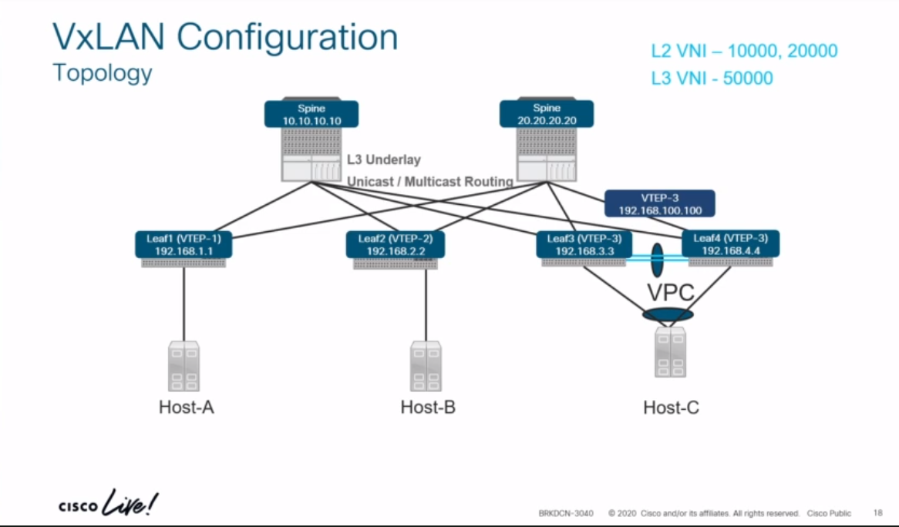
PPT (ciscolive.com) |  |  |  |  | https://www.ciscolive.com/c/dam/r/ciscolive/emea/docs/2020/pdf/BRKDCN-3040.pdf
L2 VNI |  | 10000, 20000
L3 VNI |  | 50000

 |  | feature telnet
 |  | feature ospf
BGP |  | feature bgp
PIM/Mcast Core |  | feature pim
SVI(Leaf Only) |  | feature interface-vlan | not on spine
Map VLAN to VNI (Leaf Only) |  | feature vn-segment-vlan-based | not on spine
VxLAN Overlay |  | feature nv overlay
enable EVPN AFI |  | nv overlay evpn

 |  | Leaf1 | Spine1
Underlay BGP Configuration |  | router bgp 65000 | router bgp 65001
2/3-AS Nexus POD |  | router-id 192.168.1.1 | router-id 192.168.10.10
multi-AS design eBGP
"disable-peer-as-check" |  | address-family ipv4 unicast | address-family ipv4 unicast
 |  | network 1.1.1.1/32 | network 10.10.10.10/32
VxLAN Tunnel End-point | VTEP-1 | network 192.168.1.1/32 | network 192.168.10.10/32

 |  | address-family l2vpn evpn | address-family l2vpn evpn
 |  |  | nexthop route-map permit-all
 |  |  | retain route-target-all
 |  | neighbor 10.1.101.10 | neighbor 10.1.201.1
 |  | remote-as 65001 | remote-as 65000

 |  | address-family ipv4 unicast | address-family ipv4 unicast
 |  | allowas-in 3 | allowas-in 3
 |  | disable-peer-as-check | disable-peer-as-check
 |  | neighbor 10.1.201.20 | neighbor 10.1.202.2
 |  | remote-as 65001 | remote-as 65000

 |  | address-family ipv4 unicast | address-family ipv4 unicast
 |  | allowas-in 3 | allowas-in 3
 |  | disable-peer-as-check | disable-peer-as-check

L2 VNI |  | vlan 100 | interface loopback0
 |  | vn-segment 10000 | ip address 192.168.10.10/32
 |  | ! Create L2 VNI | ip pim sparse-mode
 |  | evpn | !
 |  | vni 10000 l2 | interface loopback1
 |  | rd 10000:1 | ip address 192.168.50.50/32
 |  | route-target import 10000:1 | ip pim sparse-mode
 |  | route-target export 10000:1 | !
 |  | ! | ip pim rp-add 192.168.50.50 group-list 239.1.1.0/24
 |  | interface nve1 | ip pim anycast-rp 192.168.50.50 192.168.10.10
 |  | no shutdown | ip pim anycast-rp 192.168.50.50 192.168.20.20
 |  | source-interface loopback0 | !
non -"Flood & Learn Mode - VxLAN" |  | host-reachability protocol bgp
 |  | member vni 10000
 |  | ingress-replication protocol bgp | router bgp 65001
under every svi -->> |  | fabric forwarding anycast-gateway-mac 0001.0001.0001 | address-family l2vpn evpn
 |  | interface Vlan100 | nexthop route-map permitall
 |  | no shutdown | retain route-target all | required, default bgp behavior is dropped, retain & forward instead.
 |  | vrf member EVPN-TENANT | neighbor 1.1.1.1
 |  | ip address 100.1.1.254/24 | remote-as 65000
 |  | fabric forwarding mode anycast-gateway | update-source loopback0
 |  | ! | ebgp-multihop 3
 |  | router bgp 65000 | address-family l2vpn evpn
 |  | neighbor 10.10.10.10 | disable-peer-as-check
 |  | remote-as 65001 | send-community extended
 |  | update-source loopback0 | route-map permitall out
 |  | ebgp-multihop 3 | neighbor 2.2.2.2
 |  | address-family l2vpn evpn | remote-as 65000
 |  | allowas-in 3 | update-source loopback0
 |  | disable-peer-as-check | ebgp-multihop 3
 |  | send-community extended | address-family l2vpn evpn
 |  | vrf EVPN-TENANT | disable-peer-as-check
 |  | address-family ipv4 unicast | send-community extended
 |  | advertise l2vpn evpn | route-map permitall out
 |  |  | !
L3 VNI |  | vlan 500 | route-map permitall permit 10
 |  | vn-segment 50000 | set ip next-hop unchanged | required, original NH cannot be dropped /re-written
 |  | !
 |  | vrf context EVPN-TENANT
 |  | vni 50000
 |  | rd 50000:1
 |  | address-family ipv4 unicast
 |  | route-target import 20000:1
 |  | route-target import 20000:1 evpn
 |  | route-target export 20000:1
 |  | route-target export 20000:1 evpn
 |  | !
 |  | interface Vlan500
 |  | no shutdown
 |  | vrf member EVPN-TENANT
 |  | ip forward
 |  | interface nve1
 |  | no shutdown
 |  | source-interface loopback0
 |  | host-reachability protocol bgp
 |  | member vni 50000 associate-vrf
 |  | !
 |  | interface loopback200
 |  | vrf member EVPN-TENANT
 |  | ip address 200.1.1.1/32
 |  | !
 |  | router bgp 65000
 |  | vrf EVPN-TENANT
 |  | address-family ipv4 unicast |  |  | 9k ?
 |  | network 200.1.1.1/32
 |  | advertise l2vpn evpn |  |  | feature vpc | feature vpc

 |  |  |  |  | int eth 2/3 | int eth 2/3
VTEP IP. The secondary IP is same on both Leaf3 and Leaf 4 running VPC |  |  |  |  | ip address 10.56.0.1/30 | ip address 10.56.0.2/30
Pair of VTEP in VPC mode, in the same AS# |  |  |  |  | ! | !
Leaf 3/4 run VPC |  | vpc domain 10 |  |  | interface loopback0 | interface loopback0
 |  | peer-switch |  |  | ip address 56.1.1.1/32 secondary | ip address 56.1.1.1/32 secondary
 |  | peer-keepalive destination 10.1.34.4 source 10.1.34.3
 |  | delay restore 60
 |  | peer-gateway
 |  | ipv6 nd synchronize |  |  | vpc domain 10 | vpc domain 10
 |  | ip arp synchronize |  |  | peer-switch | peer-switch
 |  | ! |  |  | peer-keepalive destination 10.56.0.2 source 10.56.0.1 vrf default | peer-keepalive destination 10.56.0.1 source 10.56.0.2 vrf default
 |  | interface loopback0 |  |  | delay restore 60 | delay restore 60
 |  | ip address 192.168.3.3/32 |  |  | peer-gateway | peer-gateway
peer-gateway |  | ip address 192.168.100.100/32 secondary |  |  | ipv6 nd synchronize | ipv6 nd synchronize
 |  |  |  |  | ip arp synchronize | ip arp synchronize

also poss. To configure a back up SVI |  | Backup Routing SVI
 |  | vlan 5
 |  | interface vlan 5
 |  | ip add 10.5.1.1/24
 |  | ip pim sparse-mode

Summary
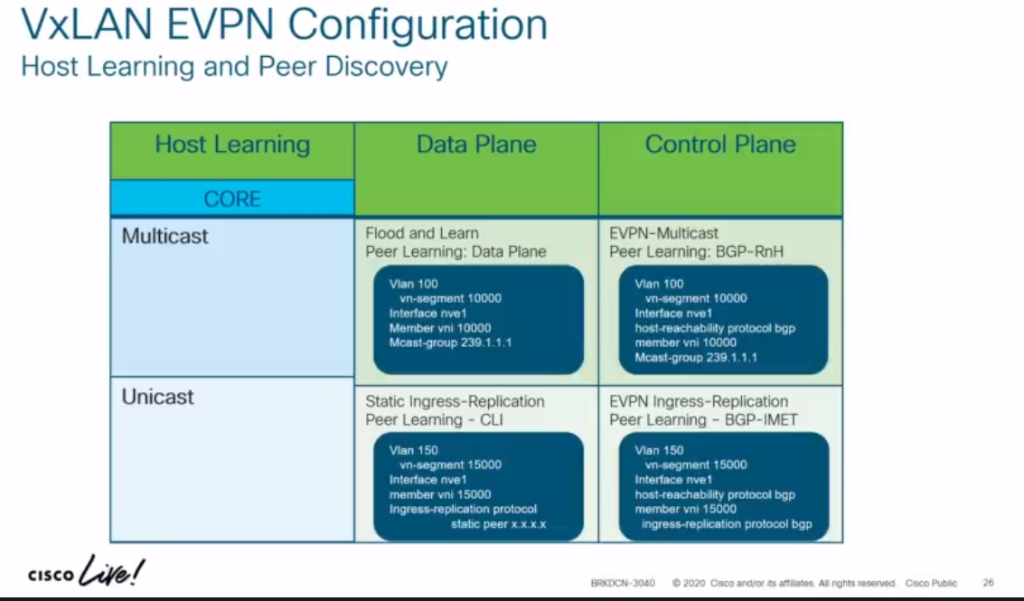
Host Learning Data Plane vs Host Learning Control Plane

TRM-Config
(2nd Hour - fo 2 hr Video)

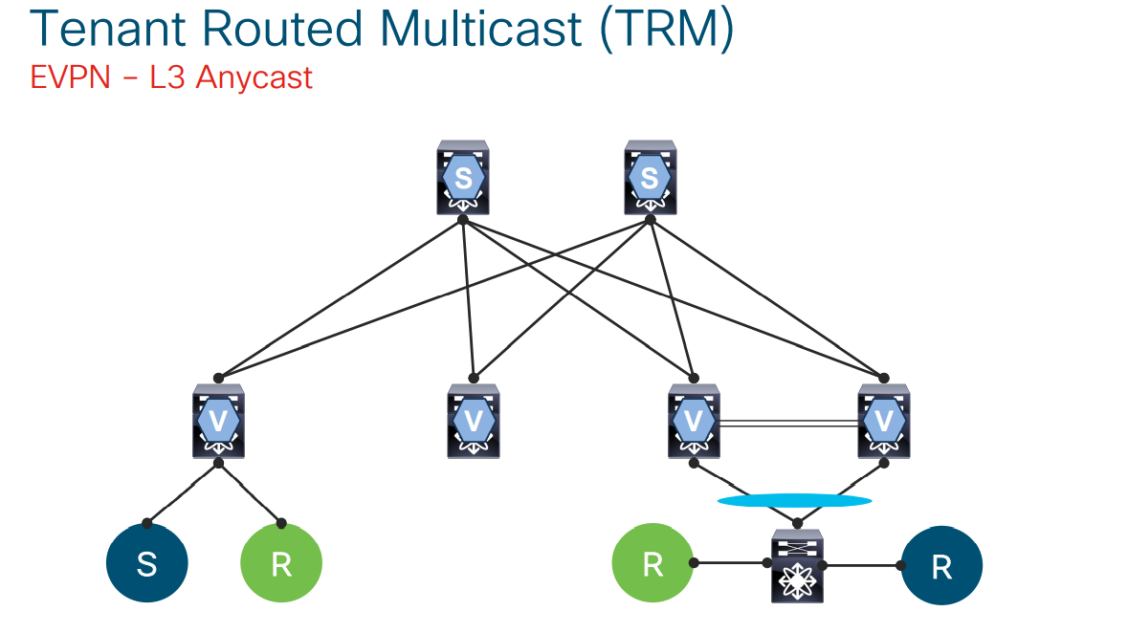
feature ngmvpn
Ip igmp snooping vxlan
ip multicast overlay-spt-only
advertise evpn multicast
interface nve1
no shutdown
source-interface loopback0
host-reachability protocol bgp
member vni 50000 associate-vrf
mcast-group 225.3.3.3
router bgp 65000
vrf EVPN-TENANT
address-family ipv4 unicast
network 200.1.1.1/32
advertise l2vpn evpn
address-family ipv4 mvp

interface loopback1000
vrf member EVPN-TENANT
ip address 209.165.200.1/32
Ip pim sparse-mode
Vrf context EVPN-TENANT
Ip pim rp-address 209.165.200.1 group-lost 224.0.0.0/4
interface Vlan500
no shutdown
vrf member EVPN-TENANT
ip forward
ip pim sparse-mode
Interface Vlan100
no shutdown
vrf member EVPN-TENANT
ip address 100.1.1.254/24
fabric forwarding mode anycast-gateway
ip pim neighbor-policy NONE*

