Template
PowerPoint Presentation (ciscolive.com) |  |  |  |  | https://www.ciscolive.com/c/dam/r/ciscolive/apjc/docs/2018/pdf/BRKDCN-3040.pdf
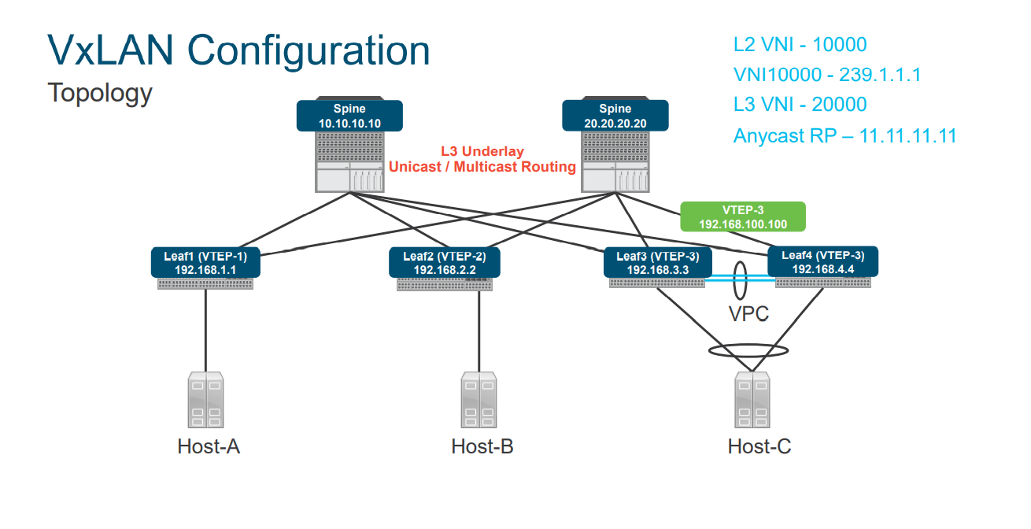
 | Configuration
 | Feature Enablement
 | feature bgp
 | Feature pim
 | feature interface-vlan !!SVI
 | feature vn-segment-vlan-based !!MAP VLAN to VNI -Leaf Ony
 | feature nv overlay !! VXLAN
 | !
 | nv overlay evpn !!EVPN AFI

 | Leaf Node Configuration – L2 VNI | Leaf Node Configuration – L3 VNI | Leaf Node with VPC Configuration | Spine Node Configuration
 | vlan 100 |  |  | interface loopback0
 | vn-segment 10000 | vlan 200 | vpc domain 10 | ip address 192.168.10.10/32
 | ! Create L2 VNI | vn-segment 20000 | peer-switch | ip router ospf 100 area 0.0.0.0
 | evpn | ! | peer-keepalive destination 10.1.34.4 source 10.1.34.3 | ip pim sparse-mode
 | vni 10000 l2 | vrf context EVPN-TENANT | delay restore 60 | !
 | rd 10000:1 | vni 20000 | peer-gateway | ip pim bsr-candidate loopback0
 | route-target import 10000:1 | rd 20000:1 | ipv6 nd synchronize | ip pim rp-candidate loopback0 group-list 239.1.1.0/24
 | route-target export 10000:1 | address-family ipv4 unicast | ip arp synchronize | ip pim anycast-rp 192.168.10.10 192.168.1.1
 | ! | route-target import 20000:1 | ! | ip pim anycast-rp 192.168.10.10 192.168.2.2
 | interface nve1 | route-target import 20000:1 evpn | interface loopback0 | ip pim anycast-rp 192.168.10.10 192.168.3.3
 | no shutdown | route-target export 20000:1 | ip address 192.168.3.3/32 | ip pim anycast-rp 192.168.10.10 192.168.4.4
 | source-interface loopback0 | route-target export 20000:1 evpn | ip address 192.168.100.100/32 secondary
 | host-reachability protocol bgp | ! | ip router ospf 100 area 0.0.0.0 | ! Required on all nodes
 | member vni 10000 | interface Vlan200 | ip pim sparse-mode | ip pim bsr listen forward
 | mcast-group 239.1.1.1 | no shutdown |  | router bgp 100
 | suppress-arp | vrf member EVPN-TENANT | Backup Routing SVI | router-id 192.168.10.10
 |  | ip forward | vlan 5 | address-family l2vpn evpn
 | fabric forwarding anycast-gateway-mac | interface nve1 | interface vlan 5 | neighbor 192.168.1.1
 | 0001.0001.0001 | no shutdown | ip add 10.5.1.1/24 | remote-as 100
 | interface Vlan100 | source-interface loopback0 | ip router ospf 100 area 0.0.0.0 | update-source loopback0
 | no shutdown | host-reachability protocol bgp | ip pim sparse-mode | address-family l2vpn evpn
 | vrf member EVPN-TENANT | member vni 20000 associate-vrf |  | send-community both
 | ip address 100.1.1.254/24 | ! |  | route-reflector-client
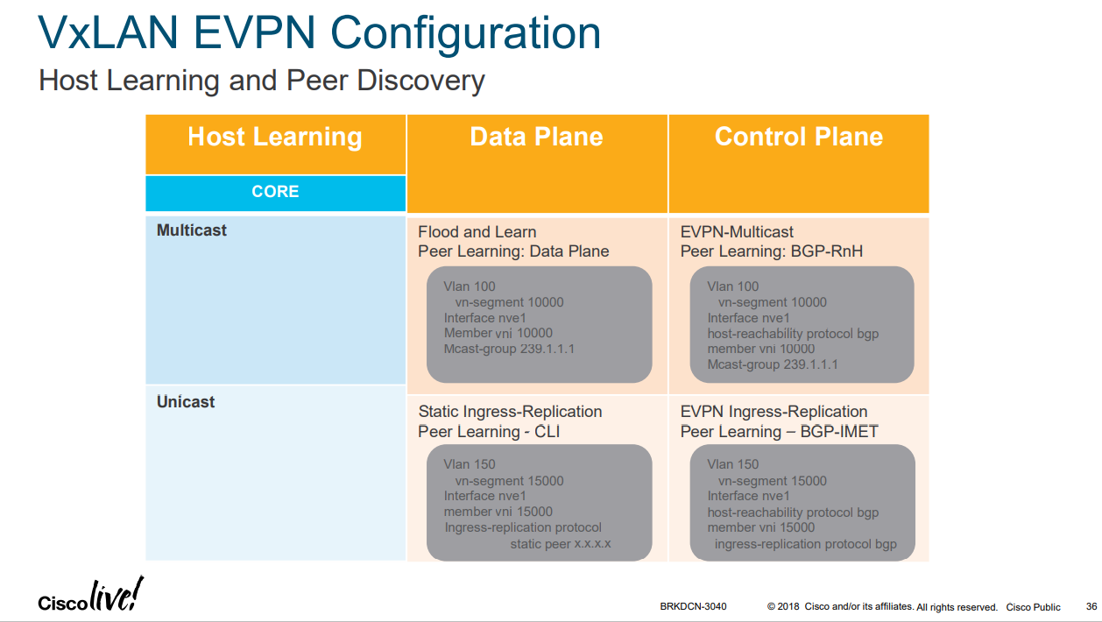
 | fabric forwarding mode anycast-gateway | interface loopback200 |  | neighbor 192.168.2.2
 | ! | vrf member EVPN-TENANT |  | remote-as 100
 | router bgp 100 | ip address 200.1.1.1/32 |  | update-source loopback0
 | router-id 192.168.1.1 | ! |  | address-family l2vpn evpn
 | address-family l2vpn evpn | router bgp 100 |  | send-community both
 | neighbor 192.168.10.10 | vrf EVPN-TENANT |  | route-reflector-client
 | remote-as 100 | address-family ipv4 unicast
 | update-source loopback0 | network 200.1.1.1/32
 | address-family l2vpn evpn | advertise l2vpn evpn
 | send-community extended
 | vrf EVPN-TENANT
 | address-family ipv4 unicast
 | advertise l2vpn evpn

