Console
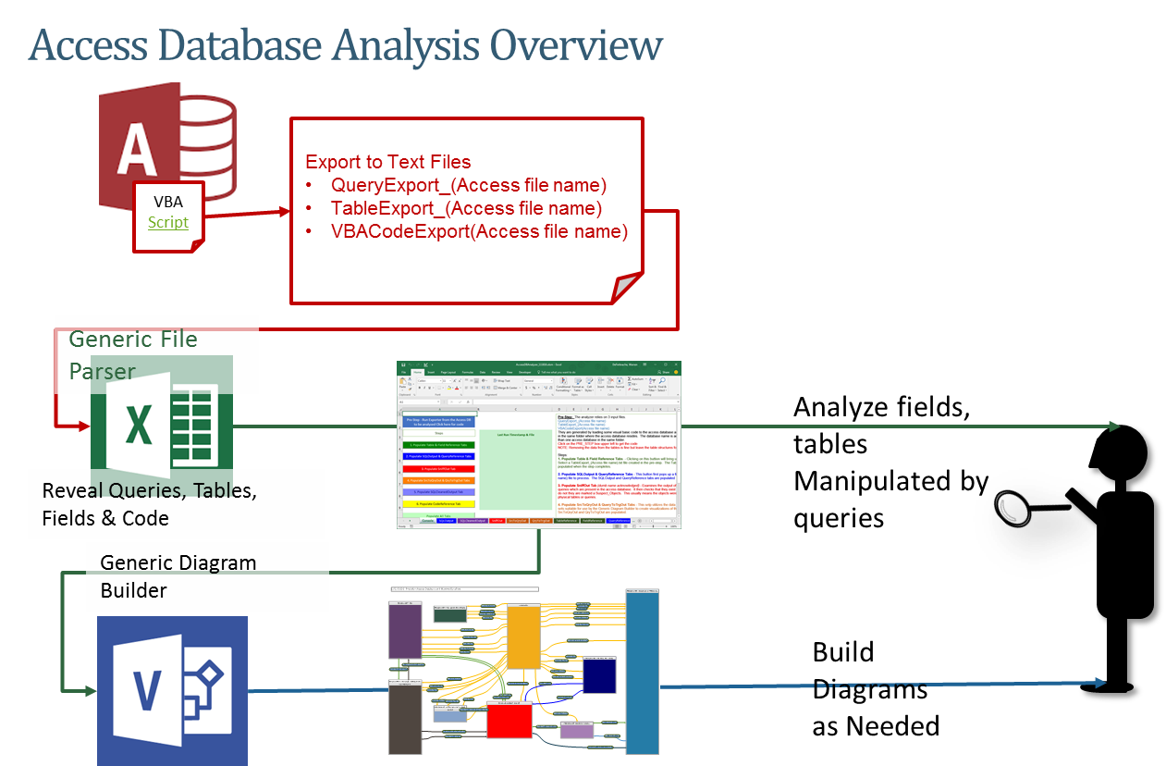
Pre-Step: The analyzer relies on 3 input files.
QueryExport_(Access file name)
TableExport_(Access file name)
VBACodeExport(Access file name)
They are generated by loading some visual basic code to the access database and running it. The files are generated and dropped in the same folder where the access database resides. The database name is added so they will be unique in case there is more than one access database in the same folder.
Click on the PRE_STEP box upper left to get the code
NOTE: Removing the data from the tables is fine but leave the table structures for better analysis results
Steps:
1. Populate Table & Field Reference Tabs - Clicking on this buttion will bring up a dialog box asking for a TableExport file. Select a TableExport_(Access file name).txt file created in the pre-step. The TableReference and FieldReference tabs will be populated when the step completes.
2. Populate SQLOutput & QueryReference Tabs - This button first pops up a file dialog. Select a QueryExport_(Access file name) file to process. The SQLOutput and QueryReference tabs are populated
3. Populate CodeReference Tab - Populates the tab from the Access DB code which was exported from the Access database being analyzed
4. Populate SniffOut Tab (dumb name acknowledged) - Examines the output of setp 2 and tries to build a list of tables and queries which are present in the access database. It then checks that they exist in the TableReference or QueryReference, if they do not they are marked a Suspect_Objects. This usually means the objects were made up in the queries and are not actual physical tables or queries. Flag Suspect Objects - if set tables not found in the TableReference are marked as "SUSPECT OBJECT". If not checked then they are marked as "TABLES". Significant because Suspect objects are not included in SrcToQryOut or QryToTrgOut tabs.
5. Populate SrcToQryOut & QueryToTrgOut Tabs - This setp utilizes the data generated from the previous steps to create data sets suitable for use by the Generic Diagram Builder to create visualizations of the Access Database's data flows. The tabs SrcToQryOut and QryToTrgOut are populated.
6. Populate SQLCleanedOutput Tab - Produces a view similar the SQLOutput but with the Sources and targets cleaned up.
7. Populate TableXWrites & TblXReads Tabs - Picks out only tables which are read or written in more than one database. Intended to be input to the Generic Diagram Builder to show how access databases interact in a system. If only one database is being analyzed these tabs should be blank after running the process steps
Process All Steps (recommended) - press this button to run all of the steps in order. This is recommended as most steps are reliant on previous steps completing.
Pre-Step - Run Exporter from the Access DB to be analyzed Click here for code
Steps
Last Run Timestamp & File

SniffOut
SOURCE_CANDIDATE | CONFIRMED_AS | EXPORT_NAME
Sniff out Tables looks at the Source and Target table columns on the SQLOutput tab and tries to pull out objects.
SUSPECT_OBJECT: It then confirms the candidate objects against the TableReference Tab and the QueryReference Tab. If not found in either the object is marked SUSPECT_OBJECT.
TableReference tab is populated by using the VBA export from access and importing it into Excel. Then removing the fields and leaving only the tables
The QueryReference is populated by the GENERIC SQL parser as it encounters queries.

