Dashboard
Instructions
*Open the desired map in the Informatica Design Client
*Right click on the map object and select Export
*Repeat for all exports desired to be loaded to this workbook
*Place a copy of this workbook in the same folder as the exported Informatica maps (optional makes selecting easier)
*Click the orange "Snalyse New Infa Maps XLM" button
*Select all maps you wish to be loaded to this workbook
*Green tabs contain the results
*Blue tabs are working tabs and only contain the last map loaded
*Press the Analyse New Infa Map XML button on this sheet
*Select the XML files prepped in the steps above
*Wait for the Excel to finish processing
 |  | REPOSITORY
Maps In The Workbook | Folder | VERSION | 186.95
M_OFS_TREX_AR_INVOICES.XML | TREX_OFS | NAME | informatica_PROD
 |  | DATABASE | Microsoft SQL Server

This Excel reports on the contents of one or more XML exports from Informatica map objects.

 |  |  |  | Note: The import will Edit the XML (so Excel will not throw up when parsing it)

NOTE: The process will remove the line highlighted below from the XML files, it freaks out the Excel XML parser if present

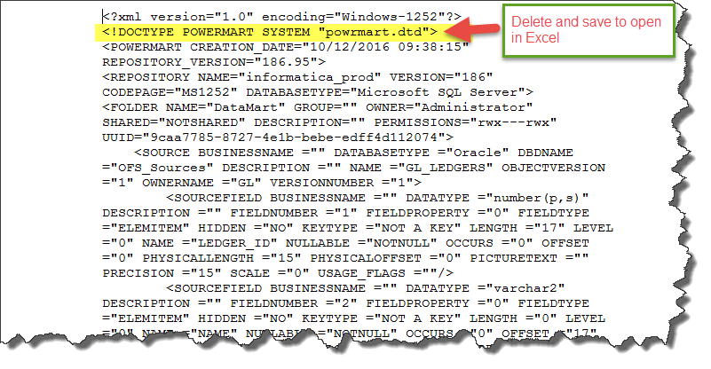

 |  | Don't Delete or Change, Used in Processing
 |  | MapName | m_ofs_trex_ar_invoices
 |  | Folder Name | TREX_OFS
 |  | Folder Owner | Administrator
 |  | Folder Discription
 |  | Folder UUID | fcdf1791-4d15-4320-adbb-ac15cce13677

