Tests
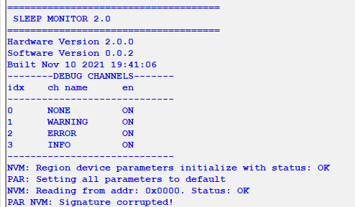
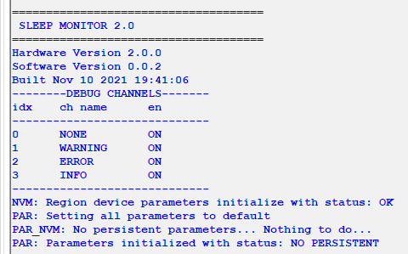
# | Description | Test Steps | Expected results | Results | Status (PASS/FAIL) | Notes
1 | Signature corrupted | 1. Corrupt signature 2. Reset device | Device shall detect corrupted signature and set all parameters to default. All parameters inside NVM shall be completely rewritten. Init function shall return: - warning set to default - warning nvm-rewrite |  | PASS
2 | Header CRC corrupted | 1. Corrupt header CRC 2. Reset device | Device shall detect corrupted signature and set all parameters to default. All parameters inside NVM shall be completely rewritten. Init function shall return: - warning set to default - warning nvm-rewrite | 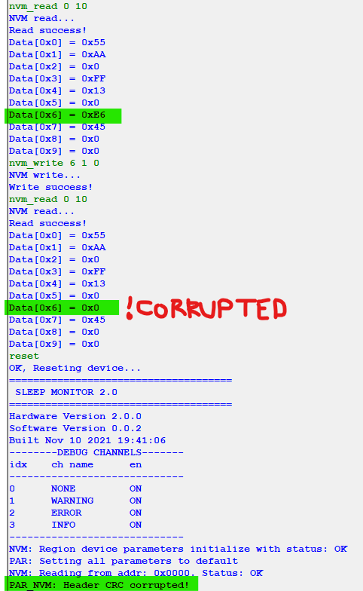 | PASS |  | 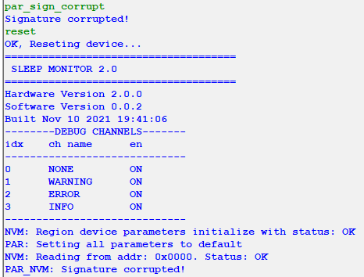
3 | Parameter CRC corrupted | 1. Corrupt parameter CRC 2. Reset device | 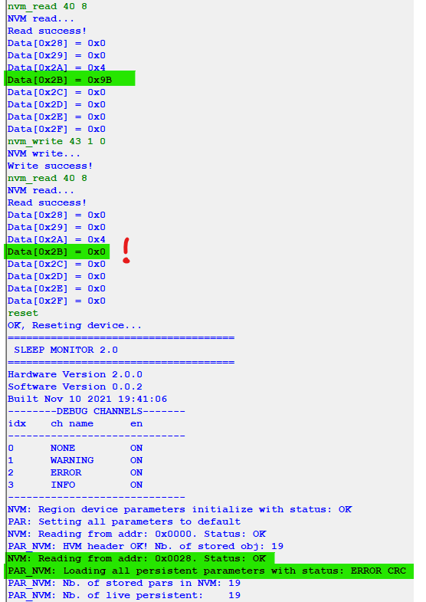 Device shall detect corrupted parameter CRC and set all parameters to default. All parameters inside NVM shall be completely rewritten. Init function shall return: - warning set to default - warning nvm-rewrite |  | PASS
4 | Clean NVM starup with at least one persistent parameter | 1. Clean whole NVM region for parameters 2. Reset device | All parameters inside NVM shall be completely rewritten. |  | PASS
5 | Clean NVM starup with no persistent parameter | 1. Clean whole NVM region for parameters 2. Reset device | Initialization return warning “No persistent” parameters |  | PASS
6 | FW update with new persistant parameter | 1. Make a set of n persistent parameters 2. Save them to NVM 3. Add new persistent parameter and flash new FW 4. Restart | Old persistent parameters shall boot with stored pre-saved stored values Two new persistent parameters shall be added to new FW | First boot with old set of parameters: Starup with new FW that has additional persistant parameters: Old parameters were loaded with pre-stored values! | PASS
7 | FW update with removed persistent parameter | 1. Make a set of n persistent parameters 2. Save them to NVM 3. Remove two persistent parameter and flash new FW 4. Restart | Old stored persistent parameters value shall be obtain between FW upgrade. At start FW shall report that there are two less loaded parameters as there shall be two more stored in NVM | Old parameters were loaded with pre-stored value! | PASS
8 | FW update with parameter persistence change | 1. Change parameter persistent from true → false 2. Reset device | Change parameter shall boot with default value | Parameter boot with default value. | PASS
9
10
11
12
13
14
15
16
17
18
19
20
21
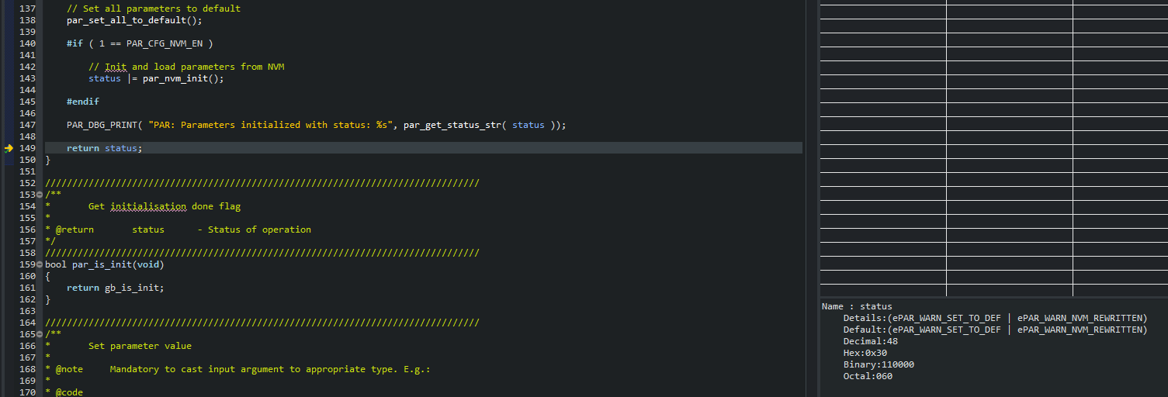
22
23
24
25
26
27
28
29
30
31
32

