Sets per day
gear | zone | sets_per_day
Beach | 13 | 7
Purse | 13 | 8
Beach | 45 | 10 | Distribution of sets per day per fisher in historical test and research fisheries. Number of sets in zone 1-3 is affected by tides.
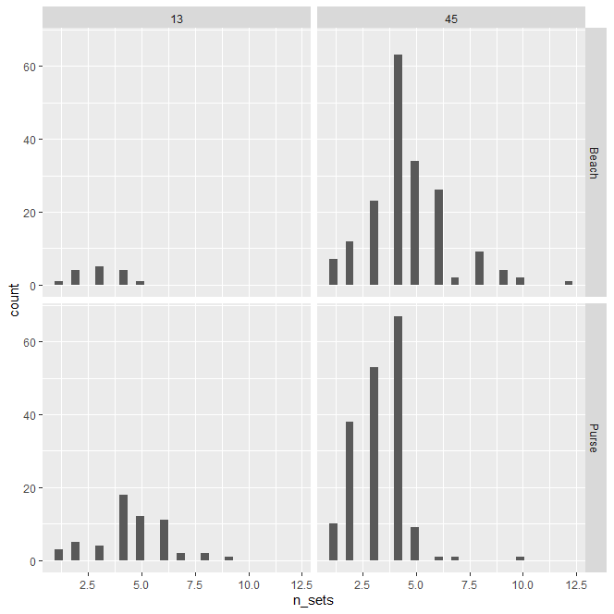
Purse | 45 | 8
Pound | 13 | 1
Pound | 45 | 1

