Normal
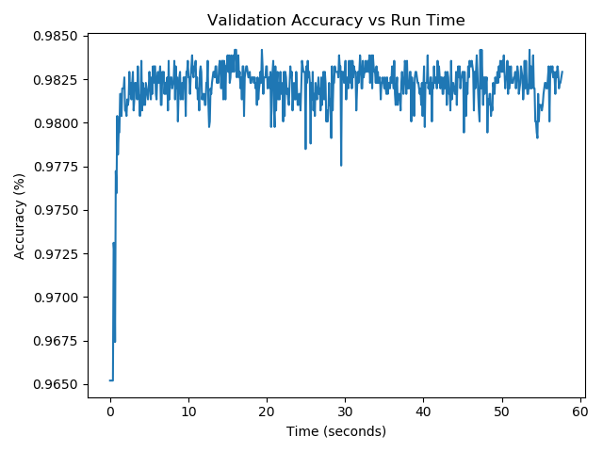
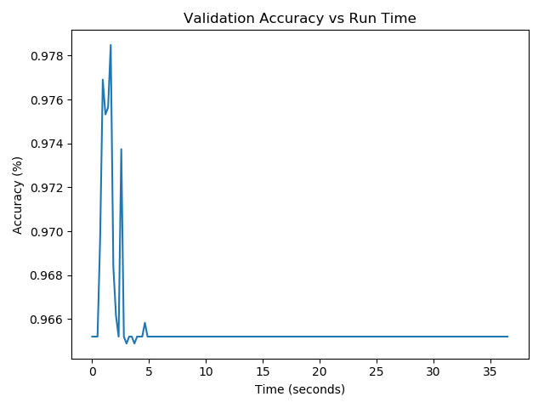
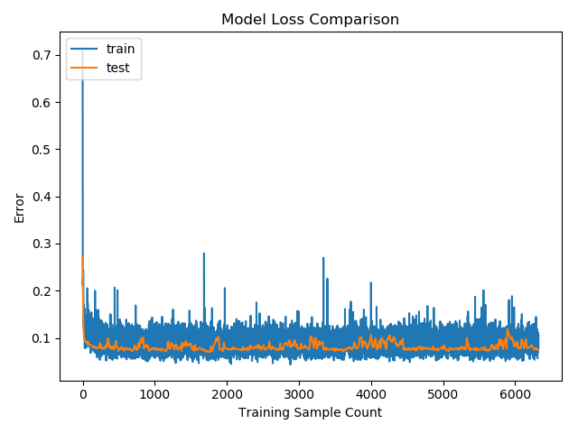
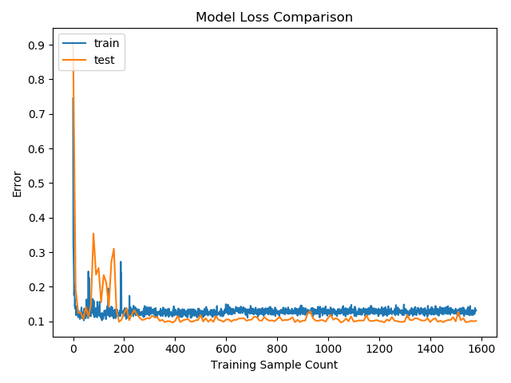
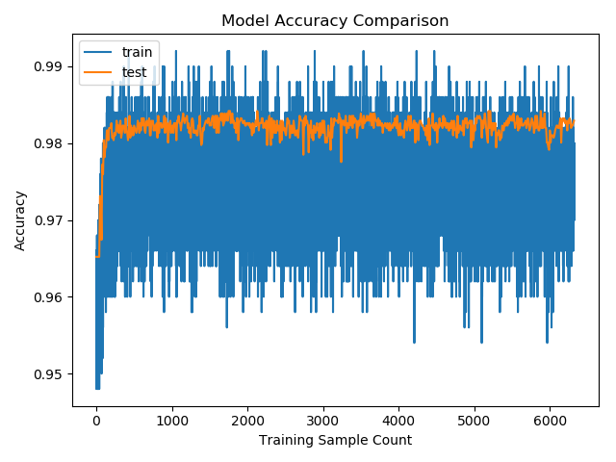
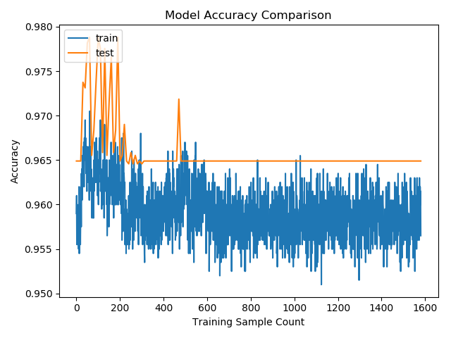
 | Trial 1 | Trial 2 | Trial 3 | Trial 4 | Trial 5 | Trial 6 | Trial 7 | Trial 8 | Trial 9 | Trial 10 | Trial 11 | Trial 12 | Trial 14 | Trial 15 | Trial 16 | Trial 17 | Trial 18 | Trial 19
n_folds | 10 | 10 | 10 | 10 | 10 | 10 | 10 | 10 | 10 | 10 | 10 | 10 | 10 | 10 | 10 | 10 | 10 | 10
test_share | 0.1 | 0.1 | 0.1 | 0.1 | 0.1 | 0.1 | 0.1 | 0.1 | 0.1 | 0.1 | 0.1 | 0.1 | 0.1 | 0.1 | 0.1 | 0.1 | 0.1 | 0.1
dev_share | 0.5 | 0.5 | 0.5 | 0.5 | 0.5 | 0.5 | 0.5 | 0.5 | 0.5 | 0.5 | 0.5 | 0.5 | 0.5 | 0.5 | 0.5 | 0.5 | 0.5 | 0.5
batch_iterator_type | normal | normal | normal | normal | normal | normal | normal | normal | normal | normal | normal | normal | normal | normal | normal | normal | normal | normal
dropout_keep_prob | 0.5 | 0.5 | 0.5 | 0.5 | 0.5 | 0.5 | 0.5 | 0.5 | 0.5 | 0.5 | 0.5 | 0.5 | 0.5 | 0.5 | 0.5 | 0.5 | 0.5 | 0.5
l2_reg_factor | 0.001 | 0.001 | 0.001 | 0.001 | 0.001 | 0.001 | 0.001 | 0.001 | 0.001 | 0.001 | 0.001 | 0.001 | 0.001 | 0.001 | 0.001 | 0.001 | 0.001 | 0.001
num_epochs | 1000 | 1000 | 1000 | 1000 | 1000 | 1000 | 1000 | 1000 | 1000 | 1000 | 1000 | 1000 | 1000 | 1000 | 1000 | 1000 | 1000 | 1000
batch_size | 500 | 500 | 500 | 100 | 100 | 100 | 1000 | 1000 | 1000 | 2000 | 2000 | 2000 | 1500 | 1500 | 1250 | 1750 | 1750 | 1750
learning_rate | 0.01 | 0.001 | 0.0001 | 0.01 | 0.001 | 0.0001 | 0.01 | 0.001 | 0.0001 | 0.1 | 0.001 | 0.0001 | 0.01 | 0.001 | 0.01 | 0.01 | 0.1 | 0.001
evaluate_every_n_steps | 10 | 10 | 10 | 10 | 10 | 10 | 10 | 10 | 10 | 10 | 10 | 10 | 10 | 10 | 10 | 10 | 10 | 10

Accuracy | 0.98 |  |  |  |  |  |  |  |  | 0.96
Precision | 0.84 |  |  |  |  |  |  |  |  | 0
Recall | 0.98 |  |  |  |  |  |  |  |  | 0.96
Log Loss | inf |  |  |  |  |  |  |  |  | 0.12
ROC AUC | 0.9 |  |  |  |  |  |  |  |  | 0.89
Run Time | 58.68 |  |  |  |  |  |  |  |  | 35.26

Performance Improvement Estimate | 0.01670074983 | #DIV/0! | #DIV/0! | #DIV/0! | #DIV/0! | #DIV/0! | #DIV/0! | #DIV/0! | #DIV/0! | 0.027226318775 | #DIV/0! | #DIV/0! | #DIV/0! | #DIV/0! | #DIV/0! | #DIV/0! | #DIV/0! | #DIV/0!

Oversampled
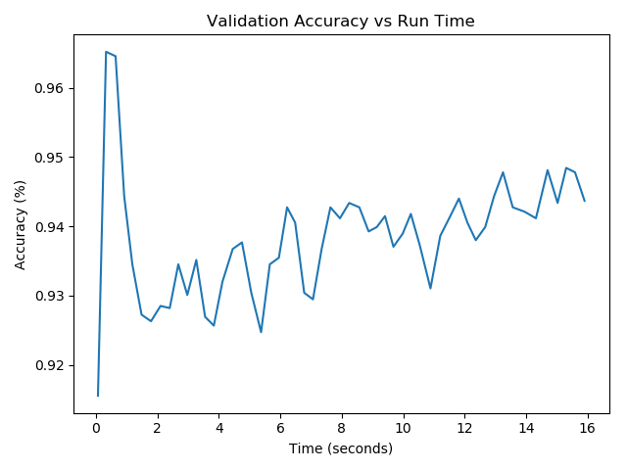
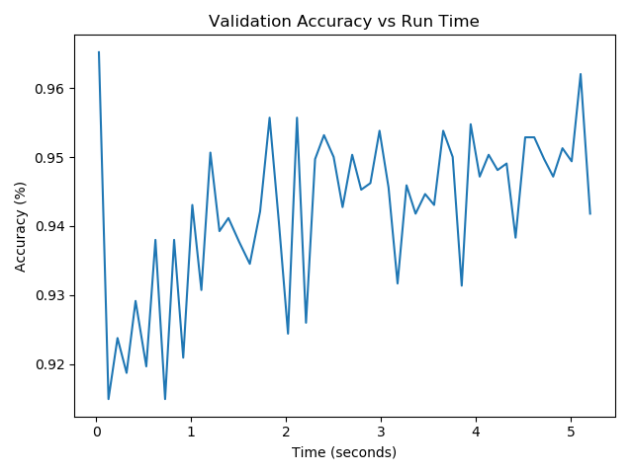
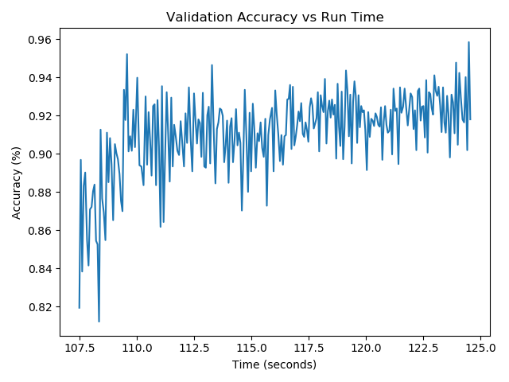
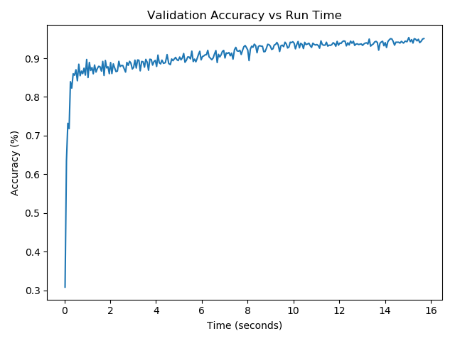
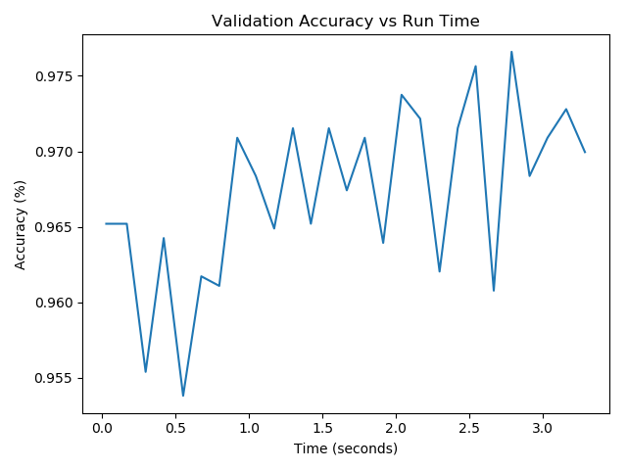
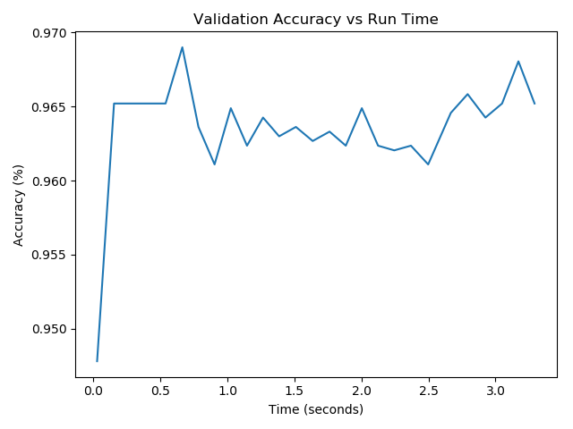
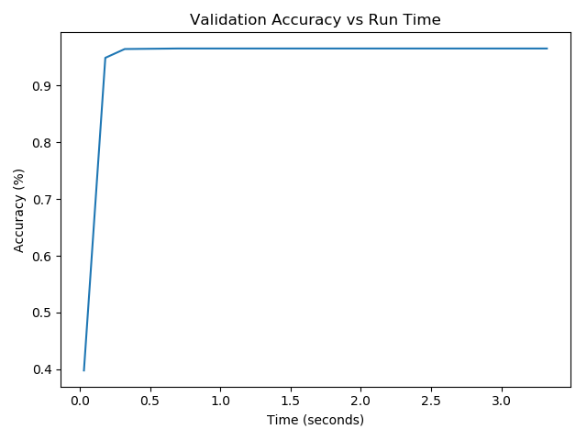
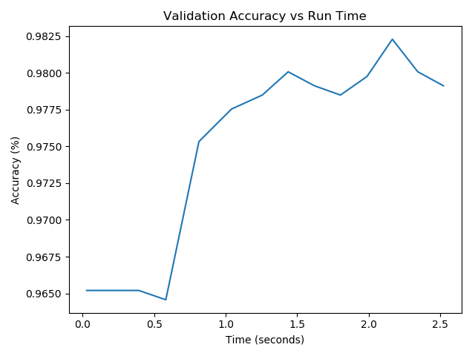
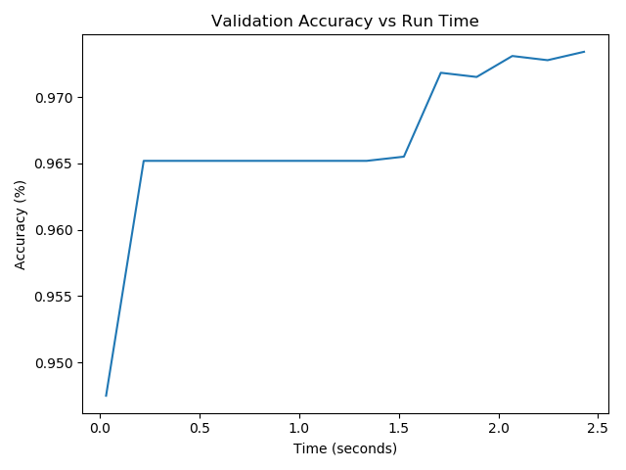
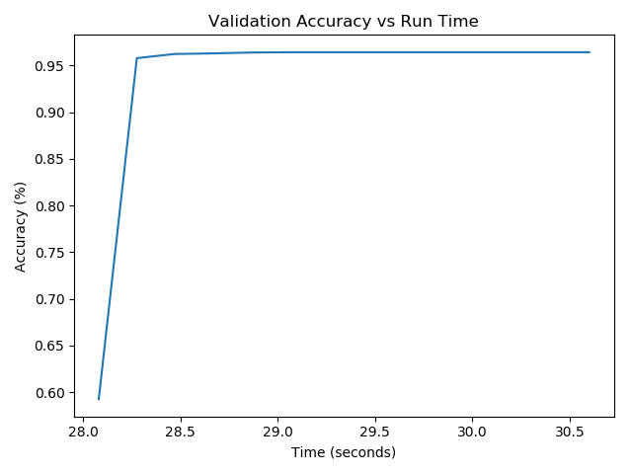
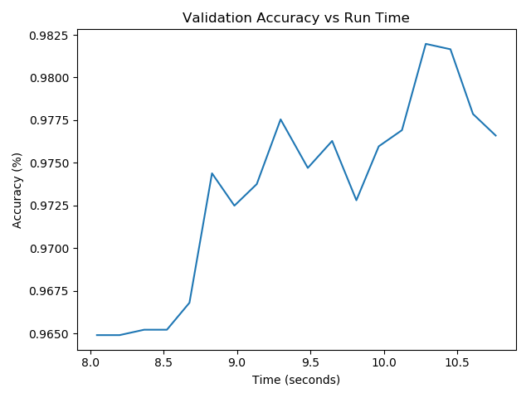
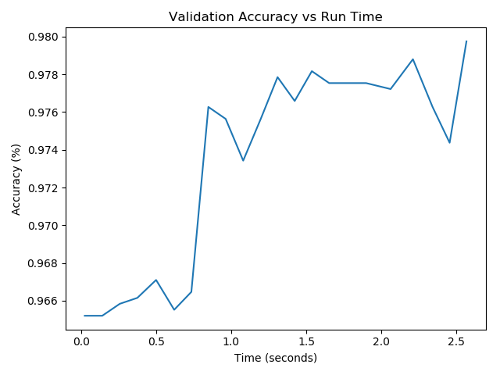
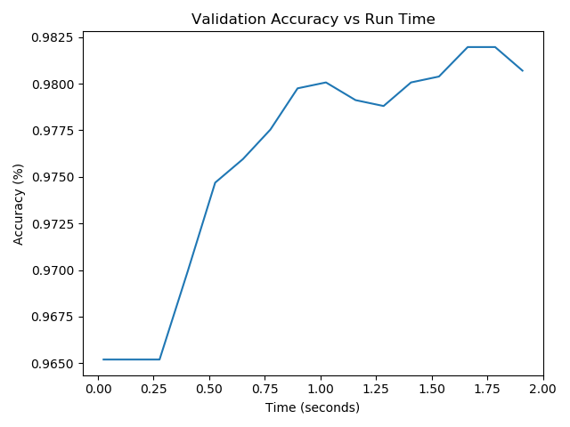
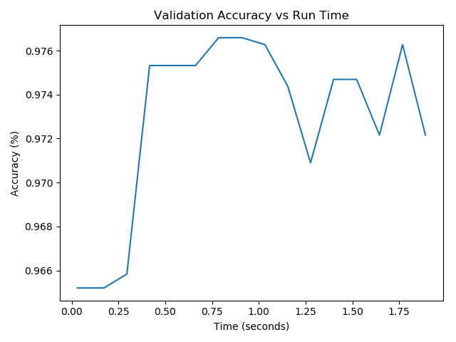
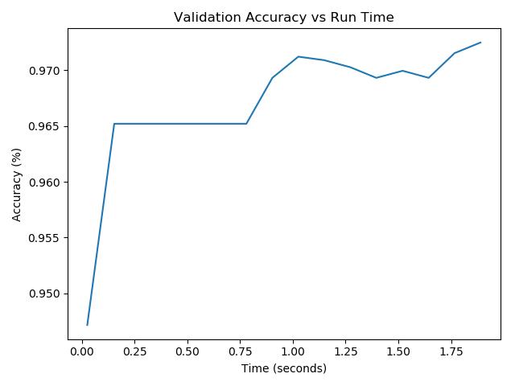
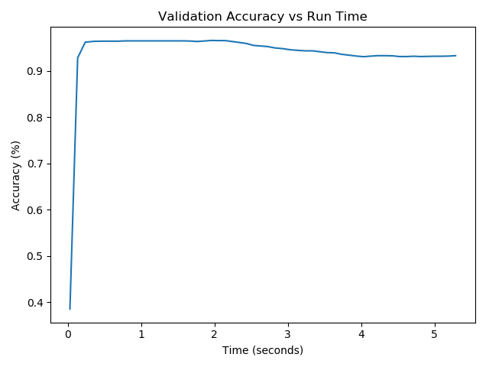
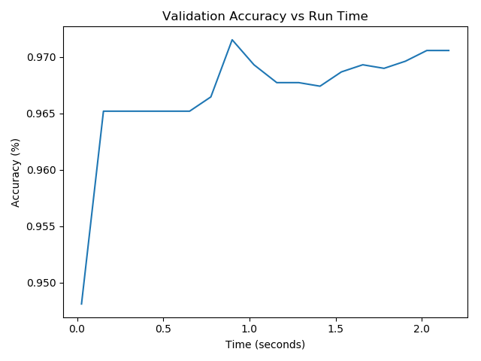
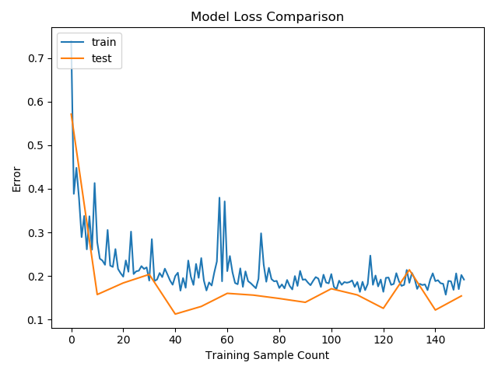
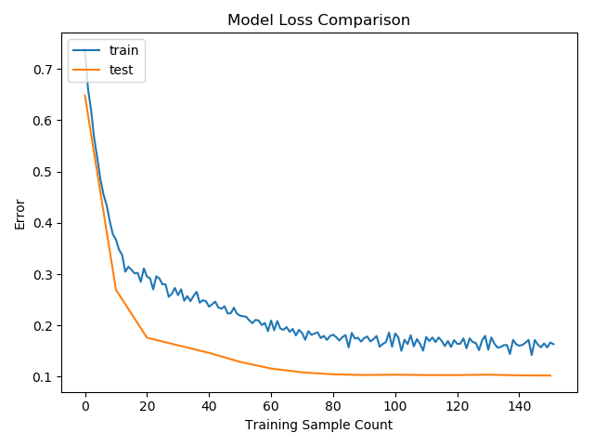
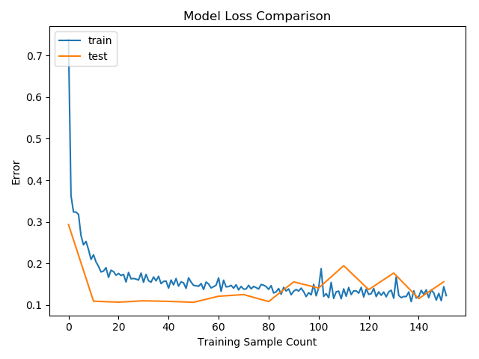
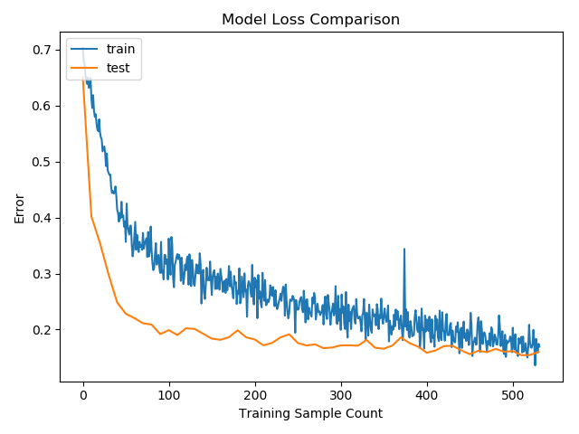
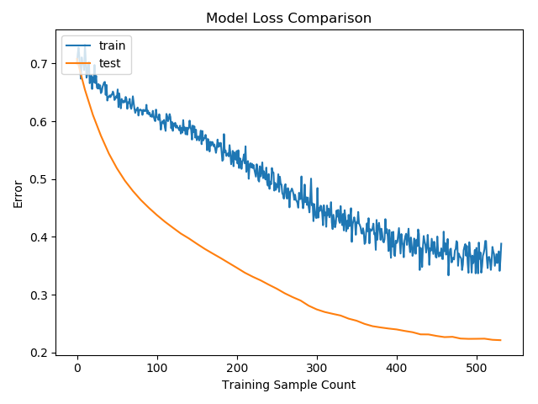
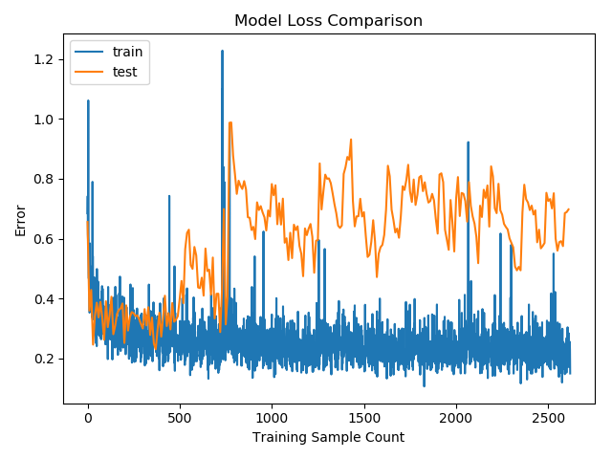
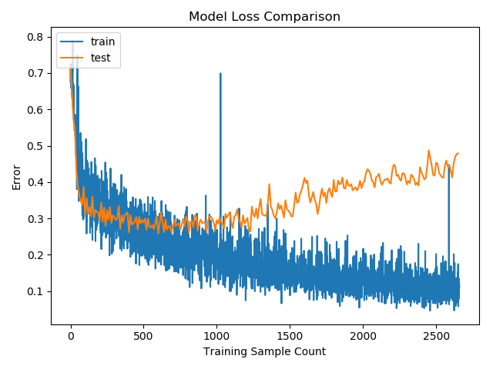
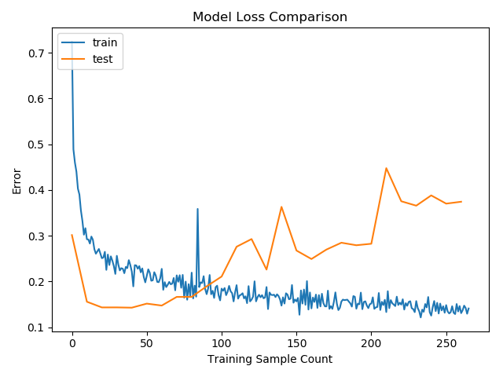
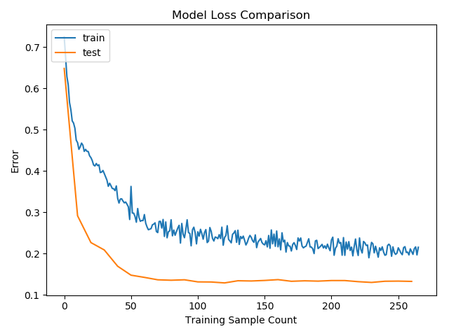
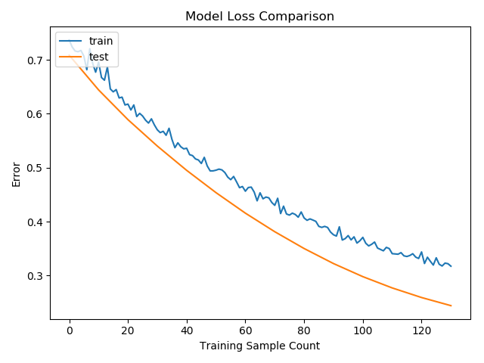
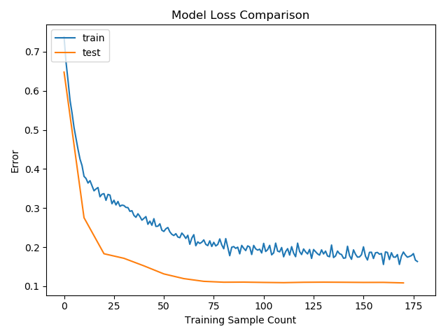
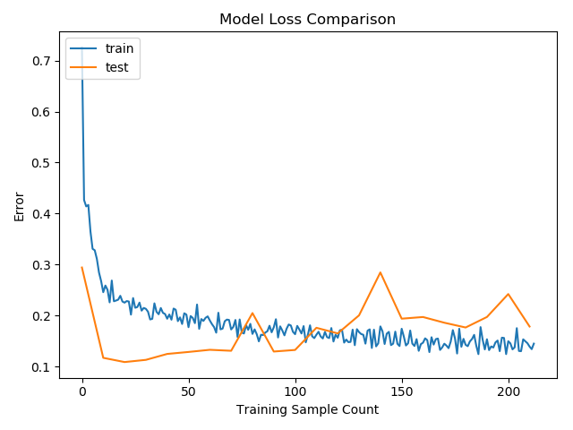
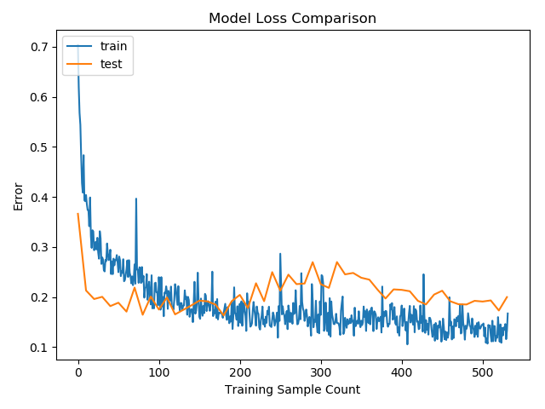
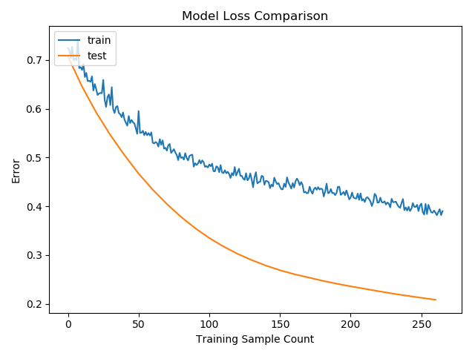
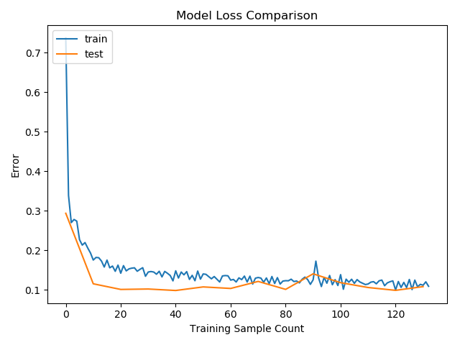
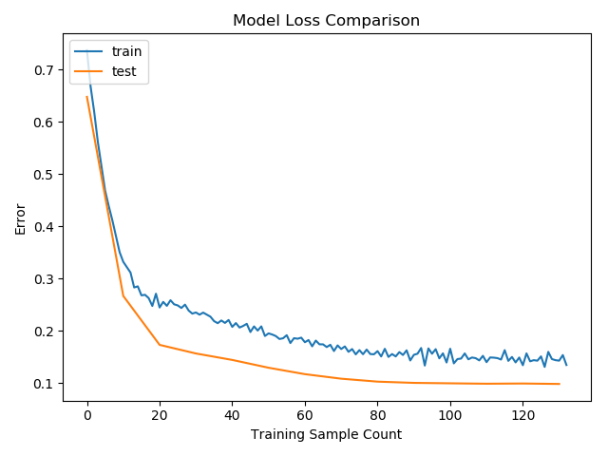
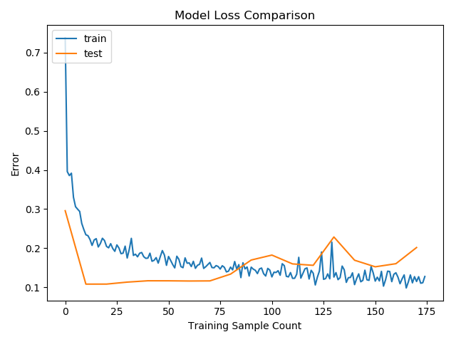
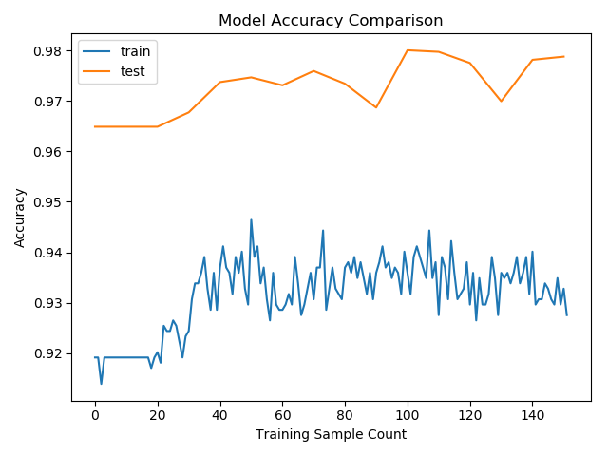
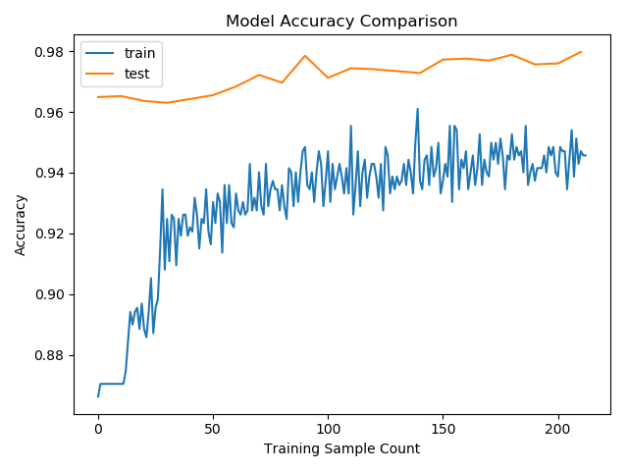
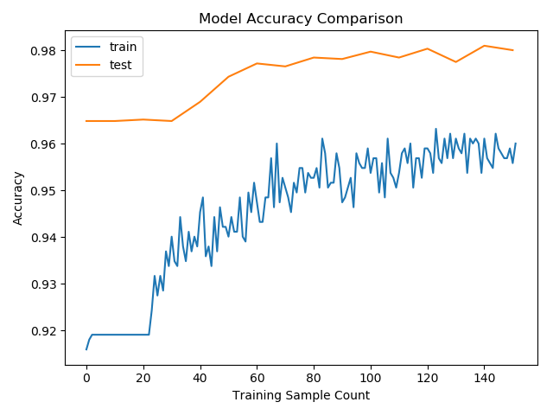
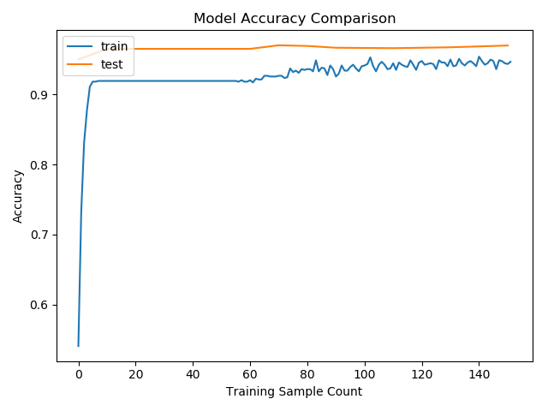
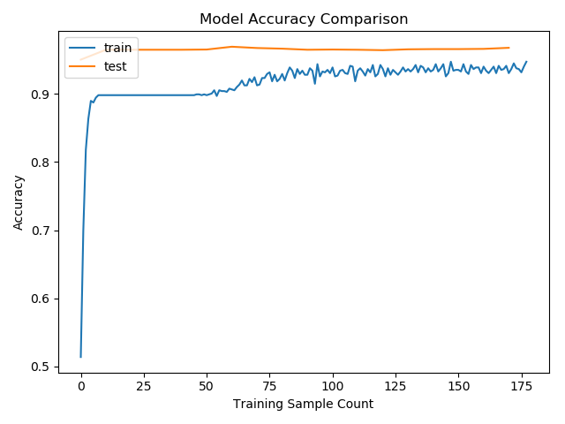
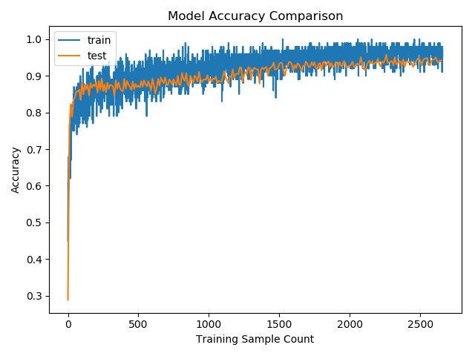
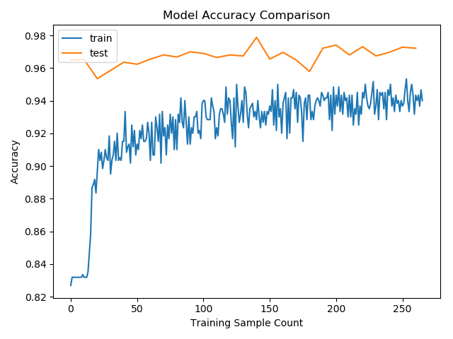
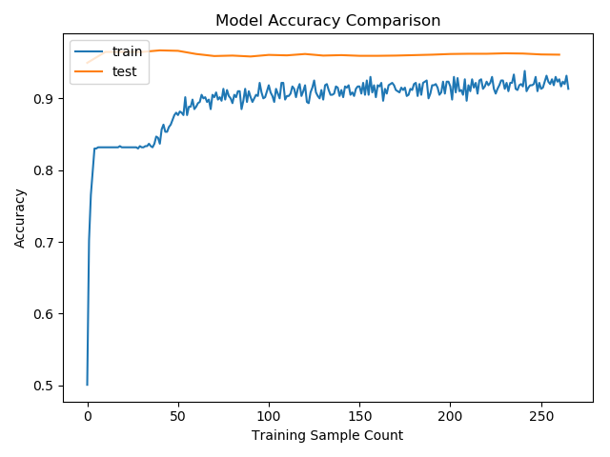
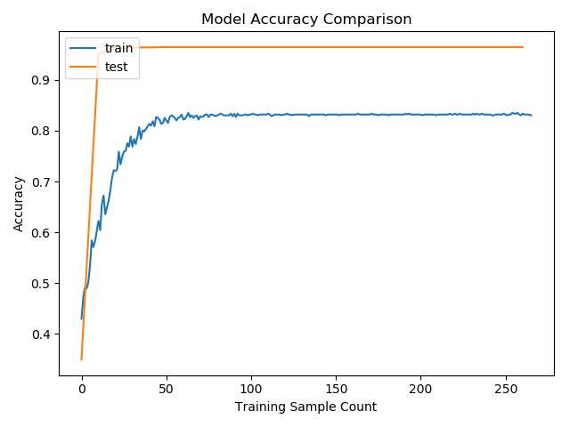
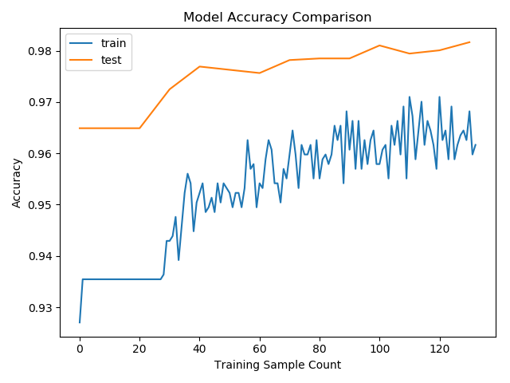







 | Trial 1 | Trial 2 | Trial 3 | Trial 4 | Trial 5 | Trial 6 | Trial 7 | Trial 8 | Trial 9 | Trial 10 | Trial 11 | Trial 12 | Trial 14 | Trial 15 | Trial 16 | Trial 17 | Trial 18 | Trial 19 | Trial 20 | Trial 21 | Trial 22
n_folds | 10 | 10 | 10 | 10 | 10 | 10 | 10 | 10 | 10 | 10 | 10 | 10 | 10 | 10 | 10 | 10 | 10 | 10 | 10 | 10 | 10
test_share | 0.1 | 0.1 | 0.1 | 0.1 | 0.1 | 0.1 | 0.1 | 0.1 | 0.1 | 0.1 | 0.1 | 0.1 | 0.1 | 0.1 | 0.1 | 0.1 | 0.1 | 0.1 | 0.1 | 0.1 | 0.1
dev_share | 0.5 | 0.5 | 0.5 | 0.5 | 0.5 | 0.5 | 0.5 | 0.5 | 0.5 | 0.5 | 0.5 | 0.5 | 0.5 | 0.5 | 0.5 | 0.5 | 0.5 | 0.5 | 0.5 | 0.5 | 0.5
batch_iterator_type | oversample | oversample | oversample | oversample | oversample | oversample | oversample | oversample | oversample | oversample | oversample | oversample | oversample | oversample | oversample | oversample | oversample | oversample | oversample | oversample | oversample
dropout_keep_prob | 0.5 | 0.5 | 0.5 | 0.5 | 0.5 | 0.5 | 0.5 | 0.5 | 0.5 | 0.5 | 0.5 | 0.5 | 0.5 | 0.5 | 0.5 | 0.5 | 0.5 | 0.5 | 0.5 | 0.5 | 0.5
l2_reg_factor | 0.001 | 0.001 | 0.001 | 0.001 | 0.001 | 0.001 | 0.001 | 0.001 | 0.001 | 0.001 | 0.001 | 0.001 | 0.001 | 0.001 | 0.001 | 0.001 | 0.001 | 0.001 | 0.001 | 0.001 | 0.001
num_epochs | 1000 | 1000 | 1000 | 1000 | 1000 | 1000 | 1000 | 1000 | 1000 | 1000 | 1000 | 1000 | 1000 | 1000 | 1000 | 1000 | 1000 | 1000 | 3000 | 1000 | 1000
batch_size | 500 | 500 | 500 | 100 | 100 | 100 | 1000 | 1000 | 1000 | 2000 | 2000 | 2000 | 1500 | 1500 | 1250 | 1750 | 1750 | 1750 | 2000 | 2000 | 2000
learning_rate | 0.01 | 0.001 | 0.0001 | 0.01 | 0.001 | 0.0001 | 0.01 | 0.001 | 0.0001 | 0.01 | 0.001 | 0.0001 | 0.01 | 0.001 | 0.01 | 0.01 | 0.1 | 0.001 | 0.1 | 0.01 | 0.001
evaluate_every_n_steps | 10 | 10 | 10 | 10 | 10 | 10 | 10 | 10 | 10 | 10 | 10 | 10 | 10 | 10 | 10 | 10 | 10 | 10 | 10 | 10 | 10

Accuracy | 0.94 | 0.95 | 0.93 | 0.9 | 0.94 | 0.88 | 0.97 | 0.96 | 0.96 | 0.98 | 0.97 | 0.96 | 0.98 | 0.96 | 0.97 | 0.98 | 0.97 | 0.97 | 0.96
Precision | 0.37 | 0.4 | 0.33 | 0.25 | 0.35 | 0.21 | 0.6 | 0.49 | 0 | 0.81 | 0.58 | 0 | 0.77 | 0.54 | 0.65 | 0.77 | 0.62 | 0.55 | 0.1
Recall | 0.94 | 0.95 | 0.93 | 0.9 | 0.94 | 0.88 | 0.97 | 0.96 | 0.96 | 0.98 | 0.97 | 0.96 | 0.98 | 0.96 | 0.97 | 0.98 | 0.97 | 0.97 | 0.96
Log Loss | nan | nan | nan | nan | inf | nan | inf | nan | 0.22 | inf | inf | 0.24 | inf | inf | inf | inf | nan | inf | 0.12
ROC AUC | 0.89 | 0.87 | 0.9 | 0.88 | 0.88 | 0.91 | 0.88 | 0.9 | 0.85 | 0.89 | 0.89 | 0.6 | 0.89 | 0.9 | 0.88 | 0.89 | 0.9 | 0.9 | 0.9
Run Time | 10.65 | 6.5 | 6.33 | 17.65 | 17.55 | 17.15 | 3.54 | 4.34 | 4.33 | 2.63 | 2.64 | 3.46 | 3.08 | 3.03 | 3.2 | 2.75 | 2.78 | 2.73 | 6.31

Performance Improvement Estimate | 0.088262910798 | 0.14615384615 | 0.14691943128 | 0.050991501416 | 0.053561253561 | 0.051311953353 | 0.27401129944 | 0.22119815668 | 0.22170900693 | 0.37262357414 | 0.36742424242 | 0.2774566474 | 0.31818181818 | 0.31683168317 | 0.303125 | 0.35636363636 | 0.34892086331 | 0.35531135531 | 0.15213946117 | #DIV/0! | #DIV/0!

