Sheet1
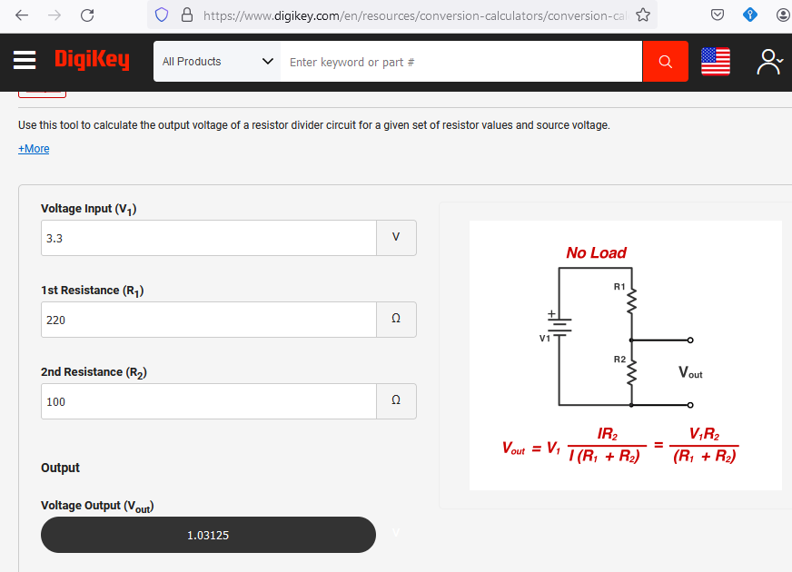
Input Voltage | R1 | R2 | output v
3.3 | 100 | 100 | 1.65
3.3 | 100 | 220 | 2.27
3.3 | 100 | 1200 | 3.05
3.3 | 100 | 4750 | 3.23
3.3 | 100 | 150000 | 3.30
3.3 | 100 | 750000 | 3.30
3.3 | 220 | 100 | 1.03 | *
3.3 | 220 | 220 | 1.65
3.3 | 220 | 1200 | 2.79
3.3 | 220 | 4750 | 3.15
3.3 | 220 | 150000 | 3.30
3.3 | 220 | 750000 | 3.30
3.3 | 1200 | 100 | 0.25
3.3 | 1200 | 220 | 0.51
3.3 | 1200 | 1200 | 1.65
3.3 | 1200 | 4750 | 2.63
3.3 | 1200 | 150000 | 3.27
3.3 | 1200 | 750000 | 3.29
3.3 | 4750 | 100 | 0.07
3.3 | 4750 | 220 | 0.15
3.3 | 4750 | 1200 | 0.67 | *
3.3 | 4750 | 4750 | 1.65
3.3 | 4750 | 150000 | 3.20
3.3 | 4750 | 750000 | 3.28
3.3 | 150000 | 100 | 0.00
3.3 | 150000 | 220 | 0.00
3.3 | 150000 | 1200 | 0.03
3.3 | 150000 | 4750 | 0.10
3.3 | 150000 | 150000 | 1.65
3.3 | 150000 | 750000 | 2.75
3.3 | 750000 | 100 | 0.00
3.3 | 750000 | 220 | 0.00
3.3 | 750000 | 1200 | 0.01
3.3 | 750000 | 4750 | 0.02
3.3 | 750000 | 150000 | 0.55
3.3 | 750000 | 750000 | 1.65

