Diagnosis
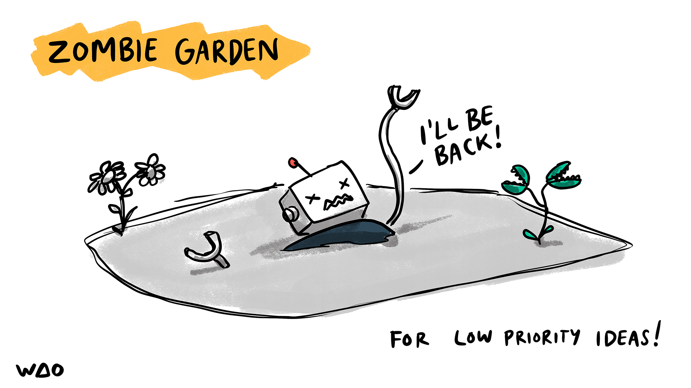
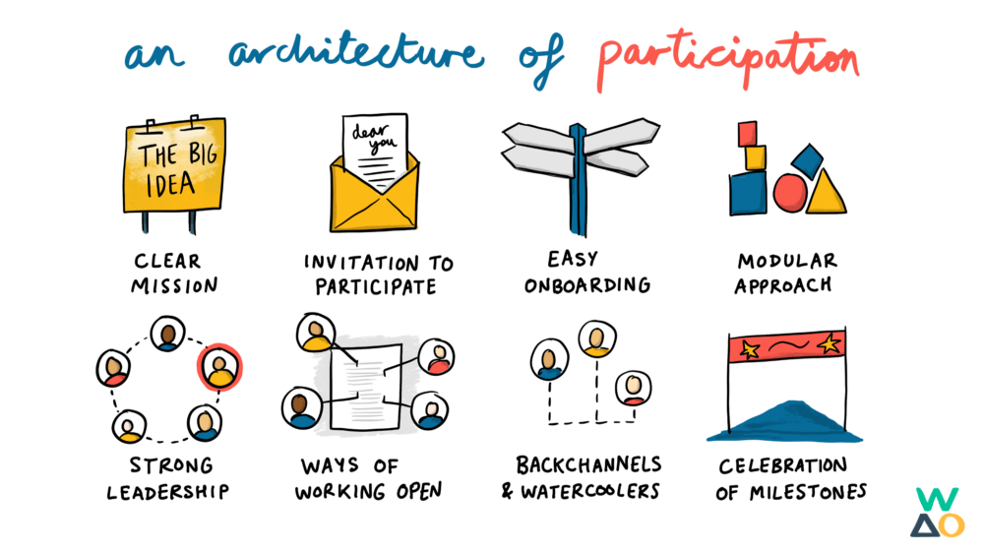
Organisation

Project / area

Date
2023-10-04

Key
0 = haven't considered
1 = less confident
2 = reasonably confident
3 = fully confident & evidenced

Clear mission | Invitation to participate | Easy onboarding | Modular approach | Strong leadership | Ways of working open | Backchannels & watercoolers | Celebration of milestones
1 | 2 | 0 | 2 | 3 | 2 | 1 | 2
Is it clear why this project, community, or other area of focus exists? What is it setting out to achieve? Is this written down for everyone to see? | Do you have an unambiguous call to action? Who are you asking to get involved? How are you communicating this to them? | Are there small, simple tasks or activities to get started with? How do people find out about them? How much of the overall picture do they need to understand first? | Is there a way which people can use their knowledge, skills, and interests to contribute to just part of the overall project? | Do the people in control of the project embody the mission? Do they have the respect of everyone else? Have they got the capacity to make the project a success? | Are meeting notes and documentation available to everyone? Are there ways for people to share what they're working on? Is any important information 'secret' or hidden? | Are there ‘social’ spaces where members of the project as well as those focused on project aims? Can they share photos of their pets as well as work towards shared goals? | Does the project recognise the efforts and input of the people involved? Do they feel valued and supported in the contribution they're making?
Notes / Evidence | Notes / Evidence | Notes / Evidence | Notes / Evidence | Notes / Evidence | Notes / Evidence | Notes / Evidence | Notes / Evidence

