(2)인덱스
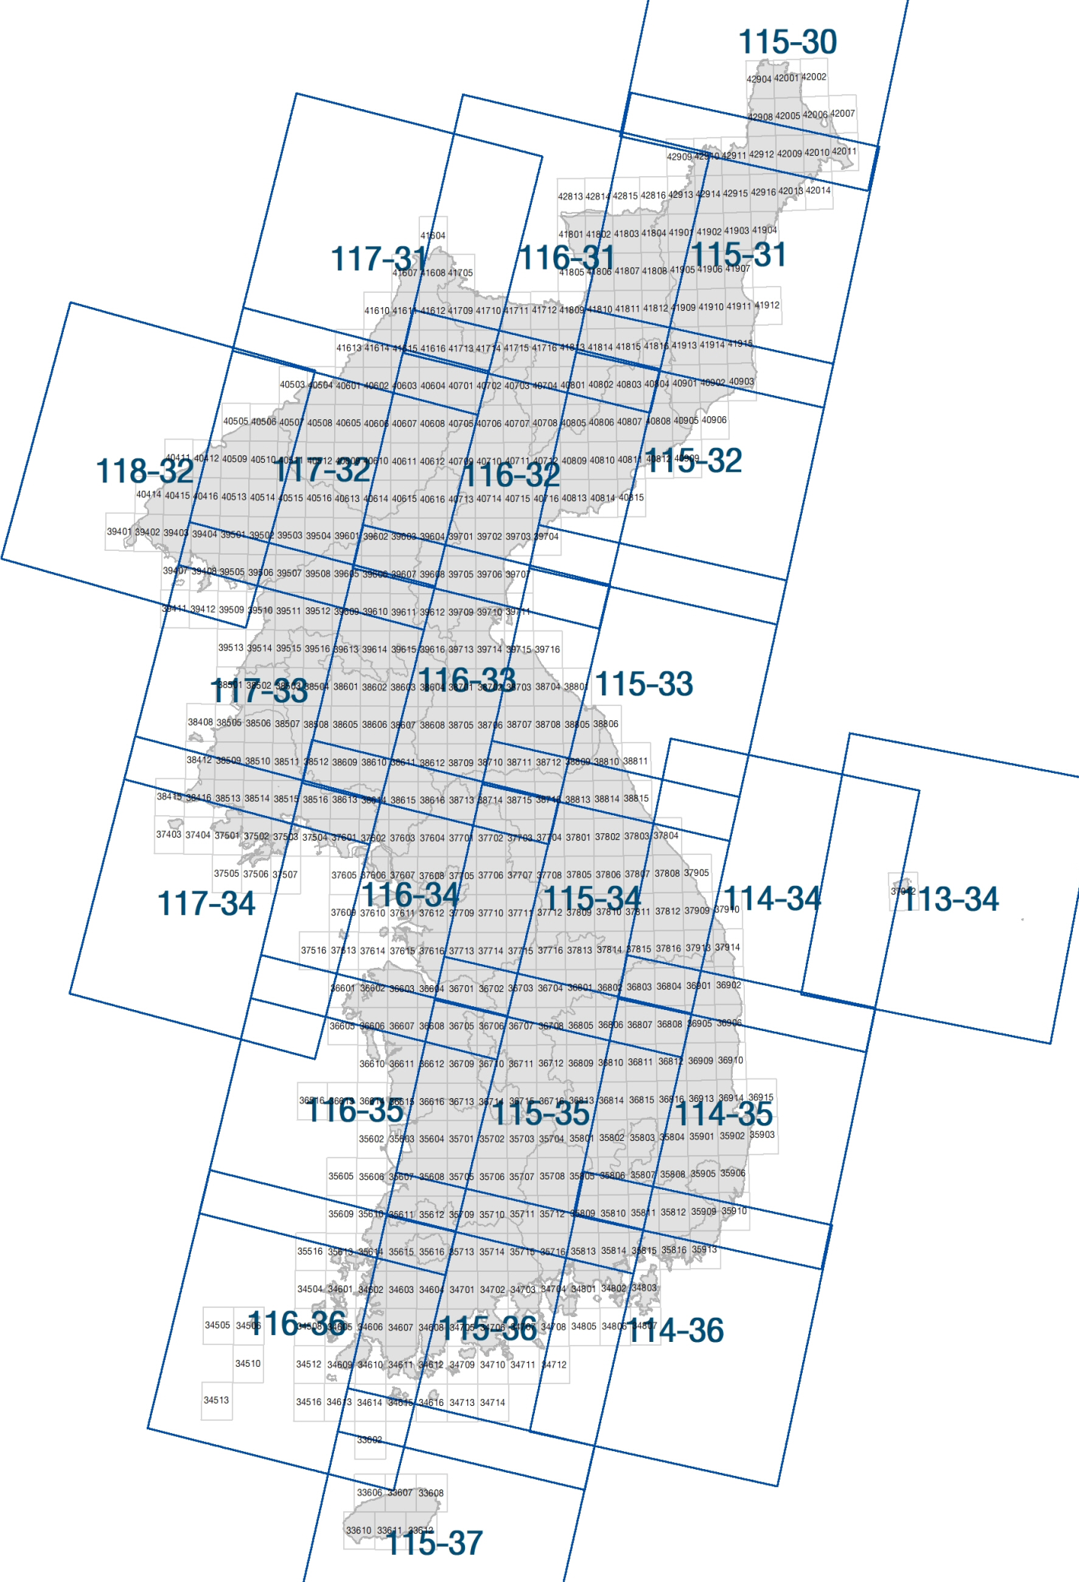
□ 대분류 토지피복지도 인덱스(영상,토지피복)
 | 영상 ID | : 영상인덱스 | 도엽번호 | : 피복인덱스

