Charts
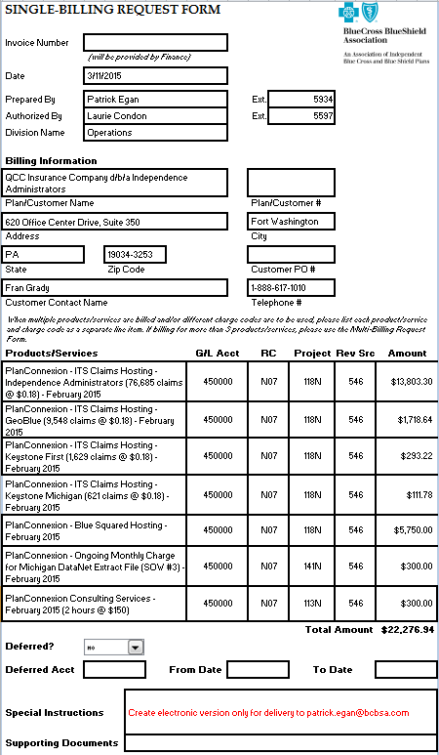
1. Accrual Worksheet - Plans vs Revenue vs Expenses
 | Sum of Revenue | Sum of Expenses
Arizona | 294250.94 | 0
BCN | 8007.33 | 0
CoreLink | 135750 | 0
HMSA | 45750 | 5500
Idaho | 30750 | 0
Independence Administrators | 21350 | 0
Kansas City | 75765 | 0
Louisiana | 96750 | 0
Michigan | 38069.07 | 0
Rhode Island | 42050 | 0
TMG | 34750 | 0
Topaz | 16050 | 0
Triple S | 8750 | 0
Vermont | 15750 | 0

 | 2. Accrual Worksheet - Services vs Revenue vs Expenses

 | Sum of Revenue | Sum of Expenses
Blue Squared On-going Fee (February) | 80500 | 0
Change Data Capture (CDS Pass-through) | 5800.94 | 0
Change Data Capture Operational Expenses | 2700 | 0
Consulting | 2400 | 0
Consuting - Onsite Session | 25000 | 0
Custom Post Processing Web Service | 30000 | 0
Custom Programming | 1000 | 1000
DataNet 3 | 185000 | 0
DNL Extract File Operational Costs | 300 | 0
DNL Extract File Operational Costs (January Usage) | 257.33 | 0
DNL Extract File Operational Costs (JanuaryUsage) | 319.07 | 0
ITS On-going Transaction Fees (February) | 526000 | 0
MLE SF Fee | 15 | 0
SF Transaction Fees | 4500 | 4500

 | 3. Accrual Worksheet - Charge code (Project) distribution over a period of time

 | Total
112N | 2
113N | 5
118N | 29
141N | 6
216N | 1

 | 4. Grand Billing Worksheet - Services and corresponding revenue generated

 | Total
112N — Change Data Capture | 8500.94
113N — Consulting Services | 26725
118N — BlueSquared On-Going Monthly Fee | 57500
118N — ITS Ongoing Transaction Fees | 38948.04
141N — Production Support For Custom Work | 8274.3354
216N - DataNet 3 | 185000

 |  | 5. Grand Billing Worksheet - Plan and corresponding revenue generated

 | Total
030530 - BCBS of Arizona | 199250.94
110610 - BC of Idaho Health Service | 5750
170670 - BCBS of Louisiana | 9050
210710 - BCBS of Michigan | 45017.1054
211711 - Blue Care Network of Michigan | 6007.33
240740 - BCBS of Kansas City | 5750
370870 - BCBS of Rhode Island | 5975
415915 - BCBS of Vermont | 5750
471971 - BCBS of Hawaii | 36647.94
973 - Triple-S | 5750

 |  | 6. Grand Billing Worksheet - Services and corresponding revenue share

 | Total
112N — Change Data Capture | 8500.94
113N — Consulting Services | 26725
118N — BlueSquared On-Going Monthly Fee | 57500
118N — ITS Ongoing Transaction Fees | 38948.04
141N — Production Support For Custom Work | 8274.3354
216N - DataNet 3 | 185000

 |  | 7. Monthly Claims Worksheet - Quaterly distribution of claims for all the plans

 | Sum of Jan-11 | Sum of Feb-11 | Sum of Mar-11
BC Idaho | 122162 | 131228 | 158150
BCBS Arizona | 0 | 0 | 0
BCBS Hawaii | 39625 | 40394 | 50933
BCBS Kansas City | 322102 | 303190 | 407641
BCBS Louisiana | 0 | 0 | 0
BCBS Michigan - Med Adv | 0 | 0 | 0
BCBS Rhode Island | 0 | 0 | 0
BCBS Vermont | 54060 | 56586 | 71491
BCN Michigan | 2421 | 10051 | 12980
CoreLink | 0 | 0 | 0
Plan A | 0 | 0 | 0
Plan B | 0 | 0 | 0
Plan C | 0 | 0 | 0
TMG - Arkansas | 0 | 0 | 0
TMG - HCSC | 0 | 0 | 0
TMG - Minnesota | 0 | 0 | 0
TMG - Northern Plains Alliance | 0 | 0 | 0
Triple S | 0 | 0 | 0

 |  | 8. Bill Acknowledgement Form

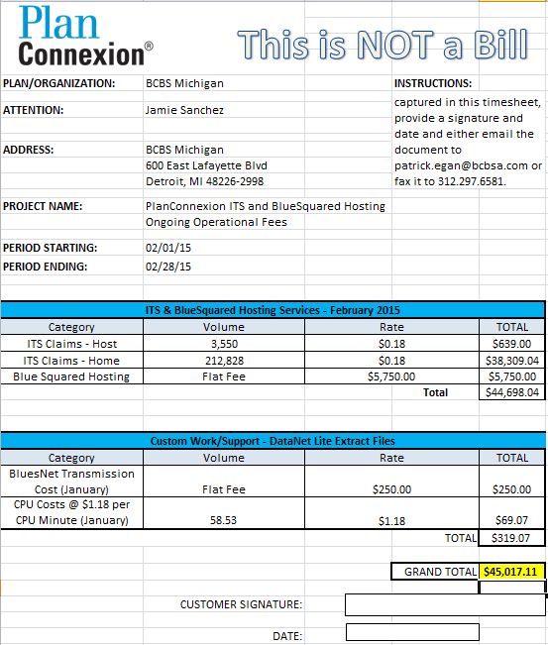

 |  | 8. Single Request Billing Form

