CUSTOMER ACKNOWLEDGEMENT REQUES
CUSTOMER ACKNOWLEDGEMENT REQUEST FORM
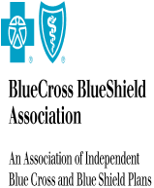
PLAN/ORGANIZATION: | TPS

ATTENTION: | Alex Shchekin

ADDRESS: | 100 North Wells Street
 | chicago
 | IL USA 60047

Change Data Capture

 | Service101 | 100/OnceOnly | 100
 | Service3 | 100/Monthly | 200

