CUSTOMER ACKNOWLEDGEMENT REQUES
CUSTOMER ACKNOWLEDGEMENT REQUEST FORM
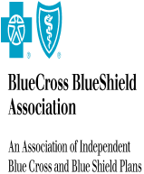
PLAN/ORGANIZATION: | TPS

ATTENTION: | Alex Shchekin

ADDRESS: | 100 North Wells Street
 | chicago
 | IL USA 60047

Change Data Capture

 | Service Name | Volume | Rate | Total
 | Service101 |  | 100 | 50
 | Service3 |  | 100 | 50
PlanConnexion Consulting

 | Service Name | Volume | Rate | Total
 | services203 |  | 14 | 10
 | Transaction ST | 1 | 500/1 | 500
PlanConnexion Shared Services

 | Service Name | Volume | Rate | Total
 | Service101 |  | 100 | 12
 | Service3 |  | 100 | 12
 | srvice404 |  | 0.04 | 2

