BILLING ACKNOWLEDGEMENT FORM
BILLING ACKNOWLEDGEMENT FORM
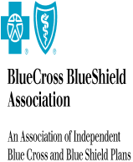
PLAN/ORGANIZATION: | TPS

ATTENTION: | Alex Shchekin

ADDRESS: | 100 North Wells Street
 | chicago
 | IL USA 60047

PlanConnecxion Shared Services

 | Service Name | Volume | Rate | Total
 | Service101 |  | $100 | $100
 | Service3 |  | $100 | $100
DataNet3

 | Service Name | Volume | Rate | Total
 | Service3 |  | $100 | $100
 | srvice404 | 0 | $0.04 | $200
 | services 403 |  | $0.04 | $10

