BILLING ACKNOWLEDGEMENT FORM
BILLING ACKNOWLEDGEMENT FORM
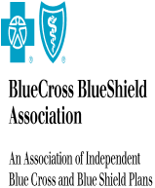
PLAN/ORGANIZATION: | 170670-BCBS of Lousiana

ATTENTION: | ww ww

ADDRESS: | ww

101N-PlanConnexion Shared Serv
 | Service Name | Volume | Rate | Total
 | Test Service 1 |  | $10 / Transaction | $100.00
 | test |  | $1222/ OnceOnly | $1200.00
 |  |  |  | #VALUE!

