BILLING ACKNOWLEDGEMENT FORM
BILLING ACKNOWLEDGEMENT FORM
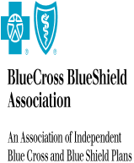
PLAN/ORGANIZATION: | TPS

ATTENTION: | Alex Shchekin

ADDRESS: | 100 North Wells Street
 | chicago
 | IL USA 60047

PlanConnecxion Shared Services
 | Service Name | Volume | Rate | Total
 | Product 1 |  | $100/ OnceOnly | $100.00
 | Product 1 |  | $2 / Transaction | $200.00
 | Product 1 |  | $200/ Hourly | $200.00
 |  |  |  | #VALUE!

