BILLING ACKNOWLEDGEMENT FORM
BILLING ACKNOWLEDGEMENT FORM
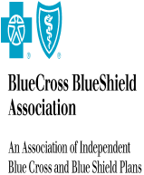
PLAN/ORGANIZATION: | 170670-BCBS of Lousiana

ATTENTION: | ww ww

ADDRESS: | ww

 | LA

112N-Change Data Capture
 | Service Name | Volume | Rate | Total
 | Change Data Capture | 100 | $2.00 / Transaction | $10.00
 |  |  |  | #VALUE!

101N-PlanConnexion Shared Serv
 | Service Name | Volume | Rate | Total
 | CBF Automation |  | $12,000.00/ Annual | $15,000.00
 | CBF Automation |  | $15,000.00/ SetUp | $20,000.00
 |  |  |  | #VALUE!

87U - BlueSquared Custom Progr
 | Service Name | Volume | Rate | Total
 | BlueSquared Custom Programming |  | $20.10/ Hourly | $18.00
 |  |  |  | #VALUE!

