BILLING ACKNOWLEDGEMENT FORM
BILLING ACKNOWLEDGEMENT FORM
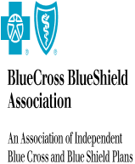
PLAN/ORGANIZATION: | Topaz

ATTENTION: | ss ss

ADDRESS: | ww
 | ww
 | AL

101N-PlanConnexion Shared Serv
 | Service Name | Volume | Rate | Total
 | Annual APIC 2 Fee |  | $100.00/ | $100.00
 | CBF Automation |  | $100.00/ | $100.00
 |  |  |  | #VALUE!

112N-Change Data Capture
 | Service Name | Volume | Rate | Total
 | Change Data Capture |  | $200.00/ | $200.00
 |  |  |  | #VALUE!

120N-Shared Software Solutions
 | Service Name | Volume | Rate | Total
 | Test-Transaction Service 001 | 100 | $20.00 / 100 Transaction | $20.00
 |  |  |  | #VALUE!

