2022-06-12 FANG
symbol: FANG
sector: Energy
Index: SP500
supply trend: 49440914.67473525
risk trend factor: 2.7344633265558405
beta currentRatio debtToEquity dividendRate dividendYield \
FANG 2.181941 0.72 42.218 2.8 0.0181

earningsGrowth ebitda ebitdaMargins forwardPE freeCashflow \
FANG 2.278 5041999872 0.65762 7.115401 953625024

grossMargins grossProfits heldPercentInstitutions industry \
FANG 0.86683 5577000000 0.91778 Oil & Gas E&P

marketCap operatingCashflow operatingMargins payoutRatio pegRatio \
FANG 28453900288 4572000256 0.48611 0.1272 0.39

priceToBook priceToSalesTrailing12Months profitMargins quickRatio \
FANG 2.233632 3.711217 0.35751 0.656

returnOnAssets returnOnEquity revenueGrowth revenuePerShare sector \
FANG 0.10278 0.22396 1.034 42.596 Energy

sharesOutstanding shortRatio totalCash totalCashPerShare totalDebt \
FANG 177492992 2.75 149000000 0.839 5848000000

totalRevenue trailingPE
FANG 7666999808 10.57384
 | Adj Close | 21dBOLD | 21dMA-TP | 21dBOLU | 90dSMA | 90dSDev | 90d_lower | 90d_upper
2022-06-10 | 155.490005 | 120.025332 | 143.822381 | 167.61943 | 138.226666 | 9.525387 | 119.175893 | 157.27744

 | volume_factor | latest_p | vol_30d_2yr | pct_2yr | adf | hurst
FANG | 1.227123 | 155.490005 | 49440914.675 | 0.951302 | 0.837164 | 0.472651

l axis
 | legend
blue | symbol
green | trailing_1yr_max
red | trailing_1yr_min
black | linear
yellow | supply_trend_1yr

r axis
 | legend
magenta | sector
cyan | index

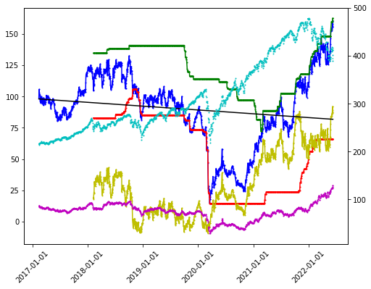
ets next 13 weeks
['ets_TT', 'ets_FT', 'ets_TF', 'ets_FF']
[423.4047758397133, 1748.1382328733205, 437.55604705023154, 422.6826829939061]
best model: ets_FF
best score: 422.6826829939061
sell date: 2022-09-11
expected return: 0.14510888959442717
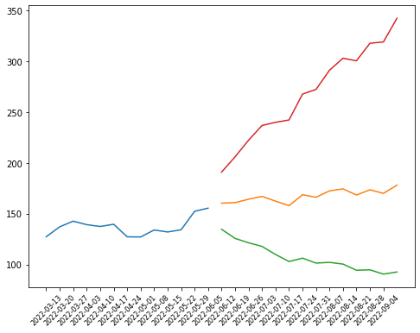
['options', ('2022-06-17', '2023-01-20', '2024-01-19')]

2022-06-12 NFG
symbol: NFG
sector: Energy
Index: SP400
supply trend: 11033521.558245083
risk trend factor: 2.6550357052664886
beta currentRatio debtToEquity dividendRate dividendYield \
NFG 0.723039 0.633 132.864 1.82 0.0271

earningsGrowth ebitda ebitdaMargins forwardPE freeCashflow \
NFG 0.694 1026038976 0.5552 13.185118 113741128

grossMargins grossProfits heldPercentInstitutions industry \
NFG 0.61861 1095026000 0.75657 Oil & Gas Integrated

marketCap operatingCashflow operatingMargins payoutRatio pegRatio \
NFG 6624960512 758292992 0.37081 0.3534 1.2

priceToBook priceToSalesTrailing12Months profitMargins quickRatio \
NFG 3.708525 3.584827 0.22633 0.45

returnOnAssets returnOnEquity revenueGrowth revenuePerShare sector \
NFG 0.05856 0.20134 0.239 20.265 Energy

sharesOutstanding shortRatio totalCash totalCashPerShare totalDebt \
NFG 91190096 3.78 79065000 0.865 2803702016

totalRevenue trailingPE
NFG 1848056064 18.299747
 | Adj Close | 21dBOLD | 21dMA-TP | 21dBOLU | 90dSMA | 90dSDev | 90d_lower | 90d_upper
2022-06-10 | 72.650002 | 66.029887 | 71.394603 | 76.75932 | 70.114762 | 2.669158 | 64.776446 | 75.453077

 | volume_factor | latest_p | vol_30d_2yr | pct_2yr | adf | hurst
NFG | 0.912129 | 72.650002 | 11033521.558 | 0.912861 | 0.982328 | 0.468009

l axis
 | legend
blue | symbol
green | trailing_1yr_max
red | trailing_1yr_min
black | linear
yellow | supply_trend_1yr

r axis
 | legend
magenta | sector
cyan | index

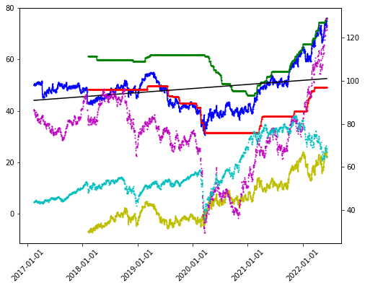
ets next 13 weeks
['ets_TT', 'ets_FT', 'ets_TF', 'ets_FF']
[23.208236807713128, 69.07518426066642, 23.080219291457585, 23.277824636403416]
best model: ets_TF
best score: 23.080219291457585
sell date: 2022-08-07
expected return: 0.09494729474772362
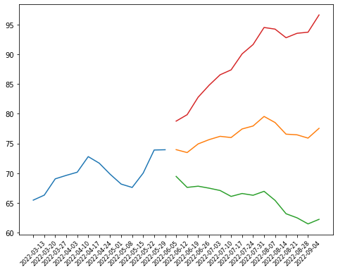
['quarterly_balance_sheet', 2021-12-31 2021-09-30 2021-06-30 \
Capital Surplus 1.013821e+09 1.017446e+09 1.012703e+09
Total Liab 5.479478e+09 5.678619e+09 5.197561e+09
Total Stockholder Equity 2.110195e+09 1.786206e+09 2.011114e+09
Deferred Long Term Liab 2.536600e+08 2.290640e+08 3.343380e+08
Other Current Liab 4.894420e+08 8.377480e+08 4.037490e+08
Total Assets 7.589673e+09 7.464825e+09 7.208675e+09
Common Stock 9.143700e+07 9.118200e+07 9.117300e+07
Other Current Assets 6.503700e+07 1.509440e+08 2.513100e+07
Retained Earnings 1.281963e+09 1.191175e+09 1.145700e+09
Other Liab 1.952837e+09 1.794161e+09 1.969099e+09
Good Will 5.476000e+06 5.476000e+06 5.476000e+06
Treasury Stock -2.770260e+08 -5.135970e+08 -2.384620e+08
Other Assets 4.572680e+08 4.239440e+08 4.727480e+08
Cash 7.906500e+07 3.152800e+07 1.180120e+08
Total Current Liabilities 8.961390e+08 1.236133e+09 6.006020e+08
Other Stockholder Equity -2.770260e+08 -5.135970e+08 -2.384620e+08
Property Plant Equipment 6.498855e+09 6.407884e+09 6.185657e+09
Total Current Assets 5.671900e+08 5.224490e+08 4.395570e+08
Long Term Investments 6.088400e+07 1.050720e+08 1.052370e+08
Net Tangible Assets 2.104719e+09 1.780730e+09 2.005638e+09
Net Receivables 3.246070e+08 2.237960e+08 2.016750e+08
Long Term Debt 2.629602e+09 2.628687e+09 2.627860e+09
Inventory 7.011800e+07 8.722900e+07 6.619100e+07
Accounts Payable 1.299340e+08 1.716550e+08 1.134700e+08

2021-03-31
Capital Surplus 1.009075e+09
Total Liab 5.016683e+09
Total Stockholder Equity 2.098969e+09
Deferred Long Term Liab 3.362960e+08
Other Current Liab 2.410690e+08
Total Assets 7.115652e+09
Common Stock 9.116400e+07
Other Current Assets 2.553100e+07
Retained Earnings 1.100718e+09
Other Liab 1.986678e+09
Good Will 5.476000e+06
Treasury Stock -1.019880e+08
Other Assets 4.728080e+08
Cash 8.046700e+07
Total Current Liabilities 4.029720e+08
Other Stockholder Equity -1.019880e+08
Property Plant Equipment 6.076070e+09
Total Current Assets 4.571840e+08
Long Term Investments 1.041140e+08
Net Tangible Assets 2.093493e+09
Net Receivables 2.621640e+08
Long Term Debt 2.627033e+09
Inventory 5.795700e+07
Accounts Payable 1.073050e+08 ]
['quarterly_cashflow', 2021-12-31 2021-09-30 \
Investments 30000000.0 30000000.0
Change To Liabilities -13491000.0 41101000.0
Total Cashflows From Investing Activities -169710000.0 -236247000.0
Net Borrowings 7500000.0 158500000.0
Total Cash From Financing Activities -42846000.0 116920000.0
Change To Operating Activities -8703000.0 -74859000.0
Net Income 132392000.0 86962000.0
Change In Cash -41073000.0 416000.0
Repurchase Of Stock -8859000.0 -97000.0
Total Cash From Operating Activities 171483000.0 119743000.0
Depreciation 88578000.0 83671000.0
Other Cashflows From Investing Activities 13781000.0 2712000.0
Dividends Paid -41487000.0 -41483000.0
Change To Inventory 17111000.0 -21038000.0
Change To Account Receivables -98688000.0 -20680000.0
Change To Netincome 54284000.0 24586000.0
Capital Expenditures -213491000.0 -238959000.0

2021-06-30 2021-03-31
Investments 30000000.0 30000000.0
Change To Liabilities -1139000.0 -6878000.0
Total Cashflows From Investing Activities -174780000.0 -155320000.0
Net Borrowings 158500000.0 -45448000.0
Total Cash From Financing Activities -40642000.0 -86016000.0
Change To Operating Activities 418000.0 -12453000.0
Net Income 86475000.0 112436000.0
Change In Cash 39255000.0 -28946000.0
Repurchase Of Stock -71000.0 -8000.0
Total Cash From Operating Activities 254677000.0 212390000.0
Depreciation 84170000.0 84342000.0
Other Cashflows From Investing Activities -872000.0 246000.0
Dividends Paid -40571000.0 -40560000.0
Change To Inventory -8234000.0 13385000.0
Change To Account Receivables 60426000.0 -37553000.0
Change To Netincome 32561000.0 59111000.0
Capital Expenditures -173908000.0 -155566000.0 ]
['quarterly_earnings', Revenue Earnings
Quarter
1Q2021 551115000 112436000
2Q2021 394397000 86475000
3Q2021 355988000 86962000
4Q2021 546557000 132392000]
['quarterly_financials', 2021-12-31 2021-09-30 2021-06-30 \
Research Development None None None
Effect Of Accounting Charges None None None
Income Before Tax 177289000.0 101682000.0 116810000.0
Minority Interest None None None
Net Income 132392000.0 86962000.0 86475000.0
Selling General Administrative 2951000.0 373000.0 4847000.0
Gross Profit 322738000.0 239398000.0 258732000.0
Ebit 206708000.0 131900000.0 145223000.0
Operating Income 206708000.0 131900000.0 145223000.0
Other Operating Expenses 24501000.0 23454000.0 24492000.0
Interest Expense -31291000.0 -30431000.0 -31232000.0
Extraordinary Items None None None
Non Recurring None None None
Other Items None None None
Income Tax Expense 44897000.0 14720000.0 30335000.0
Total Revenue 546557000.0 355988000.0 394397000.0
Total Operating Expenses 339849000.0 224088000.0 249174000.0
Cost Of Revenue 223819000.0 116590000.0 135665000.0
Total Other Income Expense Net -29419000.0 -30218000.0 -28413000.0
Discontinued Operations None None None
Net Income From Continuing Ops 132392000.0 86962000.0 86475000.0
Net Income Applicable To Common Shares 132392000.0 86962000.0 86475000.0

2021-03-31
Research Development None
Effect Of Accounting Charges None
Income Before Tax 152646000.0
Minority Interest None
Net Income 112436000.0
Selling General Administrative 12597000.0
Gross Profit 322368000.0
Ebit 201442000.0
Operating Income 201442000.0
Other Operating Expenses 23987000.0
Interest Expense -50518000.0
Extraordinary Items None
Non Recurring None
Other Items None
Income Tax Expense 40210000.0
Total Revenue 551115000.0
Total Operating Expenses 349673000.0
Cost Of Revenue 228747000.0
Total Other Income Expense Net -48796000.0
Discontinued Operations None
Net Income From Continuing Ops 112436000.0
Net Income Applicable To Common Shares 112436000.0 ]
['mutualfund_holders', Holder Shares Date Reported \
0 SPDR (R) Ser Tr- SPDR (R) S&P (R) Dividend ETF 3976535 2022-01-30
1 JP Morgan Mid Cap Value Fund 3731484 2021-12-30
2 Vanguard Total Stock Market Index Fund 2589317 2021-12-30
3 iShares Core S&P Midcap ETF 2527575 2022-01-30
4 Price (T.Rowe) Mid-Cap Value Fund 2403328 2021-12-30
5 Vanguard Small-Cap Index Fund 2299210 2021-12-30
6 Gabelli Utilities Fund 1705500 2021-12-30
7 Vanguard Small Cap Value Index Fund 1455965 2021-12-30
8 Vanguard Extended Market Index Fund 1204306 2021-12-30
9 Price (T.Rowe) Mid-Cap Value Equity Trust 1011543 2021-12-30

% Out Value
0 0.0435 241494970
1 0.0408 238591086
2 0.0283 165560928
3 0.0276 153499629
4 0.0263 153668792
5 0.0251 147011487
6 0.0186 109049670
7 0.0159 93094402
8 0.0132 77003325
9 0.0111 64678059 ]
['options', ('2022-07-15',)]

2022-06-12 OXY
symbol: OXY
sector: Energy
Index: SP500
supply trend: 312554843.6459909
risk trend factor: 2.6206123783270985
beta currentRatio debtToEquity dividendRate dividendYield \
OXY 1.955081 1.156 111.198 0.52 0.0075

ebitda ebitdaMargins forwardPE freeCashflow grossMargins \
OXY 15392000000 0.53054 8.023869 9129875456 0.64697

grossProfits heldPercentInstitutions industry marketCap \
OXY 16297000000 0.82201 Oil & Gas E&P 59858386944

operatingCashflow operatingMargins payoutRatio pegRatio priceToBook \
OXY 12762999808 0.25255 0.0242 0.27 3.952352

priceToSalesTrailing12Months profitMargins quickRatio returnOnAssets \
OXY 2.063229 0.25314 0.844 0.05964

returnOnEquity revenueGrowth revenuePerShare sector sharesOutstanding \
OXY 0.34101 0.577 30.999 Energy 937190976

shortRatio totalCash totalCashPerShare totalDebt totalRevenue \
OXY 1.91 1908999936 2.037 27696001024 29012000768

trailingPE
OXY 9.548512
 | Adj Close | 21dBOLD | 21dMA-TP | 21dBOLU | 90dSMA | 90dSDev | 90d_lower | 90d_upper
2022-06-10 | 63.869999 | 60.711375 | 66.862064 | 73.012753 | 61.107143 | 4.905649 | 51.295845 | 70.918441

 | volume_factor | latest_p | vol_30d_2yr | pct_2yr | adf | hurst
OXY | 1.797943 | 63.869999 | 312554843.65 | 0.84478 | 0.777852 | 0.546207

l axis
 | legend
blue | symbol
green | trailing_1yr_max
red | trailing_1yr_min
black | linear
yellow | supply_trend_1yr

r axis
 | legend
magenta | sector
cyan | index

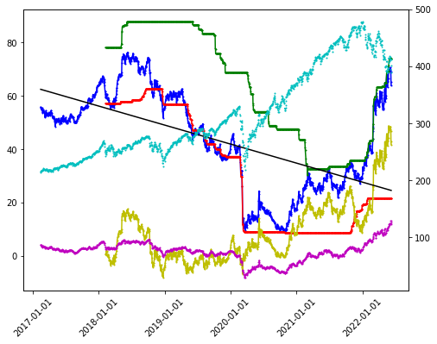
ets next 13 weeks
['ets_TT', 'ets_FT', 'ets_TF', 'ets_FF']
[168.49397026031474, 346.4607706800462, 170.42773172733027, 168.4939232595021]
best model: ets_FF
best score: 168.4939232595021
sell date: 2022-09-11
expected return: 0.3024726047644143
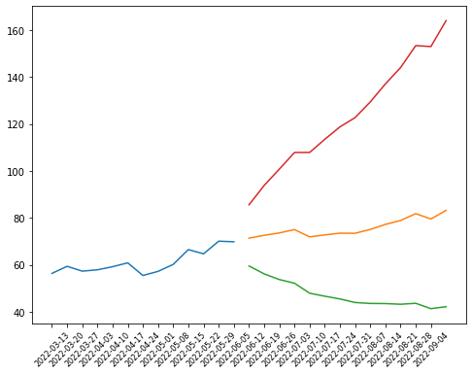
['options', ('2022-06-17', '2022-08-19', '2023-01-20', '2024-01-19')]
['sustainability', Value
2022-5
palmOil False
controversialWeapons False
gambling False
socialScore 12.04
nuclear False
furLeather False
alcoholic False
gmo False
catholic False
socialPercentile None
peerCount 66
governanceScore 6.88
environmentPercentile None
animalTesting False
tobacco False
totalEsg 43.53
highestControversy 2
esgPerformance LEAD_PERF
coal False
pesticides False
adult False
percentile 92.95
peerGroup Oil & Gas Producers
smallArms False
environmentScore 24.61
governancePercentile None
militaryContract False]

2022-06-12 PXD
2022-5
palmOil False
controversialWeapons False
gambling False
socialScore 12.04
nuclear False
furLeather False
alcoholic False
gmo False
catholic False
socialPercentile None
peerCount 66
governanceScore 6.88
environmentPercentile None
animalTesting False
tobacco False
totalEsg 43.53
highestControversy 2
esgPerformance LEAD_PERF
coal False
pesticides False
adult False
percentile 92.95
peerGroup Oil & Gas Producers
smallArms False
environmentScore 24.61
governancePercentile None
militaryContract False]
symbol: PXD
sector: Energy
Index: SP500
supply trend: 41581229.50075643
risk trend factor: 2.603257694027524
beta currentRatio debtToEquity dividendRate dividendYield \
PXD 1.535843 1.541 25.456 12.34 0.0433

ebitda ebitdaMargins forwardPE freeCashflow grossMargins \
PXD 9187000320 0.43846 10.46792 2404124928 0.53944

grossProfits heldPercentInstitutions industry marketCap \
PXD 9392000000 0.92193 Oil & Gas E&P 68689747968

operatingCashflow operatingMargins payoutRatio pegRatio priceToBook \
PXD 8265999872 0.31175 0.3288 0.53 2.902227

priceToSalesTrailing12Months profitMargins quickRatio returnOnAssets \
PXD 3.278277 0.2003 1.404 0.12148

returnOnEquity revenueGrowth revenuePerShare sector sharesOutstanding \
PXD 0.20075 1.006 86.852 Energy 241959008

shortRatio totalCash totalCashPerShare totalDebt totalRevenue \
PXD 2.65 3256000000 13.457 6024999936 20952999936

trailingPE
PXD 17.432608
 | Adj Close | 21dBOLD | 21dMA-TP | 21dBOLU | 90dSMA | 90dSDev | 90d_lower | 90d_upper
2022-06-10 | 270.869995 | 256.919894 | 273.316666 | 289.713438 | 255.561587 | 15.927793 | 223.706001 | 287.417173

 | volume_factor | latest_p | vol_30d_2yr | pct_2yr | adf | hurst
PXD | 1.167952 | 270.869995 | 41581229.501 | 0.916981 | 0.935146 | 0.498349

l axis
 | legend
blue | symbol
green | trailing_1yr_max
red | trailing_1yr_min
black | linear
yellow | supply_trend_1yr

r axis
 | legend
magenta | sector
cyan | index

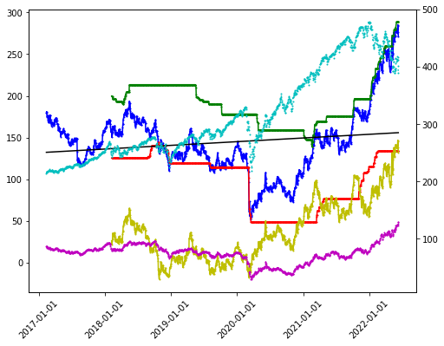
ets next 13 weeks
['ets_TT', 'ets_FT', 'ets_TF', 'ets_FF']
[1066.0576841401642, 4693.227892088648, 1060.6774465764013, 1067.5551592634004]
best model: ets_TF
best score: 1060.6774465764013
sell date: 2022-09-11
expected return: 0.09584372036029556
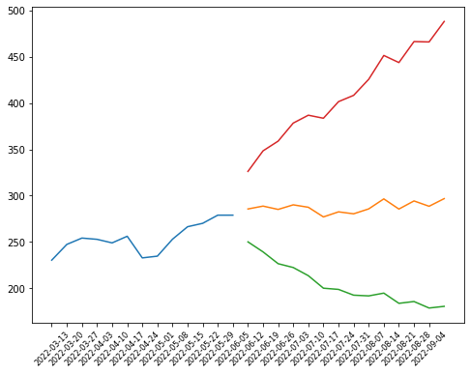
['options', ('2022-06-17', '2023-01-20', '2024-01-19')]
['sustainability', Value
2022-5
palmOil False
controversialWeapons False
gambling False
socialScore 8.97
nuclear False
furLeather False
alcoholic False
gmo False
catholic False
socialPercentile None
peerCount 66
governanceScore 9.1
environmentPercentile None
animalTesting False
tobacco False
totalEsg 36.53
highestControversy 1
esgPerformance OUT_PERF
coal False
pesticides False
adult False
percentile 81.93
peerGroup Oil & Gas Producers
smallArms False
environmentScore 18.46
governancePercentile None
militaryContract False]

2022-06-12 SM
symbol: SM
sector: Energy
Index: SP600
supply trend: 82761362.10287443
risk trend factor: 2.2682714381373863
beta currentRatio debtToEquity dividendRate dividendYield ebitda \
SM 5.488235 0.717 93.916 0.02 0.0006 1315937024

ebitdaMargins forwardPE freeCashflow grossMargins grossProfits \
SM 0.45427 10.711865 570353344 0.8671 2136878000

heldPercentInstitutions industry marketCap operatingCashflow \
SM 0.88028 Oil & Gas E&P 6141725696 1396240000

operatingMargins payoutRatio pegRatio priceToBook \
SM 0.18012 0.007 0.12 3.752134

priceToSalesTrailing12Months profitMargins quickRatio returnOnAssets \
SM 2.120158 0.11608 0.7 0.06264

returnOnEquity revenueGrowth revenuePerShare sector sharesOutstanding \
SM 0.17312 0.931 23.974 Energy 121474000

shortRatio totalCash totalCashPerShare totalDebt totalRevenue
SM 2.26 419887008 3.446 1986428032 2896824064
 | Adj Close | 21dBOLD | 21dMA-TP | 21dBOLU | 90dSMA | 90dSDev | 90d_lower | 90d_upper
2022-06-10 | 50.560001 | 30.683761 | 44.192381 | 57.701002 | 40.420635 | 5.240911 | 29.938813 | 50.902457

 | volume_factor | latest_p | vol_30d_2yr | pct_2yr | adf | hurst
SM | 0.612742 | 50.560001 | 82761362.103 | 0.91777 | 0.976245 | 0.479096

l axis
 | legend
blue | symbol
green | trailing_1yr_max
red | trailing_1yr_min
black | linear
yellow | supply_trend_1yr

r axis
 | legend
magenta | sector
cyan | index

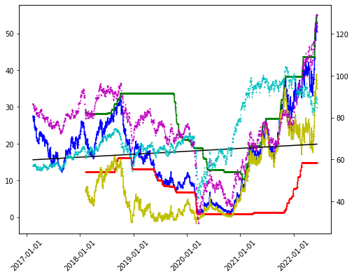
ets next 13 weeks
['ets_TT', 'ets_FT', 'ets_TF', 'ets_FF']
[36.8304353932524, 159.27137663694862, 40.32131488904999, 37.8965213427182]
best model: ets_TT
best score: 36.8304353932524
sell date: 2022-09-11
expected return: 0.7323244376637932
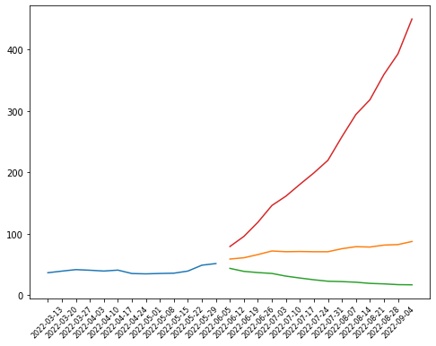
['quarterly_balance_sheet', 2022-03-31 2021-12-31 2021-09-30 \
Capital Surplus 1.844478e+09 1.840228e+09 1.838620e+09
Total Liab 3.280672e+09 3.170846e+09 3.425061e+09
Total Stockholder Equity 2.115109e+09 2.063131e+09 1.636899e+09
Deferred Long Term Liab 2.300000e+06 2.700000e+06 3.100000e+06
Other Current Liab 5.381270e+08 4.047460e+08 5.520440e+08
Total Assets 5.395781e+09 5.233977e+09 5.061960e+09
Common Stock 1.219000e+06 1.219000e+06 1.215000e+06
Other Current Assets 9.649000e+06 2.409500e+07 2.451400e+07
Retained Earnings 2.820790e+08 2.345330e+08 -1.903670e+08
Other Liab 2.415590e+08 1.809150e+08 2.438640e+08
Treasury Stock -1.266700e+07 -1.284900e+07 -1.256900e+07
Other Assets 5.397300e+07 2.576600e+07 6.020700e+07
Cash 4.198870e+08 3.327160e+08 2.980000e+07
Total Current Liabilities 1.058721e+09 8.893270e+08 1.103567e+09
Other Stockholder Equity -1.266700e+07 -1.284900e+07 -1.256900e+07
Property Plant Equipment 4.582973e+09 4.595024e+09 4.665483e+09
Total Current Assets 7.588350e+08 6.131870e+08 3.362700e+08
Net Tangible Assets 2.115109e+09 2.063131e+09 1.636899e+09
Net Receivables 3.210760e+08 2.472010e+08 2.722480e+08
Long Term Debt 1.980392e+09 2.081164e+09 2.077630e+09
Accounts Payable 5.145580e+08 2.507200e+07 5.424740e+08

2021-06-30
Capital Surplus 1.838859e+09
Total Liab 3.500489e+09
Total Stockholder Equity 1.552509e+09
Deferred Long Term Liab 3.500000e+06
Other Current Liab 5.450620e+08
Total Assets 5.052998e+09
Common Stock 1.210000e+06
Other Current Assets 3.130300e+07
Retained Earnings -2.747450e+08
Other Liab 2.566960e+08
Treasury Stock -1.281500e+07
Other Assets 6.877900e+07
Cash NaN
Total Current Liabilities 1.051668e+09
Other Stockholder Equity -1.281500e+07
Property Plant Equipment 4.714809e+09
Total Current Assets 2.694100e+08
Net Tangible Assets 1.552509e+09
Net Receivables 2.295120e+08
Long Term Debt 2.192125e+09
Accounts Payable 4.962850e+08 ]
['quarterly_cashflow', 2022-03-31 2021-12-31 \
Change To Liabilities 0.0 218238000.0
Total Cashflows From Investing Activities -150127000.0 -122484000.0
Net Borrowings -104770000.0 -104770000.0
Total Cash From Financing Activities -104794000.0 -4230000.0
Change To Operating Activities -137962000.0 -51950000.0
Net Income 48764000.0 424900000.0
Change In Cash 87171000.0 302916000.0
Total Cash From Operating Activities 342092000.0 429630000.0
Depreciation 160481000.0 208761000.0
Other Cashflows From Financing Activities -24000.0 -4339000.0
Change To Netincome 266799000.0 -273197000.0
Capital Expenditures -150127000.0 -124576000.0
Issuance Of Stock NaN 1324000.0
Dividends Paid NaN -1215000.0
Change To Account Receivables NaN -101047000.0
Other Cashflows From Investing Activities NaN NaN

2021-09-30 2021-06-30
Change To Liabilities 0.0 0.0
Total Cashflows From Investing Activities -174795000.0 -222322000.0
Net Borrowings -118792000.0 -74213000.0
Total Cash From Financing Activities -123524000.0 -74077000.0
Change To Operating Activities 21078000.0 82529000.0
Net Income 85593000.0 -222995000.0
Change In Cash 29800000.0 29800000.0
Total Cash From Operating Activities 328119000.0 296399000.0
Depreciation 211451000.0 213464000.0
Other Cashflows From Financing Activities -4732000.0 -1000.0
Change To Netincome 6092000.0 218679000.0
Capital Expenditures -183409000.0 -222614000.0
Issuance Of Stock 1324000.0 1315000.0
Dividends Paid -1215000.0 -1178000.0
Change To Account Receivables -101047000.0 -101047000.0
Other Cashflows From Investing Activities -221000.0 292000.0 ]
['quarterly_earnings', Revenue Earnings
Quarter
2Q2021 538649000 -222995000
3Q2021 724539000 85593000
4Q2021 814260000 424900000
1Q2022 819376000 48764000]
['quarterly_financials', 2022-03-31 2021-12-31 2021-09-30 \
Research Development None None None
Effect Of Accounting Charges None None None
Income Before Tax 61625000.0 434933000.0 85554000.0
Minority Interest None None None
Net Income 48764000.0 424900000.0 85593000.0
Selling General Administrative 24996000.0 37062000.0 25530000.0
Gross Profit 723085000.0 714875000.0 629894000.0
Ebit 101736000.0 474411000.0 126257000.0
Operating Income 101736000.0 474411000.0 126257000.0
Other Operating Expenses 426826000.0 -17909000.0 257947000.0
Interest Expense -39387000.0 -40085000.0 -40861000.0
Extraordinary Items None None None
Non Recurring None None None
Other Items None None None
Income Tax Expense 12861000.0 10033000.0 -39000.0
Total Revenue 819376000.0 814260000.0 724539000.0
Total Operating Expenses 717640000.0 339849000.0 598282000.0
Cost Of Revenue 96291000.0 99385000.0 94645000.0
Total Other Income Expense Net -40111000.0 -39478000.0 -40703000.0
Discontinued Operations None None None
Net Income From Continuing Ops 48764000.0 424900000.0 85593000.0
Net Income Applicable To Common Shares 48764000.0 424900000.0 85593000.0

2021-06-30
Research Development None
Effect Of Accounting Charges None
Income Before Tax -223157000.0
Minority Interest None
Net Income -222995000.0
Selling General Administrative 24639000.0
Gross Profit 443993000.0
Ebit -180624000.0
Operating Income -180624000.0
Other Operating Expenses 377800000.0
Interest Expense -39536000.0
Extraordinary Items None
Non Recurring None
Other Items None
Income Tax Expense -162000.0
Total Revenue 538649000.0
Total Operating Expenses 719273000.0
Cost Of Revenue 94656000.0
Total Other Income Expense Net -42533000.0
Discontinued Operations None
Net Income From Continuing Ops -222995000.0
Net Income Applicable To Common Shares -222995000.0 ]
['mutualfund_holders', Holder Shares Date Reported \
0 iShares Core S&P Smallcap ETF 8545223 2022-01-30
1 Vanguard Total Stock Market Index Fund 3454105 2021-12-30
2 Vanguard Small-Cap Index Fund 3058030 2021-12-30
3 iShares Russell 2000 ETF 2729906 2022-01-30
4 SPDR (R) Ser Tr-SPDR (R) S&P (R) Oil & Gas Exp... 2729590 2022-01-30
5 Vanguard Small Cap Value Index Fund 1938357 2021-12-30
6 Vanguard Extended Market Index Fund 1597503 2021-12-30
7 iShares S&P Small-Cap 600 Growth ETF 1404764 2022-01-30
8 First Trust NASDAQ Oil & Gas ETF 1361871 2022-02-27
9 iShares Russell 2000 Value ETF 1284094 2022-01-30

% Out Value
0 0.0701 280368766
1 0.0283 101827015
2 0.0251 90150724
3 0.0224 89568215
4 0.0224 89557847
5 0.0159 57142764
6 0.0131 47094388
7 0.0115 46090306
8 0.0112 48360039
9 0.0105 42131124 ]
['options', ('2022-08-19', '2023-01-20', '2024-01-19')]

2022-06-12 CEIX
symbol: CEIX
sector: Energy
Index: SP600
supply trend: 9591390.716180371
risk trend factor: 2.853515807990338
beta currentRatio debtToEquity earningsGrowth ebitda \
CEIX 2.379059 0.868 100.167 5.642 282313984

ebitdaMargins forwardPE freeCashflow grossMargins grossProfits \
CEIX 0.22235 10.293775 196007120 0.33279 422536000

heldPercentInstitutions industry marketCap operatingCashflow \
CEIX 0.86884 Thermal Coal 1824347392 305568992

operatingMargins payoutRatio priceToBook priceToSalesTrailing12Months \
CEIX 0.04547 0 3.764765 1.436839

profitMargins quickRatio returnOnAssets returnOnEquity revenueGrowth \
CEIX 0.02686 0.586 0.01416 0.05563 0.249

revenuePerShare sector sharesOutstanding shortRatio totalCash \
CEIX 36.905 Energy 34480200 1.85 149912992

totalCashPerShare totalDebt totalRevenue
CEIX 4.348 673937984 1269694976
 | Adj Close | 21dBOLD | 21dMA-TP | 21dBOLU | 90dSMA | 90dSDev | 90d_lower | 90d_upper
2022-06-10 | 52.91 | 47.5295 | 52.432841 | 57.336183 | 45.364921 | 7.530586 | 30.303748 | 60.426093

 | volume_factor | latest_p | vol_30d_2yr | pct_2yr | adf | hurst
CEIX | 1.511199 | 52.91 | 9591390.7162 | 0.883884 | 0.933936 | 0.522101

l axis
 | legend
blue | symbol
green | trailing_1yr_max
red | trailing_1yr_min
black | linear
yellow | supply_trend_1yr

r axis
 | legend
magenta | sector
cyan | index

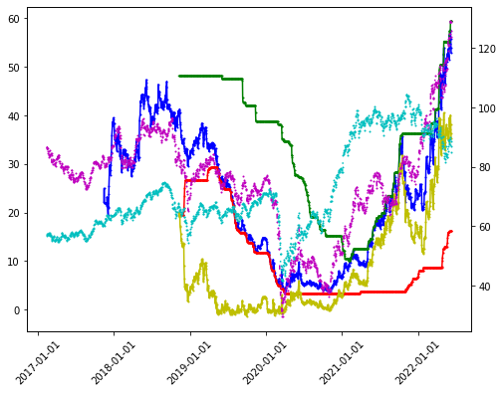
ets next 13 weeks
['ets_TT', 'ets_FT', 'ets_TF', 'ets_FF']
[56.87030614978097, 196.2471169379381, 55.29582576300699, 57.761868457288855]
best model: ets_TF
best score: 55.29582576300699
sell date: 2022-09-11
expected return: 0.22914282762299037
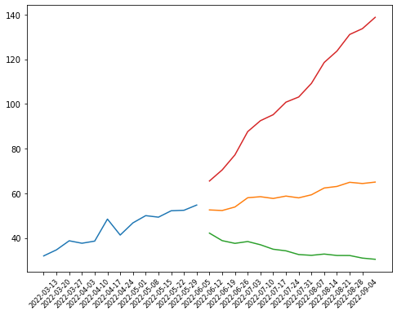
['quarterly_balance_sheet', 2021-12-31 2021-09-30 2021-06-30 \
Capital Surplus 6.469450e+08 6.449200e+08 6.430330e+08
Total Liab 1.900704e+09 2.105167e+09 1.965198e+09
Total Stockholder Equity 6.728130e+08 4.845800e+08 5.927330e+08
Other Current Liab 1.790310e+08 2.688430e+08 1.451780e+08
Total Assets 2.573517e+09 2.589747e+09 2.557931e+09
Common Stock 3.450000e+05 3.450000e+05 3.450000e+05
Other Current Assets 3.747200e+07 4.242800e+07 3.166900e+07
Retained Earnings 2.809600e+08 1.636370e+08 2.774260e+08
Other Liab 8.455480e+08 9.379920e+08 9.285180e+08
Treasury Stock -2.554370e+08 -3.243220e+08 -3.280710e+08
Other Assets 5.153480e+08 5.008660e+08 4.742010e+08
Cash 1.499130e+08 1.619810e+08 1.466670e+08
Total Current Liabilities 4.452320e+08 5.156760e+08 3.702570e+08
Deferred Long Term Asset Charges 5.701100e+07 1.113720e+08 6.965600e+07
Short Long Term Debt 3.658900e+07 2.765100e+07 3.139500e+07
Other Stockholder Equity -2.554370e+08 -3.243220e+08 -3.280710e+08
Property Plant Equipment 1.671829e+09 1.704640e+09 1.711778e+09
Total Current Assets 3.863400e+08 3.842410e+08 3.719520e+08
Net Tangible Assets 6.728130e+08 4.845800e+08 5.927330e+08
Net Receivables 1.108630e+08 9.881800e+07 1.153080e+08
Long Term Debt 5.680520e+08 5.976970e+08 6.093260e+08
Inventory 6.287600e+07 5.601500e+07 5.929900e+07
Accounts Payable 8.034300e+07 7.839200e+07 6.807300e+07

2021-03-31
Capital Surplus 6.420540e+08
Total Liab 1.937495e+09
Total Stockholder Equity 5.830650e+08
Other Current Liab 1.260430e+08
Total Assets 2.520560e+09
Common Stock 3.440000e+05
Other Current Assets 3.030000e+05
Retained Earnings 2.732540e+08
Other Liab 9.485460e+08
Treasury Stock -3.325870e+08
Other Assets 4.475660e+08
Cash 9.117400e+07
Total Current Liabilities 3.711940e+08
Deferred Long Term Asset Charges 6.226100e+07
Short Long Term Debt 2.888900e+07
Other Stockholder Equity -3.325870e+08
Property Plant Equipment 1.736252e+09
Total Current Assets 3.367420e+08
Net Tangible Assets 5.830650e+08
Net Receivables 1.662310e+08
Long Term Debt 5.504440e+08
Inventory 5.520900e+07
Accounts Payable 7.538200e+07 ]
['quarterly_cashflow', 2021-12-31 2021-09-30 \
Change To Liabilities 5226000.0 13242000.0
Total Cashflows From Investing Activities -35758000.0 -45884000.0
Net Borrowings -30768000.0 -22550000.0
Total Cash From Financing Activities -30768000.0 -22551000.0
Change To Operating Activities -27258000.0 1564000.0
Net Income 117323000.0 -113789000.0
Change In Cash -14100000.0 12103000.0
Total Cash From Operating Activities 52426000.0 80538000.0
Depreciation 56510000.0 55977000.0
Other Cashflows From Investing Activities -7843000.0 -156000.0
Change To Inventory -6861000.0 3284000.0
Change To Account Receivables -9263000.0 8877000.0
Change To Netincome -85331000.0 109242000.0
Capital Expenditures -29434000.0 -45863000.0
Repurchase Of Stock NaN -1000.0
Other Cashflows From Financing Activities NaN NaN

2021-06-30 2021-03-31
Change To Liabilities -6922000.0 -73000.0
Total Cashflows From Investing Activities -40225000.0 -5494000.0
Net Borrowings 56940000.0 -29803000.0
Total Cash From Financing Activities 54342000.0 -31875000.0
Change To Operating Activities -14728000.0 -3098000.0
Net Income 4172000.0 26404000.0
Change In Cash 108726000.0 40627000.0
Total Cash From Operating Activities 94609000.0 77996000.0
Depreciation 52199000.0 59897000.0
Other Cashflows From Investing Activities -156000.0 -182000.0
Change To Inventory -3574000.0 475000.0
Change To Account Receivables 50857000.0 -5764000.0
Change To Netincome 10414000.0 -1985000.0
Capital Expenditures -43655000.0 -13800000.0
Repurchase Of Stock -230000.0 -2072000.0
Other Cashflows From Financing Activities -2368000.0 -2368000.0 ]
['quarterly_earnings', Revenue Earnings
Quarter
1Q2021 332361000 26404000
2Q2021 303895000 4172000
3Q2021 294837000 -113789000
4Q2021 338602000 117323000]
['quarterly_financials', 2021-12-31 2021-09-30 2021-06-30 \
Research Development None None None
Effect Of Accounting Charges None None None
Income Before Tax 162586000.0 -154047000.0 -4721000.0
Minority Interest None None None
Net Income 117323000.0 -113789000.0 4172000.0
Selling General Administrative 20131000.0 22476000.0 22542000.0
Gross Profit 111053000.0 86408000.0 102837000.0
Ebit 150330000.0 -139095000.0 7904000.0
Operating Income 150330000.0 -139095000.0 7904000.0
Other Operating Expenses -115918000.0 147050000.0 20192000.0
Interest Expense -15849000.0 -16045000.0 -16187000.0
Extraordinary Items None None None
Non Recurring None None None
Other Items None None None
Income Tax Expense 45263000.0 -40258000.0 -8893000.0
Total Revenue 338602000.0 294837000.0 303895000.0
Total Operating Expenses 188272000.0 433932000.0 295991000.0
Cost Of Revenue 227549000.0 208429000.0 201058000.0
Total Other Income Expense Net 12256000.0 -14952000.0 -12625000.0
Discontinued Operations None None None
Net Income From Continuing Ops 117323000.0 -113789000.0 4172000.0
Net Income Applicable To Common Shares 117323000.0 -113789000.0 4172000.0

2021-03-31
Research Development None
Effect Of Accounting Charges None
Income Before Tax 31589000.0
Minority Interest None
Net Income 26404000.0
Selling General Administrative 23964000.0
Gross Profit 120238000.0
Ebit 36592000.0
Operating Income 36592000.0
Other Operating Expenses -215000.0
Interest Expense -15261000.0
Extraordinary Items None
Non Recurring None
Other Items None
Income Tax Expense 5185000.0
Total Revenue 332361000.0
Total Operating Expenses 295769000.0
Cost Of Revenue 212123000.0
Total Other Income Expense Net -5003000.0
Discontinued Operations None
Net Income From Continuing Ops 26404000.0
Net Income Applicable To Common Shares 26404000.0 ]
['mutualfund_holders', Holder Shares Date Reported \
0 iShares Core S&P Smallcap ETF 2228007 2022-01-30
1 SPDR (R) Ser Tr-SPDR (R) S&P (R) Metals & Mini... 1914035 2022-01-30
2 iShares Russell 2000 ETF 792575 2022-01-30
3 Vanguard Total Stock Market Index Fund 735685 2021-12-30
4 Victory Portfolios-Victory Integrity Small Cap... 704300 2021-12-30
5 DFA U.S. Small Cap Value Series 629572 2022-01-30
6 iShares S&P Smallcap 600 Value ETF 526608 2022-01-30
7 Vanguard Extended Market Index Fund 430229 2021-12-30
8 iShares Russell 2000 Value ETF 366723 2022-01-30
9 Pacer Small Cap U.S. Cash Cows 100 ETF 323552 2022-01-30

% Out Value
0 0.0640 48436872
1 0.0550 41611120
2 0.0228 17230580
3 0.0211 16707406
4 0.0202 15994653
5 0.0181 13686895
6 0.0151 11448457
7 0.0124 9770500
8 0.0105 7972558
9 0.0093 7034020 ]
['options', ('2022-06-17', '2022-08-19')]
[ ]:

​

2022-06-12 XOM
symbol: XOM
sector: Energy
Index: SP500
supply trend: 399482859.5310136
risk trend factor: 3.314307263718105
beta currentRatio debtToEquity dividendRate dividendYield \
XOM 1.040834 1.072 26.929 3.52 0.0341

earningsGrowth ebitda ebitdaMargins forwardPE freeCashflow \
XOM 1.003 53895000064 0.17427 11.818078 31484874752

grossMargins grossProfits heldPercentInstitutions industry \
XOM 0.31806 90045000000 0.56852 Oil & Gas Integrated

marketCap operatingCashflow operatingMargins payoutRatio pegRatio \
XOM 440658558976 53653000192 0.10859 0.5804 0.36

priceToBook priceToSalesTrailing12Months profitMargins quickRatio \
XOM 2.603749 1.424839 0.08339 0.739

returnOnAssets returnOnEquity revenueGrowth revenuePerShare sector \
XOM 0.06097 0.1559 0.525 72.369 Energy

sharesOutstanding shortRatio totalCash totalCashPerShare totalDebt \
XOM 4213199872 1.13 11073999872 2.629 47537000448

totalRevenue trailingPE
XOM 309269004288 17.34494
 | Adj Close | 21dBOLD | 21dMA-TP | 21dBOLU | 90dSMA | 90dSDev | 90d_lower | 90d_upper
2022-06-10 | 100.459999 | 85.804488 | 95.616984 | 105.42948 | 88.303809 | 6.585828 | 75.132152 | 101.475466

 | volume_factor | latest_p | vol_30d_2yr | pct_2yr | adf | hurst
XOM | 1.434399 | 100.459999 | 399482859.53 | 0.931373 | 0.977852 | 0.536671

l axis
 | legend
blue | symbol
green | trailing_1yr_max
red | trailing_1yr_min
black | linear
yellow | supply_trend_1yr

r axis
 | legend
magenta | sector
cyan | index

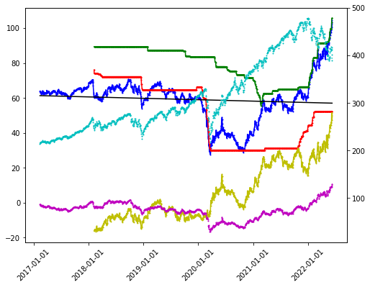
ets next 13 weeks
['ets_TT', 'ets_FT', 'ets_TF', 'ets_FF']
[63.253257635173604, 467.1029160637048, 62.08632379274023, 63.39092743786638]
best model: ets_TF
best score: 62.08632379274023
sell date: 2022-09-11
expected return: 0.1457590854672255
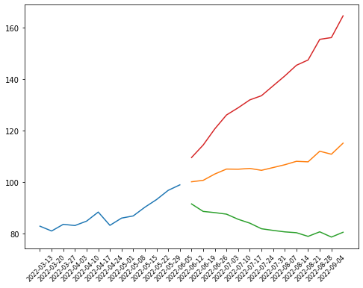
['options', ('2022-06-17', '2022-07-15', '2023-01-20', '2024-01-19', '2026-02-21')]
['sustainability', Value
2022-5
palmOil False
controversialWeapons False
gambling False
socialScore 9.82
nuclear False
furLeather False
alcoholic False
gmo False
catholic False
socialPercentile None
peerCount 66
governanceScore 8.14
environmentPercentile None
animalTesting True
tobacco False
totalEsg 36.46
highestControversy 3
esgPerformance OUT_PERF
coal False
pesticides False
adult False
percentile 81.8
peerGroup Oil & Gas Producers
smallArms False
environmentScore 18.51
governancePercentile None
militaryContract False]

2022-06-12 MPC
symbol: MPC
sector: Energy
Index: SP500
supply trend: 132481329.19818456
risk trend factor: 3.5134226610249177
beta currentRatio debtToEquity dividendRate dividendYield \
MPC 1.910294 1.704 80.117 2.32 0.0242

earningsGrowth ebitda ebitdaMargins forwardPE freeCashflow \
MPC 1.917 7120999936 0.05912 25.672987 16415250432

grossMargins grossProfits heldPercentInstitutions \
MPC 0.0867 10443000000 0.82037

industry marketCap operatingCashflow \
MPC Oil & Gas Refining & Marketing 66692796416 4360000000

operatingMargins payoutRatio pegRatio priceToBook \
MPC 0.03119 0.5472 0.55 2.38288

priceToSalesTrailing12Months profitMargins quickRatio returnOnAssets \
MPC 0.553692 0.08085 1.222 0.02754

returnOnEquity revenueGrowth revenuePerShare sector sharesOutstanding \
MPC 0.08003 0.967 189.986 Energy 615587968

shortRatio totalCash totalCashPerShare totalDebt totalRevenue \
MPC 2.92 10839000064 19.177 26904000512 120450998272

trailingPE
MPC 7.604941
 | Adj Close | 21dBOLD | 21dMA-TP | 21dBOLU | 90dSMA | 90dSDev | 90d_lower | 90d_upper
2022-06-10 | 108.339996 | 89.236784 | 101.560094 | 113.883404 | 90.742918 | 9.631609 | 71.4797 | 110.006136

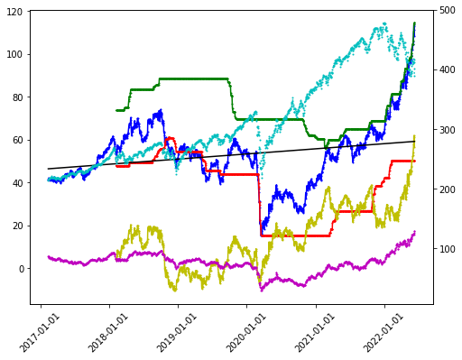
 | volume_factor | latest_p | vol_30d_2yr | pct_2yr | adf | hurst
MPC | 0.997729 | 108.339996 | 132481329.2 | 0.931541 | 0.991702 | 0.523957

l axis
 | legend
blue | symbol
green | trailing_1yr_max
red | trailing_1yr_min
black | linear
yellow | supply_trend_1yr

r axis
 | legend
magenta | sector
cyan | index

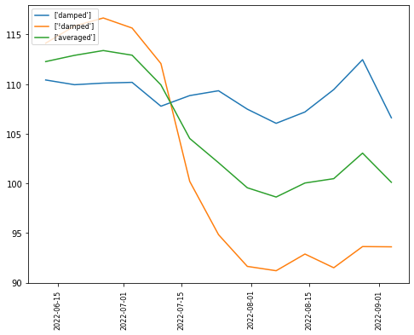
ets next 13 weeks
damped sell date: 2022-08-28
damped expected return: 0.03807236129783712
!damped sell date: 2022-06-26
!damped expected return: 0.07685802045220197
averaged sell date: 2022-06-26
averaged expected return: 0.04657176581157085

27
['quarterly_balance_sheet', 2021-12-31 2021-09-30 2021-06-30 \
Capital Surplus 3.326200e+10 3.325600e+10 3.323800e+10
Total Liab 5.179200e+10 5.333600e+10 5.760700e+10
Total Stockholder Equity 2.620600e+10 2.828000e+10 2.892100e+10
Minority Interest 7.375000e+09 7.684000e+09 7.772000e+09
Other Current Liab 2.278000e+09 3.377000e+09 6.148000e+09
Total Assets 8.537300e+10 8.930000e+10 9.430000e+10
Common Stock 1.000000e+07 1.000000e+07 1.000000e+07
Other Current Assets 5.680000e+08 5.850000e+08 5.850000e+08
Retained Earnings 1.290500e+10 1.248400e+10 1.216000e+10
Other Liab 7.999000e+09 8.193000e+09 8.825000e+09
Good Will 8.256000e+09 8.256000e+09 8.256000e+09
Treasury Stock -1.997100e+10 -1.747000e+10 -1.648700e+10
Other Assets 2.400000e+09 2.463000e+09 2.532000e+09
Cash 5.291000e+09 5.874000e+09 1.183900e+10
Total Current Liabilities 1.789800e+10 1.689800e+10 1.951200e+10
Deferred Long Term Asset Charges 2.000000e+06 NaN NaN
Short Long Term Debt 4.980000e+08 7.300000e+07 7.000000e+07
Other Stockholder Equity -6.700000e+07 -3.440000e+08 -3.400000e+08
Property Plant Equipment 3.881200e+10 3.905400e+10 3.949600e+10
Total Current Assets 3.049600e+10 3.414300e+10 3.859200e+10
Long Term Investments 5.409000e+09 5.384000e+09 5.424000e+09
Net Tangible Assets 1.795000e+10 2.002400e+10 2.066500e+10
Short Term Investments 5.548000e+09 7.352000e+09 5.418000e+09
Net Receivables 1.103400e+10 1.112100e+10 1.187100e+10
Long Term Debt 2.444300e+10 2.665500e+10 2.763900e+10
Inventory 8.055000e+09 9.211000e+09 8.879000e+09
Accounts Payable 1.370000e+10 1.219600e+10 1.217000e+10

2021-03-31
Capital Surplus 3.322200e+10
Total Liab 5.717200e+10
Total Stockholder Equity 2.159200e+10
Minority Interest 7.887000e+09
Other Current Liab 3.370000e+09
Total Assets 8.665100e+10
Common Stock 1.000000e+07
Other Current Assets 1.176200e+10
Retained Earnings 4.029000e+09
Other Liab 9.386000e+09
Good Will 8.256000e+09
Treasury Stock -1.566900e+10
Other Assets 2.594000e+09
Cash 6.240000e+08
Total Current Liabilities 1.608500e+10
Deferred Long Term Asset Charges NaN
Short Long Term Debt 6.900000e+07
Other Stockholder Equity -5.110000e+08
Property Plant Equipment 4.000500e+10
Total Current Assets 3.036100e+10
Long Term Investments 5.435000e+09
Net Tangible Assets 1.333600e+10
Short Term Investments NaN
Net Receivables 9.568000e+09
Long Term Debt 3.006100e+10
Inventory 8.407000e+09
Accounts Payable 9.953000e+09 ]
19
['quarterly_cashflow', 2021-12-31 2021-09-30 \
Investments 1.742000e+09 -1.934000e+09
Change To Liabilities 1.590000e+09 1.930000e+08
Total Cashflows From Investing Activities 1.448000e+09 -2.054000e+09
Net Borrowings -1.951000e+09 -1.018000e+09
Total Cash From Financing Activities -5.703000e+09 -2.762000e+09
Change To Operating Activities -2.000000e+06 1.000000e+06
Issuance Of Stock 3.500000e+07 1.800000e+07
Net Income 7.740000e+08 6.940000e+08
Change In Cash -5.810000e+08 -5.964000e+09
Repurchase Of Stock -2.742000e+09 -9.280000e+08
Total Cash From Operating Activities 3.674000e+09 -1.148000e+09
Depreciation 8.130000e+08 8.360000e+08
Other Cashflows From Investing Activities 1.320000e+08 2.400000e+08
Dividends Paid -3.540000e+08 -3.700000e+08
Change To Inventory 1.173000e+09 -3.260000e+08
Change To Account Receivables -1.534000e+09 1.820000e+08
Other Cashflows From Financing Activities -6.910000e+08 -4.640000e+08
Change To Netincome 8.400000e+08 -2.746000e+09
Capital Expenditures -4.810000e+08 -3.770000e+08

2021-06-30 2021-03-31
Investments -5.477000e+09 -5.000000e+07
Change To Liabilities 2.656000e+09 1.821000e+09
Total Cashflows From Investing Activities 1.567000e+10 -2.670000e+08
Net Borrowings -4.169000e+09 8.650000e+08
Total Cash From Financing Activities -5.970000e+09 1.600000e+07
Change To Operating Activities -1.000000e+06 5.000000e+06
Issuance Of Stock 3.000000e+07 2.300000e+07
Net Income 8.512000e+09 -2.420000e+08
Change In Cash 1.108000e+10 2.030000e+08
Repurchase Of Stock -9.840000e+08 -9.840000e+08
Total Cash From Operating Activities 1.380000e+09 4.540000e+08
Depreciation 8.710000e+08 8.440000e+08
Other Cashflows From Investing Activities 2.144400e+10 1.100000e+07
Dividends Paid -3.810000e+08 -3.790000e+08
Change To Inventory -4.720000e+08 -4.080000e+08
Change To Account Receivables -2.224000e+09 -1.723000e+09
Other Cashflows From Financing Activities -4.660000e+08 -4.930000e+08
Change To Netincome -7.981000e+09 1.350000e+08
Capital Expenditures -3.020000e+08 -3.040000e+08 ]
4
['quarterly_earnings', Revenue Earnings
Quarter
1Q2021 22788000000 -242000000
2Q2021 29734000000 8512000000
3Q2021 32491000000 694000000
4Q2021 35438000000 774000000]
22
['quarterly_financials', 2021-12-31 2021-09-30 \
Research Development None None
Effect Of Accounting Charges None None
Income Before Tax 1348000000.0 1012000000.0
Minority Interest 7375000000.0 7684000000.0
Net Income 774000000.0 694000000.0
Selling General Administrative 654000000.0 691000000.0
Gross Profit 3254000000.0 2928000000.0
Ebit 1610000000.0 1208000000.0
Operating Income 1610000000.0 1208000000.0
Other Operating Expenses 177000000.0 193000000.0
Interest Expense -302000000.0 -313000000.0
Extraordinary Items None None
Non Recurring None None
Other Items None None
Income Tax Expense 243000000.0 -18000000.0
Total Revenue 35438000000.0 32491000000.0
Total Operating Expenses 33828000000.0 31283000000.0
Cost Of Revenue 32184000000.0 29563000000.0
Total Other Income Expense Net -262000000.0 -196000000.0
Discontinued Operations NaN NaN
Net Income From Continuing Ops 1105000000.0 1030000000.0
Net Income Applicable To Common Shares 772000000.0 694000000.0

2021-06-30 2021-03-31
Research Development None None
Effect Of Accounting Charges None None
Income Before Tax 593000000.0 -136000000.0
Minority Interest 7772000000.0 7887000000.0
Net Income 8512000000.0 -242000000.0
Selling General Administrative 681000000.0 575000000.0
Gross Profit 2557000000.0 1704000000.0
Ebit 816000000.0 123000000.0
Operating Income 816000000.0 123000000.0
Other Operating Expenses 189000000.0 162000000.0
Interest Expense -318000000.0 -334000000.0
Extraordinary Items None None
Non Recurring None None
Other Items None None
Income Tax Expense 5000000.0 34000000.0
Total Revenue 29734000000.0 22788000000.0
Total Operating Expenses 28918000000.0 22665000000.0
Cost Of Revenue 27177000000.0 21084000000.0
Total Other Income Expense Net -223000000.0 -259000000.0
Discontinued Operations 8214000000.0 234000000.0
Net Income From Continuing Ops 588000000.0 -170000000.0
Net Income Applicable To Common Shares 8512000000.0 -242000000.0 ]
10
['mutualfund_holders', Holder Shares Date Reported \
0 Select Sector SPDR Fund-Energy Select 18103056 2022-01-30
1 Vanguard Total Stock Market Index Fund 17494854 2021-12-30
2 Vanguard 500 Index Fund 13037019 2021-12-30
3 Vanguard Mid-Cap Index Fund 6960433 2021-12-30
4 SPDR S&P 500 ETF Trust 6540311 2022-01-30
5 Fidelity 500 Index Fund 6304109 2022-02-27
6 iShares Core S&P 500 ETF 5120813 2022-01-30
7 Vanguard Index-Value Index Fund 4704115 2021-12-30
8 Vanguard Institutional Index Fund-Institutiona... 4638261 2021-12-30
9 iShares Select Dividend ETF 4127022 2022-01-30

% Out Value
0 0.0335 1298894268
1 0.0323 1119495707
2 0.0241 834238845
3 0.0129 445398107
4 0.0121 469267314
5 0.0117 490900967
6 0.0095 367418332
7 0.0087 301016318
8 0.0086 296802321
9 0.0076 296113828 ]
4
['options', ('2022-07-15', '2022-09-16', '2023-01-20', '2024-01-19')]
27
['sustainability', Value
2022-5
palmOil False
controversialWeapons False
gambling False
socialScore 7.01
nuclear False
furLeather False
alcoholic False
gmo False
catholic False
socialPercentile 0
peerCount 39
governanceScore 5.87
environmentPercentile 0
animalTesting False
tobacco False
totalEsg 28.78
highestControversy 3
esgPerformance None
coal False
pesticides False
adult False
percentile 57.14
peerGroup Refiners & Pipelines
smallArms False
environmentScore 15.91
governancePercentile 0
militaryContract False]

2022-06-12 CIVI
symbol: CIVI
sector: Energy
Index: SP600
supply trend: 7642718.420574887
risk trend factor: 2.668131309107495
beta currentRatio debtToEquity dividendRate dividendYield ebitda \
CIVI 1.69646 0.505 11.399 1.85 0.0222 910931008

ebitdaMargins forwardPE freeCashflow grossMargins grossProfits \
CIVI 0.54408 5.807773 855249152 0.79951 731177000

heldPercentInstitutions industry marketCap operatingCashflow \
CIVI 1.04378 Oil & Gas E&P 7110930432 764176000

operatingMargins payoutRatio pegRatio priceToBook \
CIVI 0.26443 0.2792 0.4 1.532868

priceToSalesTrailing12Months profitMargins quickRatio returnOnAssets \
CIVI 4.247195 0.16167 0.477 0.06714

returnOnEquity revenueGrowth revenuePerShare sector sharesOutstanding \
CIVI 0.09524 10.028 31.498 Energy 84967504

shortRatio totalCash totalCashPerShare totalDebt totalRevenue \
CIVI 6.57 154348992 1.817 528631008 1674264960

trailingPE
CIVI 16.671316
 | Adj Close | 21dBOLD | 21dMA-TP | 21dBOLU | 90dSMA | 90dSDev | 90d_lower | 90d_upper
2022-06-10 | 80.660004 | 56.1793 | 72.431587 | 88.683875 | 64.55873 | 7.871397 | 48.815937 | 80.301523

 | volume_factor | latest_p | vol_30d_2yr | pct_2yr | adf | hurst
CIVI | 2.177131 | 80.660004 | 7642718.4206 | 0.942041 | 0.020246 | 0.49614

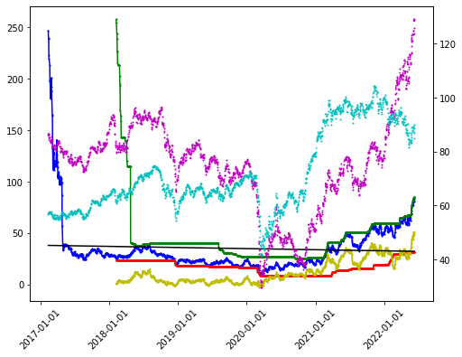
ADFuller H0 rejected @ .05, Mean Reverting TS
Month Mean Reverting buy signal

l axis
 | legend
blue | symbol
green | trailing_1yr_max
red | trailing_1yr_min
black | linear
yellow | supply_trend_1yr

r axis
 | legend
magenta | sector
cyan | index

ets next 13 weeks
damped sell date: 2022-08-28
damped expected return: 0.0837863699973827
!damped sell date: 2022-06-19
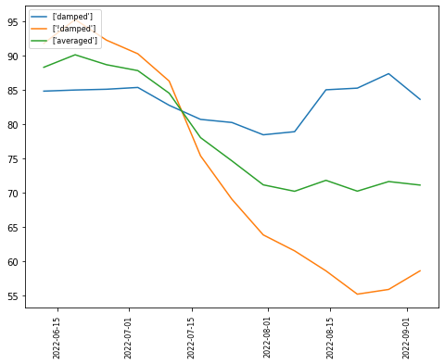
!damped expected return: 0.18175802223941523
averaged sell date: 2022-06-19
averaged expected return: 0.11796892774631385

2022-06-11 MUSA
symbol: MUSA
sector: Consumer Cyclical
Index: SP400
supply trend: 7365132.299546142
risk trend factor: 3.503539798547629
beta currentRatio debtToEquity dividendRate dividendYield \
MUSA 0.820982 1.083 283.285 1.24 0.005

earningsGrowth ebitda ebitdaMargins forwardPE freeCashflow \
MUSA 2.025 950200000 0.05637 19.691177 451787488

grossMargins grossProfits heldPercentInstitutions industry \
MUSA 0.07071 1064700000 0.86324 Specialty Retail
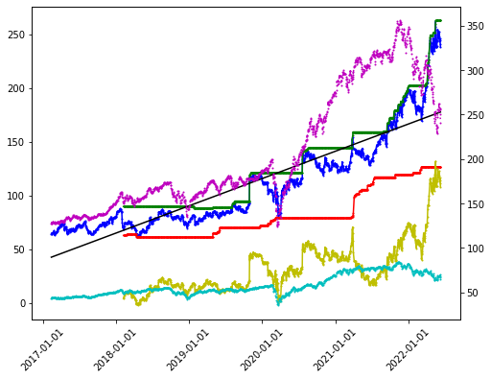
marketCap operatingCashflow operatingMargins payoutRatio pegRatio \
MUSA 6157129216 846800000 0.04334 0.0569 3.33

priceToBook priceToSalesTrailing12Months profitMargins quickRatio \
MUSA 7.779171 0.365287 0.02931 0.733

returnOnAssets returnOnEquity revenueGrowth revenuePerShare \
MUSA 0.11155 0.62846 0.501 658.653

sector sharesOutstanding shortRatio totalCash \
MUSA Consumer Cyclical 24201600 4.6 356200000

totalCashPerShare totalDebt totalRevenue trailingPE
MUSA 14.718 2242200064 16855600128 13.386478
 | Adj Close | 21dBOLD | 21dMA-TP | 21dBOLU | 90dSMA | 90dSDev | 90d_lower | 90d_upper
2022-06-10 | 237.960007 | 234.45771 | 245.340318 | 256.222926 | 227.287143 | 21.941358 | 183.404427 | 271.169859

 | volume_factor | latest_p | vol_30d_2yr | pct_2yr | adf | hurst
MUSA | 1.023661 | 237.960007 | 7365132.2995 | 0.839578 | 0.99617 | 0.410367

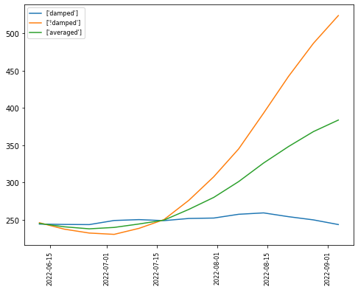
l axis
 | legend
blue | symbol
green | trailing_1yr_max
red | trailing_1yr_min
black | linear
yellow | supply_trend_1yr

r axis
 | legend
magenta | sector
cyan | index

ets next 13 weeks
damped sell date: 2022-08-14
damped expected return: 0.08993865023834105
!damped sell date: 2022-09-04
!damped expected return: 1.2005058911837132
averaged sell date: 2022-09-04
averaged expected return: 0.6124409128797333

2
['options', ('2022-07-15', '2022-11-18')]

2022-06-11 LNTH
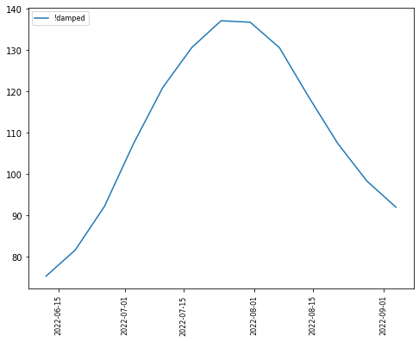
LNTH
Index: SP600
Sector: Healthcare
supply trend: 10889615.279878972
risk trend factor: 3.5409330254651064
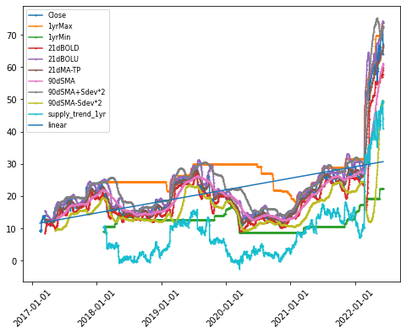
beta currentRatio debtToEquity earningsGrowth ebitda \
LNTH 0.750453 1.828 36.846 3.692 108329000

ebitdaMargins forwardPE freeCashflow grossMargins grossProfits \
LNTH 0.20002 21.648647 77142872 0.50913 187695000

heldPercentInstitutions industry marketCap \
LNTH 1.01214 Diagnostics & Research 4947831808

operatingCashflow operatingMargins payoutRatio pegRatio priceToBook \
LNTH 54362000 0.11518 0 0.63 9.582613

priceToSalesTrailing12Months profitMargins quickRatio returnOnAssets \
LNTH 9.135937 -0.06892 1.563 0.04389

returnOnEquity revenueGrowth revenuePerShare sector \
LNTH -0.07151 1.258 7.998 Healthcare

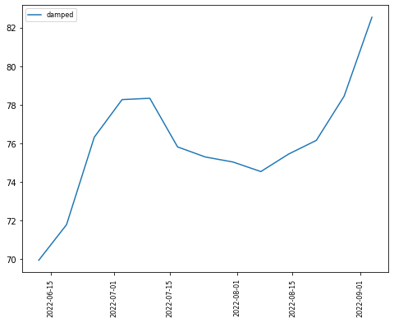
sharesOutstanding shortRatio totalCash totalCashPerShare totalDebt \
LNTH 68634096 2 105355000 1.535 190072992

totalRevenue
LNTH 541579008
2022-06-10
 | 21dBOLD | 21dMA-TP | 21dBOLU
2022-06-10 | 59.745909 | 66.695412 | 73.644916

 | volume_factor | latest_p | vol_30d_2yr | pct_2yr | adf | hurst
LNTH | 2.300963 | 63.849998 | 10889615.28 | 0.843029 | 0.990883 | 0.532857

ets next 13 weeks

1
['options', ('2022-07-15',)]

2022-06-12 VAW
symbol: VAW
sector: error
sector: Basic Materials
Index: nan
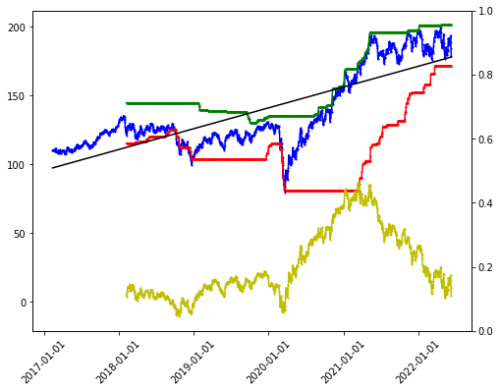
supply trend: 2531724.1301059
risk trend factor: -2.9832247911376593
totalAssets
VAW 5.085875e+09
 | Adj Close | 21dBOLD | 21dMA-TP | 21dBOLU | 90dSMA | 90dSDev | 90d_lower | 90d_upper
2022-06-10 | 178.449997 | 175.041332 | 184.631904 | 194.222476 | 188.745238 | 6.207227 | 176.330784 | 201.159692

 | volume_factor | latest_p | vol_30d_2yr | pct_2yr | adf | hurst
VAW | 1.136419 | 178.449997 | 2531724.1301 | 0.735836 | 0.8001 | 0.433204

l axis
 | legend
blue | symbol
green | trailing_1yr_max
red | trailing_1yr_min
black | linear
yellow | supply_trend_1yr

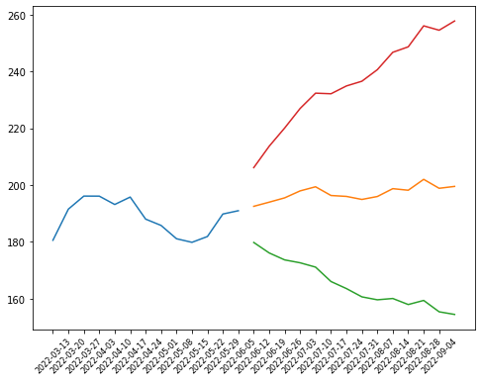
r axis
 | legend
magenta | sector
cyan | index

ets next 13 weeks
['ets_TT', 'ets_FT', 'ets_TF', 'ets_FF']
[168.6545766512616, 1805.2410468947503, 160.66795464408875, 166.81673946036298]
best model: ets_TF
best score: 160.66795464408875
sell date: 2022-08-28
expected return: 0.13208464774083184

['options', ('2022-08-19',)]

2022-06-11 MCK
symbol: MCK
sector: Healthcare
Index: SP500
supply trend: 33946622.76853253
risk trend factor: 4.004949352728542
beta currentRatio dividendRate dividendYield earningsGrowth \
MCK 0.663839 0.954 1.88 0.0059 -0.406

ebitda ebitdaMargins forwardPE freeCashflow grossMargins \
MCK 3191000064 0.01209 12.411926 2685625088 0.04957

grossProfits heldPercentInstitutions industry marketCap \
MCK 13084000000 0.9152 Medical Distribution 45990576128

operatingCashflow operatingMargins payoutRatio pegRatio \
MCK 4433999872 0.00965 0.2521 1

priceToSalesTrailing12Months profitMargins quickRatio returnOnAssets \
MCK 0.174229 0.00422 0.456 0.02481

revenueGrowth revenuePerShare sector sharesOutstanding shortRatio \
MCK 0.118 1733.198 Healthcare 145364992 2.18

totalCash totalCashPerShare totalDebt totalRevenue trailingPE
MCK 3532000000 24.297 7616999936 263965999104 43.771442
 | Adj Close | 21dBOLD | 21dMA-TP | 21dBOLU | 90dSMA | 90dSDev | 90d_lower | 90d_upper
2022-06-10 | 313.339996 | 310.325661 | 323.309364 | 336.293067 | 316.762698 | 11.943256 | 292.876186 | 340.649211

 | volume_factor | latest_p | vol_30d_2yr | pct_2yr | adf | hurst
MCK | 0.653279 | 313.339996 | 33946622.769 | 0.86712 | 0.998714 | 0.463166

l axis
 | legend
blue | symbol
green | trailing_1yr_max
red | trailing_1yr_min
black | linear
yellow | supply_trend_1yr

r axis
 | legend
magenta | sector
cyan | index

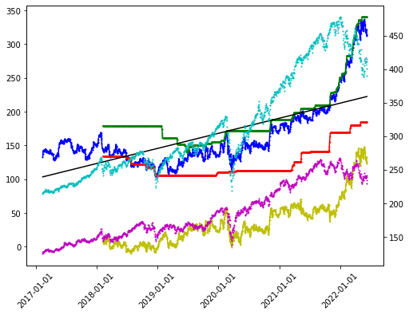
ets next 13 weeks
damped sell date: 2022-09-04
damped expected return: 0.04085115703667034
!damped sell date: 2022-09-04
!damped expected return: 0.153965319010818
averaged sell date: 2022-09-04
averaged expected return: 0.09740823802374418

3
['options', ('2022-08-19', '2023-01-20', '2024-01-19')]
27
['sustainability', Value
2022-5
palmOil False
controversialWeapons False
gambling False
socialScore 7.37
nuclear False
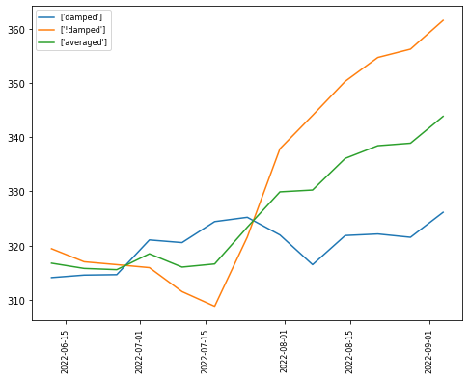
furLeather False
alcoholic False
gmo False
catholic False
socialPercentile None
peerCount 58
governanceScore 5.52
environmentPercentile None
animalTesting False
tobacco False
totalEsg 15.17
highestControversy 3
esgPerformance UNDER_PERF
coal False
pesticides False
adult False
percentile 10.18
peerGroup Healthcare
smallArms False
environmentScore 2.29
governancePercentile None
militaryContract False]
symbol: ACC
sector: error
sector: error
Index: SP400
supply trend: 20837020.877458397
risk trend factor: 3.9171880564096475
Empty DataFrame
Columns: []

