Showerbase
 |  |  | Globex Corporation
 |  |  | PO: "Joanna"
 |  |  | Biscuit
 |  |  | 80" x 32" Shower Base, Water Dams: 3
 |  |  | Main - 1234 Main Dr, IL

Globex Corporation |  |  | Joanna |  |  | 08/08/2020 | 115 lbs
Customer Name |  |  | Jobname |  |  | Date

Texture | Mold Name | Fits? | Box Info | Always adjust width before length when building boxes! |  |  | Base Only Info
New | Tub Replacement | No | Box Width: | Normal | *Cut & Staple together to make this box. |  | A: 76"
New | Medium Offset | No | Box Length: | 84 |  |  | B: 28"
New | Giant | Yes | Thresh Height: | 4 | <-- Too tall! Pack threshold separately. |  | C: 38"
 |  |  | Special Length: |  |  |  | D: 14" | After Expansion |  |  |  | LegH | LegV
Old | Small | Yes | Thresh Type: | DOUBLE THRESHOLD - CUSTOM |  |  | Overall Length: 80 | A: | 79 |  | Quadrant I: | 39.5 | 15 | A:79
Old | Medium | Yes | Thresh Color: | Match Base |  |  | Overall Width: 32 | B: | 30 |  | Quadrant II: | 39.5 | 15 | B: 30
Old | Giant | Yes | Water Dams: | 3 |  |  |  | C: | 39.5 |  | Quadrant III: | 39.5 | 15 | C: 39.5
 |  |  | Adhesive: | 2 |  |  |  | D: | 15 |  | Quadrant IV: | 39.5 | 15 | D: 15
79
30
D: 14"
B: 28"
15
 |  |  |  |  |  |  |  |  | 39.5 | FYI, opposite of C After Expansion
 |  |  |  |  |  |  |  |  | 15 | FYI, opposite of D After Expansion

39.5

C: 38"
 |  |  |  |  |  |  |  |  |  |  | CONSTANTS
 |  |  |  |  |  |  |  |  |  |  |  | Minimum Thickness: | 0.5
 |  |  |  |  |  |  |  |  |  |  |  | Slope p/linear foot (in): | 0.25
 |  |  |  |  |  |  |  |  |  |  |  | Matrix Weight (CuFt): | 89 | *using classic ath formula!! 115lbs was what it used to be, but that number is for the Yellow Box Jose enters into - to be * .75
A: 76"
 |  |  |  |  |  |  |  |  |  |  |  | Small Expansion Buffer (in): | 2
 |  |  |  |  |  |  |  |  |  |  |  | Large Expansion Buffer (in): | 3

 |  |  |  |  |  |  |  |  |  |  |  | Apply Large Expansion Buffer if >= how many inches? | 50 | *Small Expansion is always applied as default. If a dimension is greater than this number, "Large Expansion Buffer" is applied

 |  |  |  |  |  |  |  |  |  | QUADRANT I

 |  |  |  |  |  |  |  |  |  |  | Quadrant LegH: | 39.5
 |  |  |  |  |  |  |  |  |  |  | Quadrant LegV: | 15

 |  |  |  |  |  |  |  |  |  |  | Quadrant Square Inches: | 592.5
PREATTACH WATER DAMS |  |  |  |  |  |  |  |  |  |  | Hypotenuse Length (in): | 42.252218877
 |  |  |  |  |  |  |  |  |  |  | Hypotenuse midpoint (in): | 21.126109438
 |  |  |  |  |  |  |  |  |  |  | Hypotenuse midpoint (ft): | 1.7605091199
 |  |  |  |  |  |  |  |  |  |  | Midpoint of slope (inches thick): | 0.44012727997 | *This is the number we use as a flat sheet thickness instead of dealing with slope.
 |  |  |  |  |  |  |  |  |  |  | Total Thickness (with base): | 0.94012727997

 |  |  |  |  |  |  |  |  |  |  | Cubic feet of this Quadrant: | 0.32235266978 | 28.68938761 | Weight of Matrix

 |  |  |  |  |  |  |  |  |  | QUADRANT II

 | Transform Export Worksheet |  |  |  |  |  |  |  |  |  | Quadrant LegH: | 39.5
 | Product: |  | Shower Base (Companion) |  |  |  |  |  |  |  | Quadrant LegV: | 15
 | Jobname: |  | Joanna
 | Layout: |  | Double Threshold |  |  |  |  |  |  |  | Quadrant Square Inches: | 592.5
 | Floor Color: |  | Biscuit |  |  |  |  |  |  |  | Hypotenuse Length (in): | 42.252218877
 | Overall Size: |  | 80x32 |  |  |  |  |  |  |  | Hypotenuse midpoint (in): | 21.126109438
 | Base Only Dimension A: |  | 76 |  |  |  |  |  |  |  | Hypotenuse midpoint (ft): | 1.7605091199
 | Base Only Dimension B: |  | 28 |  |  |  |  |  |  |  | Midpoint of slope (inches thick): | 0.44012727997 | *This is the number we use as a flat sheet thickness instead of dealing with slope.
 | Drain Dimension C: |  | 38 |  |  |  |  |  |  |  | Total Thickness (with base): | 0.94012727997
 | Drain Dimension D: |  | 14
 | Base Only Square Feet: |  | 10.563 |  |  |  |  |  |  |  | Cubic feet of this Quadrant: | 0.32235266978 | 28.68938761 | Weight of Matrix
 | Water Dam Attach?: |  | Preattach Water Dams To Base
 | Threshold Color: |  | Biscuit
 | Threshold Style: |  | Custom
 | Threshold Width: |  | 4
 | Threshold Inside Leg: |  | 4
 | Threshold Outside Leg: |  | 4
 | Threshold Dimension A: |  | 80 |  |  |  |  |  |  | QUADRANT III
 | Threshold Dimension B: |  | 32
 | Threshold Dimension E: |  | n/a |  |  |  |  |  |  |  | Quadrant LegH: | 39.5
 | Threshold Dimension F: |  | n/a |  |  |  |  |  |  |  | Quadrant LegV: | 15
 | Side Cap: |  | n/a
 | Adhesive |  | 2 |  |  |  |  |  |  |  | Quadrant Square Inches: | 592.5
 | Ship To: |  | Main - 1234 Main Dr, IL |  |  |  |  |  |  |  | Hypotenuse Length (in): | 42.252218877
 | Date: |  | 08/08/2020 |  |  |  |  |  |  |  | Hypotenuse midpoint (in): | 21.126109438
 | Company Name: |  | Globex Corporation |  |  |  |  |  |  |  | Hypotenuse midpoint (ft): | 1.7605091199
 | Priority
 | Notes
 |  |  |  |  |  |  |  |  |  |  | Midpoint of slope (inches thick): | 0.44012727997 | *This is the number we use as a flat sheet thickness instead of dealing with slope.
 | THRESHOLD CALCULATION |  |  |  |  |  |  |  |  |  | Total Thickness (with base): | 0.94012727997
 | Thresh Color Match? |  | Match Base
 | Threshold Highest Leg: |  | 4 | // Only gets used by subsequent cells if Thresh Style = Custom. |  |  |  |  |  |  | Cubic feet of this Quadrant: | 0.32235266978 | 28.68938761 | Weight of Matrix
 | Threshold Height: |  | 4
 | Will Thresh Height Fit In Box? |  | Yes
 |  |  |  |  |  |  |  |  |  | QUADRANT IV
 | OVERALL CALCULATION
 | Overall Length (base+thresh) |  | 80 |  |  |  |  |  |  |  | Quadrant LegH: | 39.5
 | Overall Width (base+thresh) |  | 32 | // Ideally this will be the box size unless the threshold is too tall in which case we box base only and leave the thresh for a separate box. |  |  |  |  |  |  | Quadrant LegV: | 15
 | Overall On Label: |  | 80" x 32" Shower Base
 |  |  |  |  |  |  |  |  |  |  | Quadrant Square Inches: | 592.5
 | BOX CALCULATION |  |  |  |  |  |  |  |  |  | Hypotenuse Length (in): | 42.252218877
 | Box Width w/ Thresh if possible |  | Normal |  |  |  |  |  |  |  | Hypotenuse midpoint (in): | 21.126109438
 | Box Length w/ Thresh if possible |  | 84 | ***Note: I have added AI logic to NOT INCLUDE THE THRESHOLD IN THE OVERALL on condition that it's too tall to fit in the box anyhow. |  |  |  |  |  |  | Hypotenuse midpoint (ft): | 1.7605091199
 | Box Width (no Thresh OR too tall) |  | Normal |  |  |  |  |  |  |  | Midpoint of slope (inches thick): | 0.44012727997 | *This is the number we use as a flat sheet thickness instead of dealing with slope.
 | Box Length (no Thresh OR too tall) |  | 79 |  |  |  |  |  |  |  | Total Thickness (with base): | 0.94012727997

 | WATER DAM CALCULATION |  |  |  |  |  |  |  |  |  | Cubic feet of this Quadrant: | 0.32235266978 | 28.68938761 | Weight of Matrix
 | Water Dams: |  | 3
 |  |  |  |  |  |  |  |  |  |  |  | Total Weight For All 4 Quadrants: | 114.75755044
 | Water Dam Calculation Grid
 | Layout Type | Single / Base Only |  | Double / Neo
 | Side A | 2 |  | 2
 | Side B (Left Side) | 1 |  | 1
 | Side B (Right Side) | 1
 | Total | 4 |  | 3

Tub Replacement (New)
Current Showerbase Doesn't Fit
Mold Name: | Tub Replacement |  | THESE PICTURES BELOW ARE THE MOLDS. USEABLE SIZE ONLY.
Overall Dims: | 72x40 |  | THE RED NUMBERS SHOWN ARE OBTAINED BY STANDING IN FRONT OF THE MOLD FROM ALL 4 SIDES.
Texture: | New |  | THE NUMBERS FOR EACH POSITION ARE COMPARED TO THE SHOWER BASE ORDER ON PAGE 1 TO DETERMINE IF IT FITS.
70
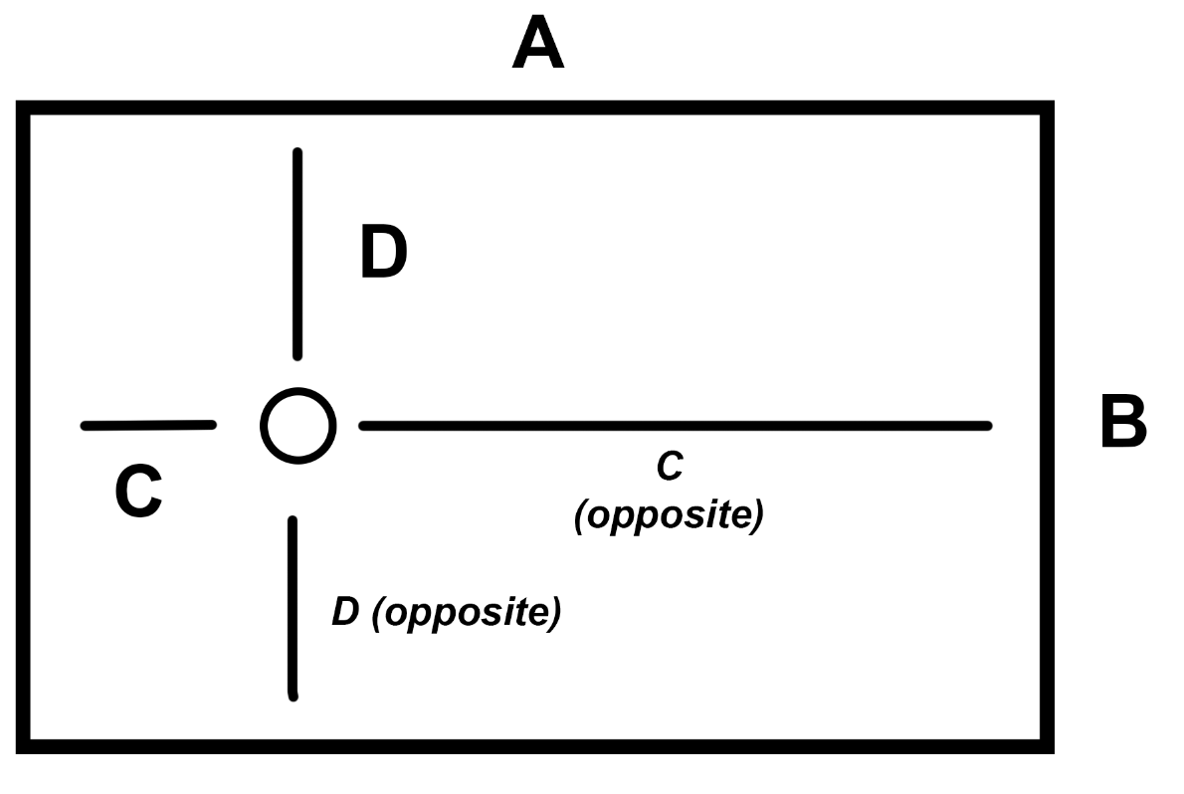
19
11.5
58.5
Does the pan fit on this mold exactly as shown per the picture?*
Max A | 70 | 1
Max B | 38 | 0
38
Max C | 11.5 | 1
Max C (opposite) | 58.5 | 0
19
Max D | 19 | 0
Max D (opposite) | 19 | 0
Fits? *0 = Yes it fits, 1 = No it doesn't fit |  | Doesn't Fit

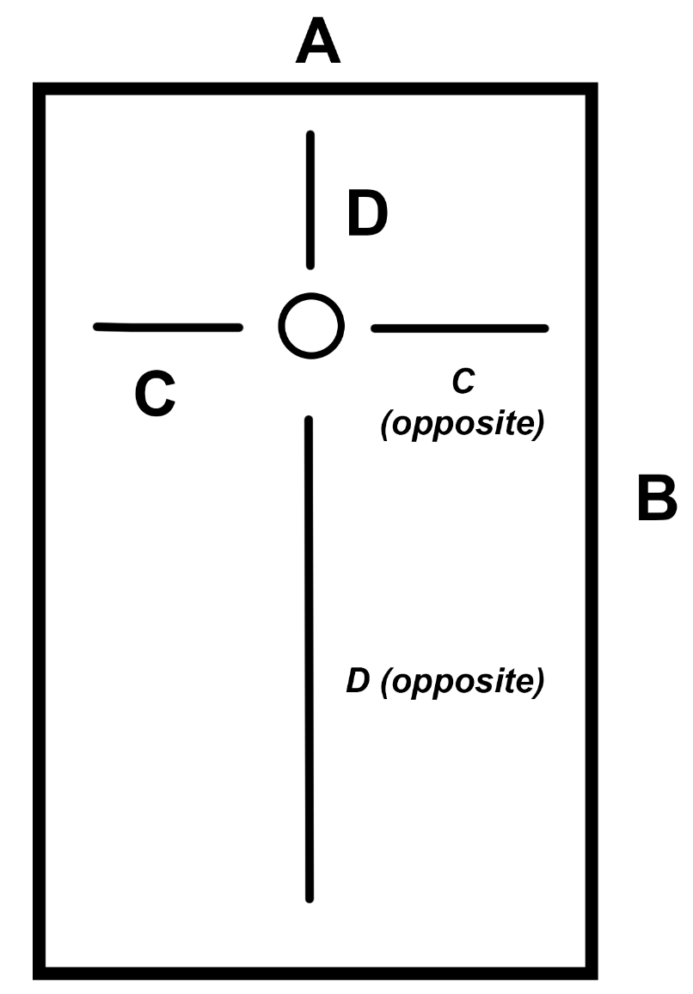
38
11.5
19
19
What if we flip the picture 90 degrees clockwise?
Max A | 38 | 1
Max B | 70 | 0
70
Max C @ 90 | 19 | 1
58.5
Max C @ 90 (opposite) | 19 | 1
Max D @ 90 | 11.5 | 1
Max D @ 90 (opposite) | 58.5 | 0
Fits? |  | Doesn't Fit

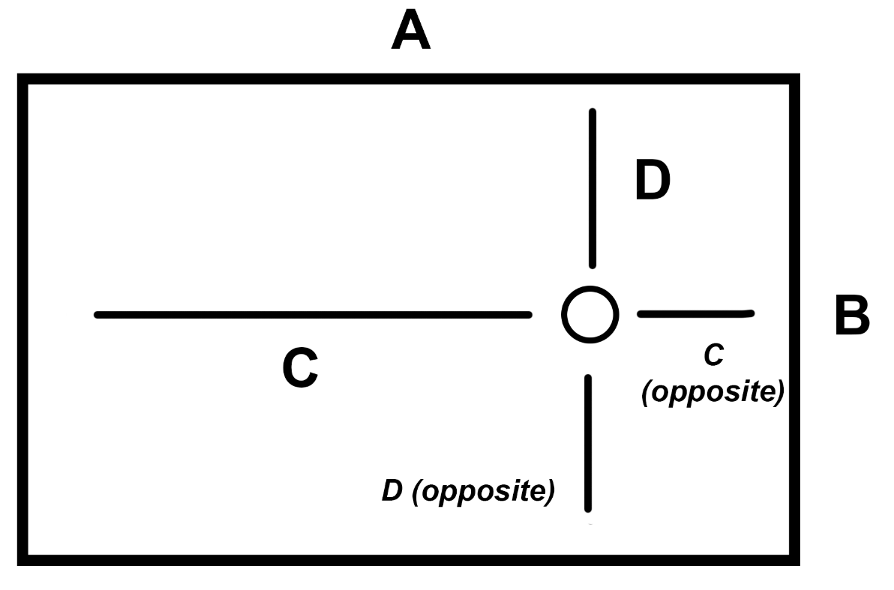
70
19
What if we flip the picture 180 degrees? (upside down)
Max A | 70 | 1
Max B | 38 | 0
58.5
11.5
38
Max C @180 | 58.5 | 0
Max C @180 (opposite) | 11.5 | 1
19
Max D @180 | 19 | 0
Max D @180 (opposite) | 19 | 0
Fits? |  | Doesn't Fit

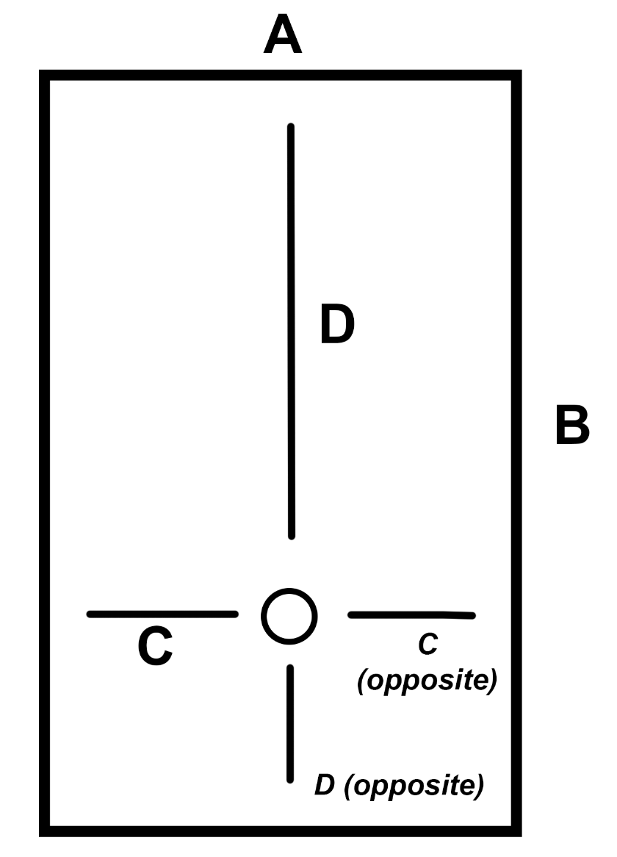
38
58.5
What if we flip the picture 270 degrees clockwise?
Max A | 38 | 1
Max B | 70 | 0
70
Max C @ 270 | 19 | 1
Max C @ 270 (opposite) | 19 | 1
Max D @ 270 | 58.5 | 0
19
19
Max D @ 270 (opposite) | 11.5 | 1
Fits? |  | Doesn't Fit
11.5

Medium (New)
Current Showerbase Doesn't Fit
Mold Name: | Medium Offset |  | THESE PICTURES BELOW ARE THE MOLDS. USEABLE SIZE ONLY.
Overall Dims: | 96x61 |  | THE RED NUMBERS SHOWN ARE OBTAINED BY STANDING IN FRONT OF THE MOLD FROM ALL 4 SIDES.
Texture: | New |  | THE NUMBERS FOR EACH POSITION ARE COMPARED TO THE SHOWER BASE ORDER ON PAGE 1 TO DETERMINE IF IT FITS.
94

29.5
35
59
Does the pan fit on this mold exactly as shown per the picture?*
Max A | 94 | 0
Max B | 59 | 0
59
Max C | 35 | 1
Max C (opposite) | 59 | 0
29.5
Max D | 29.5 | 0
Max D (opposite) | 29.5 | 0
Fits? *0 = Yes it fits, 1 = No it doesn't fit |  | Doesn't Fit

59
35
29.5
29.5
What if we flip the picture 90 degrees clockwise?
Max A | 59 | 1
Max B | 94 | 0
94
Max C @ 90 | 29.5 | 1
59
Max C @ 90 (opposite) | 29.5 | 1
Max D @ 90 | 35 | 0
Max D @ 90 (opposite) | 59 | 0
Fits? |  | Doesn't Fit

94
29.5
What if we flip the picture 180 degrees? (upside down)
Max A | 94 | 0
Max B | 59 | 0
59
35
59
Max C @180 | 59 | 0
Max C @180 (opposite) | 35 | 1
29.5
Max D @180 | 29.5 | 0
Max D @180 (opposite) | 29.5 | 0
Fits? |  | Doesn't Fit

59
59
What if we flip the picture 270 degrees clockwise?
Max A | 59 | 1
Max B | 94 | 0
94
Max C @ 270 | 29.5 | 1
Max C @ 270 (opposite) | 29.5 | 1
Max D @ 270 | 59 | 0
29.5
29.5
Max D @ 270 (opposite) | 35 | 0
Fits? |  | Doesn't Fit
35

Giant (New)
Current Showerbase Fits
Mold Name: | Giant |  | THESE PICTURES BELOW ARE THE MOLDS. USEABLE SIZE ONLY.
Overall Dims: | 120x96 |  | THE RED NUMBERS SHOWN ARE OBTAINED BY STANDING IN FRONT OF THE MOLD FROM ALL 4 SIDES.
Texture: | New |  | THE NUMBERS FOR EACH POSITION ARE COMPARED TO THE SHOWER BASE ORDER ON PAGE 1 TO DETERMINE IF IT FITS.
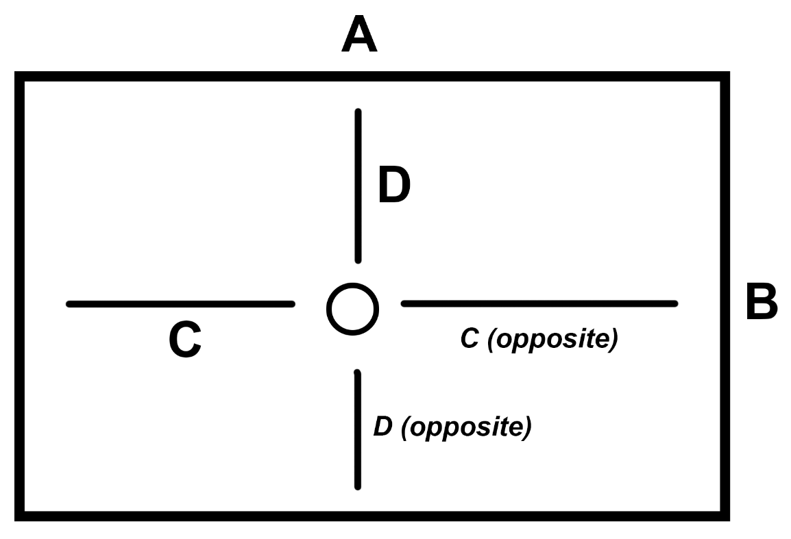
119.5

46.75
Does the pan fit on this mold exactly as shown per the picture?*
Max A | 119.5 | 0
Max B | 95.5 | 0
58.5
58.5
95.5
Max C | 58.5 | 0
Max C (opposite) | 58.5 | 0
46.75
Max D | 46.75 | 0
Max D (opposite) | 46.75 | 0
Fits? *0 = Yes it fits, 1 = No it doesn't fit |  | Fits

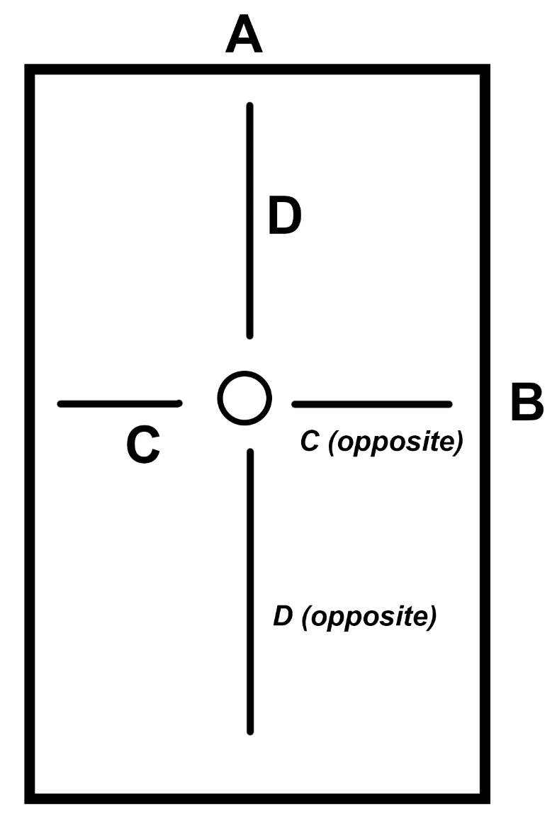
95.5
58.5
46.75
46.75
What if we flip the picture 90 degrees clockwise?
Max A | 95.5 | 0
Max B | 119.5 | 0
119.5
Max C @ 90 | 46.75 | 0
Max C @ 90 (opposite) | 46.75 | 0
Max D @ 90 | 58.5 | 0
58.5
Max D @ 90 (opposite) | 58.5 | 0
Fits? |  | Fits

Small (Old)
Current Showerbase Fits
Mold Name: | Small |  | THESE PICTURES BELOW ARE THE MOLDS. USEABLE SIZE ONLY.
Overall Dims: | 84x60 |  | THE RED NUMBERS SHOWN ARE OBTAINED BY STANDING IN FRONT OF THE MOLD FROM ALL 4 SIDES.
Texture: | Old |  | THE NUMBERS FOR EACH POSITION ARE COMPARED TO THE SHOWER BASE ORDER ON PAGE 1 TO DETERMINE IF IT FITS.
83

29
Does the pan fit on this mold exactly as shown per the picture?*
Max A | 83 | 0
Max B | 59 | 0
40.5
40.5
59
Max C | 40.5 | 0
Max C (opposite) | 40.5 | 0
29
Max D | 29 | 0
Max D (opposite) | 29 | 0
Fits? *0 = Yes it fits, 1 = No it doesn't fit |  | Fits

59
40.5
29
29
What if we flip the picture 90 degrees clockwise?
Max A | 59 | 1
Max B | 83 | 0
83
Max C @ 90 | 29 | 1
Max C @ 90 (opposite) | 29 | 1
Max D @ 90 | 40.5 | 0
40.5
Max D @ 90 (opposite) | 40.5 | 0
Fits? |  | Doesn't Fit

Medium (Old)
Current Showerbase Fits
Mold Name: | Medium |  | THESE PICTURES BELOW ARE THE MOLDS. USEABLE SIZE ONLY.
Overall Dims: | 120x72 |  | THE RED NUMBERS SHOWN ARE OBTAINED BY STANDING IN FRONT OF THE MOLD FROM ALL 4 SIDES.
Texture: | Old |  | THE NUMBERS FOR EACH POSITION ARE COMPARED TO THE SHOWER BASE ORDER ON PAGE 1 TO DETERMINE IF IT FITS.
119.5

35.5
Does the pan fit on this mold exactly as shown per the picture?*
Max A | 119.5 | 0
Max B | 71 | 0
58.5
58.5
71
Max C | 58.5 | 0
Max C (opposite) | 58.5 | 0
35.5
Max D | 35.5 | 0
Max D (opposite) | 35.5 | 0
Fits? *0 = Yes it fits, 1 = No it doesn't fit |  | Fits

71
58.5
35.5
35.5
What if we flip the picture 90 degrees clockwise?
Max A | 71 | 1
Max B | 119.5 | 0
119.5
Max C @ 90 | 35.5 | 1
Max C @ 90 (opposite) | 35.5 | 1
Max D @ 90 | 58.5 | 0
58.5
Max D @ 90 (opposite) | 58.5 | 0
Fits? |  | Doesn't Fit

Giant (Old)
Current Showerbase Fits
Mold Name: | Giant |  | THESE PICTURES BELOW ARE THE MOLDS. USEABLE SIZE ONLY.
Overall Dims: | 120x96 |  | THE RED NUMBERS SHOWN ARE OBTAINED BY STANDING IN FRONT OF THE MOLD FROM ALL 4 SIDES.
Texture: | Old |  | THE NUMBERS FOR EACH POSITION ARE COMPARED TO THE SHOWER BASE ORDER ON PAGE 1 TO DETERMINE IF IT FITS.
119.5

46.75
Does the pan fit on this mold exactly as shown per the picture?*
Max A | 119.5 | 0
Max B | 95.5 | 0
58.5
58.5
95.5
Max C | 58.5 | 0
Max C (opposite) | 58.5 | 0
46.75
Max D | 46.75 | 0
Max D (opposite) | 46.75 | 0
Fits? *0 = Yes it fits, 1 = No it doesn't fit |  | Fits

95.5
58.5
46.75
46.75
What if we flip the picture 90 degrees clockwise?
Max A | 95.5 | 0
Max B | 119.5 | 0
119.5
Max C @ 90 | 46.75 | 0
Max C @ 90 (opposite) | 46.75 | 0
Max D @ 90 | 58.5 | 0
58.5
Max D @ 90 (opposite) | 58.5 | 0
Fits? |  | Fits

Colorswatch
White | 
Biscuit | 
Almond | 
Ice Grey | 

Diagrams
Base Only | 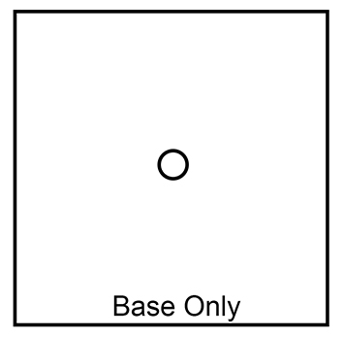
Single Threshold | 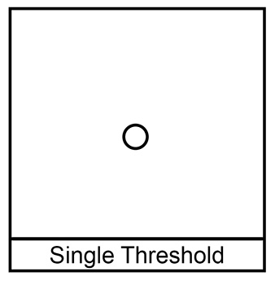
Double Threshold | 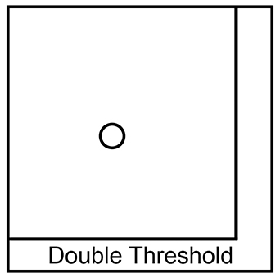
Neo-Angle Threshold | 