Test Report
Test Case Report
Project Name - | Bluboho.com
Module Name - | User Management
Test Case Version | -
Written By | RAHANUMA TASNIM |  |  |  |  | Total No. | Status
Executed By | RAHANUMA TASNIM |  |  |  |  | 41 | PASS
Reviewed By | - |  |  |  |  | 1 | FAIL
TEST EXECUTION REPORT |  |  |  |  |  | 0 | Not Executed
 |  |  |  |  |  | 0 | Out of Scope
Test Case | PASS | FAIL | Not Executed | Out Of Scope | Total TC
 | 41 | 1 | 0 | 0 | 42
Grand Total | 41 | 1 | 0 | 0 | 42 | Testing Environment : | Google Chrome Browser

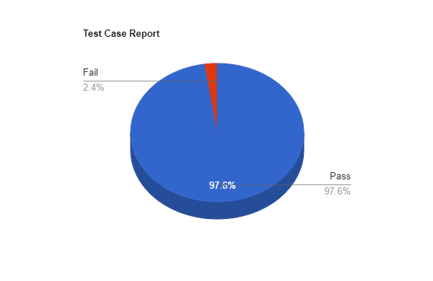
LIMITATIONS
Documents |  |  |  | Received | Useful
PRD |  |  |  | No | No
USER STORY |  |  |  | No | No

 | Testing Type in Scope | Description

Yes/ No. Justification (If No): | Functional Testing | This type of testing ignores the internal parts and focuses only on the output to check if it is as per the requirement or not.

Yes/ No. Justification (If No): | Integration Testing | Testing of all integrated modules to verify the combined functionality after integration is termed as Integration Testing.

Yes/ No. Justification (If No): | Negative Testing | Testing having the mindset of “attitude to break” using incorrect data and invalid inputs.

Yes/ No. Justification (If No): | Usability Testing | Test application from user friendliness perspective.

Yes/ No. Justification (If No): | Browser Compatibility Testing | Browser Compatibility Testing is performed for web applications and it ensures that the software can run with the combination of different browser and operating system. This type of testing also validates whether web application runs on all versions of all browsers or not.

Yes/ No. Justification (If No): | Boundary Value Testing | There is an upper and lower boundary for each range and testing is performed on these boundary values.

Yes/ No. Justification (If No): | Risk Based Testing Or Regression Testing | Risk-Based Testing includes testing of highly critical functionality, which has the highest impact on business and in which the probability of failure is very high. Testing an application as a whole for the modification in any module or functionality is termed as Regression Testing.

Bug Report
Bug Report

TC:015
Issue: It takes invalid email address
Reproducing steps:
Browse URL
Click on Login Icon
Click “create an account”
Write invalid email
Click create account button
ENV: Registration
Module: Create an Account
Severity: P1
Screen Recorder: Email
Responsible QA: Rahanuma Tasnim

Test Matrics
TEST MATRICS

SL.NO | Metrics | Description | Result

1 | Percentage of test cases executed | (No.of Test Cases Executed/Total no. of Test Cases Written)*100 | (42/42)*100=100
2 | Percentage of test cases not executed | (No.of Test Cases not Executed/Total no. of Test Cases Executed)*100 | (0/42)*100=0
3 | Percentage of test cases Passed | (No.of Test Cases Passed/Total no. of Test Cases Executed)*100 | (41/42)*100=97.61
4 | Percentage of test cases Failed | (No.of Test Cases Failed/Total no. of Test Cases Executed)*100 | (1/42)*100=2.41
5 | Percentage of test cases Blocked | (No.of Test Cases Blocked/Total no. of Test Cases Executed)*100 | (0/42)*100=0
6 | Defect Density | No. of defect found/Size (No. of requirements) | N/A
7 | Defect Removal Efficiency(DRE) | (Fixed Defects/(Fixed Defects + Missed Defects))*100 | N/A
8 | Defect Leakage | (No of Defects in UAT / No. of Defects found in Testing)*100 | N/A
9 | Defect Rejection Ratio | (No. of Defects Rejected / Total no.of Defects Raised)*100 | N/A
10 | Defect Age | Fixed Data – Reported date | N/A
11 | Customer Satisfaction | No. of complaints per Period of Time | N/A

Mind Map
