Sheet2
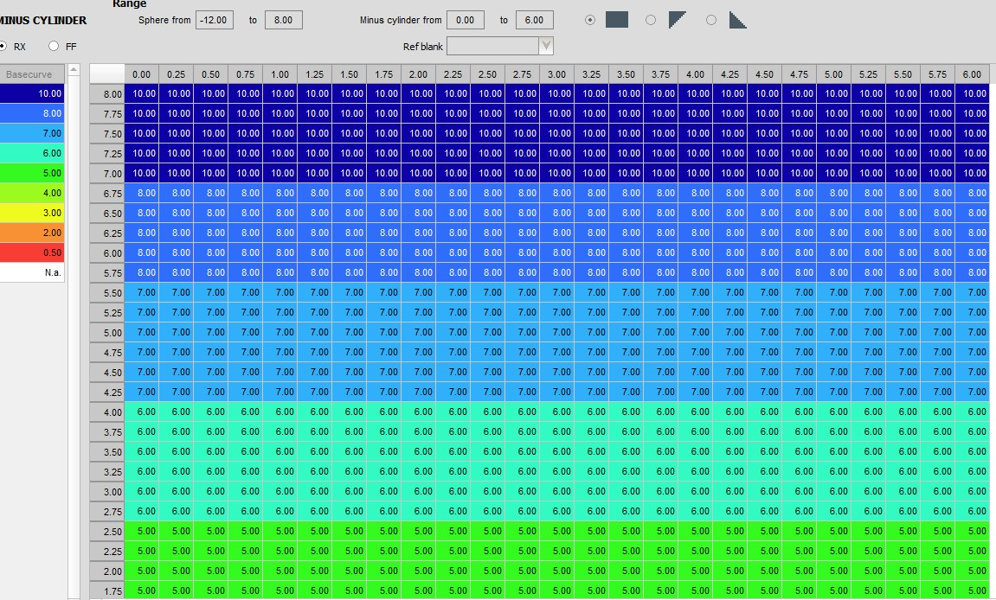
Note:- Lensware orders Calculate directed to Product Code/Lens Code reference to Subtitute Row balnk Code. |  |  |  | Lensware FF GRID Picture
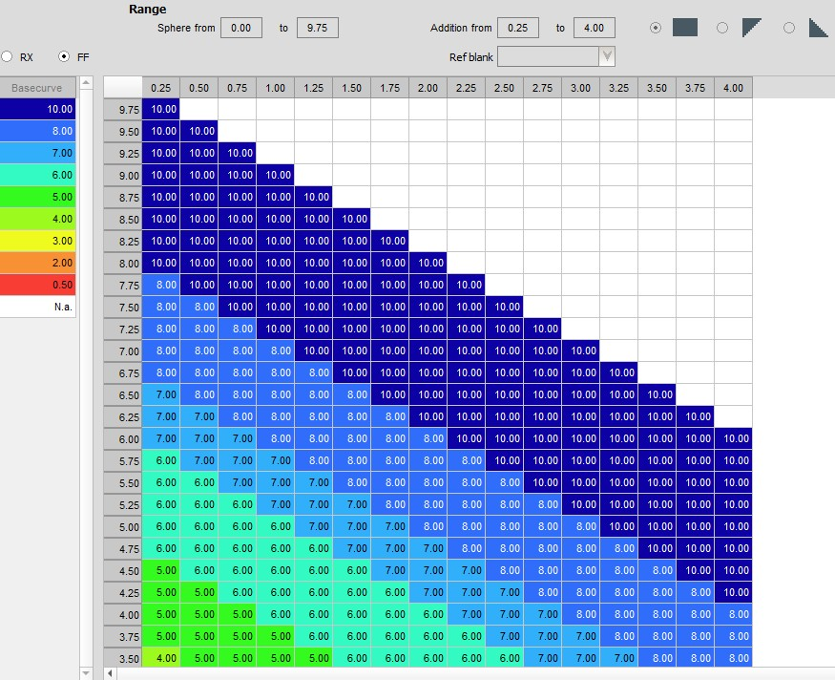

 | BLANK CODE

 | 1st-3rd char code for Design | 4th char code for index | 5th-6th char code for material type
 | SPH=Sphere | 5=1.50 | WH= Clear
 | Asp=Asphere | 3=1.53 | UV= Clear UV
 | ABC=prog.ABC | M=1.56 | CG= Photochromic
 | etc. | 9=1.59(poly) | TE= Trans. Green
 |  | 6=1.60 | TG= Trans. Gray
 |  | 7=1.67 | TG= Trans. Brown
 |  | 4=1.74 | XG= Xtractive Grey
 |  |  | XB= Xtractive Brown

 | BLANK SUPPLIER NAME

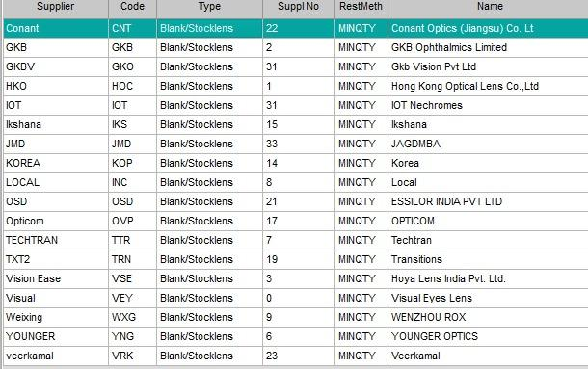

 |  |  |  | Lensware RX/SV GRID Picture

