Funcs
64
0

64位

6
5
4
3
2
1
0

128位

当 s.Add(130)时：

word = 133 / 64 = 2
bit = 133%64 = 5
133是64的2倍，余5

for word >= len(s.words) {
s.words 通过此循环，用0扩容到3

s.words[word] |= 1<<bit
s.words[2] = 1<<5

s.words = [0, 0, 2^5]
最后，[0, 0, 32] 就表示数字133

1左移5位后在这里

Add
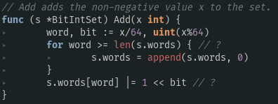
因此，s.words的len-1代表着x是多少个64的和，数组s.words[len(s.words)-1]代表这余数，它是2的倍数，1左移y次，这个余数就是2^y

x是64的word倍，余bit
当x在s.words时：
∵ len(s.words) = word+1
∴ len(s.words) > word 恒成立
∵ s.words[word] = 1<<bit
∴ s.words[word] & (1<<bit)
= (1<<bit) & (1<<bit)
= 1 & 1
∴ s.words[word] & (1<<bit) != 0 恒成立
Has

AddAll
测试用例：nums=[133,2,4]
① s.Add(133)：s.words = [0, 0, 32] <= [0, 0, 2^5]
② s.Add(2)： s.words = [4, 0, 32] <= [2^2, 0, 32]
③ s.Add(4)： s.words = [20, 0, 32] <= [4 + 2^4, 0, 32]

String
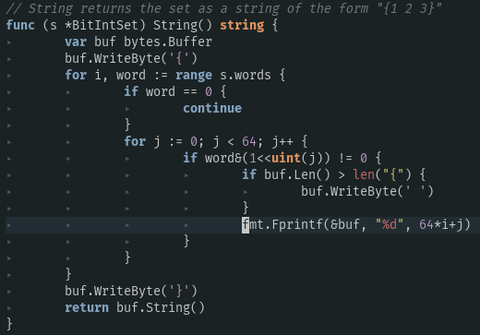
测试用例：s.Add(133, 2, 4) => s.words: [20, 0, 32]

buf.Len() == 1 buf == [123]

i 从0 遍历到 2，word从 20 遍历到 32

∵ words = [20, 0, 32]
∴ i == 0 word == 20
i == 1 word == 0
i == 2 word == 32
①：i == 0, word == 20, j == 2
∵ buf.Len() == 1 == len(“{”), buf = [123]
∴ buf = {64*i+j = {2
∴ buf == [123 50]
②：i == 0, word == 20, j == 4
∵ buf.Len() == 2 > len(“{”)
∴ buf.WriteByte(‘ ’) <= buf = [123 50 32]
fmt.Fprintf(&buf, “%d”, 64*i+j)
∴ buf == [123 50 32 52]
③：i ==2, word == 32, j== 5
∵ buf.Len() == 4 > len(“{”)
∴ buf.WriteByte(‘ ’)
∴ buf == [123 50 32 52 32]
fmt.Fprintf(&buf, “%d”, 64*i+j)
∴ buf == [123 50 32 52 32 49 51 51]

// https://play.golang.org/p/WMNH2mjXCGv
package main
import (
"bytes"
"fmt"
)
func main() {
var buf bytes.Buffer
buf.WriteByte('{')
fmt.Println(buf) // {[123] 0 0}
fmt.Fprintf(&buf, "%d", 2)
fmt.Println(buf) // {[123 50] 0 0}
buf.WriteByte(' ')
fmt.Fprintf(&buf, "%d", 4)
fmt.Println(buf) // {[123 50 32 52] 0 0}
buf.WriteByte(' ')
fmt.Fprintf(&buf, "%d", 133)
fmt.Println(buf) // {[123 50 32 52 32 49 51 51] 0 0}
buf.WriteByte('}')
fmt.Println(buf) // {[123 50 32 52 32 49 51 51 125] 0 0}
}

