工作表 1
Memo
requests chan request
request
key string
response chan<- result
entry
res result
ready chan struct{}
result
value interface{}
err error

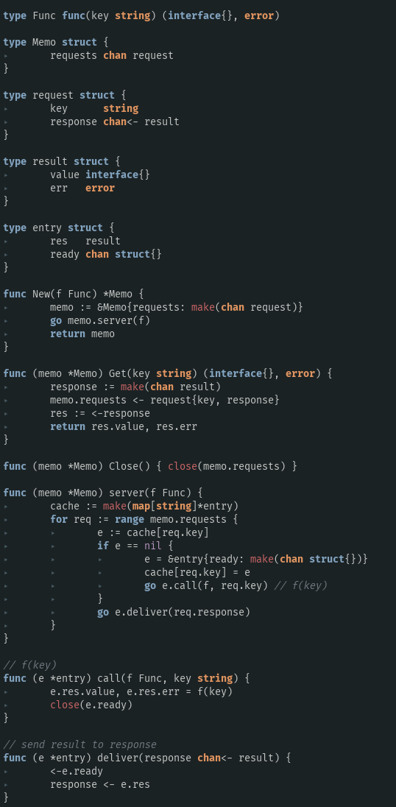
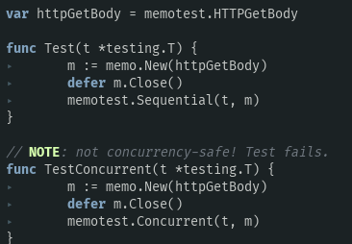

requests
request
response
value
err
result

a1

b2

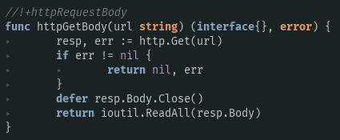

memo.server(httpGetBody)
自此一个协程运行起来了，专门处理所有收到的请求，而所有的请求都在存放在：
channel ：memo.requests
c3

a2
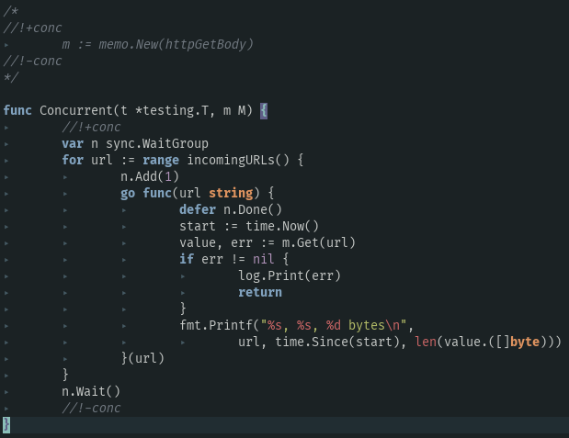
a3
从内存开辟空间，用已知的key和空 response（result） 构建 request 并把它塞入：
memo.requests
TIME
requests |  | request channel | the caller of Get communicates with the monitor goroutine by this
b1

a1 |  |  | memo.New(httpGetBody)
a2 |  |  | memo里的requests还是空的
a3 |  |  | go server(f)
b6
 | a31 |  | cache 建立
b3
 | a32 |  | 遍历 memo.requests
把刚塞进 memo 里的response（空的result） 塞入 res，返回
 | a32_block | requests blank | block

b5
b1 |  |  | return memo
b2 |  |  | Concurrent(t, memo)
b3 |  |  | loop in rang
b4 |  |  | get urls
memo.requests 一开始是block 在这里的，直到【b5】被执行，任督二脉打通，代码进入新纪元
b5 |  |  | 调用 memo.Get(key) 获得 访问该key得到的结果，错误就返回并打印错误，无错误就打印url，时间，获得的内容的字节数
b6 |  |  | creates a response channel, puts it in the request, sends it to the monitor goroutine, then immediately receives from it.
a3_1
 | a32_block | requests filled
 |  | e == nil | entry对象为nil，构造它
a3_2
c1 |  |  | go call
d1 |  |  | go deliver
 | c2 |  | f(key) ==> httpGetBody(key) => save value and err to entry's res
 | c3 |  | get body from url
 | c4 |  | close channel e.ready to announce d1
 | d2 |  | <-e.ready receive close single so the block disappeared
c1
 | d3 |  | req.response <- e.res
ready
result
entry
call
ready
result
entry
 |  |  | one of memo.requests 's response <- e.res
如果cache里没有这个url，这个key的value，那么就执行 entry.call()，也就是e.f(key)，也就是 httpGetBody(key), 讲返回值交给 entry的 res 的value和err。
channel type:
request
d1
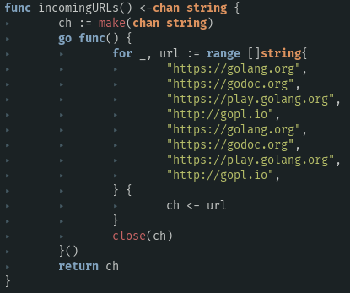

Memo.resquests

request ----one of memo.requests
request ----one of memo.requests
if ready
closed
c2
c4
这里，关闭了 e.ready，那么被e.ready block的点【d2】【d3】就可以继续通讯了
b4
response chan<- result
response chan<- result

。。。。。。
result
result
result
result
yes
result
result
result
result
result
result
result
result
deliver

d2
d3

