Sheet1
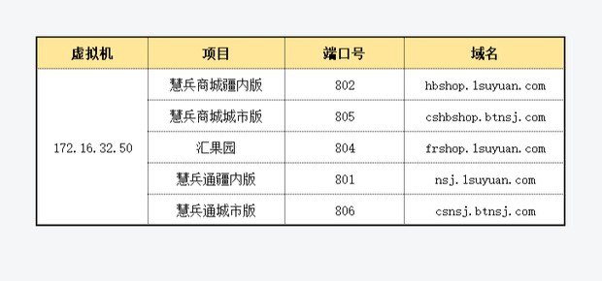
项目 | 端口 | 地址 | 外网正式地址 | 外网测试地址 | 外网测试地址2
慧兵商城疆内版 | 802 | http://172.16.32.34 | http://hbshop.1suyuan.com | hbshop_.1suyuan.com | hbshoptest.1suyuan.com
慧兵商城城市版 | 805 | http://172.16.32.34 | http://cshbshop.btnsj.com | cshbshop_.1suyuan.com | cshbshoptest.1suyuan.com
汇果园 | 804 | http://172.16.32.34 | http://frshop.1suyuan.com | frshop_.1suyuan.com | frshoptest.1suyuan.com
慧兵通疆内版 | 801 | http://172.16.32.34 | http://nsj.1suyuan.com | nsj_.1suyuan.com | nsjtest.1suyuan.com
慧兵通城市版 | 806 | http://172.16.32.34 | http://csnsj.btnsj.com | csnsj_.1suyuan.com | csnsjtest.1suyuan.com

