Instruction
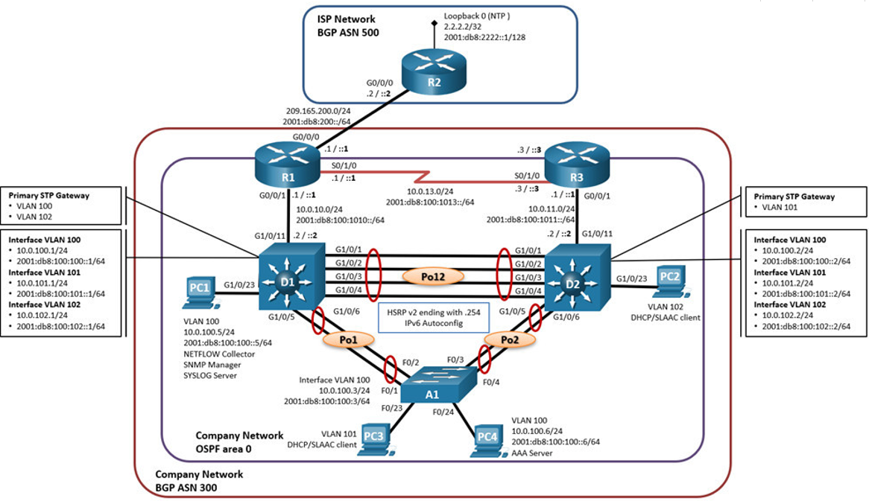
ENCOR Skills Assessment (Scenario 1)
Topology

Addressing Table

Device | Interface | IPv4 Address | IPv6 Address | IPv6 Link-Local
R1 | G0/0/0 | 209.165.200.225/27 | 2001:db8:200::1/64 | fe80::1:1
 | G0/0/1 | 10.0.10.1/24 | 2001:db8:100:1010::1/64 | fe80::1:2
 | S0/1/0 | 10.0.13.1/24 | 2001:db8:100:1013::1/64 | fe80::1:3
R2 | G0/0/0 | 209.165.200.226/27 | 2001:db8:200::2/64 | fe80::2:1
 | Loopback0 | 2.2.2.2/32 | 2001:db8:2222::1/128 | fe80::2:3
R3 | G0/0/1 | 10.0.11.1/24 | 2001:db8:100:1011::1/64 | fe80::3:2
 | S0/1/0 | 10.0.13.3/24 | 2001:db8:100:1013::3/64 | fe80::3:3
D1 | G1/0/11 | 10.0.10.2/24 | 2001:db8:100:1010::2/64 | fe80::d1:1
 | VLAN 100 | 10.0.100.1/24 | 2001:db8:100:100::1/64 | fe80::d1:2
 | VLAN 101 | 10.0.101.1/24 | 2001:db8:100:101::1/64 | fe80::d1:3
 | VLAN 102 | 10.0.102.1/24 | 2001:db8:100:102::1/64 | fe80::d1:4
D2 | G1/0/11 | 10.0.11.2/24 | 2001:db8:100:1011::2/64 | fe80::d2:1
 | VLAN 100 | 10.0.100.2/24 | 2001:db8:100:100::2/64 | fe80::d2:2
 | VLAN 101 | 10.0.101.2/24 | 2001:db8:100:101::2/64 | fe80::d2:3
 | VLAN 102 | 10.0.102.2/24 | 2001:db8:100:102::2/64 | fe80::d2:4
A1 | VLAN 100 | 10.0.100.3/23 | 2001:db8:100:100::3/64 | fe80::a1:1
PC1 | NIC | 10.0.100.5/24 | 2001:db8:100:100::5/64 | EUI-64
PC2 | NIC | DHCP | SLAAC | EUI-64
PC3 | NIC | DHCP | SLAAC | EUI-64
PC4 | NIC | 10.0.100.6/24 | 2001:db8:100:100::6/64 | EUI-64

Objectives

Part 1: Build the Network and Configure Basic Device Settings and Interface Addressing
Part 2: Configure the Layer 2 Network and Host Support
Part 3: Configure Routing Protocols
Part 4: Configure First-Hop Redundancy
Part 5: Configure Security
Part 6: Configure Network Management Features
Part 7: Cleanup

Background / Scenario

In this skills assessment, you are responsible for completing the configuration of the network so there is full end-to-end reachability, so the hosts have reliable default gateway support, and so that management protocols are operational within the “Company Network” part of the topology. Be careful to verify that your configurations meet the provided specifications and that the devices perform as required.
Note: The routers used with CCNP hands-on labs are Cisco 4221 routers with Cisco IOS XE Release 16.9.4 (universalk9 image). The switches used in the labs are Cisco Catalyst 3650 switches with Cisco IOS XE Release 16.9.4 (universalk9 image) and Cisco Catalyst 2960s with Cisco IOS Release 15.2(2) (lanbasek9 image). Other routers, switches, and Cisco IOS versions can be used. Depending on the model and Cisco IOS version, the commands available and the output produced might vary from what is shown in the labs.
Note: Make sure that the switches have been erased and have no startup configurations. If you are unsure, contact your instructor.
Note: The default Switch Database Manager (SDM) template on a Catalyst 2960 does not support IPv6. You must change the default SDM template to the dual-ipv4-and-ipv6 default template using the sdm prefer dual-ipv4-and-ipv6 default global configuration command. Changing the template will require a reboot.
Instructor Note: Refer to the Instructor Lab Manual for the procedures to initialize and reload devices.
Instructor Note: This skills assessment presumes that Part 1: Build the Network and Configure Basic Device Settings is not a graded or timed component of the exercise.
Instructor Note: The Configure Security task requires the student to implement a AAA solution using a RADIUS server. Cisco Networking Academy provides a AAA Server VM. If this VM is not available, make sure to modify the instructions and scoring rubric to reflect Local AAA.
Instructor Note: In the interest of time, it may be appropriate to modify some of the requirements from “all devices” to a select device.

Required Resources
3 Routers (Cisco 4221 with Cisco IOS XE Release 16.9.4 universal image or comparable)
2 Switches (Cisco 3650 with Cisco IOS XE release 16.9.4 universal image or comparable)
1 Switch (Cisco 2960 with Cisco IOS release 15.2 lanbase image or comparable)
4 PCs (Choice of operating system with a terminal emulation program)
Console cables to configure the Cisco IOS devices via the console ports
Ethernet and serial cables as shown in the topology

Instructions
Part 1: Build the Network and Configure Basic Device Settings and Interface Addressing

In Part 1, you will set up the network topology and configure basic settings and interface addressing.
Step 1: Cable the network as shown in the topology.
Attach the devices as shown in the topology diagram, and cable as necessary.
Step 2: Configure basic settings for each device.
a. Console into each device, enter global configuration mode, and apply the basic settings. The startup configurations for each device are provided below.
b. Save the running configuration to startup-config on all devices.
c. Configure PC 1 and PC 4 host addressing as shown in the addressing table. Assign a default gateway address of 10.0.100.254 which will be the HSRP virtual IP address used in Part 4.

Part 2: Configure the Layer 2 Network and Host Support

In this part of the Skills Assessment, you will complete the Layer 2 network configuration and set up basic host support. At the end of this part, all the switches should be able to communicate. PC2 and PC3 should receive addressing from DHCP and SLAAC.
Your configuration tasks are as follows:

Task# | Task | Specification | Points
2.1 | Onall switches, configure IEEE 802.1Q trunk interfaces on interconnectingswitch links | Enable 802.1Q trunk links between: | 6
 |  | D1 and D2
 |  | D1 and A1
 |  | D2 and A1
2.2 | On all switches, change the nativeVLAN on trunk links. | Use VLAN 999 as the native VLAN. | 6
2.3 | On all switches, enable theRapid Spanning-Tree Protocol. | Use Rapid Spanning Tree. | 3
2.4 | On D1 and D2, configure the appropriate RSTP root bridges based on the information in the topology diagram. | Configure D1 and D2 as root forthe appropriate VLANs with mutually supporting priorities in case of switchfailure. | 2
 | D1 and D2 must provide backup in case of root bridge failure.
2.5 | On all switches, create LACP EtherChannels as shown in thetopology diagram. | Use the following channel numbers: | 3
 |  | D1 to D2 – Port channel 12
 |  | D1 to A1 – Port channel 1
 |  | D2 to A1 – Port channel 2
2.6 | On all switches, configure host accessports connecting to PC1, PC2, PC3, and PC4. | Configure access ports with appropriate VLAN settings as shown in the topology diagram. | 4
 |  | Host ports should transition immediately to forwarding state.
2.7 | Verify IPv4 DHCP services. | PC2 and PC3 are DHCP clients and should be receiving valid IPv4 addresses. | 1
2.8 | Verify local LAN connectivity. | PC1 should successfully ping:
 |  | D1: 10.0.100.1
 |  | D2: 10.0.100.2
 |  | PC4: 10.0.100.6
 |  | PC2 should successfully ping:
 |  | D1: 10.0.102.1
 |  | D2: 10.0.102.2
 |  | PC3 should successfully ping:
 |  | D1: 10.0.101.1
 |  | D2: 10.0.101.2
 |  | PC4 should successfully ping:
 |  | D1: 10.0.100.1
 |  | D2: 10.0.100.2
 |  | PC1: 10.0.100.5

Part 3: Configure Routing Protocols

In this part, you will configure IPv4 and IPv6 routing protocols. At the end of this part, the network should be fully converged. IPv4 and IPv6 pings to the Loopback 0 interface from D1 and D2 should be successful.
Note: Pings from the hosts will not be successful because their default gateways are pointing to the HSRP address which will be enabled in Part 4.
Your configuration tasks are as follows:

Task# | Task | Specification | Points
3.1 | On the “Company Network” (i.e.,R1, R3, D1, and D2), configure single-area OSPFv2 in area 0. | Use OSPF Process ID 4 and assign the following router-IDs: | 8
 |  | R1: 0.0.4.1
 |  | R3: 0.0.4.3
 |  | D1: 0.0.4.131
 |  | D2: 0.0.4.132
 |  | On R1, R3, D1, and D2, advertise all directly connected networks / VLANs in Area 0.
 |  | On R1, do not advertise the R1 – R2 network.
 |  | On R1, propagate a default route. Note that the default route will be provided by BGP.
 |  | Disable OSPFv2 advertisements on:
 |  | D1: All interfaces except G1/0/11
 |  | D2: All interfaces except G1/0/11
3.2 | On the “Company Network” (i.e.,R1, R3, D1, and D2), configure classic single-area OSPFv3 in area 0. | Use OSPF Process ID 6 and assign the following router-IDs: | 8
 |  | R1: 0.0.6.1
 |  | R3: 0.0.6.3
 |  | D1: 0.0.6.131
 |  | D2: 0.0.6.132
 |  | On R1, R3, D1, and D2, advertise all directly connected networks / VLANs in Area 0.
 |  | On R1, do not advertise the R1 – R2 network.
 |  | On R1, propagate a default route. Note that the default route will be provided by BGP.
 |  | Disable OSPFv3 advertisements on:
 |  | D1: All interfaces except G1/0/11
 |  | D2: All interfaces except G1/0/11
3.3 | On R2 in the “ISP Network”, configureMP-BGP. | Configure two default static routes via interface Loopback 0: | 4
 |  | An IPv4 default static route.
 |  | An IPv6 default static route.
 |  | Configure R2 in BGP ASN 500 and use the router-id 2.2.2.2.
 |  | Configure and enable an IPv4 and IPv6 neighbor relationship with R1 in ASN 300.
 |  | In IPv4 address family, advertise:
 |  | The Loopback 0 IPv4 network (/32).
 |  | The default route (0.0.0.0/0).
 |  | In IPv6 address family, advertise:
 |  | The Loopback 0 IPv4 network (/128).
 |  | The default route (::/0).
3.4 | On R1 in the “ISP Network”,configure MP-BGP. | Configure two static summary routes to interface Null 0: | 4
 |  | A summary IPv4 route for 10.0.0.0/8.
 |  | A summary IPv6 route for 2001:db8:100::/48.
 |  | Configure R1 in BGP ASN 300 and use the router-id 1.1.1.1.
 |  | Configure an IPv4 and IPv6 neighbor relationship with R2 in ASN 500.
 |  | In IPv4 address family:
 |  | Disable the IPv6 neighbor relationship.
 |  | Enable the IPv4 neighbor relationship.
 |  | Advertise the 10.0.0.0/8 network.
 |  | In IPv6 address family:
 |  | Disable the IPv4 neighbor relationship.
 |  | Enable the IPv6 neighbor relationship.
 |  | Advertise the 2001:db8:100::/48 network.

Part 4: Configure First Hop Redundancy

In this part, you will configure HSRP version 2 to provide first-hop redundancy for hosts in the “Company Network”.
Your configuration tasks are as follows:

Task# | Task | Specification | Points
4.1 | On D1, create IP SLAs that test the reachability of R1interface G0/0/1. | Create two IP SLAs. | 2
 |  | Use SLA number 4 for IPv4.
 |  | Use SLA number 6 for IPv6.
 |  | The IP SLAs will test availability of R1 G0/0/1 interface every 5 seconds.
 |  | Schedule the SLA for immediate implementation with no end time.
 |  | Create an IP SLA object for IP SLA 4 and one for IP SLA 6.
 |  | Use track number 4 for IP SLA 4.
 |  | Use track number 6 for IP SLA 6.
 |  | The tracked objects should notify D1 if the IP SLA state changes from down to up after 10 seconds, or from up to down after 15 seconds.
4.2 | On D2, create IP SLAs that testthe reachability of R3 interface G0/0/1. | Create two IP SLAs. | 2
 |  | Use SLA number 4 for IPv4.
 |  | Use SLA number 6 for IPv6.
 |  | The IP SLAs will test availability of R3 G0/0/1 interface every 5 seconds.
 |  | Schedule the SLA for immediate implementation with no end time.
 |  | Create an IP SLA object for IP SLA 4 and one for IP SLA 6.
 |  | Use track number 4 for IP SLA 4.
 |  | Use track number 6 for IP SLA 6.
 |  | The tracked objects should notify D1 if the IP SLA state changes from down to up after 10 seconds, or from up to down after 15 seconds.
4.3 | On D1, configure HSRPv2. | D1 is the primary router for VLANs 100 and 102; therefore, their priority will also be changed to 150. | 8
 |  | Configure HSRP version 2.
 |  | Configure IPv4 HSRP group 104 for VLAN 100:
 |  | Assign the virtual IP address 10.0.100.254.
 |  | Set the group priority to 150.
 |  | Enable preemption.
 |  | Track object 4 and decrement by 60.
 |  | Configure IPv4 HSRP group 114 for VLAN 101:
 |  | Assign the virtual IP address 10.0.101.254.
 |  | Enable preemption.
 |  | Track object 4 to decrement by 60.
 |  | Configure IPv4 HSRP group 124 for VLAN 102:
 |  | Assign the virtual IP address 10.0.102.254.
 |  | Set the group priority to 150.
 |  | Enable preemption.
 |  | Track object 4 to decrement by 60.
 |  | Configure IPv6 HSRP group 106 for VLAN 100:
 |  | Assign the virtual IP address using ipv6 autoconfig.
 |  | Set the group priority to 150.
 |  | Enable preemption.
 |  | Track object 6 and decrement by 60.
 |  | Configure IPv6 HSRP group 116 for VLAN 101:
 |  | Assign the virtual IP address using ipv6 autoconfig.
 |  | Enable preemption.
 |  | Track object 6 and decrement by 60.
 |  | Configure IPv6 HSRP group 126 for VLAN 102:
 |  | Assign the virtual IP address using ipv6 autoconfig.
 |  | Set the group priority to 150.
 |  | Enable preemption.
 |  | Track object 6 and decrement by 60.
 | On D2, configure HSRPv2. | D2 is the primary router for VLAN 101; therefore, the priority will also be changed to 150.
 |  | Configure HSRP version 2.
 |  | Configure IPv4 HSRP group 104 for VLAN 100:
 |  | Assign the virtual IP address 10.0.100.254.
 |  | Enable preemption.
 |  | Track object 4 and decrement by 60.
 |  | Configure IPv4 HSRP group 114 for VLAN 101:
 |  | Assign the virtual IP address 10.0.101.254.
 |  | Set the group priority to 150.
 |  | Enable preemption.
 |  | Track object 4 to decrement by 60.
 |  | Configure IPv4 HSRP group 124 for VLAN 102:
 |  | Assign the virtual IP address 10.0.102.254.
 |  | Enable preemption.
 |  | Track object 4 to decrement by 60.
 |  | Configure IPv6 HSRP group 106 for VLAN 100:
 |  | Assign the virtual IP address using ipv6 autoconfig.
 |  | Enable preemption.
 |  | Track object 6 and decrement by 60.
 |  | Configure IPv6 HSRP group 116 for VLAN 101:
 |  | Assign the virtual IP address using ipv6 autoconfig.
 |  | Set the group priority to 150.
 |  | Enable preemption.
 |  | Track object 6 and decrement by 60.
 |  | Configure IPv6 HSRP group 126 for VLAN 102:
 |  | Assign the virtual IP address using ipv6 autoconfig.
 |  | Enable preemption.
 |  | Track object 6 and decrement by 60.

Part 5: Security
In this part you will configure various security mechanisms on the devices in the topology.
Your configuration tasks are as follows:

Task# | Task | Specification | Points
5.1 | On all devices, secure privileged EXEC using the SCRYPTencryption algorithm. | Password: cisco12345cisco | 3
5.2 | On all devices, create a localuser and secure it using the SCRYPT encryption algorithm. | SCRYPT encrypted account specifics: | 3
 |  | Local user name: sadmin
 |  | Privilege level 15
 |  | Password: cisco12345cisco
5.3 | On all devices (except R2), enableAAA. | Enable AAA. | 2
5.4 | On all devices (except R2),configure the RADIUS server specifics. | RADIUS server specifics: | 2
 |  | RADIUS server IP address is 10.0.100.6.
 |  | RADIUS server UDP ports 1812 and 1813.
 |  | Password: $trongPass
5.5 | On all devices (except R2),configure the AAA authenticationmethod list. | AAA authentication specifics: | 2
 |  | Use the default method list
 |  | Validate against the RADIUS server group
 |  | Otherwise, use the local database.
5.6 | Verify the AAA service on alldevices (except R2). | Log out and log in to all devices (except R2) using the username raduser and the password upass123. | 2
 |  | You should be successful.

Part 6: Configure Network Management Features
In this part, you will configure various network management features.
Your configuration tasks are as follows:

Task# | Task | Specification | Points
6.1 | On all devices, set the local clock to the current UTC time. | Setthe local clock to the current UTC time. | 3
6.2 | Configure R2 as an NTP master. | Configure R2 as an NTP master at stratum level 3. | 1
6.3 | Configure NTP on R1, R3, D1, D2,and A1. | Configure NTP as follows: | 5
 |  | R1 must synchronize with R2.
 |  | R3, D1, and A1 to synchronize time with R1.
 |  | D2 to synchronize time with R3.
6.4 | Configure Syslog on all devicesexcept R2. | Syslogs should be sent to PC1 at 10.0.100.5 at the WARNING level. | 5
6.5 | Configure SNMPv2c on all devicesexcept R2. | SNMPv2 specifics: | 10
 |  | Only Read-Only SNMP will be used.
 |  | Limit SNMP access to PC1’s IP address.
 |  | Configure the SNMP contact value to your name.
 |  | Set the community string to ENCORSA.
 |  | On R3, D1, and D2, enable traps config and ospf to be sent.
 |  | On R1, enable traps bgp, config, and ospf to be sent.
 |  | On A1, enable traps config to be sent.

Part 7: Cleanup

NOTE: DO NOT PROCEED WITH CLEANUP UNTIL YOUR INSTRUCTOR HAS GRADED YOUR SKILLS ASSESSMENT AND HAS INFORMED YOU THAT YOU MAY BEGIN CLEANUP.
Unless directed otherwise by the instructor, restore host computer network connectivity, and then turn off power to the host computers.
Remove NVRAM configuration files (if saved) and vlan databases from all devices before turning them off or reloading them.

AAA_Config
26.1.3 Lab -Configure Protections for Passwords and Terminal Lines
crypto key zeroize

ip domain name CCNP.EIGHT
crypto key generate rsa modulus 2048
ip ssh version 2
ip ssh time-out 30
ip ssh authentication-retries 2
line vty 0 4
transport input ssh
login local
#################
#########AAA Server Config#################
ifconfig eth0 10.0.100.6/24
route add default gw 10.0.100.1 dev eth0
netstate -an
nano /etc/freeradius/3.0/clients.conf
nano /etc/freeradius/3.0/users
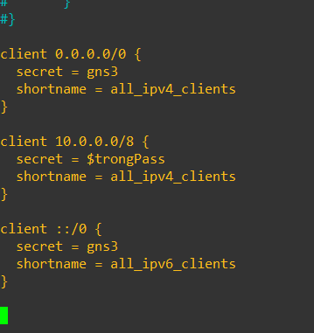
/etc/init.d/freeradius restart

client 0.0.0.0/0 {
secret = gns3
shortname = all_ipv4_clients
}

client 10.0.0.0/8 {
secret = $trongPass
shortname = all_ipv4_clients
}

client ::/0 {
secret = gns3
shortname = all_ipv6_clients
}

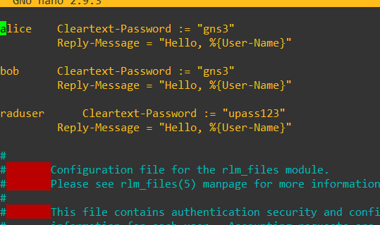
raduser Cleartext-Password := "upass123"
Reply-Message = "Hello, %{User-Name}"

#######CCNP VM########

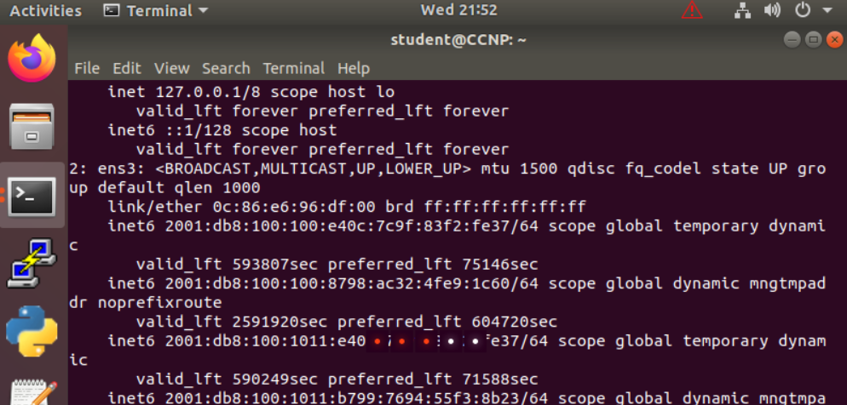
sudo ip addr add 10.0.100.5/24 dev ens3

 | ping

Switch A1
Part 1: Build the Network and Configure Basic Device Settings and Interface Addressing

hostname A1
no ip domain lookup
banner motd # A1 #
line con 0
exec-timeout 0 0
logging synchronous
exit
vlan 100
name Management
exit
vlan 101
name UserGroupA
exit
vlan 102
name UserGroupB
exit
vlan 999
name NATIVE
exit
interface vlan 100
ip address 10.0.100.3 255.255.255.0
ipv6 address fe80::a1:1 link-local
ipv6 address 2001:db8:100:100::3/64
no shutdown
exit
interface range e1/0-3, e2/0-3, e3/0-3, e4/0-3, e5/0-3, e6/0-3, e7/0-3
shutdown
exit

Part 2 Commands

spanning-tree mode rapid-pvst
interface range e0/0-1
switchport trunk encapsulation dot1q
switchport mode trunk
switchport trunk native vlan 999
channel-group 1 mode active
no shutdown
exit
interface range e0/2-3
switchport trunk encapsulation dot1q
switchport mode trunk
switchport trunk native vlan 999
channel-group 2 mode active
no shutdown
exit
interface e3/0
switchport mode access
switchport access vlan 101
spanning-tree portfast
no shutdown
exit
interface e3/1
switchport mode access
switchport access vlan 100
spanning-tree portfast
no shutdown
exit
end

Part 5 Commands (Security)

enable algorithm-type SCRYPT secret cisco12345cisco
username sadmin privilege 15 algorithm-type SCRYPT secret cisco12345cisco | aaa new-model
 | aaa authentication login default enable

 | aaa authentication login VTY-AUTH local
 | line vty 0 4
! All devices except R2: | login authentication default
aaa new-model | exit
radius server RADIUS
address ipv4 10.0.100.6 auth-port 1812 acct-port 1813 | show radius server all
key $trongPass
exit | debug radius authentication
aaa authentication login default group radius local
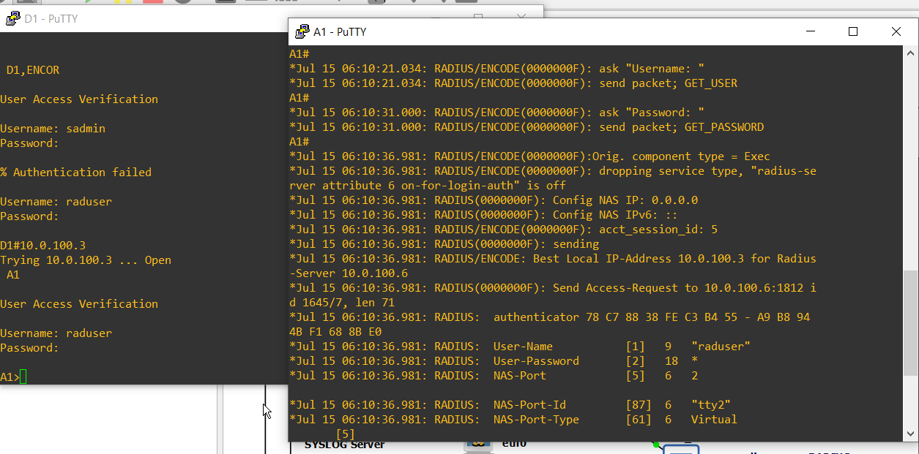
line vty 0 4
login authentication default
exit

Part 6 Commands (Net Management)

ntp server 10.0.10.1
logging trap warning
logging host 10.0.100.5

ip access-list standard SNMP-NMS
permit host 10.0.100.5
exit
snmp-server contact Cisco Student
snmp-server community ENCORSA ro SNMP-NMS
snmp-server host 10.0.100.5 version 2c ENCORSA
snmp-server ifindex persist
snmp-server enable traps
snmp-server enable traps ospf
end

Device Configurations

A1# show run
Building configuration...

Current configuration : 3102 bytes
!
version 15.2
no service pad
service timestamps debug datetime msec
service timestamps log datetime msec
no service password-encryption
!
hostname A1
!
boot-start-marker
boot-end-marker
!
enable secret 9 $9$W4yJyY0jfUFGt3$hgWzRhouqq81DGKiSw3oN3ICGIRFKI1TF9C4Qo2BoGk
!
username sadmin privilege 15 secret 9 $9$rlz/oiC6xETwLL$4MFl7ezehKgosutkpnwabhdf83xQOcDXYyW.dvyoneY
aaa new-model
!
aaa authentication login default group radius local
!
aaa session-id common
system mtu routing 1500
!
no ip domain-lookup
!
spanning-tree mode rapid-pvst
spanning-tree extend system-id
!
vlan internal allocation policy ascending
!
interface Port-channel1
switchport trunk native vlan 999
switchport mode trunk
!
interface Port-channel2
switchport trunk native vlan 999
switchport mode trunk
!
interface FastEthernet0/1
switchport trunk native vlan 999
switchport mode trunk
channel-group 1 mode active
!
interface FastEthernet0/2
switchport trunk native vlan 999
switchport mode trunk
channel-group 1 mode active
!
interface FastEthernet0/3
switchport trunk native vlan 999
switchport mode trunk
channel-group 2 mode active
!
interface FastEthernet0/4
switchport trunk native vlan 999
switchport mode trunk
channel-group 2 mode active
!
interface FastEthernet0/5
shutdown
!
interface FastEthernet0/6
shutdown
!
interface FastEthernet0/7
shutdown
!
interface FastEthernet0/8
shutdown
!
interface FastEthernet0/9
shutdown
!
interface FastEthernet0/10
shutdown
!
interface FastEthernet0/11
shutdown
!
interface FastEthernet0/12
shutdown
!
interface FastEthernet0/13
shutdown
!
interface FastEthernet0/14
shutdown
!
interface FastEthernet0/15
shutdown
!
interface FastEthernet0/16
shutdown
!
interface FastEthernet0/17
shutdown
!
interface FastEthernet0/18
shutdown
!
interface FastEthernet0/19
shutdown
!
interface FastEthernet0/20
shutdown
!
interface FastEthernet0/21
shutdown
!
interface FastEthernet0/22
shutdown
!
interface FastEthernet0/23
switchport access vlan 101
switchport mode access
spanning-tree portfast edge
!
interface FastEthernet0/24
switchport access vlan 100
switchport mode access
spanning-tree portfast edge
!
interface GigabitEthernet0/1
!
interface GigabitEthernet0/2
!
interface Vlan1
no ip address
shutdown
!
interface Vlan100
ip address 10.0.100.3 255.255.255.0
ipv6 address FE80::A1:1 link-local
ipv6 address 2001:DB8:100:100::3/64
!
ip default-gateway 10.0.100.254
ip http server
ip http secure-server
!
ip access-list standard SNMP-NMS
permit 10.0.100.5
!
logging trap warnings
logging host 10.0.100.5
!
snmp-server community ENCORSA RO SNMP-NMS
snmp-server contact Cisco Student
snmp-server enable traps config
snmp-server host 10.0.100.5 version 2c ENCORSA
!
radius server RADIUS
address ipv4 10.0.100.6 auth-port 1812 acct-port 1813
key $trongPass
!
banner motd ^C A1, ENCOR Skills Assessment, Scenario 1 ^C
!
line con 0
exec-timeout 0 0
logging synchronous
line vty 5 15
!
ntp server 10.0.10.1
end

