Sheet1
64-15 probe from Diagnostic Biochips |  |  |  |  |  |  |  |  | Intan port-A | Intan port-B
Channel number | Shank-1B | Shank-2B | Shank-3B | Shank-4B | Shank-1F | Shank-2F | Shank-3F | Shank-4F
1 | 47 | 63 | 79 | 95 | 31 | 8 | 127 | 111 | 0-127 channels | 0-63 channels
2 | 32 | 48 | 64 | 80 | 16 | 10 | 112 | 96
3 | 46 | 62 | 78 | 94 | 30 | 15 | 126 | 110 |  | 128-191 channels in xml
4 | 33 | 49 | 65 | 81 | 17 | 0 | 113 | 97
5 | 45 | 61 | 77 | 93 | 29 | 14 | 125 | 109
6 | 34 | 50 | 66 | 82 | 18 | 1 | 114 | 98
7 | 44 | 60 | 76 | 92 | 28 | 13 | 124 | 108
8 | 35 | 51 | 67 | 83 | 19 | 2 | 115 | 99
9 | 43 | 59 | 75 | 91 | 27 | 12 | 123 | 107
10 | 36 | 52 | 68 | 84 | 20 | 3 | 116 | 100
11 | 42 | 58 | 74 | 90 | 26 | 11 | 122 | 106
12 | 37 | 53 | 69 | 85 | 21 | 4 | 117 | 101
13 | 41 | 57 | 73 | 89 | 25 | 9 | 121 | 105
14 | 38 | 54 | 70 | 86 | 22 | 5 | 118 | 102
15 | 40 | 56 | 72 | 88 | 24 | 7 | 120 | 104
16 | 39 | 55 | 71 | 87 | 23 | 6 | 119 | 103
 |  |  |  |  |  |  |  |  |  | Channel number for Neuroscope |  |  | Don't forget
H2 probe from Cambridge Neurotech |  |  |  |  |  |  |  |  |  |  | Shank-A | Shank-B | Intan headstage can be plugged in two different ways resulting in different channel maps!
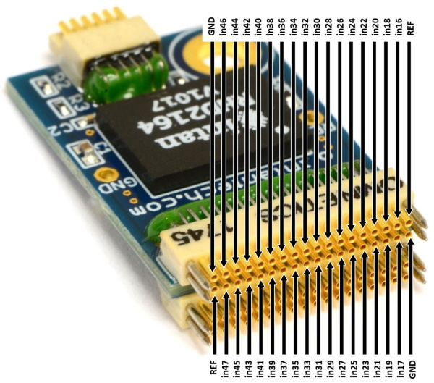
 | Shank-A | Shank-B
1 | 22 | 36 |  |  |  |  |  |  |  |  | 150 | 164
2 | 13 | 59 |  |  |  |  |  |  |  |  | 141 | 187
3 | 15 | 44 |  |  |  |  |  |  |  |  | 143 | 172
4 | 24 | 34 |  |  |  |  |  |  |  |  | 152 | 162
5 | 11 | 61 |  |  |  |  |  |  |  |  | 139 | 189
6 | 20 | 45 |  |  |  |  |  |  |  |  | 148 | 173
7 | 7 | 33 |  |  |  |  |  |  |  |  | 135 | 161
8 | 9 | 47 |  |  |  |  |  |  |  |  | 137 | 175
9 | 21 | 17 |  |  |  |  |  |  |  |  | 149 | 145
10 | 8 | 63 |  |  |  |  |  |  |  |  | 136 | 191
11 | 25 | 32 |  |  |  |  |  |  |  |  | 153 | 160
12 | 12 | 46 |  |  |  |  |  |  |  |  | 140 | 174
13 | 10 | 60 |  |  |  |  |  |  |  |  | 138 | 188
14 | 23 | 35 |  |  |  |  |  |  |  |  | 151 | 163
15 | 14 | 56 |  |  |  |  |  |  |  |  | 142 | 184
16 | 27 | 58 |  |  |  |  |  |  |  |  | 155 | 186
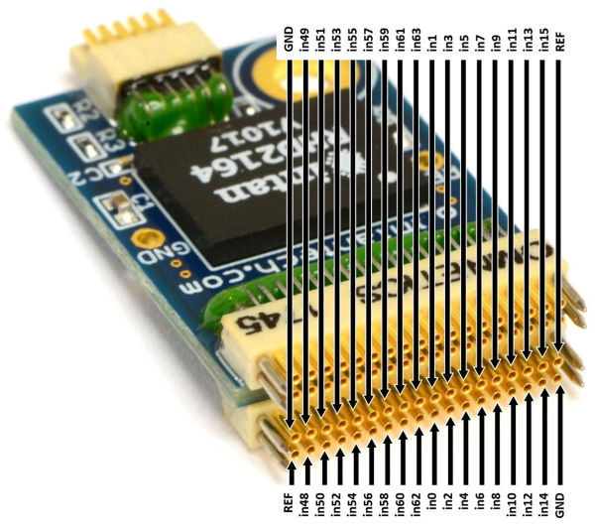
17 | 26 | 40 |  |  |  |  |  |  |  |  | 154 | 168
18 | 5 | 51 |  |  |  |  |  |  |  |  | 133 | 179
19 | 18 | 49 |  |  |  |  |  |  |  |  | 146 | 177
20 | 28 | 38 |  |  |  |  |  |  |  |  | 156 | 166
21 | 3 | 53 |  |  |  |  |  |  |  |  | 131 | 181
22 | 19 | 42 |  |  |  |  |  |  |  |  | 147 | 170
23 | 31 | 57 |  |  |  |  |  |  |  |  | 159 | 185
24 | 62 | 55 |  |  |  |  |  |  |  |  | 190 | 183
25 | 0 | 43 |  |  |  |  |  |  |  |  | 128 | 171
26 | 1 | 54 |  |  |  |  |  |  |  |  | 129 | 182
27 | 30 | 39 |  |  |  |  |  |  |  |  | 158 | 167
28 | 16 | 50 |  |  |  |  |  |  |  |  | 144 | 178
29 | 2 | 52 |  |  |  |  |  |  |  |  | 130 | 180
30 | 29 | 41 |  |  |  |  |  |  |  |  | 157 | 169
31 | 6 | 48 |  |  |  |  |  |  |  |  | 134 | 176
32 | 4 | 37 |  |  |  |  |  |  |  |  | 132 | 165

