Sheet1
64-15 probe from Diagnostic Biochips |  |  |  |  |  |  |  |  |  | Intan port-A | Intan port-B
Channel number | Shank-1B | Shank-2B | Shank-3B | Shank-4B |  | Shank-1F | Shank-2F | Shank-3F | Shank-4F
1 |  |  |  |  |  |  |  |  |  | 64-15 probe | H2 probe
2
3
4
5
6
7
8
9
10
11
12
13
14
15
16

H2 probe from Cambridge Neurotech |  |  |  |  |  |  |  |  |  |  | Channel number for Neuroscope
 | Shank-A physical channel | Shank-A Intan channel | Shank-B physical channel | Shank-b Intan channel |  |  |  |  |  |  |  | Shank-A | Shank-B
1 | 26 |  | 12 |  | Note that orientation matters! Headstage Intan RHD chip (TOP) was facing the FRONT!
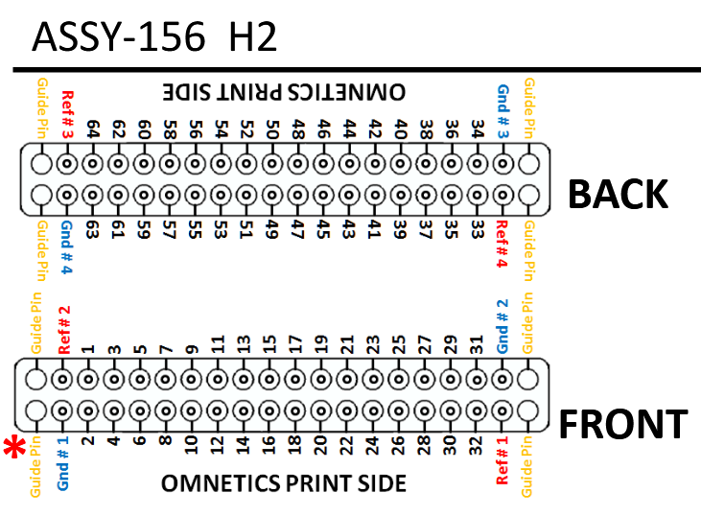
2 | 35 |  | 53
3 | 33 |  | 4
4
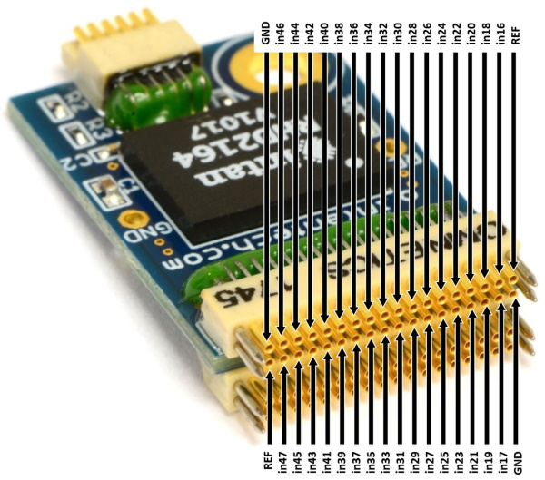
TOP
5
6
7
8
9
10
11
12
13
14
15
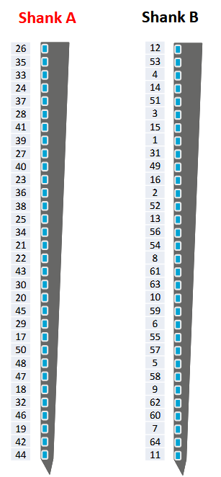
16
17
18
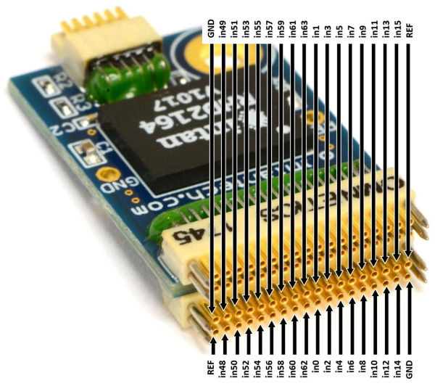
BOTTOM
19
20
21
22
23
24
25
26
27
28
29
30
31
32

