Sheet1
H2 probe from Cambridge Neurotech
 | Shank-A physical channel | Shank-A Intan channel | Shank-B physical channel | Shank-b Intan channel
1 | 26 |  | 12 |  | Note that orientation matters! Headstage Intan RHD chip (TOP) was facing the FRONT!
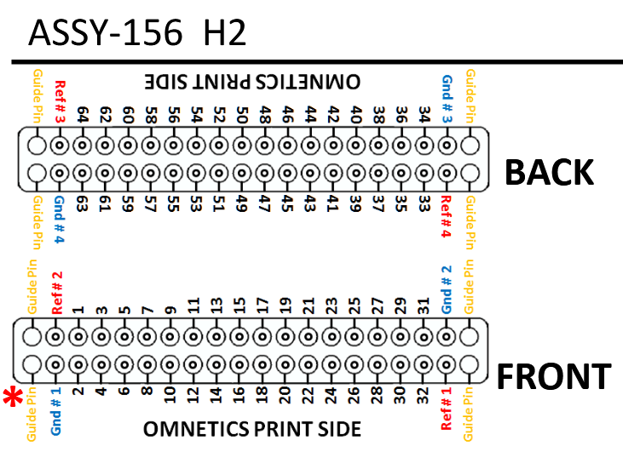
2 | 35 |  | 53
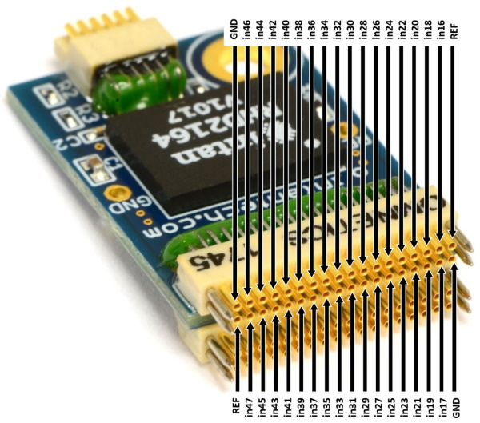
TOP
3 | 33 |  | 4
4
5
6
7
8
9
10
11
12
13
14
15
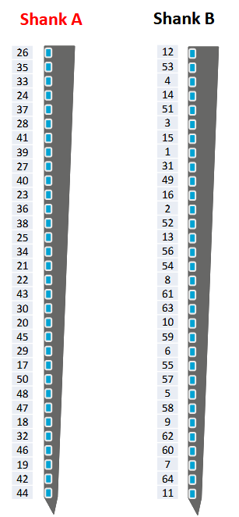
16
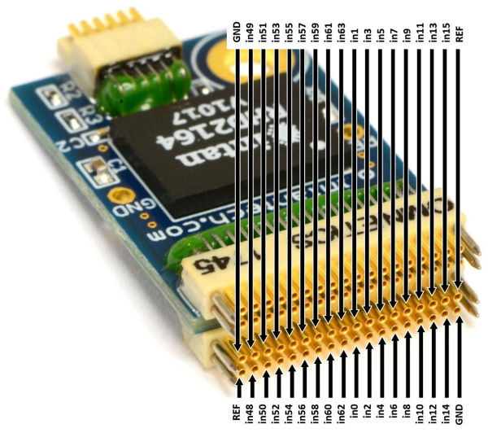
BOTTOM
17
18
19
20
21
22
23
24
25
26
27
28
29
30
31
32

