1. Title Page
Instacart Grocery Basket Analysis

Project Name: Instacart Grocery Basket Analysis
Date: 09 May 2024
Analyst Name: Ang Wei Jie

Contents:
Population Flow
Consistency checks
Wrangling steps
Column derivations
Visualizations
Recommendations
Citation: “The Instacart Online Grocery Shopping Dataset 2017”, Accessed from www.instacart.com/datasets/grocery-shopping-2017 via Kaggle on 9 May 2024.
*Note: Customers data and prices were fabricated for the purpose of this course and project.

2. Population Flow
Title page

Population flow

Orders_products_combined
Orders_products_merged
Orders_products_all

Total: 32434489 Rows, 9 Columns
Total: 32404289 Rows, 13 Columns
Total: 32404289 Rows, 36 Rows

1.) The grey boxes in the first row of the population flow represent the original data sets as they were when you downloaded them. In the Total fields you need to add the count of the rows when you imported the data set into Jupyter.
2.) The second row of boxes (coloured) represents the data sets after you manipulated them, e.g., removed missing values and duplicates. In the Total fields you need to add the count of the rows after conducting these operations. This offers a visual oveview of how the data flows throughout the data consistency checks.
3.) The third row, where also the arrows are coloured, represents the merges you performed between the datasets. In the Total fields you need to add the count of the rows in the merged datasets, so that you end up with the final dataset (in the red box). Keep in mind the final dataset should be without exclusions (based on the exclusion flag).

3. Consistency checks
 |  |  |  | Title page
Consistency checks

Dataset | Missing values | Missing values treatment | Duplicates
orders | 'days_since_prior_order' columns contains 206209 missing values. | Left all the null value there as it is. | No duplicates found.
products | 'product_name' columns contains 16 missing values. | Removed the 16 rows which contains missing value for 'product_name'. | 5 duplicates found and removed.
orders_products_prior | No missing values. |  | No duplicates found.
customers | 'first_name' columns contains 11259 missing values. | Left missing value as it is as there is still data in 'last_name' and 'user_id' columns to identify the customer. | No duplicates found.

4. Wrangling steps
 |  |  |  | Title page
Wrangling steps

Columns dropped | Columns renamed | Columns' type changed | Comment/Reason
eval_set (orders.csv) |  |  | Data not needed for analysis.
 | 'order_dow' is changed to 'order_day_of_week'. (order.csv) |  | Name of column changed to more intuitive and meaningful.
 |  | 'order_id' changed to string type column. | 'order_id' is more of a unique identifier instead of integer.
 |  | 'user_id' changed to string type column. | 'user_id' is more of a unique identifier instead of integer.
 | 'days_since_prior_order' is changed to 'days_since_last_order'. (order.csv) |  | Name of column changed to more intuitive and meaningful.
 | Rename 'First Name' as 'first_name'. (customer.csv) |  | Columns to follow naming convention of all lowercase with _ used for space.
 | Rename 'Surnam' as 'last_name'. (customer.csv) |  | Name of column changed to more intuitive and meaningful.
 | Rename 'Gender' as 'gender'. (customer.csv) |  | Columns to follow naming convention of all lowercase with _ used for space.
 | Rename 'STATE' as 'state'. (customer.csv) |  | Columns to follow naming convention of all lowercase with _ used for space.
 | Rename 'Age' as 'age'. (customer.csv) |  | Columns to follow naming convention of all lowercase with _ used for space.
 | Rename 'n_dependants' as 'no_of_dependants'. (customer.csv) |  | Name of column changed to more intuitive and meaningful.
 | Rename 'fam_status' as 'marital_status'. (customer.csv) |  | Name of column changed to more intuitive and meaningful.
 |  | 'first_name' columns changed to string type column. | 'first_name' column was a mixed-type columns, column type changed to resolve this.
first_name (orders_products_customer_merge.pkl) |  |  | To remove PII data.
last_name (orders_products_customer_merge.pkl) |  |  | To remove PII data.

5. Column derivations
 |  |  |  | Title page

Column derivations and aggregations

In this tab you should add tables below that the frequences of flags/label variables that you produced after deriving them. NB: don't do this for continuous variables, only for flags.
Dataset | New column | Column/s it was derived from | Conditions
Orders_products_merged | price_range | prices | 'High-range product' if prices > $15
 |  |  | 'Mid-range product' if prices is > $5 and <= $15
 |  |  | 'Low-range product' if prices <= $5
Orders_products_merged | busiest_day | orders_day_of_week | 'Busiest day': 0 (Sunday)
 |  |  | 'Least busy': 4 (Wednesday)
 |  |  | 'Regularly busy': Any other days that is not 0, 4.
Orders_products_merged | busiest_day_new | orders_day_of_week | 'Busiest days': 0 (Sunday), 1 (Monday)
 |  |  | 'Slowest days': 3 (Tuesday), 4 (Wednesday)
 |  |  | 'Regularly busy': Any other days that is not 0, 1, 3, 4.
Orders_products_merged | busiest_period_of_day | order_hour_of_day | 'Most orders' : 9, 10, 11, 12, 13, 14, 15, 16
 |  |  | 'Fewest orders' : 23, 0, 1, 2, 3, 4, 5, 6
 |  |  | 'Average orders' : Anything else
Orders_products_merged | max_order | user_id, order_number | Maximumn 'order_number' grouped by 'user_id'.
Orders_products_merged | loyalty_flag | max_order | 'Loyal customer' if max_order > 40
 |  |  | 'Regular customer' if max_order is > 10 and <= 40
 |  |  | 'New customer' if max_order <= 10
Orders_products_merged | avg_spending | user_id, prices | Average of 'prices' grouped by 'user_id'.
Orders_products_merged | Spender_status | avg_spending | 'Low spender' if avg_spending < 10
 |  |  | 'High spender' if avg_spending >= 10
Orders_products_merged | median_order_days | user_id, days_since_prior_order | Median of 'days_since_prior_order' grouped by 'user_id'.
Orders_products_merged | order_frequency | median_order_days | 'Non-frequent customer' if median_order_days > 20
 |  |  | 'Regular customer' if median_order_days is > 10 and <= 20
 |  |  | 'Frequent customer' if median_order_days <= 10
Orders_products_all | region | state | north_east = ['Maine', 'New Hampshire', 'Vermont', 'Massachusetts', 'Rhode Island', 'Connecticut', 'New York', 'Pennsylvania', 'New Jersey']
 |  |  | mid_west = ['Wisconsin', 'Michigan', 'Illinois', 'Indiana', 'Ohio', 'North Dakota', 'South Dakota', 'Nebraska', 'Kansas', 'Minnesota', 'Iowa', 'Missouri']
 |  |  | south = ['Delaware', 'Maryland', 'District of Columbia', 'Virginia', 'West Virginia', 'North Carolina', 'South Carolina', 'Georgia', 'Florida', 'Kentucky', 'Tennessee', 'Mississippi', 'Alabama', 'Oklahoma', 'Texas', 'Arkansas', 'Louisiana']
 |  |  | west = ['Idaho', 'Montana', 'Wyoming', 'Nevada', 'Utah', 'Colorado', 'Arizona', 'New Mexico', 'Alaska', 'Washington', 'Oregon', 'California', 'Hawaii']
Orders_products_all | activity_flag | order_number | 'low activity' if order_number < 5
 |  |  | 'high_activity' if order_number >= 5
Orders_products_all | age_group | age | 'young adults' if age <= 35
 |  |  | 'middle-age' if age is > 35 and < 60
 |  |  | 'senior' if age <= 60
Orders_products_all | income_group | income | 'low income' if income <= 67000
 |  |  | 'middle-low income' if income > 67000 and <= 96000
 |  |  | 'middle-high income' if income > 67000 and < 127000
 |  |  | 'high income' if income >= 127000
Orders_products_all | dependants_flag | no_of_dependants | 'family' if no_of_dependants > 0
 |  |  | 'alone' if no_of_dependants = 0
Orders_products_all | produce_flag | department_id | 'yes' if department_id = 4
 |  |  | 'no' if department_id not equals 4

6. Visualizations
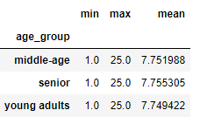
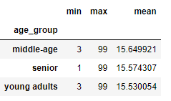
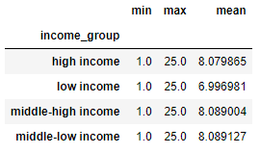
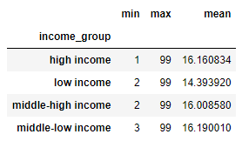
 |  |  |  |  |  |  |  | Title page
Visualisations

In this tab you should include all the visualtions from Exercises 4.9 and 4.10, alongside the questions from the project brief that they answer. Include any commentary on the relationship between different variables.

Question 1
The sales team needs to know what the busiest days of the week and hours of the day are (i.e., the days and times with the most orders) in order to schedule ads at times when there are fewer orders.

0 - Sunday
1 - Monday
2 - Tuesday
3 - Wednesday
4 - Thursday
5 - Friday
6 - Saturday
Answer
Busiest day were Sunday (0) and Monday (1).
Busiest hours of the day is 10am to 11am.
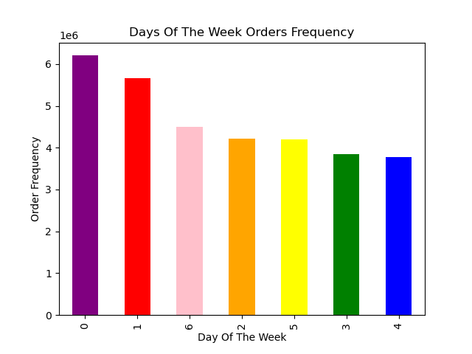 |  |  | 

Question 2
They also want to know whether there are particular times of the day when people spend the most money, as this might inform the type of products they advertise at these times.

Answer
People spend the most money during 4am.
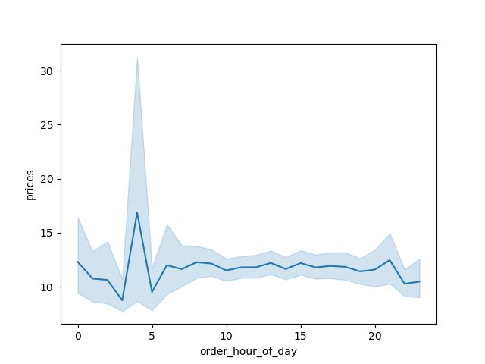
Question 3
Instacart has a lot of products with different price tags. Marketing and sales want to use simpler price range groupings to help direct their efforts.
Answer Best selling products are the mid-range priced product which cost between $6 to $15.
'High-range product' if prices > $15 'Mid-range product' if prices is > $5 and <= $15 'Low-range product' if prices <= $5
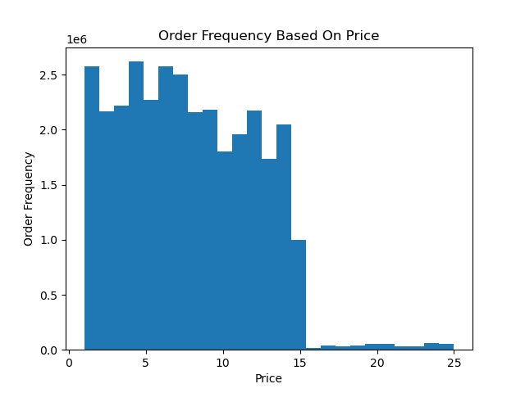 |  | 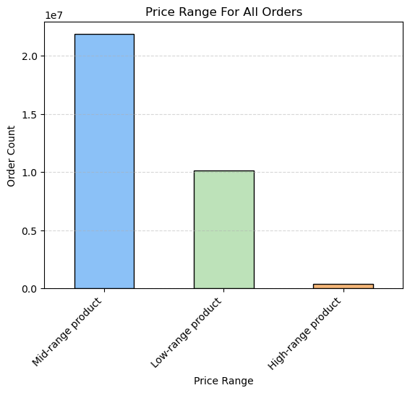
Question 4
Are there certain types of products that are more popular than others? The marketing and sales teams want to know which departments have the highest frequency of product orders.
11 - personal care 12 - meat seafood 13 - pantry 14 - breakfast 15 - canned goods 16 - dairy eggs 17 - household 18 - babies 19 - snacks 20 - deli 21 - missing
Answers
Department 4 (Produce) contribute to the highest frequency of orders.
1 - frozen 2 - other 3 - bakery 4 - produce 5 - alcohol 6 - international 7 - beverages 8 - pets 9 - dry goods pasta 10 - bulk
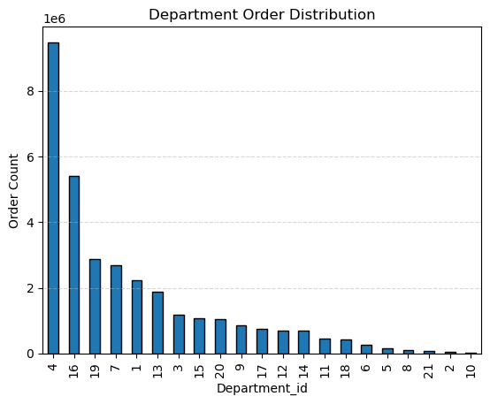
Question 5
What’s the distribution among users in regards to their brand loyalty (i.e., how often do they return to Instacart)?
Answers
The bar chart shows the customer loyalty based on number of times customer order, we can see that regular customer contribute most of the order frequency.
However, when i filter the data based on unique user_id, we can see that actually majority of the customer base is made of new customer.
This data shows that even though the regular customer make up less distribution of the customer base, each of these regualr customer purchase multiple times from Instacart which contribute to more orders from them.
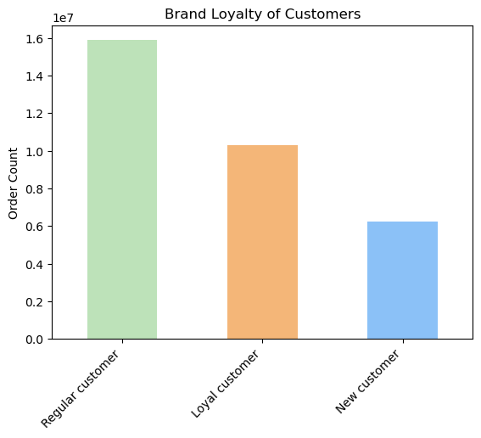 |  | 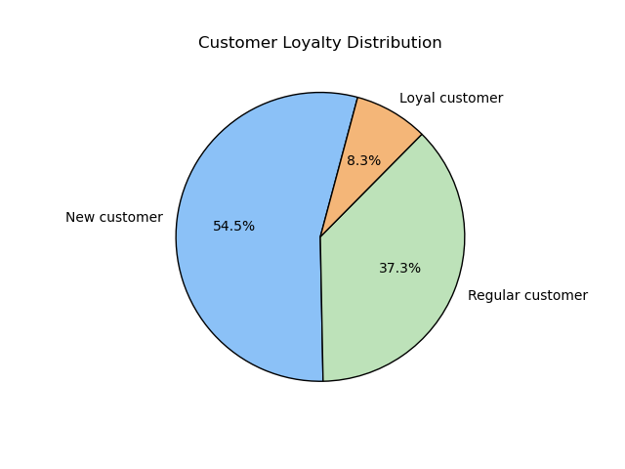

Question 6
Are there differences in ordering habits based on a customer’s loyalty status?
4 - produce 16 - dairy eggs 19 - snacks 7 - beverages 1 - frozen
Answer There is no difference in the ordering habits based on customer loyalty, as you can see the top 5 departments which the 3 various type of customers (Loyal, New, Regular) orders from are the same 5 departmets.
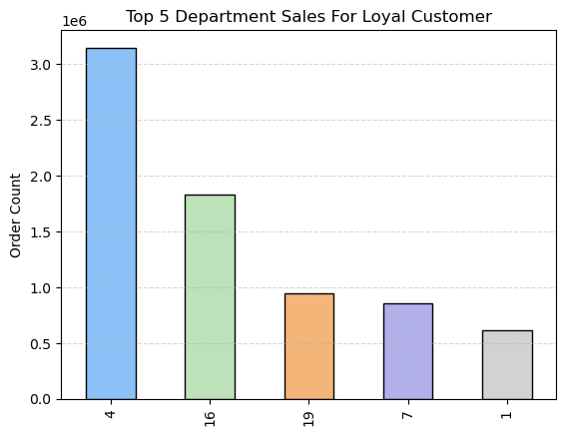 |  | 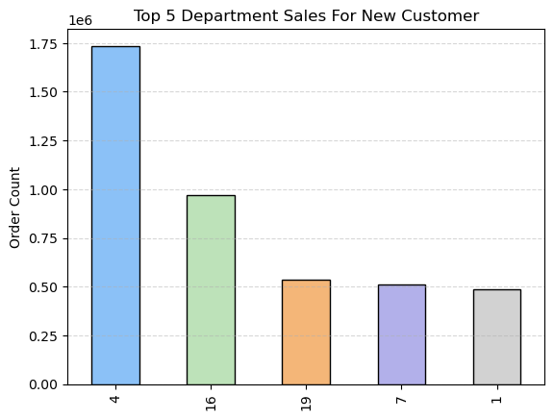 |  |  |  | 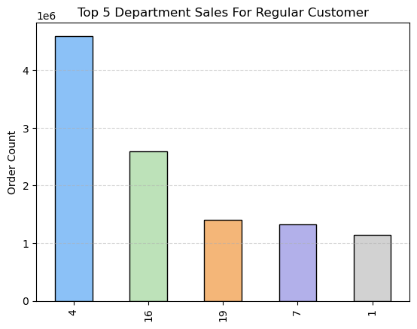

Question 7
Are there differences in ordering habits based on a customer’s region?
4 - produce 16 - dairy eggs 19 - snacks 7 - beverages 1 - frozen
Answer There is no difference in the ordering habits based region, as you can see the top 5 departments which the 4 various type of customers (Mid-west, South, North-east, west) orders from are the same 5 departmets.
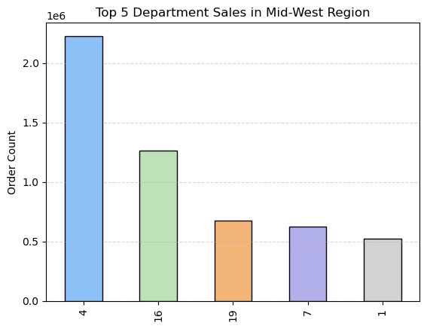 | 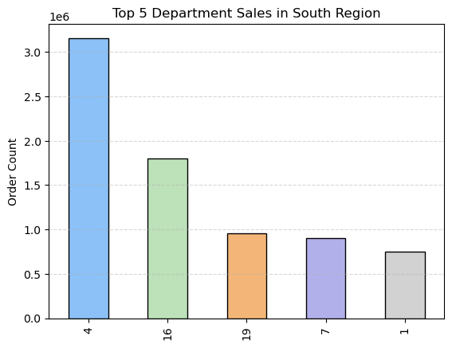 |  |  | 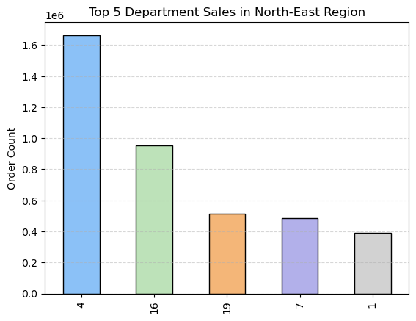 |  |  | 

Question 8
Is there a connection between age and family status in terms of ordering habits?

Answer
Based on the line chart, it seems that the number of dependants varies the same across the different age, thus no visible pattern is spotted for the connections between these 2 variables.
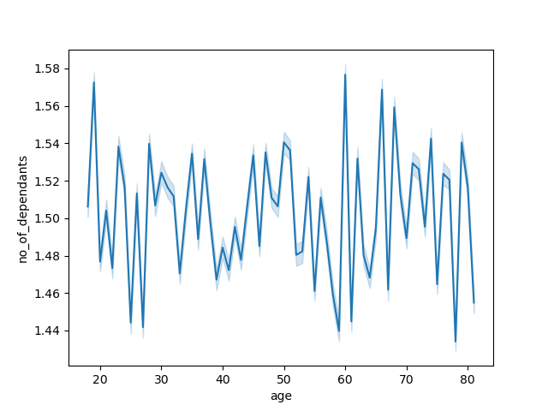
Question 9
What different classifications does the demographic information suggest? Age? Income? Certain types of goods? Family status?
young adults: age <= 35 middle-age: age > 35 and < 60 senior: age <= 60
low income: income <= 67000 middle-low income: income > 67000 and <= 96000 middle-high income: income > 67000 and < 127000 high income: income >= 127000
alone: no of dependant = 0 family: no of dependant > 0
Answer
1. Middle-age group (age 36 to 60) contributes to majority of the customer base.
2. Majority of the customer consists of people with low income (<= 67000).
3. Up to 75% of the customer base are living together as a family with dependants.
4. When looking at sales for department 4 (produce), it seems the main customers are from the middle-age group, middle-high income and are in living together as a family. This data tells us that although low income customer contributes to most the customer base, they contribute the least to the sales of the top performing department in Instacart.
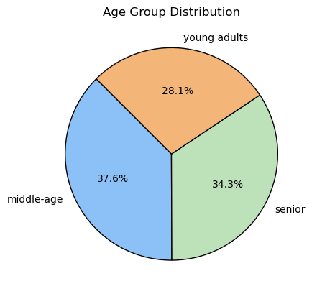 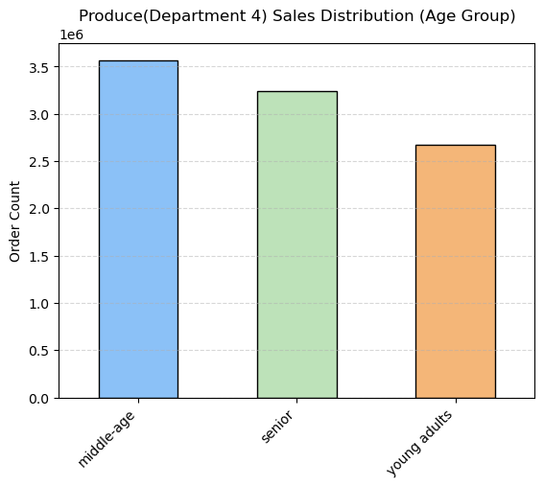 | 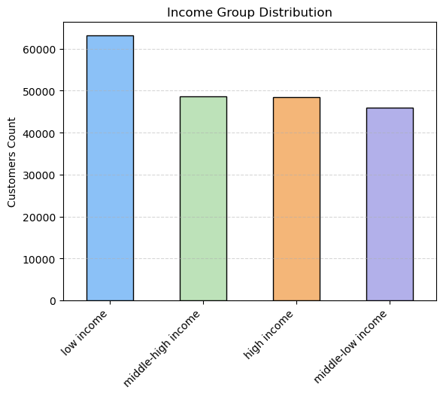 |  |  |  | 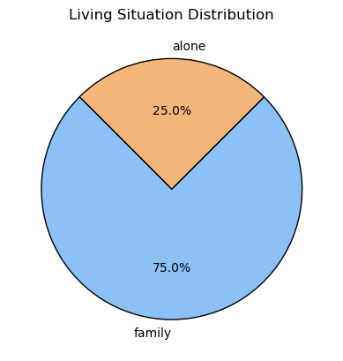 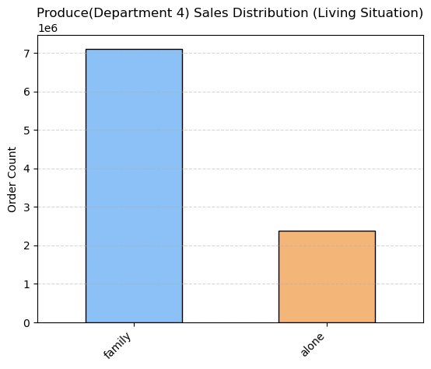
 | 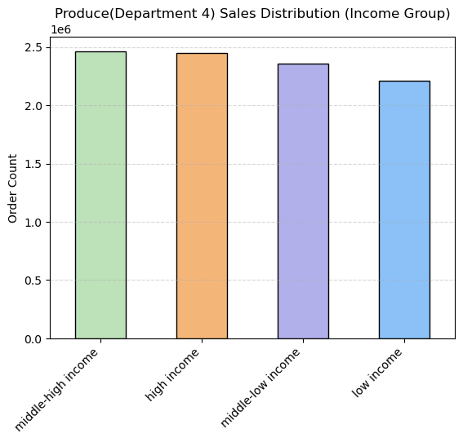
Question 10
What differences can you find in ordering habits of different customer profiles? Consider the price of orders, the frequency of orders, the products customers are ordering, and anything else you can think of.

Order Price Stats
Order Frequency Stats
Answer
The key difference is that low income group tend to have a lower mean ordering frequency and price of product purchase.
Another key difference is customer with no dependants have a higher minmum order frequency compared to those living with family.

7. Recommendations
Title page
Recommendations

In this tab you should include any recommendations you would made to Instcart in terms of their marketing strategy based on the questions posed in the brief. Every key question has been covered in the Tasks of the Exercises - here you need to add an item - a visualisation or table/crosstable that is showing the answer in the data, acompanied by a comment from you. Please, list the questions below and add the answer underneath.

Question 1
The sales team needs to know what the busiest days of the week and hours of the day are (i.e., the days and times with the most orders) in order to schedule ads at times when there are fewer orders.

0 - Sunday
1 - Monday
2 - Tuesday
3 - Wednesday
4 - Thursday
5 - Friday
6 - Saturday
Answer
Busiest day were Sunday (0) and Monday (1).
Busiest hours of the day is 10am to 11am.
Recommendations
Have promotions or targeted marketing advertisement on Sunday and Monday between 10am to 11am for new products as that is the period where Instacart is the busiest, this could increase sales for those items that Instacart want to promote.

Question 2
They also want to know whether there are particular times of the day when people spend the most money, as this might inform the type of products they advertise at these times.

Answer
People spend the most money during 4am.
Recommendations
Have promotions or targeted marketing advertisement for those new expensive items at 4am as that is the period of time where customers is more inclined to spend more on.
Question 3
Instacart has a lot of products with different price tags. Marketing and sales want to use simpler price range groupings to help direct their efforts.
Answer Best selling products are the mid-range priced product which cost between $6 to $15.
'High-range product' if prices > $15 'Mid-range product' if prices is > $5 and <= $15 'Low-range product' if prices <= $5
Recommendations
Try to have more product priced similarly to mid-range product (> $5 and <= $15 ) as that is what majority of the customer is willing to spend on.
Question 4
Are there certain types of products that are more popular than others? The marketing and sales teams want to know which departments have the highest frequency of product orders.
11 - personal care 12 - meat seafood 13 - pantry 14 - breakfast 15 - canned goods 16 - dairy eggs 17 - household 18 - babies 19 - snacks 20 - deli 21 - missing
Answers
Department 4 (Produce) contribute to the highest frequency of orders.
1 - frozen 2 - other 3 - bakery 4 - produce 5 - alcohol 6 - international 7 - beverages 8 - pets 9 - dry goods pasta 10 - bulk
Recommendations
Produce department seems to be the most popular category of products that customer buys, try to bring in more similar products from this category so as to achieve high sales.
Question 5
What’s the distribution among users in regards to their brand loyalty (i.e., how often do they return to Instacart)?
Answers
The bar chart shows the customer loyalty based on number of times customer order, we can see that regular customer contribute most of the order frequency.
However, when i filter the data based on unique user_id, we can see that actually majority of the customer base is made of new customer.
This data shows that even though the regular customer make up less distribution of the customer base, each of these regualr customer purchase multiple times from Instacart which contribute to more orders from them.
Recommendations
Have a loyalty program to improve the new customer conversion into regular customer which will be willing to order more frequently from Instacart.

Question 6
Are there differences in ordering habits based on a customer’s loyalty status?
4 - produce 16 - dairy eggs 19 - snacks 7 - beverages 1 - frozen
Answer There is no difference in the ordering habits based on customer loyalty, as you can see the top 5 departments which the 3 various type of customers (Loyal, New, Regular) orders from are the same 5 departmets.
Recommendations
Have bundle deals that combined items for the top 5 departments(produce, dairy egg, snacks, beverages, frozen) which customer spend one so as to attract higher sales.

Question 7
Are there differences in ordering habits based on a customer’s region?
4 - produce 16 - dairy eggs 19 - snacks 7 - beverages 1 - frozen
Answer There is no difference in the ordering habits based region, as you can see the top 5 departments which the 4 various type of customers (Mid-west, South, North-east, west) orders from are the same 5 departmets.
Recommendations
Similar to question 6. Have bundle deals that combined items for the top 5 departments(produce, dairy egg, snacks, beverages, frozen) which customer spend one so as to attract higher sales.

Question 8
Is there a connection between age and family status in terms of ordering habits?

Answer
Based on the line chart, it seems that the number of dependants varies the same across the different age, thus no visible pattern is spotted for the connections between these 2 variables.
Question 9
What different classifications does the demographic information suggest? Age? Income? Certain types of goods? Family status?
young adults: age <= 35 middle-age: age > 35 and < 60 senior: age <= 60
low income: income <= 67000 middle-low income: income > 67000 and <= 96000 middle-high income: income > 67000 and < 127000 high income: income >= 127000
alone: no of dependant = 0 family: no of dependant > 0
Answer
1. Middle-age group (age 36 to 60) contributes to majority of the customer base.
2. Majority of the customer consists of people with low income (<= 67000).
3. Up to 75% of the customer base are living together as a family with dependants.
4. When looking at sales for department 4 (produce), it seems the main customers are from the middle-age group, middle-high income and are in living together as a family. This data tells us that although low income customer contributes to most the customer base, they contribute the least to the sales of the top performing department in Instacart.
Recommendations
Look into products in the produce section that low income customer tend to buy and have sales or promotion for those items, as this may increase the sales for produce section from low income group customer (as they contribute the most in customer count).
Instacart can also look to bring in products which attracter middle-age, low income customer with family members to improve their sales as they contribute to majority of the customer based situation.

Question 10
What differences can you find in ordering habits of different customer profiles? Consider the price of orders, the frequency of orders, the products customers are ordering, and anything else you can think of.

Order Price Stats
Order Frequency Stats
Answer
The key difference is that low income group tend to have a lower mean ordering frequency and price of product purchase.
Another key difference is customer with no dependants have a higher minmum order frequency compared to those living with family.

Recommendations
Have 1 for 1 offers for products which customer who stay alone tends to buy as they usually buy do a minimum of 2 purchases, this could bring up the sales number for certain items.
Price items or bundle deals within 6-8 dollars price range as that the average price value that customer from all various profile is willing to spend on.

