Sheet1
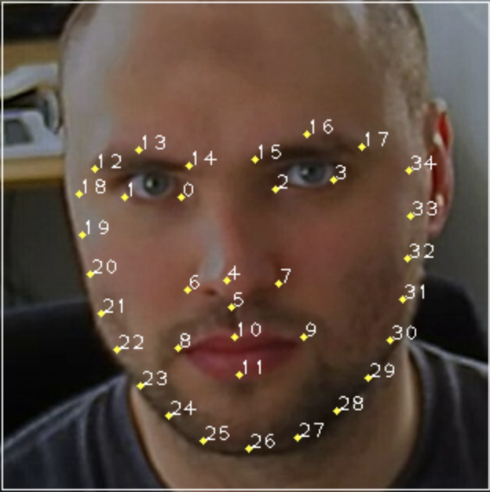
0
IDX | Face Keypoints | IDX | Head Pose Angle | IDX | Gaze | IDX | Body Keypoints
0 | 0_X | 36 | Center_X | 44 | leftEyeMidpoint_X | 52 | 0_X
1 | 0_Y | 37 | Center_Y | 45 | leftEyeMidpoint_Y | 53 | 0_Y
2 | 1_X | 38 | Right_X | 46 | leftEyeArrow_X | 54 | 0_Z
3 | 1_Y | 39 | Right_Y | 47 | leftEyeArrow_Y | 55 | 1_X
4 | 2_X | 40 | Top_X | 48 | rightEyeMidpoint_X | 56 | 1_Y
1
5 | 2_Y | 41 | Top_Y | 49 | rightEyeMidpoint_Y | 57 | 1_Z
6 | 3_X | 42 | Foreard_X | 50 | rightEyeArrow_X | 58 | 2_X
7 | 3_Y | 43 | Foreard_Y | 51 | rightEyeArrow_Y | 59 | 2_Y
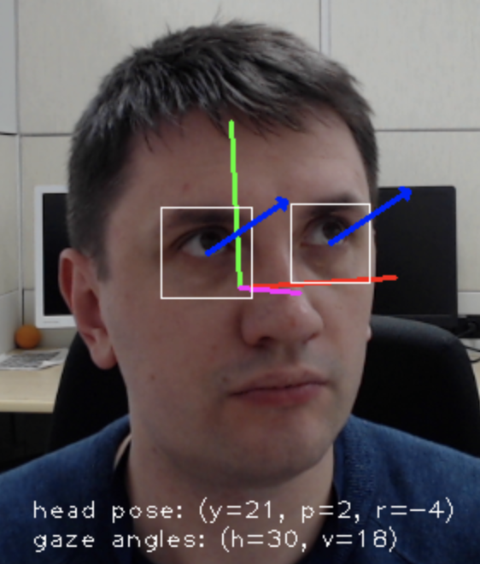
8 | 4_X |  |  |  |  | 60 | 2_Z
9 | 4_Y |  |  |  |  | 61 | 3_X
10 | 5_X |  |  |  |  | 62 | 3_Y
11 | 5_Y |  |  |  |  | 63 | 3_Z
12 | 6_X |  |  |  |  | 64 | 4_X
13 | 6_Y |  |  |  |  | 65 | 4_Y
14 | 7_X |  |  |  |  | 66 | 4_Z
15 | 7_Y |  |  |  |  | 67 | 5_X
16 | 8_X |  |  |  |  | 68 | 5_Y
17 | 8_Y |  |  |  |  | 69 | 5_Z
18 | 9_X |  |  |  |  | 70 | 6_X
19 | 9_Y |  |  |  |  | 71 | 6_Y
20 | 10_X |  |  |  |  | 72 | 6_Z
21 | 10_Y |  |  |  |  | 73 | 7_X
22 | 11_X |  |  |  |  | 74 | 7_Y
23 | 11_Y |  |  |  |  | 75 | 7_Z
24 | 12_X |  |  |  |  | 76 | 8_X
25 | 12_Y |  |  |  |  | 77 | 8_Y
26 | 13_X |  |  |  |  | 78 | 8_Z
27 | 13_Y |  |  |  |  | 79 | 9_X
28 | 14_X |  |  |  |  | 80 | 9_Y
29 | 14_Y |  |  |  |  | 81 | 9_Z
30 | 15_X |  |  |  |  | 82 | 10_X
31 | 15_Y |  |  |  |  | 83 | 10_Y
32 | 16_X |  |  |  |  | 84 | 10_Z
33 | 16_Y |  |  |  |  | 85 | 11_X
34 | 17_X |  |  |  |  | 86 | 11_Y
35 | 17_Y |  |  |  |  | 87 | 11_Z
 |  |  |  |  |  | 88 | 12_X
 |  |  |  |  |  | 89 | 12_Y
 |  |  |  |  |  | 90 | 12_Z
 |  |  |  |  |  | 91 | 13_X
 |  |  |  |  |  | 92 | 13_Y
 |  |  |  |  |  | 93 | 13_Z
 |  |  |  |  |  | 94 | 14_X
 |  |  |  |  |  | 95 | 14_Y
 |  |  |  |  |  | 96 | 14_Z
 |  |  |  |  |  | 97 | 15_X
 |  |  |  |  |  | 98 | 15_Y
 |  |  |  |  |  | 99 | 15_Z
 |  |  |  |  |  | 100 | 16_X
 |  |  |  |  |  | 101 | 16_Y
 |  |  |  |  |  | 102 | 16_Z
 |  |  |  |  |  | 103 | 17_X
 |  |  |  |  |  | 104 | 17_Y
 |  |  |  |  |  | 105 | 17_Z
 |  |  |  |  |  | 106 | 18_X
 |  |  |  |  |  | 107 | 18_Y
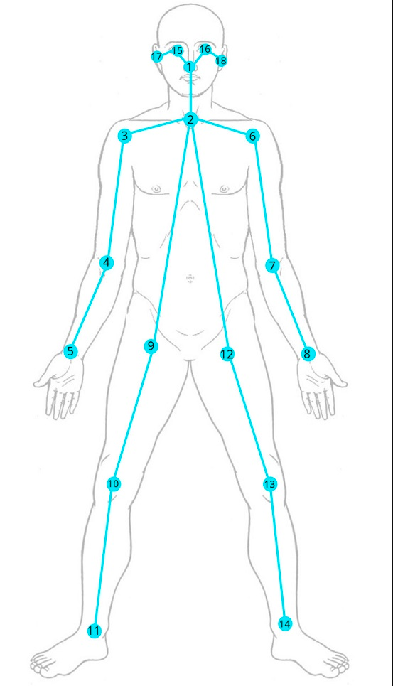
 |  |  |  |  |  | 108 | 18_Z

