Sheet1
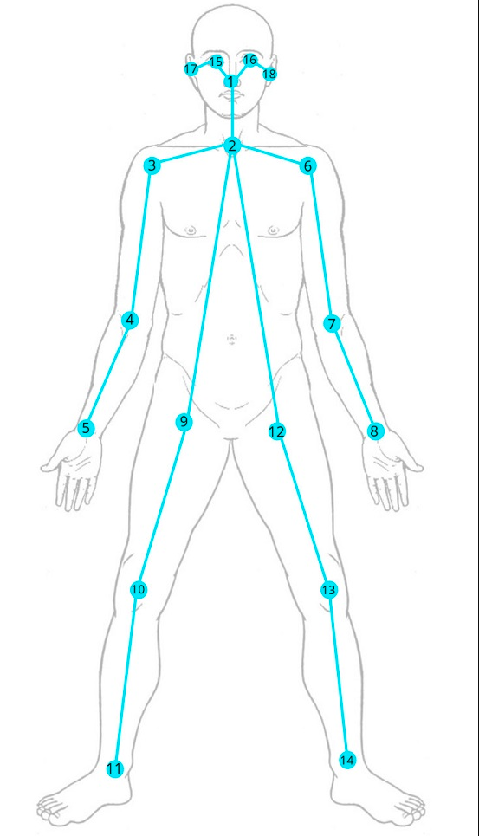
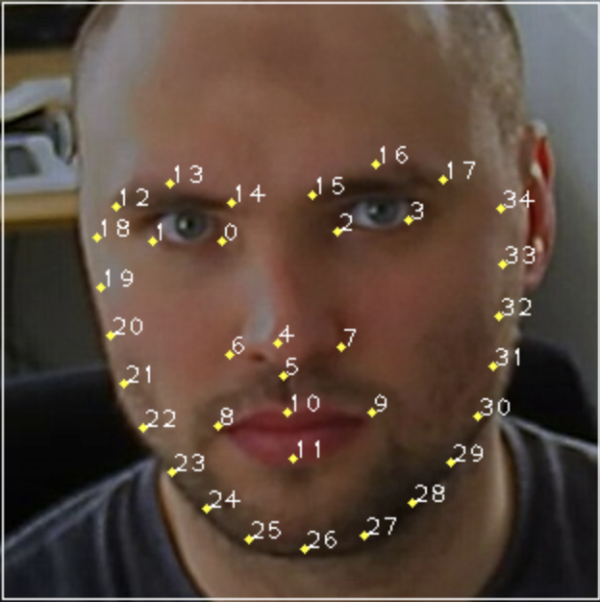
IDX | Head Pose Angle | IDX | Gaze | IDX | Face Keypoints | IDX | Face Keypoints | IDX | Body Keypoints
0 | Yaw | 3 | leftEyeMidpoint_X | 11 | 0_X | 11 | 0_X | 47 | 0_X
1 | Pitch | 4 | leftEyeMidpoint_Y | 12 | 0_Y | 12 | 0_Y | 48 | 0_Y
0
2 | Roll | 5 | leftEyeArrow_X | 13 | 1_X | 13 |  | 49 | 0_Z
 |  | 6 | leftEyeArrow_Y | 14 | 1_Y | 14 | 1_X | 50 | 1_X
 |  | 7 | rightEyeMidpoint_X | 15 | 2_X | 15 | 1_Y | 51 | 1_Y
 |  | 8 | rightEyeMidpoint_Y | 16 | 2_Y | 16 |  | 52 | 1_Z
1
 |  | 9 | rightEyeArrow_X | 17 | 3_X | 17 | 2_X | 53 | 2_X
 |  | 10 | rightEyeArrow_Y | 18 | 3_Y | 18 | 2_Y | 54 | 2_Y
 |  |  |  | 19 | 4_X | 19 |  | 55 | 2_Z
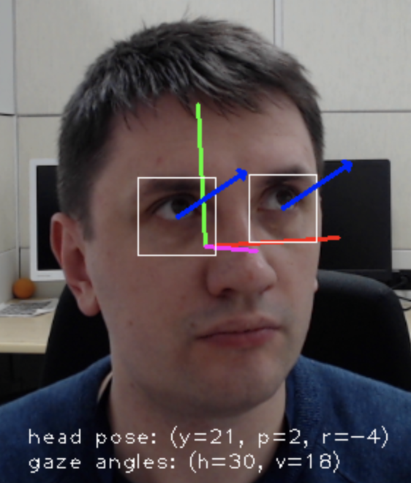
 |  |  |  | 20 | 4_Y | 20 | 3_X | 56 | 3_X
 |  |  |  | 21 | 5_X | 21 | 3_Y | 57 | 3_Y
 |  |  |  | 22 | 5_Y | 22 |  | 58 | 3_Z
 |  |  |  | 23 | 6_X | 23 | 4_X | 59 | 4_X
 |  |  |  | 24 | 6_Y | 24 | 4_Y | 60 | 4_Y
 |  |  |  | 25 | 7_X | 25 |  | 61 | 4_Z
 |  |  |  | 26 | 7_Y | 26 | 5_X | 62 | 5_X
 |  |  |  | 27 | 8_X | 27 | 5_Y | 63 | 5_Y
 |  |  |  | 28 | 8_Y | 28 |  | 64 | 5_Z
 |  |  |  | 29 | 9_X | 29 | 6_X | 65 | 6_X
 |  |  |  | 30 | 9_Y | 30 | 6_Y | 66 | 6_Y
 |  |  |  | 31 | 10_X | 31 |  | 67 | 6_Z
 |  |  |  | 32 | 10_Y | 32 | 7_X | 68 | 7_X
 |  |  |  | 33 | 11_X | 33 | 7_Y | 69 | 7_Y
 |  |  |  | 34 | 11_Y | 34 |  | 70 | 7_Z
 |  |  |  | 35 | 12_X | 35 | 8_X | 71 | 8_X
 |  |  |  | 36 | 12_Y | 36 | 8_Y | 72 | 8_Y
 |  |  |  | 37 | 13_X | 37 |  | 73 | 8_Z
 |  |  |  | 38 | 13_Y | 38 | 9_X | 74 | 9_X
 |  |  |  | 39 | 14_X | 39 | 9_Y | 75 | 9_Y
 |  |  |  | 40 | 14_Y | 40 |  | 76 | 9_Z
 |  |  |  | 41 | 15_X | 41 | 10_X | 77 | 10_X
 |  |  |  | 42 | 15_Y | 42 | 10_Y | 78 | 10_Y
 |  |  |  | 43 | 16_X | 43 |  | 79 | 10_Z
 |  |  |  | 44 | 16_Y | 44 | 11_X | 80 | 11_X
 |  |  |  | 45 | 17_X | 45 | 11_Y | 81 | 11_Y
 |  |  |  | 46 | 17_Y | 46 |  | 82 | 11_Z
 |  |  |  |  |  |  | 12_X | 83 | 12_X
 |  |  |  |  |  |  | 12_Y | 84 | 12_Y
 |  |  |  |  |  |  |  | 85 | 12_Z
 |  |  |  |  |  |  | 13_X | 86 | 13_X
 |  |  |  |  |  |  | 13_Y | 87 | 13_Y
 |  |  |  |  |  |  |  | 88 | 13_Z
 |  |  |  |  |  |  | 14_X | 89 | 14_X
 |  |  |  |  |  |  | 14_Y | 90 | 14_Y
 |  |  |  |  |  |  |  | 91 | 14_Z
 |  |  |  |  |  |  | 15_X | 92 | 15_X
 |  |  |  |  |  |  | 15_Y | 93 | 15_Y
 |  |  |  |  |  |  |  | 94 | 15_Z
 |  |  |  |  |  |  | 16_X | 95 | 16_X
 |  |  |  |  |  |  | 16_Y | 96 | 16_Y
 |  |  |  |  |  |  |  | 97 | 16_Z
 |  |  |  |  |  |  | 17_X | 98 | 17_X
 |  |  |  |  |  |  | 17_Y | 99 | 17_Y
 |  |  |  |  |  |  |  | 100 | 17_Z
 |  |  |  |  |  |  |  | 101 | 18_X
 |  |  |  |  |  |  |  | 102 | 18_Y
 |  |  |  |  |  |  |  | 103 | 18_Z

