0
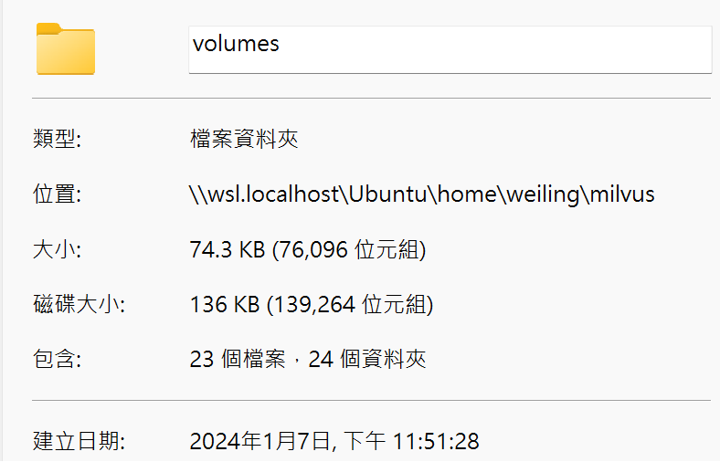

1
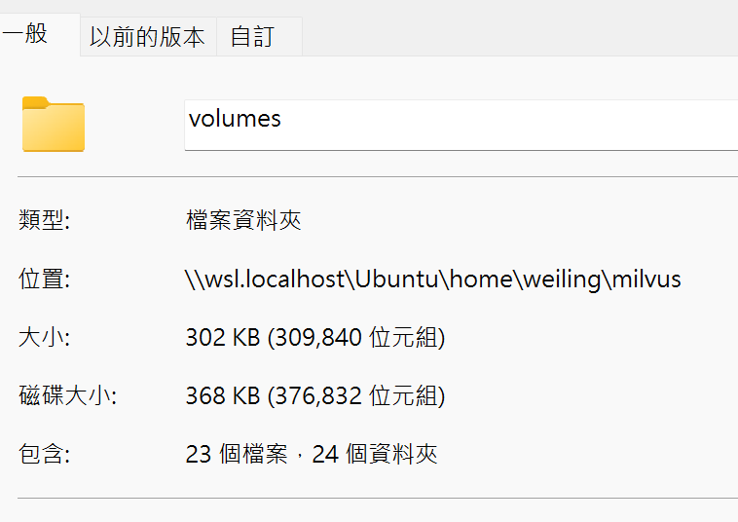
201M volumes/ | 272M volumes/
123M volumes/etcd/member | 150M volumes/milvus
123M volumes/etcd | 123M volumes/etcd/member
79M volumes/milvus | 123M volumes/etcd
75M volumes/milvus/rdb_data_meta_kv | 75M volumes/milvus/rdb_data_meta_kv
4.2M volumes/milvus/rdb_data | 75M volumes/milvus/rdb_data
120K volumes/minio | 120K volumes/minio
112K volumes/minio/.minio.sys | 112K volumes/minio/.minio.sys
4.0K volumes/minio/a-bucket | 4.0K volumes/minio/a-bucket
4.0K volumes/milvus/logs | 4.0K volumes/milvus/logs

4
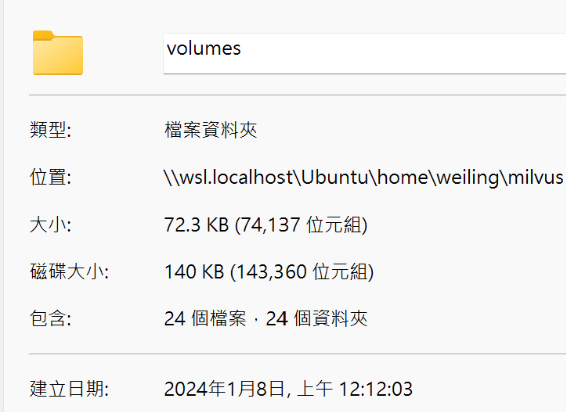
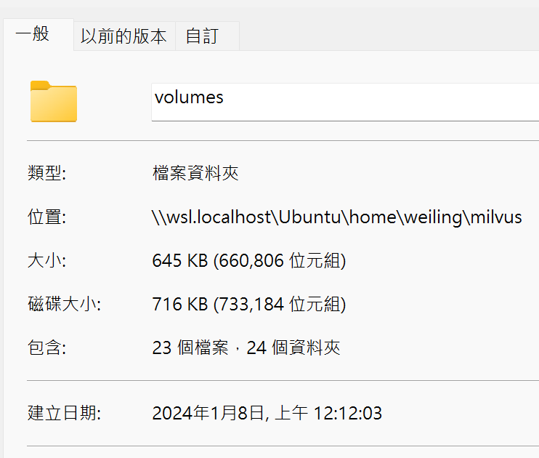
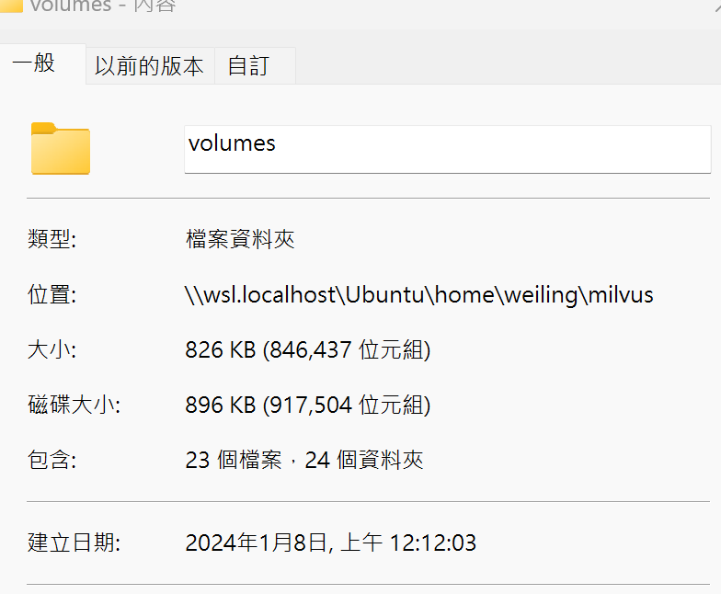
201M volumes/ | 272M volumes/
123M volumes/etcd/member | 150M volumes/milvus
123M volumes/etcd | 123M volumes/etcd/member
79M volumes/milvus | 123M volumes/etcd
75M volumes/milvus/rdb_data_meta_kv | 75M volumes/milvus/rdb_data_meta_kv
4.2M volumes/milvus/rdb_data | 75M volumes/milvus/rdb_data
120K volumes/minio | 120K volumes/minio
112K volumes/minio/.minio.sys | 112K volumes/minio/.minio.sys
4.0K volumes/minio/a-bucket | 4.0K volumes/minio/a-bucket
4.0K volumes/milvus/logs | 4.0K volumes/milvus/logs

