How Forecasts Are Weighted
How the three municipality-level forecasts weigh their inputs (SHAP) — results-only random forests
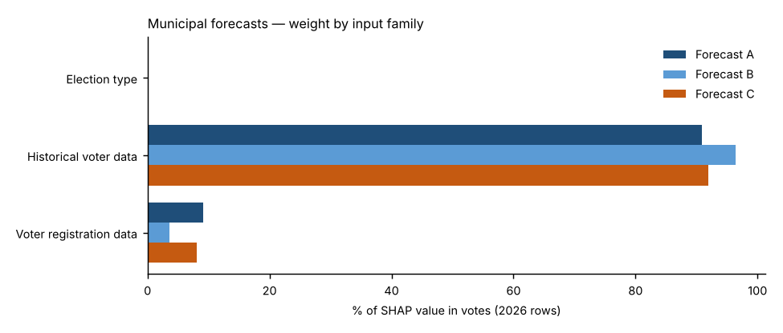
Forecast A — Full random forest.
All 23 candidate inputs go into one random forest that forecasts the Democratic share. Nothing is weighted by hand; SHAP measures what the forest learned. This is the reference.
Forecast B — SHAP-selected forest.
Keeps only inputs whose average |SHAP| beat all 10 random columns in at least 18 of 20 refits and that held at least 2% of Forecast A’s SHAP total (9 of 23 kept), then refits the forest on them. Weight that was spread thinly over weak inputs is concentrated on the strong ones.
Forecast C — SHAP family-reweighted forest.
Keeps Forecast A’s forest but multiplies each input family’s SHAP values by a weight fitted to how well that family predicted elections the forest had not seen (leave-one-election-out, fitted within each election). Families under 3% of SHAP stay at ×1; others are limited to ×0.5–×2 because there are only four training elections.
Backtests.
Each backtest uses its own forecast’s weighting: A’s full input set, B’s selected inputs, and C’s exact family weights — refit only on the elections known at the time (2024: 2018–2022; 2022: 2018–2020; 2020 hold-out: 2018, 2022 and 2024), with forest settings tuned on those elections only.
Turnout.
Not modelled in any forecast: votes cast = each place’s 2022 turnout rate × its 2026 registered voters (backtests: the same-type election’s turnout rate one cycle earlier × that year’s registered voters). All differences between A, B and C come from the results model.

Family share of SHAP value in votes, 2026 forecast rows
Input family | Forecast A | Forecast B | Forecast C | Forecast C weight (×)
Election type | 0.0% | 0.0% | 0.0% | 1.00
Historical voter data | 90.8% | 96.4% | 91.9% | 1.00
Voter registration data | 9.1% | 3.6% | 8.1% | 0.88
Out-of-fold pattern error before → after Forecast C’s re-weighting: 2.12 → 2.12 points.

Top inputs in each forecast (share of SHAP value in votes)
# | Forecast A | Share | Forecast B | Share | Forecast C | Share
1 | Senate lean, other elections | 22.9% | Senate lean, other elections | 17.3% | Senate lean, other elections | 23.2%
2 | House lean, other elections (same type ×2) | 15.2% | House lean, other elections (same type ×2) | 15.4% | House lean, other elections (same type ×2) | 15.4%
3 | Top-of-ticket lean, other elections | 15.0% | Top-of-ticket lean, other elections | 14.2% | Top-of-ticket lean, other elections | 15.2%
4 | House lean, same-type elections | 10.0% | House lean, same-type elections | 11.4% | House lean, same-type elections | 10.1%
5 | House lean, opposite-type elections | 8.1% | House lean, nearest election | 11.3% | House lean, opposite-type elections | 8.2%
6 | House lean, nearest election | 7.8% | Top-of-ticket lean, nearest election | 11.1% | House lean, nearest election | 7.9%
7 | Top-of-ticket lean, nearest election | 7.4% | House lean, opposite-type elections | 11.0% | Top-of-ticket lean, nearest election | 7.5%
8 | Registration: D % | 4.9% | Electorate: R % of ballots, same-type elections | 4.7% | Registration: D % | 4.3%
9 | Electorate: R % of ballots, same-type elections | 3.0% | Registration: D % | 3.6% | Electorate: R % of ballots, same-type elections | 3.1%
10 | Registration: R % | 2.3% |  |  | Registration: R % | 2.1%

Forecast B — random-column test and selection
Input | Beat random columns (of 20) | Share of SHAP in A | Kept in B?
Senate lean, other elections | 20 | 22.8% | Yes
House lean, other elections (same type ×2) | 20 | 15.3% | Yes
Top-of-ticket lean, other elections | 20 | 14.8% | Yes
House lean, same-type elections | 20 | 10.3% | Yes
House lean, nearest election | 20 | 8.8% | Yes
House lean, opposite-type elections | 20 | 8.5% | Yes
Top-of-ticket lean, nearest election | 20 | 7.4% | Yes
Registration: D % | 20 | 3.6% | Yes
Electorate: R % of ballots, same-type elections | 20 | 2.5% | Yes
Registration: R % | 20 | 2.0% | No
Registration: change in D−R margin vs. other elections | 20 | 0.7% | No
Registered voters (log) | 15 | 0.4% | No
Registrants: Millennial + Gen Z % | 11 | 0.3% | No
Mail use: D voters, other elections | 12 | 0.3% | No
Registrants: female % (known sex) | 11 | 0.3% | No
Ticket-splitting (House − top of ticket), other elections | 11 | 0.3% | No
Registration: unaffiliated/other % | 6 | 0.3% | No
Turnout: unaffiliated, same-type elections | 11 | 0.3% | No
Turnout: R registrants, same-type elections | 3 | 0.3% | No
Turnout: D registrants, same-type elections | 4 | 0.3% | No
Registrants: Boomer + Silent % | 2 | 0.3% | No
Turnout (certified), same-type elections | 2 | 0.2% | No
Midterm year (1/0) | 0 | 0.0% | No

