How Forecasts Are Weighted
How the three municipality-level forecasts weigh their inputs (SHAP) — results-only random forests
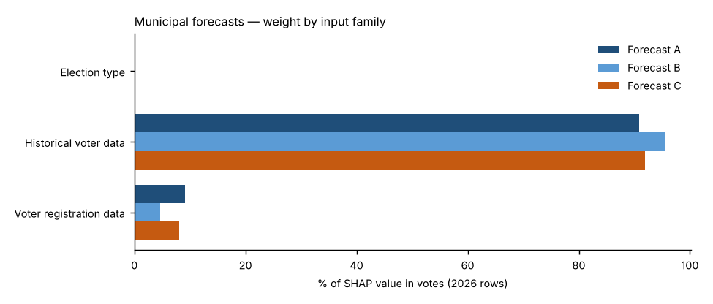
Forecast A — Full random forest.
All 23 candidate inputs go into one random forest that forecasts the Democratic share. Nothing is weighted by hand; SHAP measures what the forest learned. This is the reference.
Forecast B — SHAP-selected forest.
Ranks the inputs by Forecast A’s average |SHAP| and refits the forest on the top k; k is chosen by leave-one-election-out cross-validation (8 of 23 kept for 2026). Weight that was spread thinly over weak inputs is concentrated on the strong ones.
Forecast C — SHAP family-reweighted forest.
Keeps Forecast A’s forest but multiplies each input family’s SHAP values by a weight fitted to how well that family predicted elections the forest had not seen (leave-one-election-out, fitted within each election). Families under 3% of SHAP stay at ×1; others are limited to ×0.5–×2 because there are only four training elections.
Backtests.
Every backtest reruns each forecast’s whole method using only the elections known at the time (2024: 2018–2022; 2022: 2018–2020; 2020 hold-out: 2018, 2022 and 2024): A’s forest settings are tuned, B’s inputs are selected and C’s family weights are fitted on those elections alone. Nothing from the year being tested is used, so the backtests are honest out-of-sample checks.
Turnout.
Projected by rule, not by a forest: votes cast = each place’s 2022 turnout rate × its 2026 registered voters (backtests: the same-type election’s turnout rate one cycle earlier). A turnout random forest and a party-mix turnout adjustment were tested and were less accurate in the backtests. All differences between A, B and C come from the results model.

Family share of SHAP value in votes, 2026 forecast rows
Input family | Forecast A | Forecast B | Forecast C | Forecast C weight (×)
Election type | 0.0% | 0.0% | 0.0% | 1.00
Historical voter data | 90.8% | 95.4% | 91.9% | 1.00
Voter registration data | 9.1% | 4.6% | 8.1% | 0.88
Out-of-fold pattern error before → after Forecast C’s re-weighting: 2.12 → 2.12 points.

Top inputs in each forecast (share of SHAP value in votes)
# | Forecast A | Share | Forecast B | Share | Forecast C | Share
1 | Senate lean, other elections | 22.9% | Senate lean, other elections | 20.8% | Senate lean, other elections | 23.2%
2 | House lean, other elections (same type ×2) | 15.2% | House lean, other elections (same type ×2) | 18.8% | House lean, other elections (same type ×2) | 15.4%
3 | Top-of-ticket lean, other elections | 15.0% | Top-of-ticket lean, other elections | 16.2% | Top-of-ticket lean, other elections | 15.2%
4 | House lean, same-type elections | 10.0% | House lean, same-type elections | 11.9% | House lean, same-type elections | 10.1%
5 | House lean, opposite-type elections | 8.1% | Top-of-ticket lean, nearest election | 10.5% | House lean, opposite-type elections | 8.2%
6 | House lean, nearest election | 7.8% | House lean, opposite-type elections | 9.4% | House lean, nearest election | 7.9%
7 | Top-of-ticket lean, nearest election | 7.4% | House lean, nearest election | 7.8% | Top-of-ticket lean, nearest election | 7.5%
8 | Registration: D % | 4.9% | Registration: D % | 4.6% | Registration: D % | 4.3%
9 | Electorate: R % of ballots, same-type elections | 3.0% |  |  | Electorate: R % of ballots, same-type elections | 3.1%
10 | Registration: R % | 2.3% |  |  | Registration: R % | 2.1%

Forecast B — random-column test and selection
Input | Beat random columns (of 20) | Share of SHAP in A | Kept in B?
Senate lean, other elections | 20 | 22.8% | Yes
House lean, other elections (same type ×2) | 20 | 15.3% | Yes
Top-of-ticket lean, other elections | 20 | 14.8% | Yes
House lean, same-type elections | 20 | 10.3% | Yes
House lean, nearest election | 20 | 8.8% | Yes
House lean, opposite-type elections | 20 | 8.5% | Yes
Top-of-ticket lean, nearest election | 20 | 7.4% | Yes
Registration: D % | 20 | 3.6% | Yes
Electorate: R % of ballots, same-type elections | 20 | 2.5% | No
Registration: R % | 20 | 2.0% | No
Registration: change in D−R margin vs. other elections | 20 | 0.7% | No
Registered voters (log) | 15 | 0.4% | No
Registrants: Millennial + Gen Z % | 11 | 0.3% | No
Mail use: D voters, other elections | 12 | 0.3% | No
Registrants: female % (known sex) | 11 | 0.3% | No
Ticket-splitting (House − top of ticket), other elections | 11 | 0.3% | No
Registration: unaffiliated/other % | 6 | 0.3% | No
Turnout: unaffiliated, same-type elections | 11 | 0.3% | No
Turnout: R registrants, same-type elections | 3 | 0.3% | No
Turnout: D registrants, same-type elections | 4 | 0.3% | No
Registrants: Boomer + Silent % | 2 | 0.3% | No
Turnout (certified), same-type elections | 2 | 0.2% | No
Midterm year (1/0) | 0 | 0.0% | No

Forecast B — how many inputs to keep (leave-one-election-out cross-validation error, points)
Inputs kept (top k by SHAP) | Cross-validation error (pts) | Chosen?
3 | 2.149
4 | 2.156
6 | 2.050
8 | 2.035 | Yes
10 | 2.060
12 | 2.054
15 | 2.064
23 | 2.120

