How Forecasts Are Weighted
How the three municipality-level forecasts weigh their inputs (SHAP) — results-only random forests
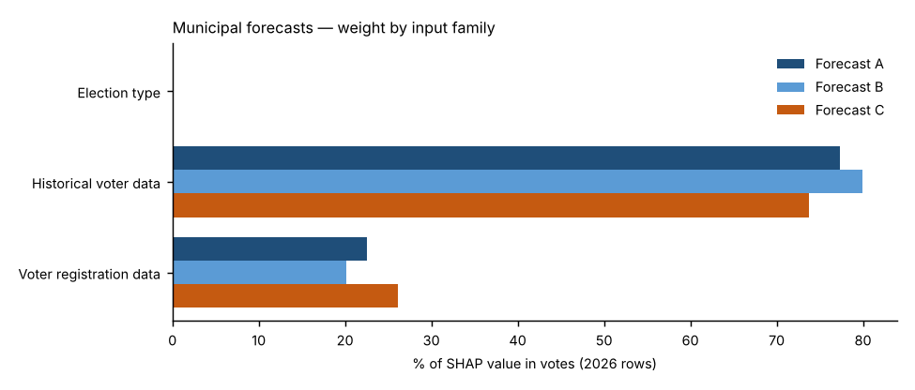
Forecast A — Full random forest.
All 21 candidate inputs go into one random forest that forecasts the Democratic share. Nothing is weighted by hand; SHAP measures what the forest learned. This is the reference.
Forecast B — SHAP-selected forest.
Keeps only inputs whose average |SHAP| beat all 10 random columns in at least 18 of 20 refits and that held at least 2% of Forecast A’s SHAP total (7 of 21 kept), then refits the forest on them. Weight that was spread thinly over weak inputs is concentrated on the strong ones.
Forecast C — SHAP family-reweighted forest.
Keeps Forecast A’s forest but multiplies each input family’s SHAP values by a weight fitted to how well that family predicted elections the forest had not seen (leave-one-election-out, fitted within each election). Families under 3% of SHAP stay at ×1; others are limited to ×0.5–×2 because there are only three training elections.
Backtests.
Each 2024 backtest uses its own forecast’s weighting: A’s full input set, B’s selected inputs, and C’s exact family weights — refit only on 2020 and 2022.
Turnout.
Not modelled in any forecast: votes cast = each place’s 2022 turnout rate × its 2026 registered voters (2020 turnout × 2024 registered in the backtest). All differences between A, B and C come from the results model.

Family share of SHAP value in votes, 2026 forecast rows
Input family | Forecast A | Forecast B | Forecast C | Forecast C weight (×)
Election type | 0.0% | 0.0% | 0.0% | 1.00
Historical voter data | 77.4% | 79.9% | 73.8% | 1.02
Voter registration data | 22.6% | 20.1% | 26.2% | 1.23
Out-of-fold pattern error before → after Forecast C’s re-weighting: 2.37 → 2.29 points.

Top inputs in each forecast (share of SHAP value in votes)
# | Forecast A | Share | Forecast B | Share | Forecast C | Share
1 | Senate lean, most recent Senate race | 25.1% | House lean, last election (t−2) | 23.9% | Senate lean, most recent Senate race | 23.9%
2 | Top-of-ticket lean, last election (t−2) | 20.4% | Senate lean, most recent Senate race | 23.8% | Top-of-ticket lean, last election (t−2) | 19.5%
3 | House lean, last election (t−2) | 20.4% | Top-of-ticket lean, last election (t−2) | 22.7% | House lean, last election (t−2) | 19.4%
4 | Registration: R % (voter file) | 10.2% | Registration: R % (voter file) | 13.0% | Registration: R % (voter file) | 11.8%
5 | Electorate last election: R % of ballots | 7.6% | Electorate last election: R % of ballots | 7.8% | Registration: D % (voter file) | 8.7%
6 | Registration: D % (voter file) | 7.5% | Registration: D % (voter file) | 7.1% | Electorate last election: R % of ballots | 7.2%
7 | House lean, last same-type election (t−4) | 2.4% | House lean, last same-type election (t−4) | 1.7% | House lean, last same-type election (t−4) | 2.3%
8 | Registered voters (log) | 1.9% |  |  | Registered voters (log) | 2.2%
9 | Registrants: female % (known sex) | 1.1% |  |  | Registrants: female % (known sex) | 1.2%
10 | Registration: unaffiliated/other % | 0.9% |  |  | Registration: unaffiliated/other % | 1.1%

Forecast B — random-column test and selection
Input | Beat random columns (of 20) | Share of SHAP in A | Kept in B?
Senate lean, most recent Senate race | 20 | 25.1% | Yes
Top-of-ticket lean, last election (t−2) | 20 | 20.5% | Yes
House lean, last election (t−2) | 20 | 20.3% | Yes
Registration: R % (voter file) | 20 | 9.9% | Yes
Registration: D % (voter file) | 20 | 7.1% | Yes
Electorate last election: R % of ballots | 20 | 6.9% | Yes
House lean, last same-type election (t−4) | 20 | 2.6% | Yes
Registered voters (log) | 19 | 1.6% | No
Registrants: female % (known sex) | 17 | 1.4% | No
Registration: unaffiliated/other % | 19 | 1.3% | No
Registration: change in D−R margin since t−2 | 16 | 0.7% | No
Turnout last election: unaffiliated | 14 | 0.5% | No
Turnout, last election (certified) | 3 | 0.4% | No
Ticket-splitting, last election (House − top of ticket) | 4 | 0.3% | No
Registrants: Millennial + Gen Z % | 5 | 0.3% | No
Registrants: Boomer + Silent % | 0 | 0.3% | No
Turnout last election: R registrants | 0 | 0.2% | No
Mail use last election: D voters | 0 | 0.2% | No
Lean trend (t−2 minus t−4) | 0 | 0.2% | No
Turnout last election: D registrants | 0 | 0.1% | No
Midterm year (1/0) | 0 | 0.1% | No

