How Forecasts Are Weighted
How the three municipality-level forecasts weigh their inputs (SHAP) — results-only random forests
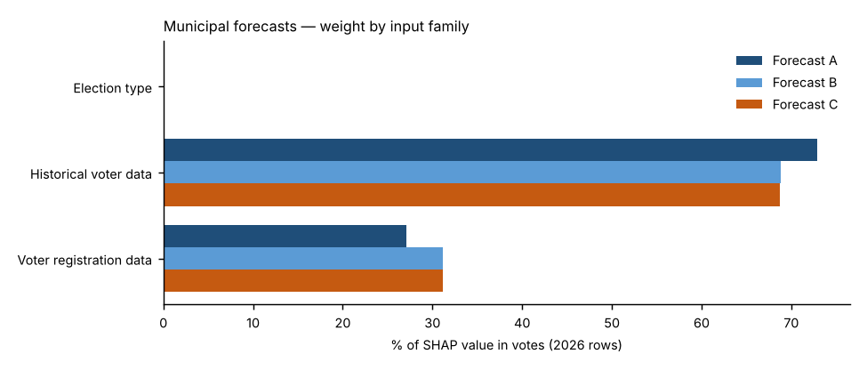
Forecast A — Full random forest.
All 19 candidate inputs go into one random forest that forecasts the Democratic share. Nothing is weighted by hand; SHAP measures what the forest learned. This is the reference.
Forecast B — SHAP-selected forest.
Keeps only inputs whose average |SHAP| beat all 10 random columns in at least 18 of 20 refits and that held at least 2% of Forecast A’s SHAP total (6 of 19 kept), then refits the forest on them. Weight that was spread thinly over weak inputs is concentrated on the strong ones.
Forecast C — SHAP family-reweighted forest.
Keeps Forecast A’s forest but multiplies each input family’s SHAP values by a weight fitted to how well that family predicted elections the forest had not seen (leave-one-election-out, fitted within each election). Families under 3% of SHAP stay at ×1; others are limited to ×0.5–×2 because there are only three training elections.
Backtests.
Each 2024 backtest uses its own forecast’s weighting: A’s full input set, B’s selected inputs, and C’s exact family weights — refit only on 2020 and 2022.
Turnout.
Not modelled in any forecast: votes cast = each place’s 2022 turnout rate × its 2026 registered voters (2020 turnout × 2024 registered in the backtest). All differences between A, B and C come from the results model.

Family share of SHAP value in votes, 2026 forecast rows
Input family | Forecast A | Forecast B | Forecast C | Forecast C weight (×)
Election type | 0.1% | 0.0% | 0.1% | 1.00
Historical voter data | 72.9% | 68.9% | 68.7% | 1.02
Voter registration data | 27.1% | 31.1% | 31.2% | 1.25
Out-of-fold pattern error before → after Forecast C’s re-weighting: 2.61 → 2.47 points.

Top inputs in each forecast (share of SHAP value in votes)
# | Forecast A | Share | Forecast B | Share | Forecast C | Share
1 | Feeder top-of-ticket lean | 29.2% | Feeder top-of-ticket lean | 20.6% | Feeder top-of-ticket lean | 27.5%
2 | Feeder House lean (district-relative) | 27.3% | Feeder House lean (district-relative) | 19.7% | Feeder House lean (district-relative) | 25.7%
3 | Registration: R % | 12.7% | Registration: R % | 17.5% | Registration: R % | 14.6%
4 | Feeder electorate: R % of ballots | 10.9% | Feeder electorate: R % of ballots | 16.5% | Feeder electorate: R % of ballots | 10.3%
5 | Registration: D % | 8.8% | Registration: D % | 13.6% | Registration: D % | 10.2%
6 | Feeder Senate lean | 3.6% | Feeder Senate lean | 12.1% | Feeder Senate lean | 3.4%
7 | Registered voters (log) | 2.0% |  |  | Registered voters (log) | 2.3%
8 | Registrants: female % (known sex) | 1.4% |  |  | Registrants: female % (known sex) | 1.7%
9 | Registration: unaffiliated/other % | 1.1% |  |  | Registration: unaffiliated/other % | 1.3%
10 | Registration: change in D−R margin since the feeder elections | 0.6% |  |  | Registration: change in D−R margin since the feeder elections | 0.7%

Forecast B — random-column test and selection
Input | Beat random columns (of 20) | Share of SHAP in A | Kept in B?
Feeder top-of-ticket lean | 20 | 28.9% | Yes
Feeder House lean (district-relative) | 20 | 27.3% | Yes
Registration: R % | 20 | 12.5% | Yes
Feeder electorate: R % of ballots | 20 | 10.4% | Yes
Registration: D % | 20 | 8.3% | Yes
Feeder Senate lean | 20 | 3.6% | Yes
Registrants: female % (known sex) | 19 | 1.9% | No
Registration: unaffiliated/other % | 20 | 1.7% | No
Registered voters (log) | 20 | 1.7% | No
Registration: change in D−R margin since the feeder elections | 12 | 0.7% | No
Feeder turnout: unaffiliated | 9 | 0.7% | No
Feeder mail use: D voters | 2 | 0.5% | No
Feeder turnout (certified, % of registered) | 0 | 0.3% | No
Registrants: Boomer + Silent % | 2 | 0.3% | No
Registrants: Millennial + Gen Z % | 13 | 0.3% | No
Feeder turnout: R registrants | 0 | 0.3% | No
Feeder ticket-splitting (House − top of ticket) | 0 | 0.3% | No
Feeder turnout: D registrants | 0 | 0.2% | No
Midterm year (1/0) | 0 | 0.1% | No

