How Forecasts Are Weighted
How the three precinct-level forecasts weigh their inputs (SHAP) — results-only random forests, turnout held at 2022
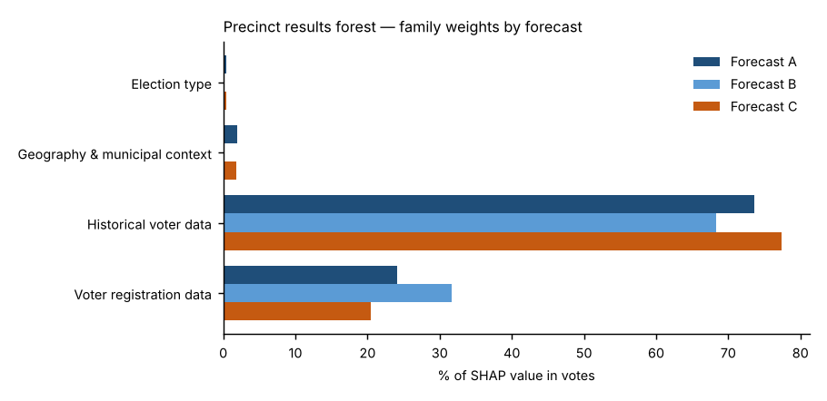
Forecast A — Full random forest.
Every candidate input goes into one random forest that forecasts each place’s Democratic share relative to the district. Nothing is weighted by hand: each input’s weight is whatever the forest learned, and SHAP measures it afterwards. This is the reference forecast.
Forecast B — SHAP-selected forest.
Uses SHAP to decide which inputs stay. An input is kept only if (1) its mean |SHAP| beat all 10 random columns in at least 18 of 20 refits and (2) it carried at least 2% of the forest’s SHAP total in Forecast A. The forest is refit on the survivors, so weight that was spread thinly over weak inputs is concentrated on the strong ones.
Forecast C — SHAP family-reweighted forest.
Uses SHAP to re-weight Forecast A. Each forecast = starting value + sum of SHAP values; Forecast C multiplies each input family’s SHAP sum by a family weight, chosen by how well it predicts elections the forest did not see (out-of-fold SHAP, leave-one-election-out, fitted within each election). Families under 3% of SHAP are held at ×1; others are limited to ×0.5–×2, a guard given only three training elections.
Turnout (all three).
No turnout model. Every precinct/municipality casts the same number of House votes as in 2022, so the three forecasts differ only in their results model.

Family weights in each forecast (share of SHAP value in votes, 2026 forecast rows)
Input family | Forecast A | Forecast B | Forecast C | Forecast C family weight (×) | C weight used in 2024 backtest (×) | Read
Election type | 0.4% | 0.0% | 0.4% | 1.00 | 1.00 | unchanged (or held at ×1, under 3% of SHAP)
Geography & municipal context | 1.9% | 0.0% | 1.8% | 1.00 | 1.00 | unchanged (or held at ×1, under 3% of SHAP)
Historical voter data | 73.6% | 68.3% | 77.4% | 1.08 | 0.98 | amplified
Voter registration data | 24.1% | 31.7% | 20.4% | 0.87 | 1.24 | damped
Out-of-fold fit of the family weights: pattern error 2.59 → 2.55 pts after re-weighting.

Forecast B — which inputs survived the SHAP selection
Input | Beat random columns (of 20) | Share of forest SHAP in A | Kept in B?
Precinct House lean, last election (t−2) | 20 | 29.6% | Yes
Electorate last election: R % of ballots | 20 | 19.4% | Yes
Municipality House lean, last election (t−2) | 20 | 13.1% | Yes
State registration: R % (as of election) | 20 | 11.1% | Yes
Precinct House lean, last same-type election (t−4) | 20 | 7.8% | Yes
State registration: D % (as of election) | 20 | 7.3% | Yes
State registration: change in D−R margin since t−2 | 20 | 1.8% | No
Precinct vs. its municipality, last election (pts) | 20 | 1.4% | No
Mail use last election: R voters | 20 | 1.4% | No
Turnout last election: R registrants | 20 | 0.9% | No
Voter-file party switch gap (today’s R % − state R %) | 20 | 0.9% | No
Mail use last election: D voters | 20 | 0.8% | No
Turnout last election (state) | 20 | 0.8% | No
Registrants: Boomer + Silent % | 20 | 0.8% | No
Registrants: Millennial + Gen Z % | 20 | 0.6% | No
Turnout last election: D registrants | 20 | 0.5% | No
Registered voters (log, state) | 20 | 0.4% | No
Midterm year (1/0) | 19 | 0.4% | No
Registrants: female % (known sex) | 19 | 0.4% | No
State registration: other % | 17 | 0.2% | No
County: Carbon | 15 | 0.2% | No
County: Northampton | 1 | 0.1% | No
County: Lehigh | 1 | 0.1% | No

