How Forecasts Are Weighted
How the three precinct-level forecasts weigh their inputs (SHAP) — results-only random forests
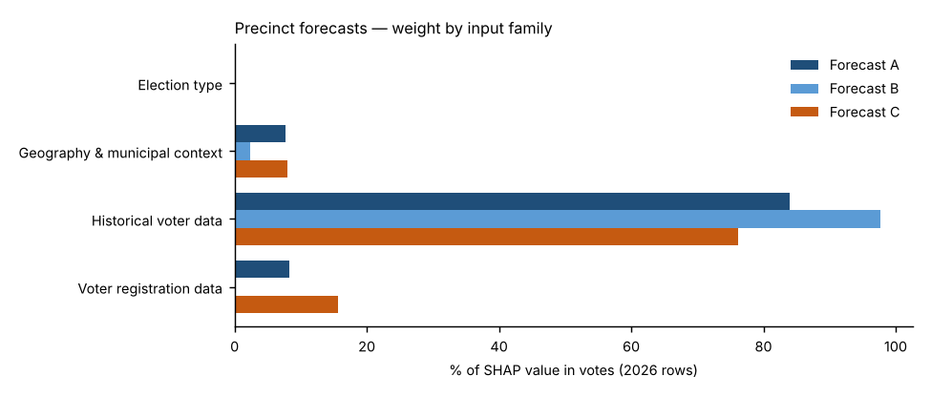
Forecast A — Full random forest.
All 26 candidate inputs go into one random forest that forecasts the Democratic share. Nothing is weighted by hand; SHAP measures what the forest learned. This is the reference.
Forecast B — SHAP-selected forest.
Keeps only inputs whose average |SHAP| beat all 10 random columns in at least 18 of 20 refits and that held at least 2% of Forecast A’s SHAP total (7 of 26 kept), then refits the forest on them. Weight that was spread thinly over weak inputs is concentrated on the strong ones.
Forecast C — SHAP family-reweighted forest.
Keeps Forecast A’s forest but multiplies each input family’s SHAP values by a weight fitted to how well that family predicted elections the forest had not seen (leave-one-election-out, fitted within each election). Families under 3% of SHAP stay at ×1; others are limited to ×0.5–×2 because there are only four training elections.
Backtests.
Each backtest uses its own forecast’s weighting: A’s full input set, B’s selected inputs, and C’s exact family weights — refit only on the elections known at the time (2024: 2018–2022; 2022: 2018–2020; 2020 hold-out: 2018, 2022 and 2024), with forest settings tuned on those elections only.
Turnout.
Not modelled in any forecast: votes cast = each place’s 2022 turnout rate × its 2026 registered voters (backtests: the same-type election’s turnout rate one cycle earlier × that year’s registered voters). All differences between A, B and C come from the results model.

Family share of SHAP value in votes, 2026 forecast rows
Input family | Forecast A | Forecast B | Forecast C | Forecast C weight (×)
Election type | 0.2% | 0.0% | 0.2% | 1.00
Geography & municipal context | 7.6% | 2.4% | 8.1% | 1.09
Historical voter data | 83.9% | 97.6% | 76.1% | 0.94
Voter registration data | 8.2% | 0.0% | 15.6% | 1.96
Out-of-fold pattern error before → after Forecast C’s re-weighting: 2.54 → 2.50 points.

Top inputs in each forecast (share of SHAP value in votes)
# | Forecast A | Share | Forecast B | Share | Forecast C | Share
1 | Precinct House lean, nearest election | 27.1% | Precinct House lean, nearest election | 41.2% | Precinct House lean, nearest election | 24.6%
2 | Precinct House lean, other elections (same type ×2) | 21.7% | Precinct House lean, other elections (same type ×2) | 32.3% | Precinct House lean, other elections (same type ×2) | 19.7%
3 | Precinct House lean, opposite-type elections | 15.9% | Precinct House lean, opposite-type elections | 17.9% | Precinct House lean, opposite-type elections | 14.4%
4 | Precinct House lean, same-type elections | 10.3% | Precinct House lean, same-type elections | 4.0% | Precinct House lean, same-type elections | 9.3%
5 | Electorate: R % of ballots, same-type elections | 6.2% | Electorate: R % of ballots, same-type elections | 2.3% | Electorate: R % of ballots, same-type elections | 5.6%
6 | Municipality House lean, nearest election | 3.8% | Municipality House lean, nearest election | 1.5% | State registration: R % | 4.2%
7 | Municipality House lean, other elections | 3.1% | Municipality House lean, other elections | 0.9% | Municipality House lean, nearest election | 4.0%
8 | State registration: R % | 2.2% |  |  | State registration: D % | 3.8%
9 | State registration: D % | 2.0% |  |  | Municipality House lean, other elections | 3.3%
10 | State registration: change in D−R margin vs. other elections | 1.6% |  |  | State registration: change in D−R margin vs. other elections | 3.0%

Forecast B — random-column test and selection
Input | Beat random columns (of 20) | Share of SHAP in A | Kept in B?
Precinct House lean, nearest election | 20 | 26.9% | Yes
Precinct House lean, other elections (same type ×2) | 20 | 22.3% | Yes
Precinct House lean, opposite-type elections | 20 | 16.6% | Yes
Precinct House lean, same-type elections | 20 | 10.5% | Yes
Electorate: R % of ballots, same-type elections | 20 | 6.1% | Yes
Municipality House lean, nearest election | 20 | 3.6% | Yes
Municipality House lean, other elections | 20 | 3.2% | Yes
State registration: R % | 20 | 1.9% | No
State registration: D % | 20 | 1.8% | No
State registration: change in D−R margin vs. other elections | 20 | 1.7% | No
Turnout (state), same-type elections | 20 | 1.1% | No
Registrants: Millennial + Gen Z % | 20 | 0.7% | No
Turnout: R registrants, same-type elections | 20 | 0.6% | No
Precinct vs. its municipality, other elections (pts) | 20 | 0.5% | No
Turnout: D registrants, same-type elections | 20 | 0.5% | No
Voter-file party switch gap (voter-file R % − state R %) | 20 | 0.4% | No
Mail use: D voters, other elections | 20 | 0.3% | No
State registration: other % | 20 | 0.3% | No
Registrants: Boomer + Silent % | 20 | 0.3% | No
Registered voters (log, state) | 20 | 0.2% | No
Registrants: female % (known sex) | 7 | 0.2% | No
Midterm year (1/0) | 5 | 0.2% | No
County: Carbon | 7 | 0.1% | No
Mail use: R voters, other elections | 16 | 0.1% | No
County: Lehigh | 0 | 0.1% | No
County: Northampton | 0 | 0.1% | No

