How Forecasts Are Weighted
How the three precinct-level forecasts weigh their inputs (SHAP) — results-only random forests
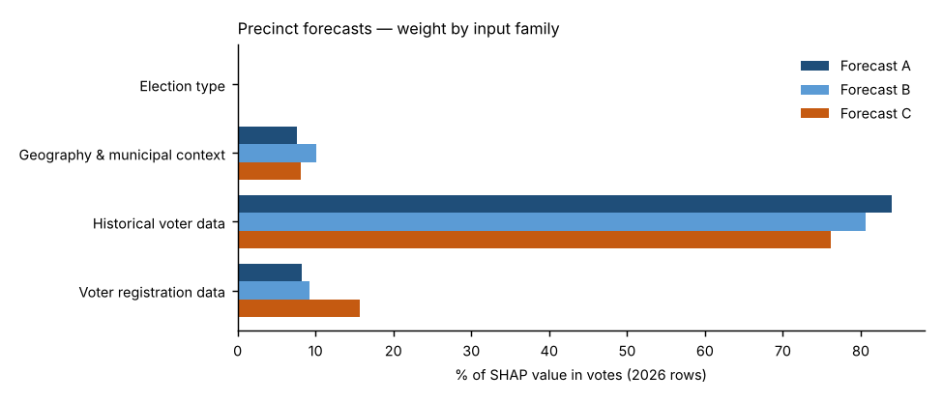
Forecast A — Full random forest.
All 26 candidate inputs go into one random forest that forecasts the Democratic share. Nothing is weighted by hand; SHAP measures what the forest learned. This is the reference.
Forecast B — SHAP-selected forest.
Ranks the inputs by Forecast A’s average |SHAP| and refits the forest on the top k; k is chosen by leave-one-election-out cross-validation (12 of 26 kept for 2026). Weight that was spread thinly over weak inputs is concentrated on the strong ones.
Forecast C — SHAP family-reweighted forest.
Keeps Forecast A’s forest but multiplies each input family’s SHAP values by a weight fitted to how well that family predicted elections the forest had not seen (leave-one-election-out, fitted within each election). Families under 3% of SHAP stay at ×1; others are limited to ×0.5–×2 because there are only four training elections.
Backtests.
Every backtest reruns each forecast’s whole method using only the elections known at the time (2024: 2018–2022; 2022: 2018–2020; 2020 hold-out: 2018, 2022 and 2024): A’s forest settings are tuned, B’s inputs are selected and C’s family weights are fitted on those elections alone. Nothing from the year being tested is used, so the backtests are honest out-of-sample checks.
Turnout.
Projected by rule, not by a forest: votes cast = each place’s 2022 turnout rate × its 2026 registered voters (backtests: the same-type election’s turnout rate one cycle earlier). A turnout random forest and a party-mix turnout adjustment were tested and were less accurate in the backtests. All differences between A, B and C come from the results model.

Family share of SHAP value in votes, 2026 forecast rows
Input family | Forecast A | Forecast B | Forecast C | Forecast C weight (×)
Election type | 0.2% | 0.0% | 0.2% | 1.00
Geography & municipal context | 7.6% | 10.1% | 8.1% | 1.09
Historical voter data | 83.9% | 80.7% | 76.1% | 0.94
Voter registration data | 8.2% | 9.2% | 15.6% | 1.96
Out-of-fold pattern error before → after Forecast C’s re-weighting: 2.54 → 2.50 points.

Top inputs in each forecast (share of SHAP value in votes)
# | Forecast A | Share | Forecast B | Share | Forecast C | Share
1 | Precinct House lean, nearest election | 27.1% | Precinct House lean, nearest election | 21.7% | Precinct House lean, nearest election | 24.6%
2 | Precinct House lean, other elections (same type ×2) | 21.7% | Precinct House lean, other elections (same type ×2) | 20.8% | Precinct House lean, other elections (same type ×2) | 19.7%
3 | Precinct House lean, opposite-type elections | 15.9% | Precinct House lean, opposite-type elections | 17.2% | Precinct House lean, opposite-type elections | 14.4%
4 | Precinct House lean, same-type elections | 10.3% | Precinct House lean, same-type elections | 11.4% | Precinct House lean, same-type elections | 9.3%
5 | Electorate: R % of ballots, same-type elections | 6.2% | Electorate: R % of ballots, same-type elections | 8.0% | Electorate: R % of ballots, same-type elections | 5.6%
6 | Municipality House lean, nearest election | 3.8% | Municipality House lean, nearest election | 5.4% | State registration: R % | 4.2%
7 | Municipality House lean, other elections | 3.1% | Municipality House lean, other elections | 4.7% | Municipality House lean, nearest election | 4.0%
8 | State registration: R % | 2.2% | State registration: R % | 3.7% | State registration: D % | 3.8%
9 | State registration: D % | 2.0% | State registration: D % | 2.4% | Municipality House lean, other elections | 3.3%
10 | State registration: change in D−R margin vs. other elections | 1.6% | State registration: change in D−R margin vs. other elections | 2.0% | State registration: change in D−R margin vs. other elections | 3.0%

Forecast B — random-column test and selection
Input | Beat random columns (of 10) | Share of SHAP in A | Kept in B?
Precinct House lean, nearest election | 10 | 26.9% | Yes
Precinct House lean, other elections (same type ×2) | 10 | 22.3% | Yes
Precinct House lean, opposite-type elections | 10 | 16.6% | Yes
Precinct House lean, same-type elections | 10 | 10.5% | Yes
Electorate: R % of ballots, same-type elections | 10 | 6.1% | Yes
Municipality House lean, nearest election | 10 | 3.6% | Yes
Municipality House lean, other elections | 10 | 3.2% | Yes
State registration: R % | 10 | 1.9% | Yes
State registration: D % | 10 | 1.8% | Yes
State registration: change in D−R margin vs. other elections | 10 | 1.7% | Yes
Turnout (state), same-type elections | 10 | 1.1% | Yes
Registrants: Millennial + Gen Z % | 10 | 0.7% | Yes
Turnout: R registrants, same-type elections | 10 | 0.6% | No
Precinct vs. its municipality, other elections (pts) | 10 | 0.5% | No
Turnout: D registrants, same-type elections | 10 | 0.5% | No
Voter-file party switch gap (voter-file R % − state R %) | 10 | 0.4% | No
Mail use: D voters, other elections | 10 | 0.3% | No
State registration: other % | 10 | 0.3% | No
Registrants: Boomer + Silent % | 10 | 0.3% | No
Registered voters (log, state) | 10 | 0.2% | No
Registrants: female % (known sex) | 3 | 0.2% | No
Midterm year (1/0) | 3 | 0.2% | No
County: Carbon | 4 | 0.1% | No
Mail use: R voters, other elections | 8 | 0.1% | No
County: Lehigh | 0 | 0.1% | No
County: Northampton | 0 | 0.1% | No

Forecast B — how many inputs to keep (leave-one-election-out cross-validation error, points)
Inputs kept (top k by SHAP) | Cross-validation error (pts) | Chosen?
3 | 2.586
4 | 2.679
6 | 2.604
8 | 2.555
10 | 2.543
12 | 2.508 | Yes
15 | 2.543
26 | 2.553

