How Forecasts Are Weighted
How the three precinct-level forecasts weigh their inputs (SHAP) — results-only random forests
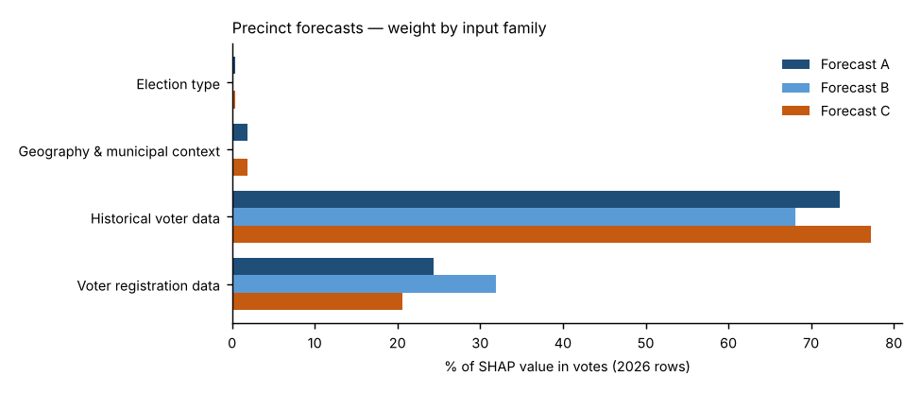
Forecast A — Full random forest.
All 23 candidate inputs go into one random forest that forecasts the Democratic share. Nothing is weighted by hand; SHAP measures what the forest learned. This is the reference.
Forecast B — SHAP-selected forest.
Keeps only inputs whose average |SHAP| beat all 10 random columns in at least 18 of 20 refits and that held at least 2% of Forecast A’s SHAP total (6 of 23 kept), then refits the forest on them. Weight that was spread thinly over weak inputs is concentrated on the strong ones.
Forecast C — SHAP family-reweighted forest.
Keeps Forecast A’s forest but multiplies each input family’s SHAP values by a weight fitted to how well that family predicted elections the forest had not seen (leave-one-election-out, fitted within each election). Families under 3% of SHAP stay at ×1; others are limited to ×0.5–×2 because there are only three training elections.
Backtests.
Each 2024 backtest uses its own forecast’s weighting: A’s full input set, B’s selected inputs, and C’s exact family weights — refit only on 2020 and 2022.
Turnout.
Not modelled in any forecast: votes cast = last same-type House votes × registration growth (2022→2026 for the forecast; 2020→2024 in the backtest). All differences between A, B and C come from the results model.

Family share of SHAP value in votes, 2026 forecast rows
Input family | Forecast A | Forecast B | Forecast C | Forecast C weight (×)
Election type | 0.4% | 0.0% | 0.4% | 1.00
Geography & municipal context | 1.9% | 0.0% | 1.8% | 1.00
Historical voter data | 73.4% | 68.1% | 77.2% | 1.08
Voter registration data | 24.3% | 31.9% | 20.6% | 0.87
Out-of-fold pattern error before → after Forecast C’s re-weighting: 2.59 → 2.55 points.

Top inputs in each forecast (share of SHAP value in votes)
# | Forecast A | Share | Forecast B | Share | Forecast C | Share
1 | Precinct House lean, last election (t−2) | 27.9% | Precinct House lean, last election (t−2) | 17.5% | Precinct House lean, last election (t−2) | 29.3%
2 | Electorate last election: R % of ballots | 19.3% | Precinct House lean, last same-type election (t−4) | 16.9% | Electorate last election: R % of ballots | 20.3%
3 | Municipality House lean, last election (t−2) | 13.0% | Electorate last election: R % of ballots | 16.9% | Municipality House lean, last election (t−2) | 13.7%
4 | State registration: R % (as of election) | 11.3% | Municipality House lean, last election (t−2) | 16.7% | State registration: R % (as of election) | 9.6%
5 | Precinct House lean, last same-type election (t−4) | 8.0% | State registration: R % (as of election) | 16.4% | Precinct House lean, last same-type election (t−4) | 8.5%
6 | State registration: D % (as of election) | 7.7% | State registration: D % (as of election) | 15.6% | State registration: D % (as of election) | 6.5%
7 | State registration: change in D−R margin since t−2 | 2.1% |  |  | State registration: change in D−R margin since t−2 | 1.8%
8 | Mail use last election: R voters | 1.6% |  |  | Mail use last election: R voters | 1.7%
9 | Precinct vs. its municipality, last election (pts) | 1.4% |  |  | Precinct vs. its municipality, last election (pts) | 1.4%
10 | Turnout last election: R registrants | 1.1% |  |  | Turnout last election: R registrants | 1.1%

Forecast B — random-column test and selection
Input | Beat random columns (of 20) | Share of SHAP in A | Kept in B?
Precinct House lean, last election (t−2) | 20 | 29.6% | Yes
Electorate last election: R % of ballots | 20 | 19.4% | Yes
Municipality House lean, last election (t−2) | 20 | 13.1% | Yes
State registration: R % (as of election) | 20 | 11.1% | Yes
Precinct House lean, last same-type election (t−4) | 20 | 7.8% | Yes
State registration: D % (as of election) | 20 | 7.3% | Yes
State registration: change in D−R margin since t−2 | 20 | 1.8% | No
Precinct vs. its municipality, last election (pts) | 20 | 1.4% | No
Mail use last election: R voters | 20 | 1.4% | No
Turnout last election: R registrants | 20 | 0.9% | No
Voter-file party switch gap (today’s R % − state R %) | 20 | 0.9% | No
Mail use last election: D voters | 20 | 0.8% | No
Turnout last election (state) | 20 | 0.8% | No
Registrants: Boomer + Silent % | 20 | 0.8% | No
Registrants: Millennial + Gen Z % | 20 | 0.6% | No
Turnout last election: D registrants | 20 | 0.5% | No
Registered voters (log, state) | 20 | 0.4% | No
Midterm year (1/0) | 19 | 0.4% | No
Registrants: female % (known sex) | 19 | 0.4% | No
State registration: other % | 17 | 0.2% | No
County: Carbon | 15 | 0.2% | No
County: Northampton | 1 | 0.1% | No
County: Lehigh | 1 | 0.1% | No

