How Forecasts Are Weighted
How the three precinct-level forecasts weigh their inputs (SHAP) — results-only random forests
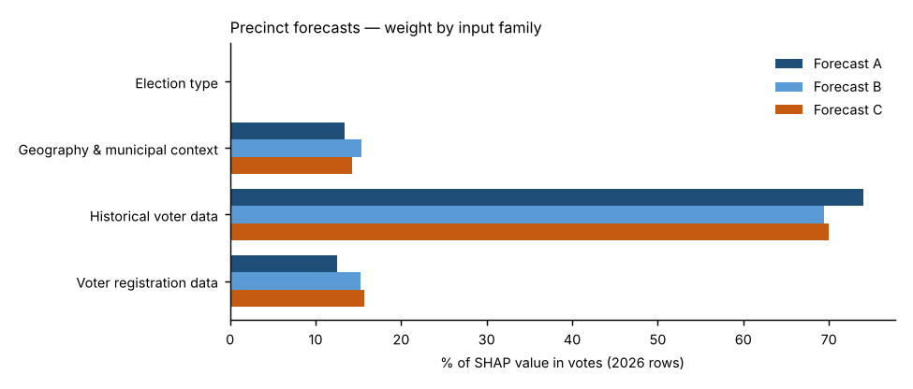
Forecast A — Full random forest.
All 22 candidate inputs go into one random forest that forecasts the Democratic share. Nothing is weighted by hand; SHAP measures what the forest learned. This is the reference.
Forecast B — SHAP-selected forest.
Keeps only inputs whose average |SHAP| beat all 10 random columns in at least 18 of 20 refits and that held at least 2% of Forecast A’s SHAP total (6 of 22 kept), then refits the forest on them. Weight that was spread thinly over weak inputs is concentrated on the strong ones.
Forecast C — SHAP family-reweighted forest.
Keeps Forecast A’s forest but multiplies each input family’s SHAP values by a weight fitted to how well that family predicted elections the forest had not seen (leave-one-election-out, fitted within each election). Families under 3% of SHAP stay at ×1; others are limited to ×0.5–×2 because there are only three training elections.
Backtests.
Each 2024 backtest uses its own forecast’s weighting: A’s full input set, B’s selected inputs, and C’s exact family weights — refit only on 2020 and 2022.
Turnout.
Not modelled in any forecast: votes cast = each place’s 2022 turnout rate × its 2026 registered voters (2020 turnout × 2024 registered in the backtest). All differences between A, B and C come from the results model.

Family share of SHAP value in votes, 2026 forecast rows
Input family | Forecast A | Forecast B | Forecast C | Forecast C weight (×)
Election type | 0.1% | 0.0% | 0.1% | 1.00
Geography & municipal context | 13.4% | 15.4% | 14.3% | 1.08
Historical voter data | 74.0% | 69.4% | 70.0% | 0.96
Voter registration data | 12.5% | 15.2% | 15.7% | 1.27
Out-of-fold pattern error before → after Forecast C’s re-weighting: 2.58 → 2.57 points.

Top inputs in each forecast (share of SHAP value in votes)
# | Forecast A | Share | Forecast B | Share | Forecast C | Share
1 | Feeder precinct House lean (district-relative) | 54.6% | Feeder precinct House lean (district-relative) | 47.2% | Feeder precinct House lean (district-relative) | 51.6%
2 | Feeder electorate: R % of ballots | 17.3% | Feeder electorate: R % of ballots | 22.2% | Feeder electorate: R % of ballots | 16.3%
3 | Feeder municipality House lean | 11.8% | Feeder municipality House lean | 15.4% | Feeder municipality House lean | 12.6%
4 | State registration: R % | 5.1% | State registration: R % | 8.7% | State registration: R % | 6.4%
5 | State registration: D % | 2.3% | State registration: change in D−R margin since the feeder elections | 3.8% | State registration: D % | 2.8%
6 | State registration: change in D−R margin since the feeder elections | 2.2% | State registration: D % | 2.7% | State registration: change in D−R margin since the feeder elections | 2.7%
7 | Voter-file party switch gap (voter-file R % − state R %) | 0.9% |  |  | Voter-file party switch gap (voter-file R % − state R %) | 1.1%
8 | Feeder precinct vs. its municipality (pts) | 0.8% |  |  | Feeder precinct vs. its municipality (pts) | 0.9%
9 | Registered voters (log, state) | 0.7% |  |  | Registered voters (log, state) | 0.8%
10 | Feeder turnout: R registrants | 0.6% |  |  | State registration: other % | 0.6%

Forecast B — random-column test and selection
Input | Beat random columns (of 20) | Share of SHAP in A | Kept in B?
Feeder precinct House lean (district-relative) | 20 | 56.0% | Yes
Feeder electorate: R % of ballots | 20 | 17.1% | Yes
Feeder municipality House lean | 20 | 11.3% | Yes
State registration: R % | 20 | 4.8% | Yes
State registration: change in D−R margin since the feeder elections | 20 | 2.2% | Yes
State registration: D % | 20 | 2.1% | Yes
Feeder precinct vs. its municipality (pts) | 20 | 0.8% | No
Voter-file party switch gap (voter-file R % − state R %) | 20 | 0.8% | No
Feeder turnout: R registrants | 20 | 0.6% | No
Registered voters (log, state) | 20 | 0.6% | No
Feeder turnout (state, % of registered) | 20 | 0.5% | No
Feeder mail use: D voters | 19 | 0.5% | No
State registration: other % | 20 | 0.5% | No
Registrants: Millennial + Gen Z % | 16 | 0.3% | No
County: Carbon | 18 | 0.3% | No
Registrants: Boomer + Silent % | 13 | 0.3% | No
Feeder mail use: R voters | 16 | 0.3% | No
Registrants: female % (known sex) | 12 | 0.3% | No
Feeder turnout: D registrants | 7 | 0.2% | No
County: Northampton | 0 | 0.2% | No
County: Lehigh | 0 | 0.1% | No
Midterm year (1/0) | 0 | 0.1% | No

